Sheet2
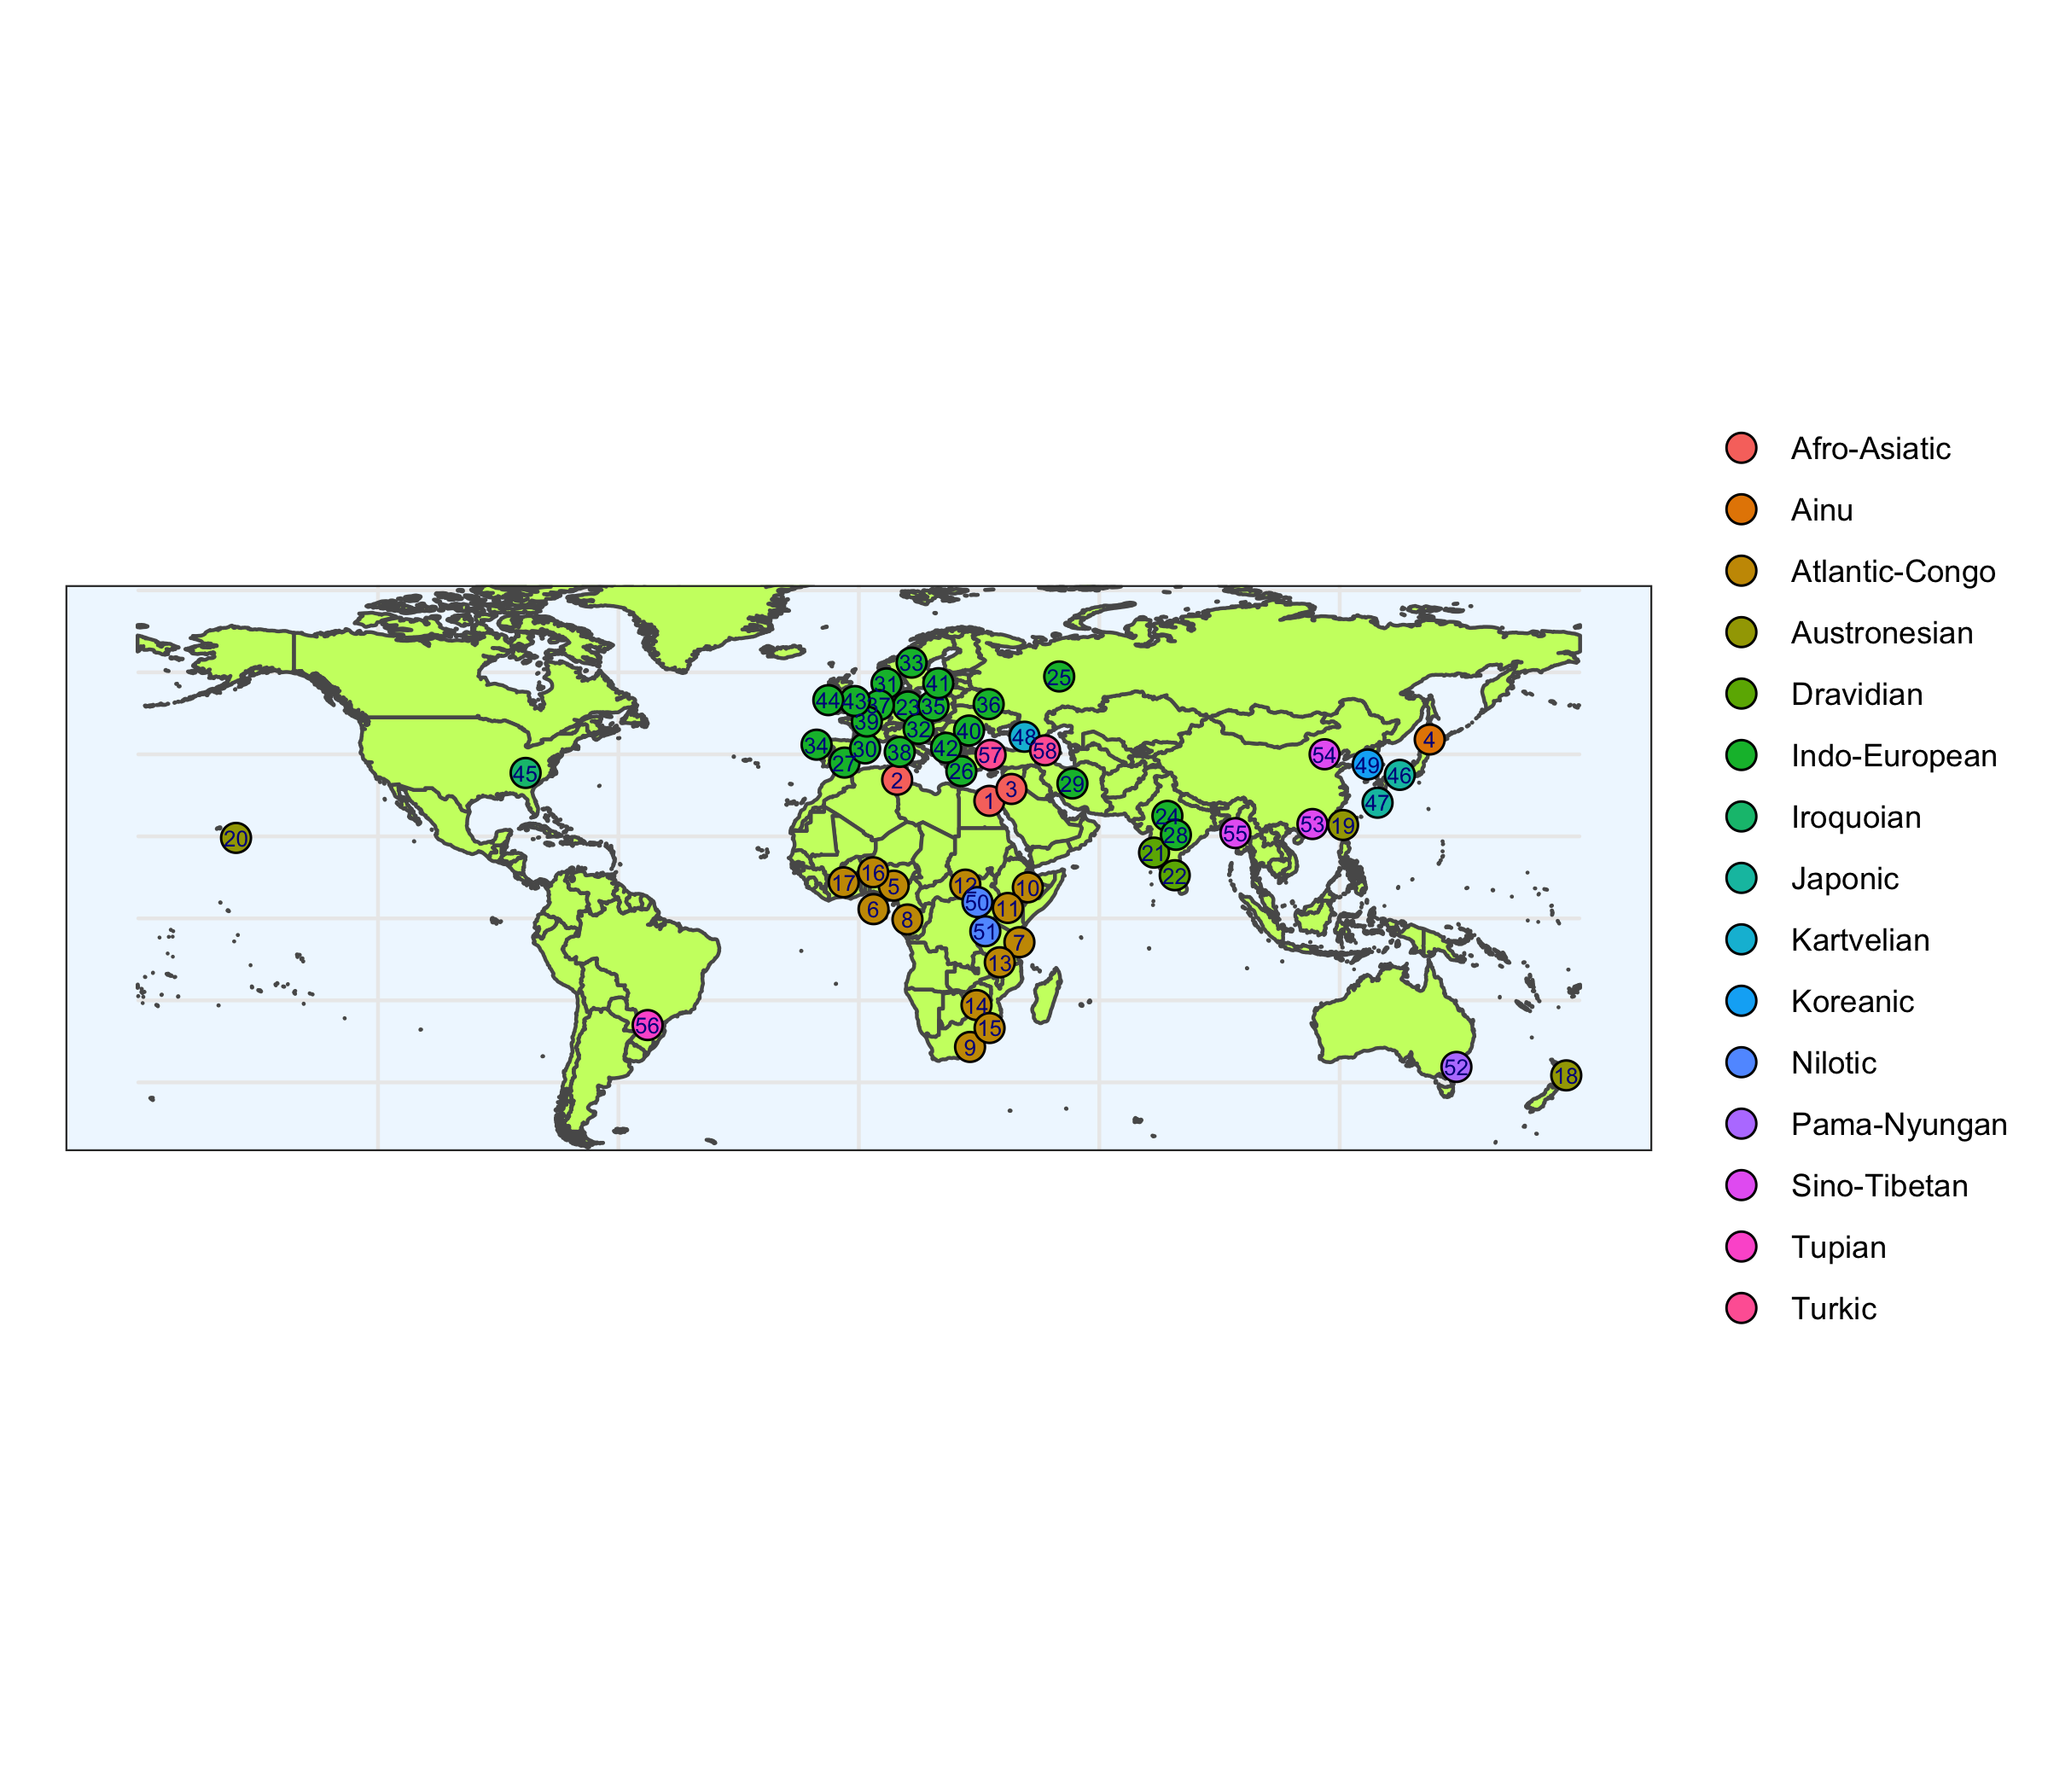
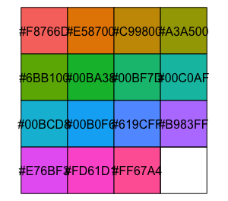
Afro-Asiatic |  | Atlantic-Congo |  |  |  | Austronesian |  | Indo-European |  |  |  |  |  | Iroquoian |  | Nilotic |  | Tupian
1 | Hebrew | 5 | Isoko | 13 | Kiwahili | 18 | Te Reo Māori | 23 | Yiddish | 31 | Danish | 39 | French | 45 | Cherokee | 50 | Luo | 56 | Mbyá Guaraní
2 | Tunisian Arabic | 6 | Yoruba | 14 | Changana | 19 | Rukai | 24 | Hindi | 32 | German | 40 | Bulgarian | Japonic |  | 51 | Maasai | Turkic
3 | Palestinian Arabic | 7 | Swahili | 15 | Ronga | 20 | ʻŌlelo Hawaiʻi | 25 | Russian | 33 | Norwegian | 41 | Swedish | 46 | Japanese | Pama-Nyungan |  | 57 | Turkish
Ainu |  | 8 | Igbo | 16 | Akan (Asante Twi) | Dravidian |  | 26 | Greek | 34 | Portuguese | 42 | Macedonian | 47 | Amami | 52 | Ngarigu | 58 | Azerbaijani
4 | Ainu | 9 | Zulu | 17 | Akan (Fante) | 21 | Kannada | 27 | Spanish | 35 | Polish | 43 | English | Kartvelian |  | Sino-Tibetan
 |  | 10 | Tiriki |  |  | 22 | Tamil | 28 | Marathi | 36 | Ukrainian | 44 | Irish | 48 | Georgian | 53 | Cantonese
 |  | 11 | Lulogooli |  |  |  |  | 29 | Farsi | 37 | Dutch |  |  | Koreanic |  | 54 | Mandarin
 |  | 12 | Lunyore |  |  |  |  | 30 | Catalan | 38 | Italian |  |  | 49 | Korean | 55 | Burmese

