Churn.Parameter.Tuning
Wrangling details and commentary on data set | There were some null values in the data set that were repalced by 50th quartile value. dropping customer id columns Since that don't have any influence on target variable. visualize the location of the missingness of data using mano.matrix, bar, heatmap and dendogram I removed spaces from the begining and end of the column names Business problem: company faces the churn issue with More than 1/4th of the customers hence it wants to analyse and predict the reason and solve it so they the can retain the customers gender does not have as such influence in churn. Both genders have an equal churn churn is higher in senior citizens (people who have retired) compared to non senior citizens- this may imply that people who are employed have the money to pay the bills and hence they dont leave the service provider. Company can maybe look to provide special offers and rates to the senior citizens to reduce the churn for them Churn is higher for people who are not married - this might imp;y some human behaviour factor Customers with no dependants have a higher churn compared to people with children Did data cleanign before applying the algorithm multi collineraity was not an issue as the columns were also limited. Class imbalance issue was not very evident either

Best Algorithm and Combination: | Conclusion: All the models have a high accuracy of more than 80% but out of all the 4 RandomForest have the highest performance. Hence we can rely on the outcome of this model for making decision.

Parameter Tuning Details: | #parameter tuning model_params = { 'svm': { 'model': SVC(gamma='auto',probability=True), 'params' : { 'C': [1,10,20], 'kernel': ['rbf','linear','sigmoid'] } }, 'random_forest': { 'model': RandomForestClassifier(), 'params' : { 'n_estimators': [1,5,10,20,30,50], 'criterion':['gini','entropy'] } }, 'logistic_regression' : { 'model': LogisticRegression(multi_class='auto'), 'params': { 'C': [1,5,10], 'solver':['lbfgs','liblinear'] } }, 'KNN': { 'model':KNeighborsClassifier(), 'params':{ 'n_neighbors' : [1,3,5,7], 'algorithm':['auto','kd_tree'] } } }

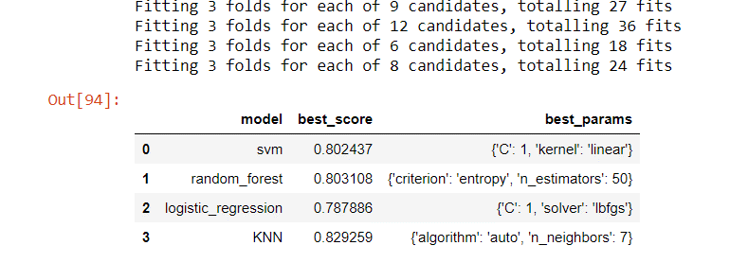
Results after Parameter Tuning:

