Database Study
Serial No. | Business Domain / Topic | Page URL | Page Title | Business Knowledge (1-3 concrete sentences) | Rough Notes
1 | Global terrorism database | https://www.researchgate.net/figure/ER-diagram-of-RISED_fig2_220762273 | Database Design for Global terrorism database | 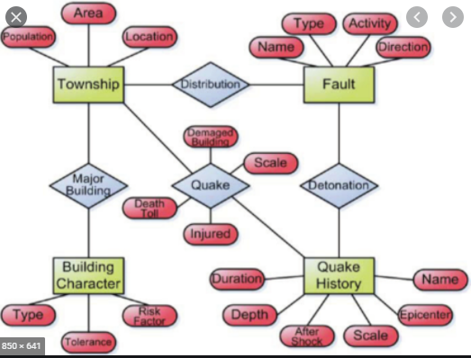 | Research Paper
2 | terrorism | http://www.databaseanswers.org/data_models/terrorism/index.htm | Database Design for Global terrorism database | 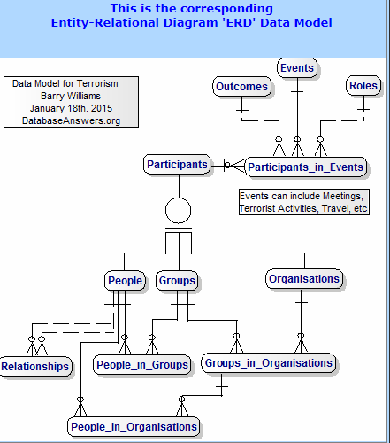 | Research Paper

General Ecom Giant Reviews
Serial No. | Business Domain / Topic | IntewView Tagline | Summary of Interview | Interviewee
1 | Terrorism | Addressing the history of terrorism | 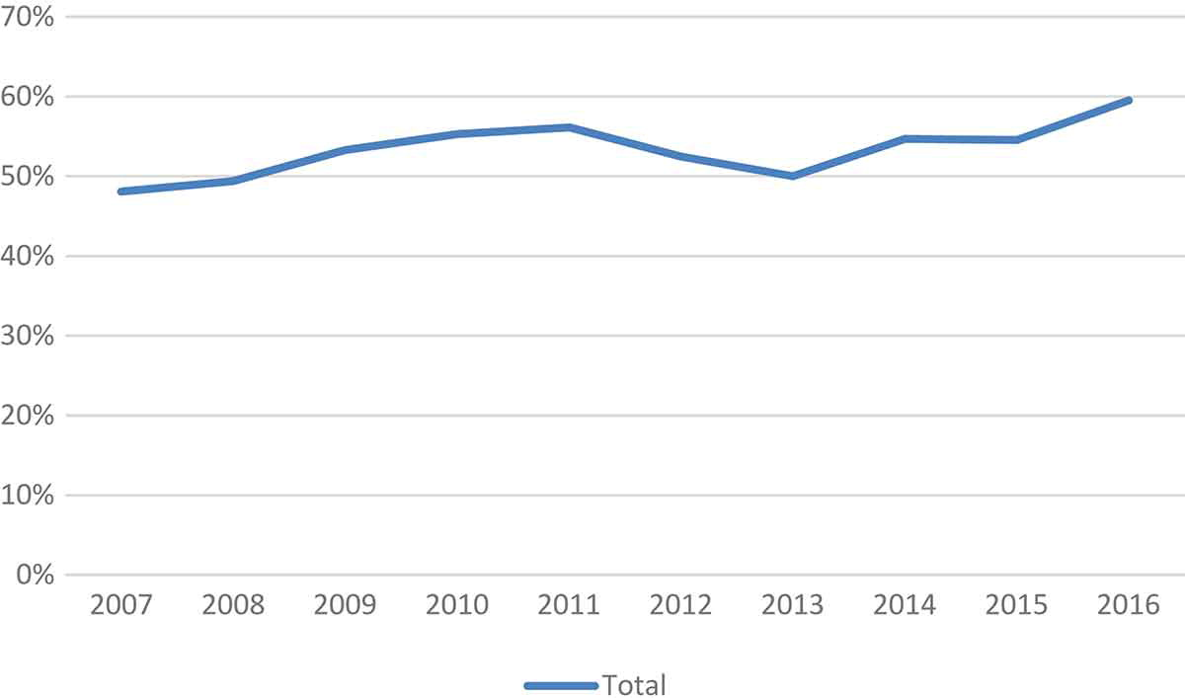 There are marked differences in the degree to which the various journals publish primary sources-based research. With an average of 66.3% over the 10-year period, SNT leads the pack. This appears to reflect, at least in part, its emphasis on publishing work by counterterrorism and counterinsurgency practitioners with field experience. But even if SNT were to be seen as an outlier, a positive trend can still be observed; albeit up from 36.8% in 2007 to 55.1% in 2016 | Researchers
2 | terrorism | how danger is terrorism for our world | Perceptions of deprivation and inequality, especially amongst culturally defined groups. This can lead to civil violence, of which terrorism may be a part. Terrorism represents social control from below, as attacks are directed upon targets symbolising central government or a superior community. A lack of political legitimacy and continuity, as well as a lack of integration for the political fringes, encourages ideological terrorism. The potential is exacerbated by ethnic diversity. Terrorism in one country can spillover into neighbouring areas. Mass media can influence the patterns of terrorism by enhancing agenda setting, increasing lethality and expanding the transnational character. | Researchers

