Competitor.Analysis
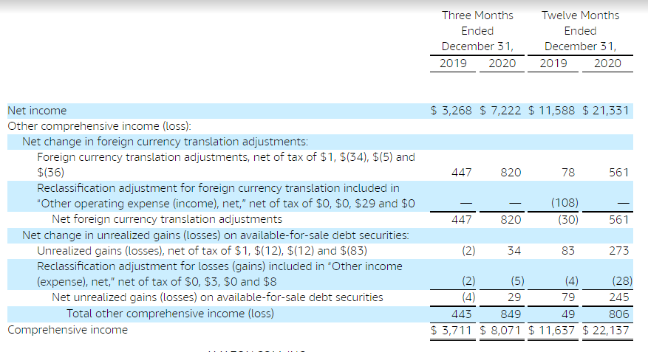
Competitor and Related Websites
Serial No. | Business Domain | Webpage Title | URL | Business Knowledge (bulleted list) | Rough Notes
1 | E-commerce | Amazon | https://www.amazon.com/ | • product ordered. Do online payment or cod. amazon messages to seller about order.amazon delivery partner takes it from source and give to customer.Charges: marketing cut + commission (depands on product)+tax+shipping. •For eg product of 1500 now amazon charges 150 (depands on sub category) + shipping fee 35 (depands on weight) collection fee of 30 and fixed fee of 40 . total markket place fe 255 and tax 38. so approx 255 rupee of that product goes to amazon from 1500 | huge discounts given to be in competition. +promotional margin

<add more>

Competitor Annual Performance Reports
Serial No. | Business Domain | Fiscal Year | URL | Business Knowledge (bulleted list) | Rough Notes
1 | Finance | 2020-2021 | https://www.amazon.com/ | •continued to grow at double digit rates (with a two-year Consumer compounded annual growth rate of 29%).Amazon unveiled plans for the second phase of construction for its headquarters in Arlington, Virginia. Amazon plans to build 2.8 million square feet of office space as part of its commitment to create 25,000 jobs and invest $2.5 billion in the community over the next decade. The project will create more than 2.5 acres of open space for the local community, run on renewable energy, and bring retail and other services to local residents.Amazon had a record-breaking holiday season, delivering more than a billion toys, home, fashion, electronics, beauty, and personal care products to customers worldwide. •Customers can now browse medications, create a secure pharmacy profile, and request or manage prescriptions on Amazon.com.customers to design custom T-shirts to their exact measurements and style preferences. •Net sales are expected to be between $100.0 billion and $106.0 billion, or to grow between 33% and 40% compared with first quarter 2020. This guidance anticipates a favorable impact of approximately 300 basis points from foreign exchange rates. | Alexa and AWS services.Net sales are expected to be between $100.0 billion and $106.0 billion, or to grow between 33% and 40% compared with first quarter 2020. This guidance anticipates a favorable impact of approximately 300 basis points from foreign exchange rates. Operating income is expected to be between $3.0 billion and $6.5 billion, compared with $4.0 billion in first quarter 2020. This guidance assumes approximately $2.0 billion of costs related to COVID-19.

