Exercise - alpha diversity
Shannon's diversity index H': |  |  |  | Pielou's evenness index J':
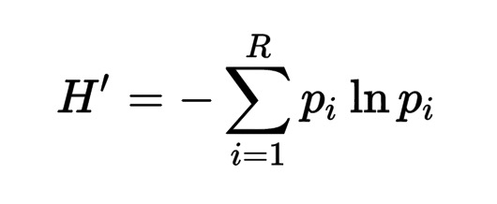
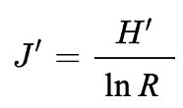

Example data |  |  |  |  | Sample A |  |  | Sample B |  |  | Sample C |  |  | Sample D
OTUs | Sample A | Sample B | Sample C | Sample D | p | ln(p) | p * ln (p) | p | ln(p) | p * ln (p) | p | ln(p) | p * ln (p) | p | ln(p) | p * ln (p)
1 | 20 | 1 | 25 | 0
2 | 20 | 10 | 25 | 0
3 | 20 | 20 | 0 | 0
4 | 20 | 30 | 25 | 0
5 | 20 | 39 | 25 | 100
Sum | 100 | 100 | 100 | 100 |  | sum |  |  | sum |  |  | sum |  |  | sum
 |  |  |  |  |  | H'= |  |  | H'= |  |  | H'= |  |  | H'=
 |  |  |  |  |  | J'= |  |  | J'= |  |  | J'= |  |  | J'=

Exercise - beta diversity
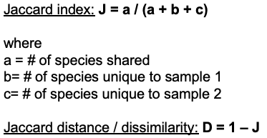
OTUs | Sample A | Sample B | Sample C | Sample D | Sample pairs | D(Jaccard) | Jaccard index / dissimilarity
1 | 1 | 1 | 4 | 2 | A-B
2 | 1 | 1 | 1 | 2 | A-C
3 | 1 | 1 | 1 | 2 | A-D
4 | 0 | 1 | 0 | 0 | B-C
5 | 0 | 1 | 0 | 0 | B-D
 |  |  |  |  | C-D

