CoS
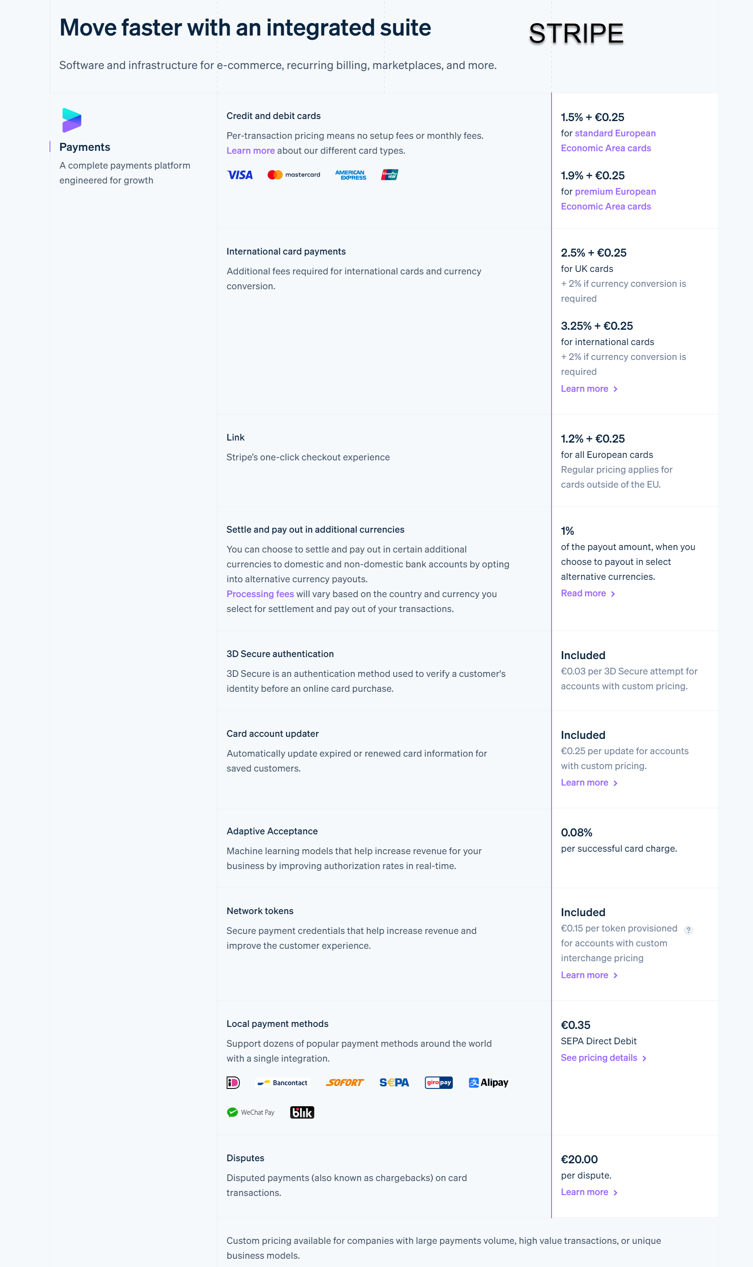
Cursa Platform

Cost of Sales Analysis

 | Jan | Feb | Mar | Apr | May | Jun | Jul | Aug | Sep | Oct | Nov | Dec | Year 1 | Year 2 | Year 3 | Year 4 | Year 5

Cost of Sales

Courier services - documents and parcels | € 0 | € 0 | € 0 | € 0 | € 0 | € 0 | € 0 | € 0 | (€ 2,880) | (€ 3,869) | (€ 4,867) | (€ 6,538) | (€ 18,154) | (€ 103,080) | (€ 138,024) | (€ 184,814) | (€ 247,467)
Corporate logistics services | € 0 | € 0 | € 0 | € 0 | € 0 | € 0 | € 0 | € 0 | (€ 5,040) | (€ 6,770) | (€ 8,518) | (€ 11,442) | (€ 31,770) | (€ 180,390) | (€ 241,542) | (€ 323,425) | (€ 433,066)
Freight services | € 0 | € 0 | € 0 | € 0 | € 0 | € 0 | € 0 | € 0 | (€ 2,880) | (€ 3,571) | (€ 4,147) | (€ 5,143) | (€ 15,741) | (€ 74,839) | (€ 92,501) | (€ 114,331) | (€ 141,313)
Concierge services | € 0 | € 0 | € 0 | € 0 | € 0 | € 0 | € 0 | € 0 | (€ 1,080) | (€ 1,451) | (€ 1,825) | (€ 2,452) | (€ 6,808) | (€ 38,655) | (€ 51,759) | (€ 69,305) | (€ 92,800)

Total Cost of Sales | € 0 | € 0 | € 0 | € 0 | € 0 | € 0 | € 0 | € 0 | (€ 11,880) | (€ 15,661) | (€ 19,357) | (€ 25,575) | (€ 72,473) | (€ 396,964) | (€ 523,826) | (€ 691,876) | (€ 914,646)

Drivers

Cost of Sales

Fee paid to service providers
Courier services - documents and parcels | 80% | 80% | 80% | 80% | 80% | 80% | 80% | 80% | 80% | 80% | 80% | 80% | 80% | 80% | 80% | 80% | 80%
Corporate logistics services | 80% | 80% | 80% | 80% | 80% | 80% | 80% | 80% | 80% | 80% | 80% | 80% | 80% | 80% | 80% | 80% | 80%
Freight services | 80% | 80% | 80% | 80% | 80% | 80% | 80% | 80% | 80% | 80% | 80% | 80% | 80% | 80% | 80% | 80% | 80%
Concierge services | 80% | 80% | 80% | 80% | 80% | 80% | 80% | 80% | 80% | 80% | 80% | 80% | 80% | 80% | 80% | 80% | 80%

Other expenses
2fa https://www.typingdna.com/pricing/auth-api | $0.20 | Per user per month, up to 10 authentications
Google Maps (variable above 1000 requests) | $0.25 | Per request
twilo web/app calling https://www.twilio.com/en-us/voice/pricing/us | $0.0040 | Per minute
twilo 2-way messaging https://www.twilio.com/en-us/messaging/pricing/conversations-api | $0.0500 | Per user per month
Photo Size Reduction https://picwish.com/pricing | $100.00 | 5000 images
Twilo Verify user authentication https://www.twilio.com/en-us/trusted-activation/verify | $0.05
Wire Payment fee https://assets-global.website-files.com/63b43f001c7774d38d5f3a2d/648327ae40565db854879cab_20220530%20-%20Pricing%20Sheet%20EN-EN.pdf | George, see bunq pricing | 4.33 payments per month
Introduction fee | 5% | on gross profit (fee minus service provider fee)
Stripe (Receive Payments) | 2.5% + €0.25
https://surepass.io/video-kyc/ (for withdrawls more than X amount of money)

Break Even
Cursa Platform

Break Even Analysis

 | Year 1 | Year 2 | Year 3 | Year 4 | Year 5 |  | Year 1 | Year 2 | Year 3 | Year 4 | Year 5
 |  |  |  |  |  | Sales (€) | € 90,591 | € 508,787 | € 667,365 | € 877,427 | € 1,155,889
Revenue basis | (€ 11,659) | (€ 14,286) | (€ 31,279) | (€ 32,888) | (€ 34,850) | Gross Profit Margin | 20.00% | 21.98% | 21.51% | 21.15% | 20.87%
 |  |  |  |  |  | Fixed (Admin) Cost (€) | € 11,659 | € 14,286 | € 31,279 | € 32,888 | € 34,850
Break even revenue | € 58,294 | € 64,999 | € 145,426 | € 155,518 | € 166,980 | Break Even Point (€) | € 58,294 | € 64,999 | € 145,426 | € 155,518 | € 166,980
 |  |  |  |  |  | Break Even Point (% on sales) | 64% | 13% | 22% | 18% | 14%
Revenue Split
Courier services - documents and parcels | 25.05% | 25.32% | 25.85% | 26.33% | 26.76%
Corporate logistics services | 43.84% | 44.32% | 45.24% | 46.08% | 46.83%
Freight services | 21.72% | 18.39% | 17.33% | 16.29% | 15.28%
Concierge services | 9.39% | 9.50% | 9.69% | 9.87% | 10.04%

Revenue Breakdown
Courier services - documents and parcels | € 14,602 | € 16,461 | € 37,596 | € 40,946 | € 44,686
Corporate logistics services | € 25,554 | € 28,807 | € 65,793 | € 71,656 | € 78,201
Freight services | € 12,661 | € 11,951 | € 25,196 | € 25,331 | € 25,518
Concierge services | € 5,476 | € 6,173 | € 14,099 | € 15,355 | € 16,757

Sales Volume Required
Courier services - documents and parcels | #REF! | #REF! | #REF! | #REF! | #REF!
Corporate logistics services
Freight services
Concierge services | #REF! | #REF! | #REF! | #REF! | #REF!

 | Year 1 | Year 2 | Year 3 | Year 4 | Year 5
Break Even Revenue | € 58,294 | € 64,999 | € 145,426 | € 155,518 | € 166,980
Projected Revenue | € 90,591 | € 508,787 | € 667,365 | € 877,427 | € 1,155,889
 | 64% | 13% | 22% | 18% | 14%

