bajaj-6
 | https://cms-assets.bajajfinserv.in/is/content/bajajfinance/bajaj-finance-q4-fy25-investor-presentation-v1pdf?scl=1&fmt=pdf
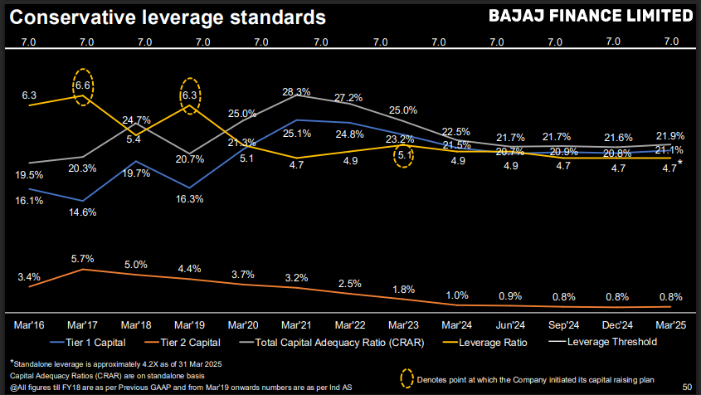

listed | Bajaj Holding and investment limited (BHIL)

listed | Bajaj finserv ltd | 39.0%
listed | Bajaj Auto Ltd | 34.0%
listed | Maharashtra Scooters ltd | 51.0%

 | Bajaj finserv ltd
listed | Bajaj Finance Ltd | 51.4%
 | bajaj allianz life insurance company ltd | 74.0%
 | Bajaj allianz general insurance company ltd | 74.0%
 | Bajaj finserv direct ltd | 80.1%
 | Bajaj finserv health ltd | 100.0%

 | Bajaj Finance Ltd
listed | bajaj housing finance ltd | 88.8%
 | Bajaj financial securities ltd | 100.0%

 | Distribution center

 | Consumer durable stores - Urban | 49,500
mostly in rural sectir | Consumer durable stores - Rural | 62,700
 | Digital product stores | 46,250
 | Lifestyle retail stores | 21,250
 | EMI card - retail spends stores | 30,700
 | Bajaj auto dealers, sub-dealers & ASSC | 550
 | Other 2W dealers, sub-dealers | 8,900
 | New Auto Dealer | 2,300
 | Commercial Vehicle | 100
 | Tractor Finance dealears | 850
 | DSA / Independent financial agent | 9,200
 | Overall active distribution network | 232,200
 | Net addition in the period | 7,500

 | Segment wise AUM
 | 2-3 Wheeler Finance | 17,319
 | Urban sales finance | 29,109
 | Urban B2C loans | 87,696
 | rural sales finance | 7,944
 | rural B2C loans | 21,467
 | gold loans | 8,307
 | SME lending | 50,345
 | Car Loans | 11,876
 | Commercial Lending | 27,760
 | Loan against Securities | 25,377
 | Mortgages | 129,461
 | Total | 416,661

