servo-tec-basic-6
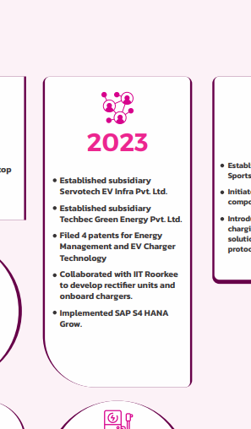
Servo tech |  | B2C EV company
 |  |  |  | Price | 123.7
 | Create value using transformational changes |  |  | No of shares | 216904290
 |  |  |  | Market Cap | 26,831,060,673 | 2683.1060673
 | EV chargers |  | 2024 | Cash | 32.59
 | Solar inverters |  |  | Debt | 59.6471
 | Panels |  | In-house EV chargers | Enterprise value | 2710.1631673
 | Batteries
 |  |  | 2021

 | RED FLAGS

2024 | Sports arm ? entering to sports industry ?why ?
2021 | Launched rebreath ? oxygen concentrators
 | CEO | not smart enough
 | cluttered
 | Share price too high

