Landing
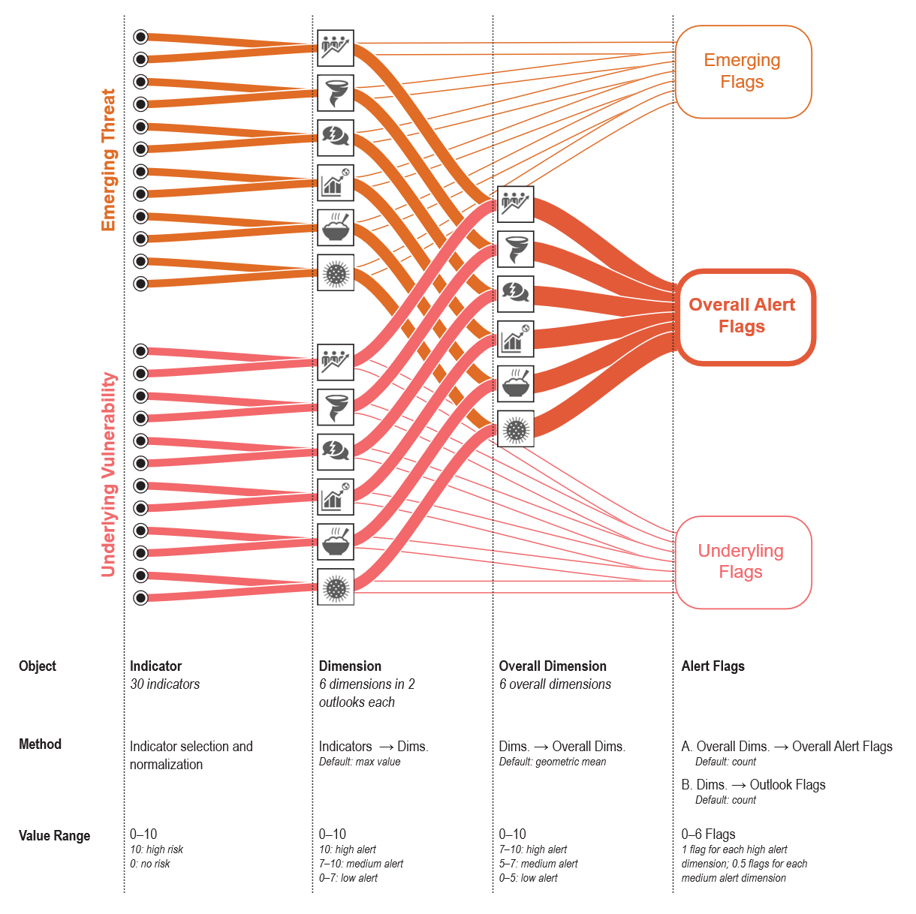
Compound Risk Monitor
The Compound Risk Monitor is an early warning system to track compound risk at the country-level, drawing on a wide range of pre-existing risk databases and indices. It identifies countries experiencing changing risk conditions across multiple dimensions of compound risk and serves as an aggregator of wider WB risk analyses.
This document is an interactive version of the Compound Risk Monitor. The file was last updated on 11 June 2024. The most recent version of the monitor can be found at on the intranet at /compoundrisk
Table of Contents
1. Dashboard
Map, histogram and table of all countries risk flags, using the selected aggregation method and snapshot. Use this sheet to select aggregation method.
2. Data Dictionary
List of all indicators, organized by dimension. Use this sheet to select which indicators to include.
3. Compound Alert
Table of all countries with overall, underlying and emerging flag counts, and dimensional values.
4. Dimension Sheets
Data for each dimension's constitutive indicators, both normalized and unprocessed.
a. Health
b. Food Security
c. Conflic and Fragility
d. Macro Fiscal
e. Natural Hazard
f. Socio-economic vulnerability
5. Data Reliability
Table of data completeness for each dimension in each country. Higher values indicate more constitutive indicators are missing.
6. Parameters
Under the hood methods sheet. Use Dashboard to select aggregation methods.
7. Alternative Dashboard
Alternative dashboard with radar plots and heat maps.
How the CRM is constructed

Dashboard
 | COMPOUND RISK MONITOR: Methodology Options
Troubleshooting: cells not updating
If cells are not updating when you change the methodology options at left (Snapshot, Indicators → Dimensions, etc.), you may need to change your Excel settings to enable automatic calculations.
Windows
1. Click on the File menu in the upper left of Excel
2. Click on More, and then Options
3. Click on Formulas
4. Set Workbook Calculation to Automatic
MacOS
1. Click on Excel in the MacOS menu bar
2. Click on Preferences...
3. Click on Calculation, under Formulas and Lists
4. Set Calculation Options to Automatic
 | Click on the rectangles, and then the appearing arrow, to see and select options. If display does not refresh you may need to enable automatic calculations (scroll to right for instructions).

 | Snapshot |  |  |  |  |  |  |  | Dimensions → Overall Dimensions
 | Overall Alert is a synthesis of underlying vulnerability and emerging threat |  |  |  |  |  |  |  | How to calculate overall alert dimensions from underlying vulnerability and emerging threat dimensions? (Will only effect Overall Alert snapshot)
 | Overall Alert |  |  |  |  | Select one |  |  | AGGREGATE: Geometric Mean |  |  |  |  | Select one

 | Indicators → Dimensions |  |  |  |  |  |  |  | Count medium values as half flags
 | How to calculate underlying and emerging dimensions from indicators |  |  |  |  |  |  |  | For overall alert, high values are >7 and medium values are >5. For underlying and emerging, high is 10, and medium is >7.
 | Max value (default) Select the maximum value across the suite of grouped indicators. |  |  |  |  | Select one |  |  | Yes (default) |  |  |  |  | Select one

 | — OVERALL ALERT —
Distribution of Flag Counts
 | Number of Countries
0 | 151
1 | 40
2 | 16
3 | 7
4 | 3
5 | 1
6 | 0

Blank1 | Country Name | Country Code | Region | Lending Group | Blank2 | Overall Alert Flags |  | Blank3 | Health | Food Security | Macro Fiscal | Socioecon. Vulnerability | Natural Hazards | Conflict Fragility
Blank1 | Country Name | Country Code | Region | Lending Group | Blank2 | Flags | B1 | Blank3 | Health | Food Security | Macro Fiscal | Socioecon Vulnerability | Natural Hazards | Conflict Fragility | Blank4
1 | Chad | TCD | SSF Sub-Saharan Africa | IDA | 189 | 4 | 3.5 | 3 | HIGH | HIGH | MED | LOW | HIGH | LOW
2 | Somalia | SOM | SSF Sub-Saharan Africa | IDA | 176 | 3 | 2.5 | 2 | LOW | HIGH | MED | LOW | HIGH | LOW
3 | Sudan | SDN | SSF Sub-Saharan Africa | IDA | 169 | 2 | 1.5 | 1 | LOW | HIGH | MED | LOW | LOW | LOW
4 | Myanmar | MMR | EAS East Asia & Pacific | IDA | 131 | 3 | 2.5 | 2 | LOW | LOW | MED | HIGH | HIGH | LOW
5 | Nigeria | NGA | SSF Sub-Saharan Africa | Blend | 143 | 2 | 2.0 | 2 | LOW | HIGH | LOW | LOW | LOW | HIGH
6 | Mali | MLI | SSF Sub-Saharan Africa | IDA | 129 | 3 | 3.0 | 3 | LOW | HIGH | LOW | LOW | HIGH | HIGH
7 | Niger | NER | SSF Sub-Saharan Africa | IDA | 142 | 3 | 2.5 | 2 | LOW | HIGH | LOW | LOW | MED | HIGH
8 | Pakistan | PAK | SAS South Asia | Blend | 151 | 4 | 4.0 | 4 | LOW | HIGH | LOW | HIGH | HIGH | HIGH
9 | Syrian Arab Republic | SYR | MEA Middle East & North Africa | IDA | 187 | 3 | 3.0 | 3 | LOW | HIGH | LOW | HIGH | HIGH | LOW
10 | Angola | AGO | SSF Sub-Saharan Africa | IBRD | 3 | 2 | 2.0 | 2 | LOW | LOW | MED | HIGH | MED | LOW
11 | Haiti | HTI | LCN Latin America & Caribbean | IDA | 86 | 4 | 3.5 | 3 | LOW | HIGH | MED | HIGH | HIGH | LOW
12 | Burkina Faso | BFA | SSF Sub-Saharan Africa | IDA | 17 | 3 | 2.5 | 2 | LOW | HIGH | LOW | LOW | MED | HIGH
13 | Malawi | MWI | SSF Sub-Saharan Africa | IDA | 138 | 3 | 3.0 | 3 | HIGH | MED | MED | MED | MED | LOW
14 | Burundi | BDI | SSF Sub-Saharan Africa | IDA | 14 | 3 | 2.5 | 2 | LOW | HIGH | MED | LOW | MED | MED
15 | Ethiopia | ETH | SSF Sub-Saharan Africa | IDA | 62 | 2 | 2.0 | 2 | LOW | HIGH | LOW | LOW | MED | MED
16 | Yemen, Rep. | YEM | MEA Middle East & North Africa | IDA | 0 | 5 | 5.0 | 5 | LOW | HIGH | HIGH | HIGH | HIGH | HIGH
17 | Congo, Dem. Rep. | COD | SSF Sub-Saharan Africa | IDA | 40 | 4 | 3.5 | 3 | HIGH | HIGH | MED | LOW | HIGH | LOW
18 | South Sudan | SSD | SSF Sub-Saharan Africa | IDA | 178 | 2 | 2.0 | 2 | LOW | HIGH | #N/A | LOW | MED | MED
19 | Uganda | UGA | SSF Sub-Saharan Africa | IDA | 0 | 2 | 1.5 | 1 | LOW | MED | LOW | LOW | LOW | HIGH
20 | Afghanistan | AFG | SAS South Asia | IDA | 2 | 4 | 4.0 | 4 | LOW | HIGH | HIGH | LOW | HIGH | HIGH
21 | Congo, Rep. | COG | SSF Sub-Saharan Africa | Blend | 41 | 0 | 0.0 | 0 | LOW | LOW | LOW | LOW | LOW | LOW
22 | Zimbabwe | ZWE | SSF Sub-Saharan Africa | Blend | 0 | 5 | 4.5 | 4 | HIGH | HIGH | HIGH | LOW | MED | HIGH
23 | West Bank and Gaza | PSE | MEA Middle East & North Africa | NA | 162 | 1 | 1.0 | 1 | LOW | MED | MED | LOW | LOW | LOW
24 | Bangladesh | BGD | SAS South Asia | IDA | 18 | 2 | 2.0 | 2 | HIGH | LOW | LOW | LOW | HIGH | LOW
25 | Kenya | KEN | SSF Sub-Saharan Africa | Blend | 101 | 3 | 2.5 | 2 | LOW | HIGH | MED | LOW | HIGH | LOW
26 | Cameroon | CMR | SSF Sub-Saharan Africa | Blend | 39 | 1 | 1.0 | 1 | LOW | HIGH | LOW | LOW | LOW | LOW
27 | Guatemala | GTM | LCN Latin America & Caribbean | IBRD | 80 | 1 | 1.0 | 1 | LOW | MED | LOW | LOW | LOW | MED
28 | Lebanon | LBN | MEA Middle East & North Africa | IBRD | 109 | 2 | 1.5 | 1 | LOW | LOW | HIGH | LOW | LOW | MED
29 | Mozambique | MOZ | SSF Sub-Saharan Africa | IDA | 135 | 1 | 1.0 | 1 | LOW | HIGH | LOW | LOW | LOW | LOW
30 | Egypt, Arab Rep. | EGY | MEA Middle East & North Africa | IBRD | 58 | 1 | 0.5 | 0 | LOW | LOW | LOW | LOW | LOW | MED
31 | Bolivia | BOL | LCN Latin America & Caribbean | IBRD | 26 | 0 | 0.0 | 0 | LOW | LOW | LOW | LOW | LOW | LOW
32 | Korea, Dem. People's Rep. | PRK | EAS East Asia & Pacific | NA | 159 | 1 | 0.5 | 0 | LOW | LOW | MED | LOW | LOW | LOW
33 | Venezuela, RB | VEN | LCN Latin America & Caribbean | IBRD | 0 | 2 | 1.5 | 1 | LOW | LOW | HIGH | LOW | LOW | MED
34 | Papua New Guinea | PNG | EAS East Asia & Pacific | Blend | 156 | 2 | 1.5 | 1 | LOW | LOW | MED | LOW | HIGH | LOW
35 | Djibouti | DJI | MEA Middle East & North Africa | IDA | 52 | 2 | 2.0 | 2 | LOW | MED | MED | LOW | HIGH | LOW
36 | Cuba | CUB | LCN Latin America & Caribbean | NA | 46 | 2 | 1.5 | 1 | LOW | LOW | MED | LOW | HIGH | LOW
37 | Gabon | GAB | SSF Sub-Saharan Africa | IBRD | 68 | 0 | 0.0 | 0 | LOW | LOW | LOW | LOW | LOW | LOW
38 | Vietnam | VNM | EAS East Asia & Pacific | IBRD | 0 | 0 | 0.0 | 0 | LOW | LOW | LOW | LOW | LOW | LOW
39 | Guinea | GIN | SSF Sub-Saharan Africa | IDA | 73 | 1 | 0.5 | 0 | LOW | MED | LOW | LOW | LOW | LOW
40 | Central African Republic | CAF | SSF Sub-Saharan Africa | IDA | 32 | 2 | 2.0 | 2 | LOW | HIGH | LOW | MED | MED | LOW
41 | Gambia, The | GMB | SSF Sub-Saharan Africa | IDA | 74 | 1 | 1.0 | 1 | LOW | MED | MED | LOW | LOW | LOW
42 | Ghana | GHA | SSF Sub-Saharan Africa | IDA | 71 | 0 | 0.0 | 0 | LOW | LOW | LOW | LOW | LOW | LOW
43 | Morocco | MAR | MEA Middle East & North Africa | IBRD | 121 | 1 | 1.0 | 1 | LOW | LOW | LOW | LOW | HIGH | LOW
44 | Paraguay | PRY | LCN Latin America & Caribbean | IBRD | 161 | 0 | 0.0 | 0 | LOW | LOW | LOW | LOW | LOW | LOW
45 | Türkiye | TUR | ECS Europe & Central Asia | IBRD | 0 | 1 | 0.5 | 0 | LOW | LOW | LOW | LOW | LOW | MED
46 | Tunisia | TUN | MEA Middle East & North Africa | IBRD | 0 | 1 | 0.5 | 0 | LOW | LOW | MED | LOW | LOW | LOW
47 | Sri Lanka | LKA | SAS South Asia | IBRD | 114 | 2 | 2.0 | 2 | LOW | LOW | MED | LOW | MED | HIGH
48 | Nicaragua | NIC | LCN Latin America & Caribbean | IDA | 144 | 1 | 0.5 | 0 | LOW | MED | LOW | LOW | LOW | LOW
49 | Indonesia | IDN | EAS East Asia & Pacific | IBRD | 88 | 2 | 1.5 | 1 | LOW | LOW | MED | LOW | HIGH | LOW
50 | Timor-Leste | TLS | EAS East Asia & Pacific | Blend | 0 | 1 | 0.5 | 0 | LOW | LOW | LOW | LOW | MED | LOW
51 | Ukraine | UKR | ECS Europe & Central Asia | IBRD | 0 | 1 | 0.5 | 0 | LOW | LOW | LOW | LOW | LOW | MED
52 | Suriname | SUR | LCN Latin America & Caribbean | IBRD | 180 | 1 | 0.5 | 0 | LOW | LOW | MED | LOW | LOW | LOW
53 | Côte d’Ivoire | CIV | SSF Sub-Saharan Africa | IDA | 38 | 0 | 0.0 | 0 | LOW | LOW | LOW | LOW | LOW | LOW
54 | Senegal | SEN | SSF Sub-Saharan Africa | IDA | 170 | 0 | 0.0 | 0 | LOW | LOW | LOW | LOW | LOW | LOW
55 | Algeria | DZA | MEA Middle East & North Africa | IBRD | 56 | 0 | 0.0 | 0 | LOW | LOW | LOW | LOW | LOW | LOW
56 | India | IND | SAS South Asia | IBRD | 90 | 0 | 0.0 | 0 | LOW | LOW | LOW | LOW | LOW | LOW
57 | China | CHN | EAS East Asia & Pacific | IBRD | 37 | 1 | 1.0 | 1 | LOW | LOW | LOW | LOW | HIGH | LOW
58 | Iran, Islamic Rep. | IRN | MEA Middle East & North Africa | IBRD | 92 | 2 | 1.5 | 1 | LOW | LOW | HIGH | LOW | LOW | MED
59 | Tajikistan | TJK | ECS Europe & Central Asia | IDA | 0 | 1 | 1.0 | 1 | LOW | LOW | HIGH | LOW | LOW | LOW
60 | Uzbekistan | UZB | ECS Europe & Central Asia | Blend | 0 | 0 | 0.0 | 0 | LOW | LOW | LOW | LOW | LOW | LOW
61 | Madagascar | MDG | SSF Sub-Saharan Africa | IDA | 124 | 3 | 3.0 | 3 | LOW | HIGH | LOW | LOW | HIGH | HIGH
62 | Kyrgyz Republic | KGZ | ECS Europe & Central Asia | IDA | 102 | 1 | 0.5 | 0 | LOW | LOW | MED | LOW | LOW | LOW
63 | Philippines | PHL | EAS East Asia & Pacific | IBRD | 154 | 1 | 1.0 | 1 | LOW | LOW | LOW | LOW | HIGH | LOW
64 | Liberia | LBR | SSF Sub-Saharan Africa | IDA | 110 | 1 | 0.5 | 0 | LOW | MED | LOW | LOW | LOW | LOW
65 | Libya | LBY | MEA Middle East & North Africa | IBRD | 111 | 2 | 1.5 | 1 | LOW | LOW | HIGH | LOW | LOW | MED
66 | Lao PDR | LAO | EAS East Asia & Pacific | IDA | 108 | 2 | 1.5 | 1 | LOW | MED | MED | LOW | MED | LOW
67 | Argentina | ARG | LCN Latin America & Caribbean | IBRD | 7 | 1 | 0.5 | 0 | LOW | LOW | MED | LOW | LOW | LOW
68 | Brazil | BRA | LCN Latin America & Caribbean | IBRD | 27 | 0 | 0.0 | 0 | LOW | LOW | LOW | LOW | LOW | LOW
69 | Cambodia | KHM | EAS East Asia & Pacific | IDA | 103 | 1 | 1.0 | 1 | LOW | LOW | MED | LOW | LOW | MED
70 | Chile | CHL | LCN Latin America & Caribbean | IBRD | 36 | 2 | 1.5 | 1 | LOW | LOW | MED | LOW | HIGH | LOW
71 | Colombia | COL | LCN Latin America & Caribbean | IBRD | 42 | 2 | 1.5 | 1 | LOW | LOW | MED | LOW | HIGH | LOW
72 | El Salvador | SLV | LCN Latin America & Caribbean | IBRD | 174 | 0 | 0.0 | 0 | LOW | LOW | LOW | LOW | LOW | LOW
73 | Eritrea | ERI | SSF Sub-Saharan Africa | IDA | 59 | 0 | 0.0 | 0 | LOW | LOW | LOW | LOW | LOW | LOW
74 | Guinea-Bissau | GNB | SSF Sub-Saharan Africa | IDA | 75 | 2 | 1.5 | 1 | LOW | MED | #N/A | LOW | LOW | HIGH
75 | Guyana | GUY | LCN Latin America & Caribbean | IDA | 82 | 0 | 0.0 | 0 | LOW | LOW | LOW | LOW | LOW | LOW
76 | Namibia | NAM | SSF Sub-Saharan Africa | IBRD | 140 | 1 | 1.0 | 1 | LOW | LOW | LOW | LOW | HIGH | LOW
77 | Peru | PER | LCN Latin America & Caribbean | IBRD | 153 | 0 | 0.0 | 0 | LOW | LOW | LOW | LOW | LOW | LOW
78 | Sierra Leone | SLE | SSF Sub-Saharan Africa | IDA | 173 | 0 | 0.0 | 0 | LOW | LOW | LOW | LOW | LOW | LOW
79 | Spain | ESP | ECS Europe & Central Asia | NA | 60 | 1 | 0.5 | 0 | LOW | LOW | MED | LOW | LOW | LOW
80 | Aruba | ABW | LCN Latin America & Caribbean | NA | 1 | 1 | 0.5 | 0 | LOW | #N/A | MED | LOW | LOW | LOW
81 | British Virgin Islands | VGB | LCN Latin America & Caribbean | NA | 0 | 0 | 0.0 | 0 | LOW | #N/A | #N/A | LOW | LOW | LOW
82 | Greece | GRC | ECS Europe & Central Asia | NA | 77 | 0 | 0.0 | 0 | LOW | LOW | LOW | LOW | LOW | LOW
83 | Guam | GUM | EAS East Asia & Pacific | NA | 81 | 1 | 1.0 | 1 | LOW | #N/A | #N/A | LOW | HIGH | LOW
84 | Italy | ITA | ECS Europe & Central Asia | NA | 96 | 0 | 0.0 | 0 | LOW | LOW | LOW | LOW | LOW | LOW
85 | Puerto Rico | PRI | LCN Latin America & Caribbean | NA | 158 | 1 | 0.5 | 0 | LOW | LOW | MED | LOW | LOW | LOW
86 | St. Martin (French part) | MAF | LCN Latin America & Caribbean | NA | 120 | 0 | 0.0 | 0 | LOW | #N/A | #N/A | LOW | LOW | LOW
87 | Virgin Islands (U.S.) | VIR | LCN Latin America & Caribbean | NA | 0 | 0 | 0.0 | 0 | LOW | #N/A | #N/A | LOW | LOW | LOW
...

