paired t-test
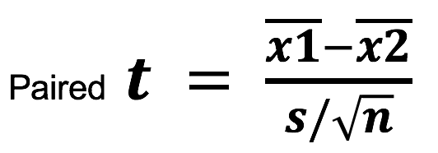
IDs | CondA | CondB | 1. difference | Paired T-test example (within subjects)
1 | 312 | 300 | 12 | (In green the initial data, in blue the computation)
2 | 242 | 201 | 41
3 | 340 | 232 | 108
4 | 388 | 312 | 76 | 1. add new colum to compute the differences between conditions for each participants
5 | 296 | 220 | 76 | 2. compute the mean of the differences (use excel formula =AVERAGE(new column)) | 56.111111111
6 | 254 | 256 | -2 | 3. compute the standard deviation of the differences (use formula =STDEV(new column)) | 34.173982956
7 | 391 | 328 | 63 | 4. compute de standard error of the mean difference (difive 3. by SQRT(n)) | 11.391327652
8 | 402 | 330 | 72 | 5. compute t_value, i.e. step 2. divided by step. 4 | 4.925774486
9 | 290 | 231 | 59 | 6. compute p_value (using T.DIST(t_value, DF, tails) | 0.00057778652568

unpaired t-test
condA | condB | (xa-meanxa)2 | (xb-meanxb)2 | Paired T-test example (between subjects)
134 | 70 | 196 | 961 | (In green the initial data, in blue the computation)
146 | 118 | 676 | 289
104 | 101 | 256 | 0 | 1. compute the mean of condition A (=AVERAGE) | 120
119 | 85 | 1 | 256 | 2. compute the mean of condition B (=AVERAGE) | 101
124 | 107 | 16 | 36 | 3. compute the nominator of the tvalue (1. minus 2.) | 19
161 | 132 | 1681 | 961 | Now the denominator
107 | 94 | 169 | 49 | 4. compute the sample size in condition A (=COUNT) | 12
83 |  | 1369 |  | 5. compute the sample size in conditon B (=COUNT) | 7
113 |  | 49 |  | 6. add columns to compute square difference of each x in condition A minus mean condition A
129 |  | 81 |  | 7. add columns to compute square difference of each x in condition B minus mean condition B
97 |  | 529 |  | 8. compute the sum of 5. (=SUM) | 5032
123 |  | 9 |  | 9. compute the sum of 6. (=SUM) | 2552
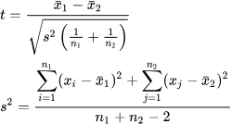
 |  |  |  | 10. compute the variance (square of standard variation of the difference) = 8. +9. divided by (4. + 5. - 2) | 446.11764706
 |  |  |  | 11. compute the denominator of the tvalue (SQRT( 10. * (1/n1 + 1/n2)) | 10.045275657
 |  |  |  | 12. compute the tvalue (nominator/denominator) | 1.8914363974
 |  |  |  | 12. Compute the p_value | 0.037384937819

