AS
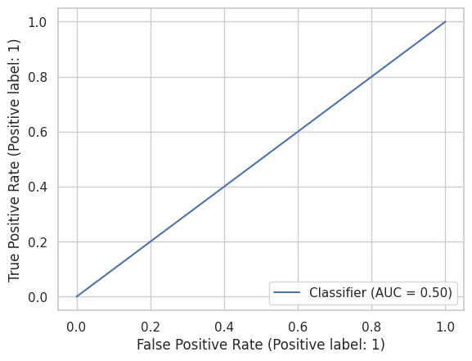
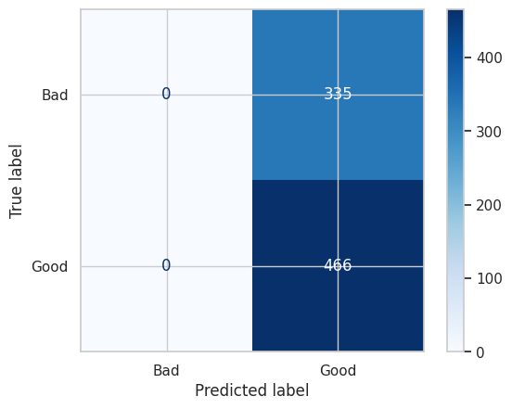
APRENDIZAJE SUPERVISADO

MATRIZ DE CONFUSIÓN (TODAS LAS VARIABLES) |  |  |  |  |  |  |  | MATRIZ DE CONFUSIÓN (SOLO CON LAS 4 VARIABLES SELECCIONADAS)

Accuracy: | 0.58177278402 | ROC AUC |  | PRECISION | RECALL | F1-SCORE | SUPPORT | Accuracy: | 0.58177278402 | ROC AUC |  | PRECISION | RECALL | F1-SCORE | SUPPORT
Precision: | 0.58177278402 | 0.5 | BAD | 0 | 0 | 0 | 335 | Precision: | 0.58177278402 | 0.5 | BAD | 0 | 0 | 0 | 335
Recall: | 1 |  | GOOD | 0.58 | 1 | 0.74 | 466 | Recall: | 1 |  | GOOD | 0.58 | 1 | 0.74 | 466
F1 Score: | 0.73559589582 |  |  |  |  |  |  | F1 Score: | 0.73559589582
 |  |  | ACCURACY |  |  | 0.58 | 801 |  |  |  | ACCURACY |  |  | 0.58 | 801
 |  |  | MACRO AVG | 0.29 | 0.5 | 0.37 | 801 |  |  |  | MACRO AVG | 0.29 | 0.5 | 0.37 | 801
 |  |  | WEIGHTED | 0.34 | 0.58 | 0.43 | 801 |  |  |  | WEIGHTED | 0.34 | 0.58 | 0.43 | 801

NB
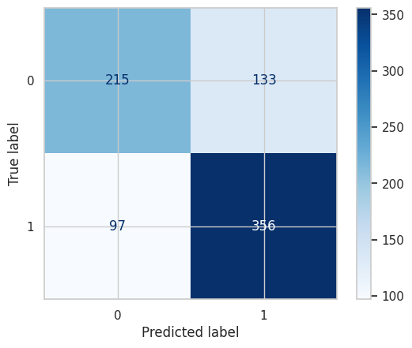
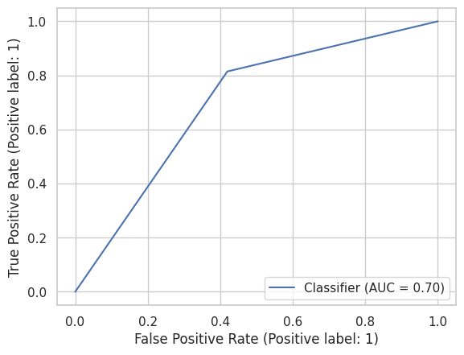
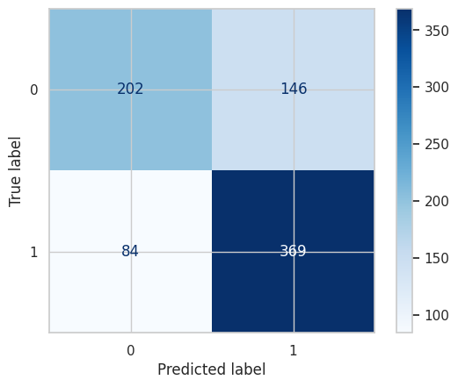
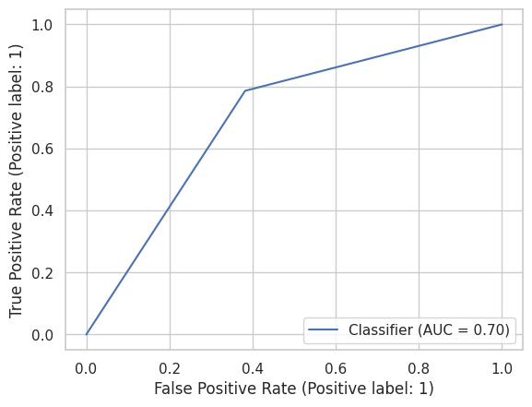
NAIVE BAYES

MATRIZ DE CONFUSIÓN (TODAS LAS VARIABLES) |  |  |  |  |  |  |  | MATRIZ DE CONFUSIÓN (SOLO CON LAS 4 VARIABLES SELECCIONADAS)

Accuracy: | 0.71285892634 | ROC AUC |  | PRECISION | RECALL | F1-SCORE | SUPPORT | Accuracy: | 0.71285892634 | ROC AUC |  | PRECISION | RECALL | F1-SCORE | SUPPORT
Precision: | 0.72801635992 | 0.70184402832 | BAD | 0.69 | 0.62 | 0.65 | 348 | Precision: | 0.71650485437 | 0.69751465327 | BAD | 0.71 | 0.58 | 0.64 | 348
Recall: | 0.78587196468 |  | GOOD | 0.73 | 0.79 | 0.76 | 453 | Recall: | 0.81456953642 |  | GOOD | 0.72 | 0.81 | 0.76 | 453
F1 Score: | 0.75583864119 |  |  |  |  |  |  | F1 Score: | 0.76239669421
 |  |  | ACCURACY |  |  | 0.71 | 801 |  |  |  | ACCURACY |  |  | 0.71 | 801
 |  |  | MACRO AVG | 0.71 | 0.7 | 0.7 | 801 |  |  |  | MACRO AVG | 0.71 | 0.7 | 0.7 | 801
 |  |  | WEIGHTED | 0.71 | 0.71 | 0.71 | 801 |  |  |  | WEIGHTED | 0.71 | 0.71 | 0.71 | 801

KNN
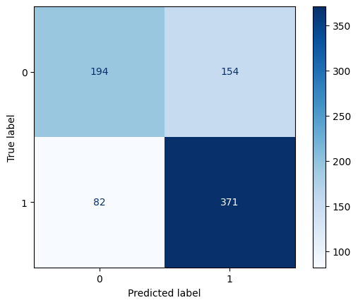
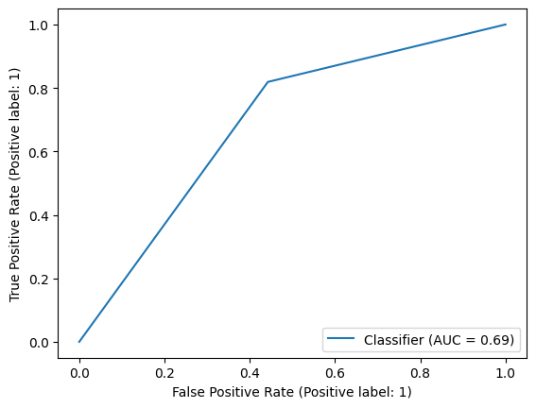
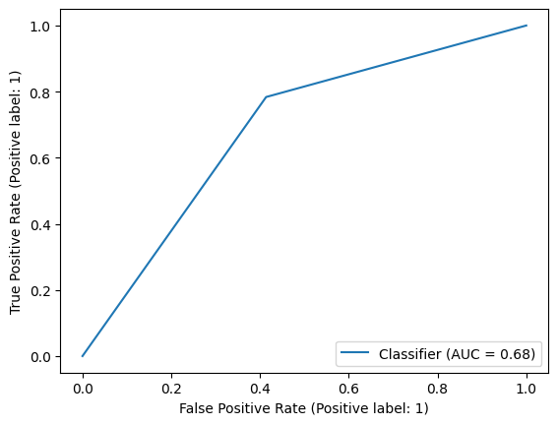
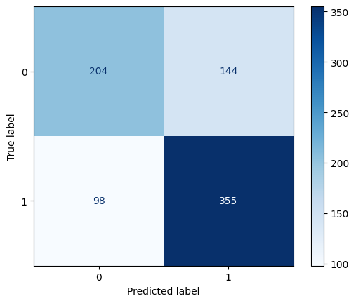
KNN

MATRIZ DE CONFUSIÓN (TODAS LAS VARIABLES) |  |  |  |  |  |  |  | MATRIZ DE CONFUSIÓN (SOLO CON LAS 4 VARIABLES SELECCIONADAS)

Accuracy: | 0.70536828964 | ROC AUC |  | PRECISION | RECALL | F1-SCORE | SUPPORT | Accuracy: | 0.69787765293 | ROC AUC |  | PRECISION | RECALL | F1-SCORE | SUPPORT
Precision: | 0.066666666667 | 0.68822790591 | BAD | 0.7 | 0.56 | 0.62 | 348 | Precision: | 0.71142284569 | 0.68493567786 | BAD | 0.68 | 0.59 | 0.63 | 348
Recall: | 0.81898454746 |  | GOOD | 0.71 | 0.82 | 0.76 | 453 | Recall: | 0.78366445916 |  | GOOD | 0.71 | 0.78 | 0.75 | 453
F1 Score: | 0.75869120654 |  |  |  |  |  |  | F1 Score: | 0.74579831933
 |  |  | ACCURACY |  |  | 0.71 | 801 |  |  |  | ACCURACY |  |  | 0.7 | 801
 |  |  | MACRO AVG | 0.7 | 0.69 | 0.69 | 801 |  |  |  | MACRO AVG | 0.69 | 0.68 | 0.69 | 801
 |  |  | WEIGHTED | 0.71 | 0.71 | 0.7 | 801 |  |  |  | WEIGHTED | 0.7 | 0.7 | 0.69 | 801

AD
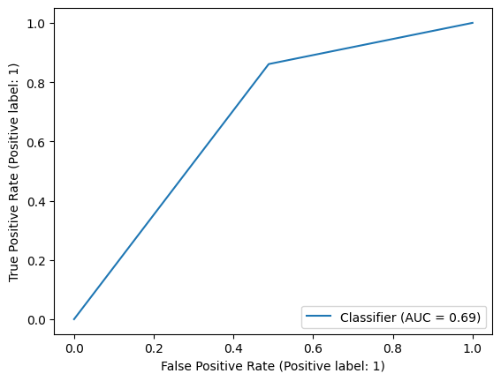
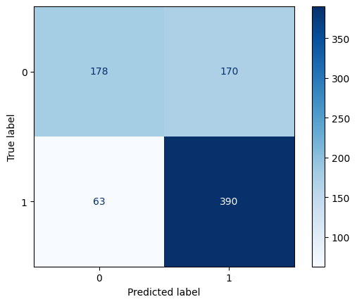
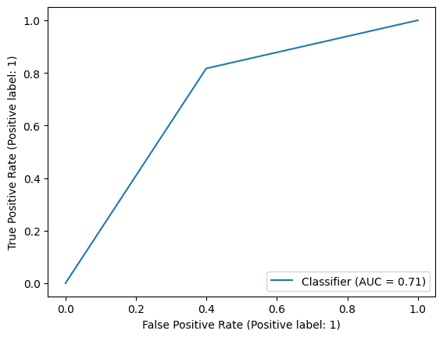
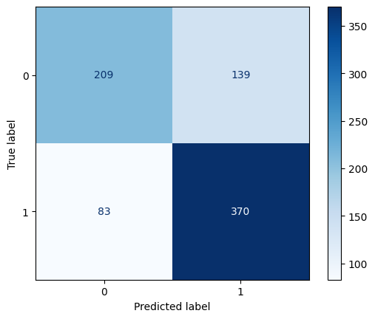
ÁRBOL DE DECISIÓN

MATRIZ DE CONFUSIÓN (TODAS LAS VARIABLES) |  |  |  |  |  |  |  | MATRIZ DE CONFUSIÓN (SOLO CON LAS 4 VARIABLES SELECCIONADAS)

Accuracy: | 0.70911360799 | ROC AUC |  | PRECISION | RECALL | F1-SCORE | SUPPORT | Accuracy: | 0.72284644195 | ROC AUC |  | PRECISION | RECALL | F1-SCORE | SUPPORT
Precision: | 0.69642857143 | 0.6862107026 | BAD | 0.74 | 0.51 | 0.6 | 348 | Precision: | 0.72691552063 | 0.70867587729 | BAD | 0.72 | 0.6 | 0.65 | 348
Recall: | 0.86092715232 |  | GOOD | 0.7 | 0.86 | 0.77 | 453 | Recall: | 0.81677704194 |  | GOOD | 0.73 | 0.82 | 0.77 | 453
F1 Score: | 0.76999012833 |  |  |  |  |  |  | F1 Score: | 0.76923076923
 |  |  | ACCURACY |  |  | 0.71 | 801 |  |  |  | ACCURACY |  |  | 0.72 | 801
 |  |  | MACRO AVG | 0.72 | 0.69 | 0.69 | 801 |  |  |  | MACRO AVG | 0.72 | 0.71 | 0.71 | 801
 |  |  | WEIGHTED | 0.71 | 0.71 | 0.7 | 801 |  |  |  | WEIGHTED | 0.72 | 0.72 | 0.72 | 801

RF
RANDOM FOREST

MATRIZ DE CONFUSIÓN (TODAS LAS VARIABLES) |  |  |  |  |  |  |  | MATRIZ DE CONFUSIÓN (SOLO CON LAS 4 VARIABLES SELECCIONADAS)

 | Random Forest |  |  |  |  |  |  |  | Random Forest

 |  | ROC AUC |  | PRECISION | RECALL | F1-SCORE | SUPPORT |  |  | ROC AUC |  | PRECISION | RECALL | F1-SCORE | SUPPORT
 |  | 0.796 | BAD | 0.72 | 0.65 | 0.68 | 348 |  |  | 0.7165 | BAD | 0.62 | 0.57 | 0.59 | 348
 |  |  | GOOD | 0.75 | 0.8 | 0.77 | 453 |  |  |  | GOOD | 0.69 | 0.73 | 0.71 | 453
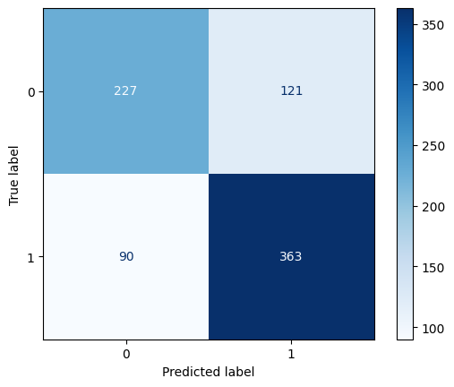
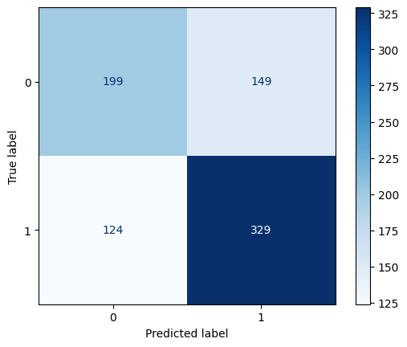
 |  |  | ACCURACY |  |  | 0.74 | 801 |  |  |  | ACCURACY |  |  | 0.66 | 801
 |  |  | MACRO AVG | 0.73 | 0.73 | 0.73 | 801 |  |  |  | MACRO AVG | 0.65 | 0.65 | 0.65 | 801
 |  |  | WEIGHTED | 0.74 | 0.74 | 0.73 | 801 |  |  |  | WEIGHTED | 0.66 | 0.66 | 0.66 | 801

 |  |  | Accuracy: | 0.73657927591 |  |  |  |  |  |  | Accuracy: | 0.65917602996
 |  |  | Precision: | 0.75 |  |  |  |  |  |  | Precision: | 0.68828451883
 |  |  | Recall: | 0.80132450331 |  |  |  |  |  |  | Recall: | 0.72626931567
 |  |  | F1 Score: | 0.77481323372 |  |  |  |  |  |  | F1 Score: | 0.70676691729

 | Boosting |  |  |  |  |  |  |  | Boosting

 |  | ROC AUC |  | PRECISION | RECALL | F1-SCORE | SUPPORT |  |  | ROC AUC |  | PRECISION | RECALL | F1-SCORE | SUPPORT
 |  | 0.8076 | BAD | 0.72 | 0.65 | 0.68 | 348 |  |  | 0.745 | BAD | 0.67 | 0.58 | 0.62 | 348
 |  |  | GOOD | 0.75 | 0.81 | 0.78 | 453 |  |  |  | GOOD | 0.71 | 0.78 | 0.74 | 453
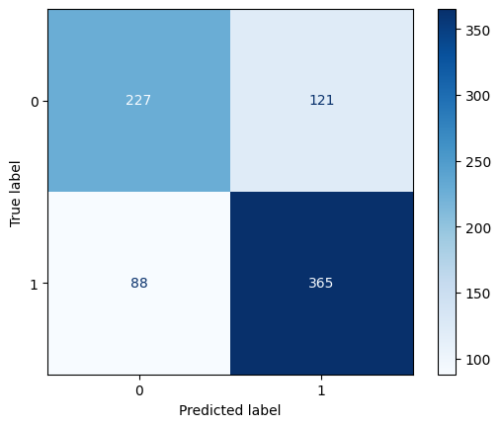
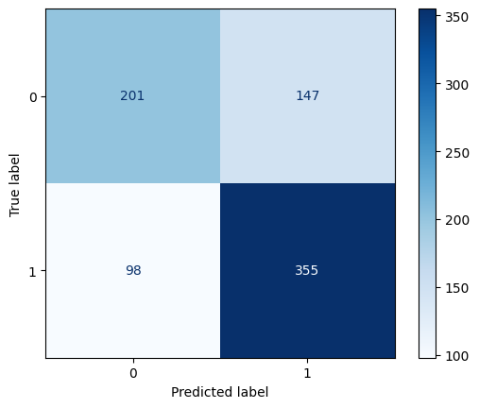
 |  |  | ACCURACY |  |  | 0.74 | 801 |  |  |  | ACCURACY |  |  | 0.69 | 801
 |  |  | MACRO AVG | 0.74 | 0.73 | 0.73 | 801 |  |  |  | MACRO AVG | 0.69 | 0.68 | 0.68 | 801
 |  |  | WEIGHTED | 0.74 | 0.74 | 0.74 | 801 |  |  |  | WEIGHTED | 0.69 | 0.69 | 0.69 | 801

 |  |  | Accuracy: | 0.73907615481 |  |  |  |  |  |  | Accuracy: | 0.69413233458
 |  |  | Precision: | 0.75102880658 |  |  |  |  |  |  | Precision: | 0.70717131474
 |  |  | Recall: | 0.80573951435 |  |  |  |  |  |  | Recall: | 0.78366445916
 |  |  | F1 Score: | 0.7774227902 |  |  |  |  |  |  | F1 Score: | 0.74345549738

H
HYPERPARÁMETROS

MATRIZ DE CONFUSIÓN (TODAS LAS VARIABLES) |  |  |  |  |  |  | MATRIZ DE CONFUSIÓN (SOLO CON LAS 4 VARIABLES SELECCIONADAS)

 | GRIDSEARCH |  |  |  |  |  |  | GRIDSEARCH



 |  |  | PRECISION | RECALL | F1-SCORE | SUPPORT |  |  |  | PRECISION | RECALL | F1-SCORE | SUPPORT
 |  | BAD | 0.72 | 0.64 | 0.68 | 348 |  |  | BAD | 0.73 | 0.54 | 0.62 | 348
 |  | GOOD | 0.74 | 0.81 | 0.77 | 453 |  |  | GOOD | 0.7 | 0.84 | 0.77 | 453

 |  | ACCURACY |  |  | 0.73 | 801 |  |  | ACCURACY |  |  | 0.71 | 801
 |  | MACRO AVG | 0.73 | 0.72 | 0.73 | 801 |  |  | MACRO AVG | 0.72 | 0.69 | 0.69 | 801
 |  | WEIGHTED | 0.73 | 0.73 | 0.73 | 801 |  |  | WEIGHTED | 0.71 | 0.71 | 0.7 | 801

 |  | ROC AUC |  | Accuracy: | 0.734082397 |  |  |  | ROC AUC |  | Accuracy: | 0.71161048689
 |  | 0.8001 |  | Precision: | 0.74390243902 |  |  |  | 0.7497 |  | Precision: | 0.70479704797
 |  |  |  | Recall: | 0.80794701987 |  |  |  |  |  | Recall: | 0.84326710817
 |  |  |  | F1 Score: | 0.7746031746 |  |  |  |  |  | F1 Score: | 0.76783919598

 | RandomizedSearch |  |  |  |  |  |  | RandomizedSearch

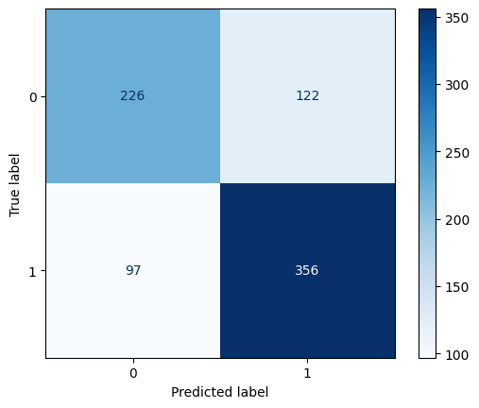

 |  |  | PRECISION | RECALL | F1-SCORE | SUPPORT |  |  |  | PRECISION | RECALL | F1-SCORE | SUPPORT
 |  | BAD | 0.7 | 0.65 | 0.67 | 348 |  |  | BAD | 0.72 | 0.56 | 0.63 | 348
 |  | GOOD | 0.74 | 0.79 | 0.76 | 453 |  |  | GOOD | 0.71 | 0.84 | 0.77 | 453

 |  | ACCURACY |  |  | 0.73 | 801 |  |  | ACCURACY |  |  | 0.72 | 801
 |  | MACRO AVG | 0.72 | 0.72 | 0.72 | 801 |  |  | MACRO AVG | 0.72 | 0.7 | 0.7 | 801
 |  | WEIGHTED | 0.73 | 0.73 | 0.73 | 801 |  |  | WEIGHTED | 0.72 | 0.72 | 0.71 | 801

 |  | ROC AUC |  | Accuracy: | 0.7265917603 |  |  |  | ROC AUC |  | Accuracy: | 0.71535580524
 |  | 0.796 |  | Precision: | 0.74476987448 |  |  |  | 0.7657 |  | Precision: | 0.71106941839
 |  |  |  | Recall: | 0.78587196468 |  |  |  |  |  | Recall: | 0.83664459161
 |  |  |  | F1 Score: | 0.76476906552 |  |  |  |  |  | F1 Score: | 0.76876267748

 | Boosting |  |  |  |  |  |  | Boosting

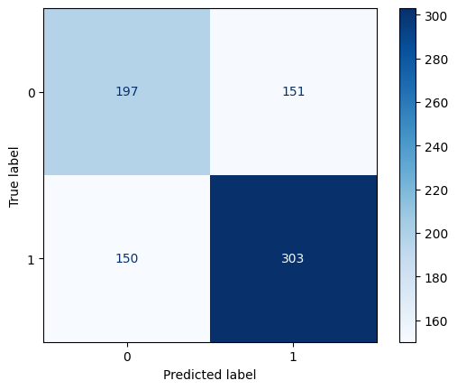
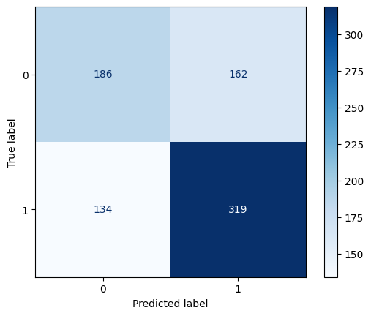
 |  |  | PRECISION | RECALL | F1-SCORE | SUPPORT |  |  |  | PRECISION | RECALL | F1-SCORE | SUPPORT
 |  | BAD | 0.58 | 0.53 | 0.56 | 348 |  |  | BAD | 0.57 | 0.57 | 0.57 | 348
 |  | GOOD | 0.66 | 0.7 | 0.68 | 453 |  |  | GOOD | 0.67 | 0.67 | 0.67 | 453

 |  | ACCURACY |  |  | 0.63 | 801 |  |  | ACCURACY |  |  | 0.62 | 801
 |  | MACRO AVG | 0.62 | 0.62 | 0.62 | 801 |  |  | MACRO AVG | 0.62 | 0.62 | 0.62 | 801
 |  | WEIGHTED | 0.63 | 0.63 | 0.63 | 801 |  |  | WEIGHTED | 0.62 | 0.62 | 0.62 | 801

 |  | ROC AUC |  | Accuracy: | 0.6304619226 |  |  |  | ROC AUC |  | Accuracy: | 0.62421972534
 |  | 0.6193 |  | Precision: | 0.6632016632 |  |  |  | 0.6707 |  | Precision: | 0.66740088106
 |  |  |  | Recall: | 0.70419426049 |  |  |  |  |  | Recall: | 0.66887417219
 |  |  |  | F1 Score: | 0.68308351178 |  |  |  |  |  | F1 Score: | 0.66813671444

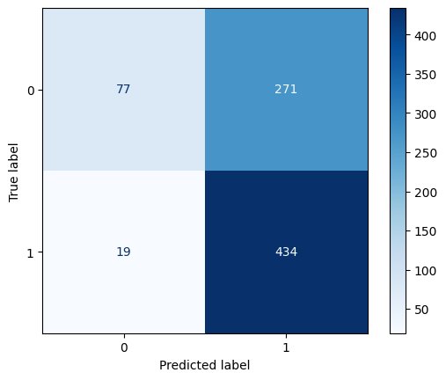

 |  |  | PRECISION | RECALL | F1-SCORE | SUPPORT |  |  |  | PRECISION | RECALL | F1-SCORE | SUPPORT
 |  | BAD | 0.73 | 64 | 0.68 | 348 |  |  | BAD | 0.8 | 0.22 | 0.35 | 348
 |  | GOOD | 0.75 | 0.81 | 0.78 | 453 |  |  | GOOD | 0.62 | 0.96 | 0.75 | 453

 |  | ACCURACY |  |  | 0.74 | 801 |  |  | ACCURACY |  |  | 0.64 | 801
 |  | MACRO AVG | 0.74 | 0.73 | 0.73 | 801 |  |  | MACRO AVG | 0.71 | 0.59 | 0.55 | 801
 |  | WEIGHTED | 0.74 | 0.74 | 0.74 | 801 |  |  | WEIGHTED | 0.7 | 0.64 | 0.57 | 801

 |  | ROC AUC |  | Accuracy: | 0.74032459426 |  |  |  | ROC AUC |  | Accuracy: | 0.6379525593
 |  | 0.8116 |  | Precision: | 0.74847870183 |  |  |  | 0.7683 |  | Precision: | 0.61560283688
 |  |  |  | Recall: | 0.81456953642 |  |  |  |  |  | Recall: | 0.95805739514
 |  |  |  | F1 Score: | 0.78012684989 |  |  |  |  |  | F1 Score: | 0.74956822107

