AS
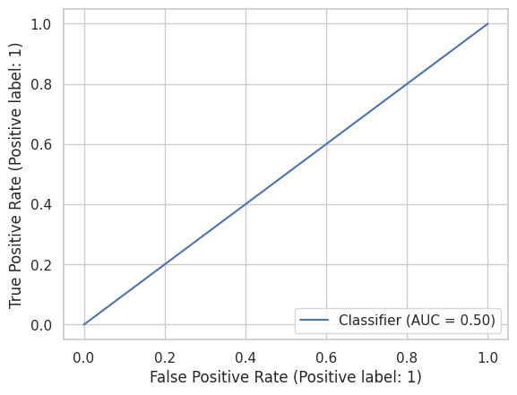
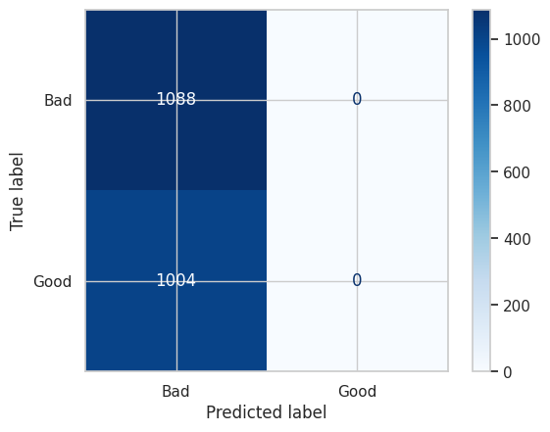
APRENDIZAJE SUPERVISADO

MATRIZ DE CONFUSIÓN (TODAS LAS VARIABLES) |  |  |  |  |  |  |  | MATRIZ DE CONFUSIÓN (SOLO CON LAS 4 VARIABLES SELECCIONADAS)

Accuracy: | 0.52007648184 | ROC AUC |  | PRECISION | RECALL | F1-SCORE | SUPPORT | Accuracy: | 0.52007648184 | ROC AUC |  | PRECISION | RECALL | F1-SCORE | SUPPORT
Precision: | 0 | 0.5 | BAD | 0.52 | 1 | 0.68 | 1088 | Precision: | 0 | 0.5 | BAD | 0.52 | 1 | 0.68 | 1088
Recall: | 0 |  | GOOD | 0 | 0 | 0 | 1004 | Recall: | 0 |  | GOOD | 0 | 0 | 0 | 1004
F1 Score: | 0 |  |  |  |  |  |  | F1 Score: | 0
 |  |  | ACCURACY |  |  | 0.52 | 2092 |  |  |  | ACCURACY |  |  | 0.52 | 2092
 |  |  | MACRO AVG | 0.26 | 0.5 | 0.34 | 2092 |  |  |  | MACRO AVG | 0.26 | 0.5 | 0.34 | 2092
 |  |  | WEIGHTED | 0.27 | 0.52 | 0.36 | 2092 |  |  |  | WEIGHTED | 0.27 | 0.52 | 0.36 | 2092

NB
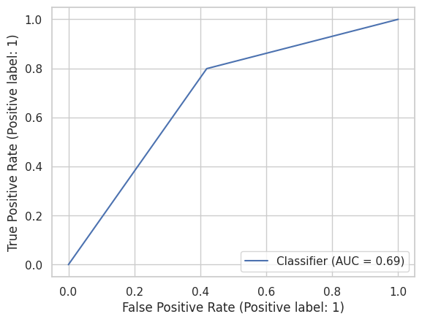
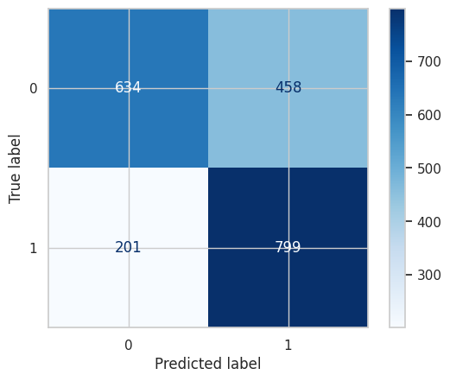
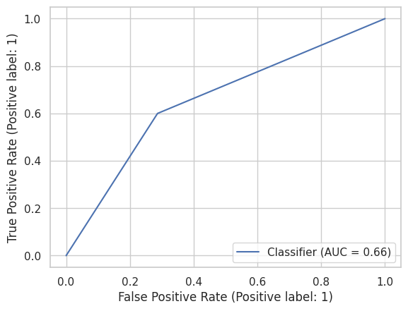
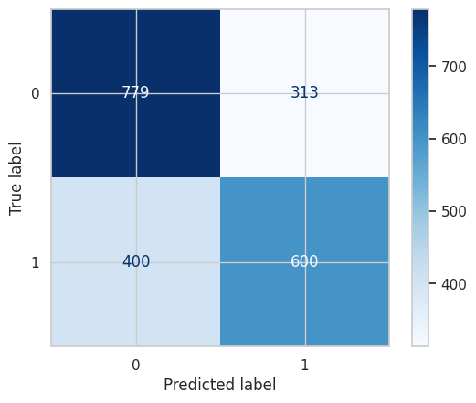
NAIVE BAYES

MATRIZ DE CONFUSIÓN (TODAS LAS VARIABLES) |  |  |  |  |  |  |  | MATRIZ DE CONFUSIÓN (SOLO CON LAS 4 VARIABLES SELECCIONADAS)

Accuracy: | 0.68499043977 | ROC AUC |  | PRECISION | RECALL | F1-SCORE | SUPPORT | Accuracy: | 0.65917782027 | ROC AUC |  | PRECISION | RECALL | F1-SCORE | SUPPORT
Precision: | 0.63564041368 | 0.68979304029 | BAD | 0.76 | 0.58 | 0.66 | 1092 | Precision: | 0.65717415115 | 0.65668498168 | BAD | 0.66 | 0.71 | 0.69 | 1092
Recall: | 0.799 |  | GOOD | 0.64 | 0.8 | 0.71 | 1000 | Recall: | 0.6 |  | GOOD | 0.66 | 0.6 | 0.63 | 1000
F1 Score: | 0.7080194949 |  |  |  |  |  |  | F1 Score: | 0.6272869838
 |  |  | ACCURACY |  |  | 0.68 | 2092 |  |  |  | ACCURACY |  |  | 0.66 | 2092
 |  |  | MACRO AVG | 0.7 | 0.69 | 0.68 | 2092 |  |  |  | MACRO AVG | 0.66 | 0.66 | 0.66 | 2092
 |  |  | WEIGHTED | 0.7 | 0.68 | 0.68 | 2092 |  |  |  | WEIGHTED | 0.66 | 0.66 | 0.66 | 2092

KNN
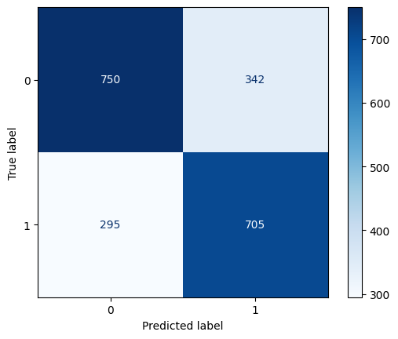
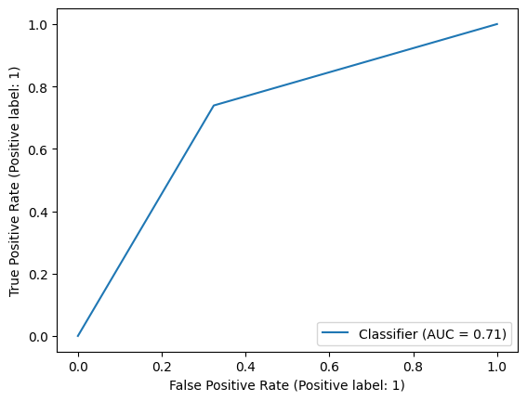
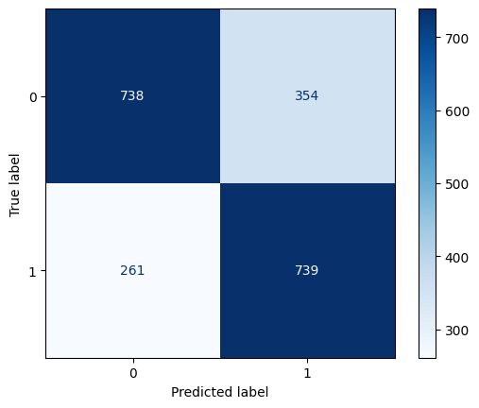
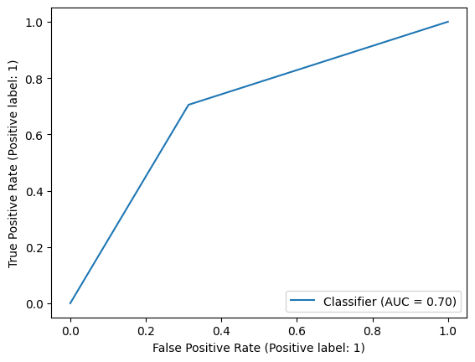
KNN

MATRIZ DE CONFUSIÓN (TODAS LAS VARIABLES) |  |  |  |  |  |  |  | MATRIZ DE CONFUSIÓN (SOLO CON LAS 4 VARIABLES SELECCIONADAS)

Accuracy: | 0.70602294455 | ROC AUC |  | PRECISION | RECALL | F1-SCORE | SUPPORT | Accuracy: | 0.69550669216 | ROC AUC |  | PRECISION | RECALL | F1-SCORE | SUPPORT
Precision: | 0.67612076853 | 0.70741208791 | BAD | 0.74 | 0.68 | 0.71 | 1092 | Precision: | 0.67335243553 | 0.69590659341 | BAD | 0.72 | 0.69 | 0.7 | 1092
Recall: | 0.739 |  | GOOD | 0.68 | 0.74 | 0.71 | 1000 | Recall: | 0.705 |  | GOOD | 0.67 | 0.7 | 0.69 | 1000
F1 Score: | 0.70616340182 |  |  |  |  |  |  | F1 Score: | 0.68881289692
 |  |  | ACCURACY |  |  | 0.71 | 2092 |  |  |  | ACCURACY |  |  | 0.7 | 2092
 |  |  | MACRO AVG | 0.71 | 0.71 | 0.71 | 2092 |  |  |  | MACRO AVG | 0.7 | 0.7 | 0.7 | 2092
 |  |  | WEIGHTED | 0.71 | 0.71 | 0.71 | 2092 |  |  |  | WEIGHTED | 0.7 | 0.7 | 0.7 | 2092

AD
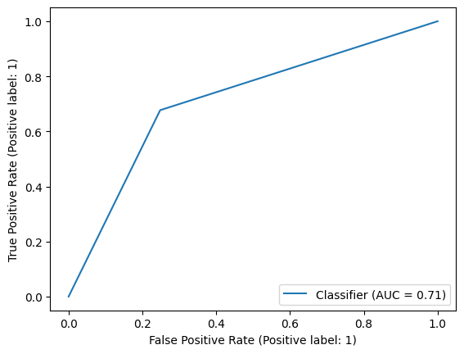
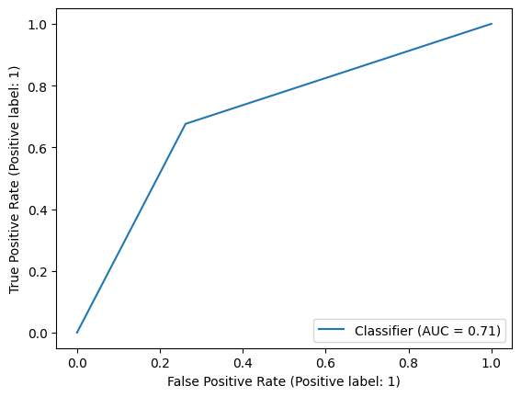
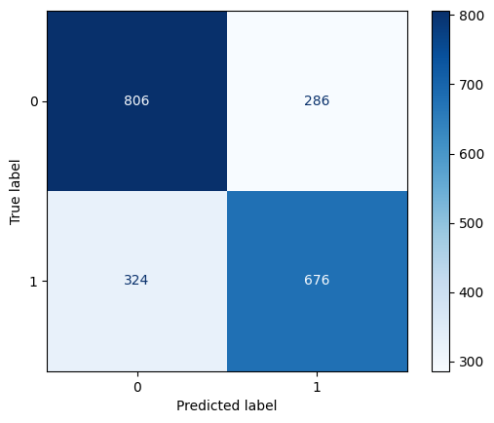

ÁRBOL DE DECISIÓN

MATRIZ DE CONFUSIÓN (TODAS LAS VARIABLES) |  |  |  |  |  |  |  | MATRIZ DE CONFUSIÓN (SOLO CON LAS 4 VARIABLES SELECCIONADAS)

Accuracy: | 0.71606118547 | ROC AUC |  | PRECISION | RECALL | F1-SCORE | SUPPORT | Accuracy: | 0.70841300191 | ROC AUC |  | PRECISION | RECALL | F1-SCORE | SUPPORT
Precision: | 0.7141350211 | 0.71441575092 | BAD | 0.72 | 0.75 | 0.73 | 1092 | Precision: | 0.7027027027 | 0.70704761905 | BAD | 0.71 | 0.74 | 0.73 | 1092
Recall: | 0.677 |  | GOOD | 0.71 | 0.68 | 0.7 | 1000 | Recall: | 0.676 |  | GOOD | 0.7 | 0.68 | 0.69 | 1000
F1 Score: | 0.69507186858 |  |  |  |  |  |  | F1 Score: | 0.68909276249
 |  |  | ACCURACY |  |  | 0.72 | 2092 |  |  |  | ACCURACY |  |  | 0.71 | 2092
 |  |  | MACRO AVG | 0.72 | 0.71 | 0.71 | 2092 |  |  |  | MACRO AVG | 0.71 | 0.71 | 0.71 | 2092
 |  |  | WEIGHTED | 0.72 | 0.72 | 0.72 | 2092 |  |  |  | WEIGHTED | 0.71 | 0.71 | 0.71 | 2092

RF
RANDOM FOREST

MATRIZ DE CONFUSIÓN (TODAS LAS VARIABLES) |  |  |  |  |  |  |  | MATRIZ DE CONFUSIÓN (SOLO CON LAS 4 VARIABLES SELECCIONADAS)

 | Random Forest |  |  |  |  |  |  |  | Random Forest

 |  | ROC AUC |  | PRECISION | RECALL | F1-SCORE | SUPPORT |  |  | ROC AUC |  | PRECISION | RECALL | F1-SCORE | SUPPORT
 |  | 0.7935 | BAD | 0.71 | 0.77 | 0.74 | 1092 |  |  | 0.7198 | BAD | 0.66 | 0.71 | 0.68 | 1092
 |  |  | GOOD | 0.73 | 0.66 | 0.69 | 1000 |  |  |  | GOOD | 0.66 | 0.6 | 0.63 | 1000

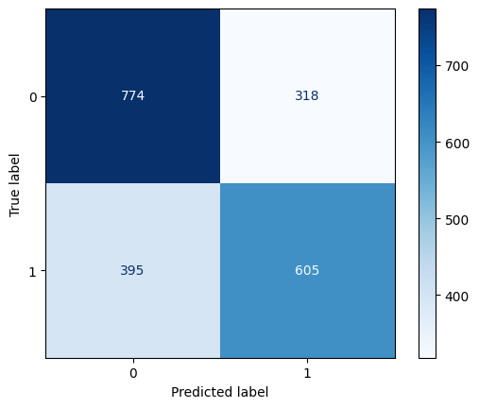
 |  |  | ACCURACY |  |  | 0.72 | 2092 |  |  |  | ACCURACY |  |  | 0.66 | 2092
 |  |  | MACRO AVG | 0.72 | 0.72 | 0.72 | 2092 |  |  |  | MACRO AVG | 0.66 | 0.66 | 0.66 | 2092
 |  |  | WEIGHTED | 0.72 | 0.72 | 0.72 | 2092 |  |  |  | WEIGHTED | 0.66 | 0.66 | 0.66 | 2092

 |  |  | Accuracy: | 0.7189292543 |  |  |  |  |  |  | Accuracy: | 0.65917782027
 |  |  | Precision: | 0.72787610619 |  |  |  |  |  |  | Precision: | 0.65547128927
 |  |  | Recall: | 0.658 |  |  |  |  |  |  | Recall: | 0.605
 |  |  | F1 Score: | 0.69117647059 |  |  |  |  |  |  | F1 Score: | 0.62922516901

 | Boosting |  |  |  |  |  |  |  | Boosting

 |  | ROC AUC |  | PRECISION | RECALL | F1-SCORE | SUPPORT |  |  | ROC AUC |  | PRECISION | RECALL | F1-SCORE | SUPPORT
 |  | 0.8002 | BAD | 0.73 | 0.77 | 0.75 | 1092 |  |  | 0.7806 | BAD | 0.71 | 0.77 | 0.74 | 1092
 |  |  | GOOD | 0.73 | 0.69 | 0.71 | 1000 |  |  |  | GOOD | 0.72 | 0.66 | 0.69 | 1000


 |  |  | ACCURACY |  |  | 0.73 | 2092 |  |  |  | ACCURACY |  |  | 0.72 | 2092
 |  |  | MACRO AVG | 0.73 | 0.73 | 0.73 | 2092 |  |  |  | MACRO AVG | 0.72 | 0.71 | 0.71 | 2092
 |  |  | WEIGHTED | 0.73 | 0.73 | 0.73 | 2092 |  |  |  | WEIGHTED | 0.72 | 0.72 | 0.71 | 2092

 |  |  | Accuracy: | 0.73040152964 |  |  |  |  |  |  | Accuracy: | 0.71606118547
 |  |  | Precision: | 0.73093220339 |  |  |  |  |  |  | Precision: | 0.72356828194
 |  |  | Recall: | 0.69 |  |  |  |  |  |  | Recall: | 0.657
 |  |  | F1 Score: | 0.70987654321 |  |  |  |  |  |  | F1 Score: | 0.68867924528

H
HYPERPARÁMETROS

MATRIZ DE CONFUSIÓN (TODAS LAS VARIABLES) |  |  |  |  |  |  | MATRIZ DE CONFUSIÓN (SOLO CON LAS 4 VARIABLES SELECCIONADAS)

 | GRIDSEARCH |  |  |  |  |  |  | GRIDSEARCH

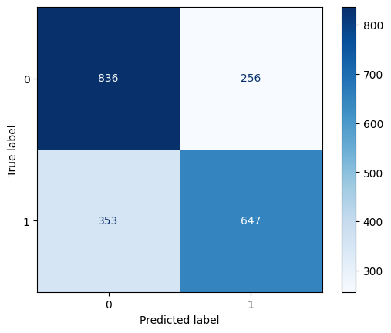

 |  |  | PRECISION | RECALL | F1-SCORE | SUPPORT |  |  |  | PRECISION | RECALL | F1-SCORE | SUPPORT
 |  | BAD | 0.72 | 0.77 | 0.74 | 1092 |  |  | BAD | 0.7 | 0.77 | 0.73 | 1092
 |  | GOOD | 0.73 | 0.68 | 0.7 | 1000 |  |  | GOOD | 0.72 | 0.65 | 0.68 | 1000

 |  | ACCURACY |  |  | 0.72 | 2092 |  |  | ACCURACY |  |  | 0.71 | 2092
 |  | MACRO AVG | 0.72 | 0.72 | 0.72 | 2092 |  |  | MACRO AVG | 0.71 | 0.71 | 0.71 | 2092
 |  | WEIGHTED | 0.72 | 0.72 | 0.72 | 2092 |  |  | WEIGHTED | 0.71 | 0.71 | 0.71 | 2092

 |  | ROC AUC |  | Accuracy: | 0.72275334608 |  |  |  | ROC AUC |  | Accuracy: | 0.70889101338
 |  | 0.7937 |  | Precision: | 0.72580645161 |  |  |  | 0.7753 |  | Precision: | 0.71650055371
 |  |  |  | Recall: | 0.675 |  |  |  |  |  | Recall: | 0.647
 |  |  |  | F1 Score: | 0.69948186528 |  |  |  |  |  | F1 Score: | 0.67997898056

 | RandomizedSearch |  |  |  |  |  |  | RandomizedSearch



 |  |  | PRECISION | RECALL | F1-SCORE | SUPPORT |  |  |  | PRECISION | RECALL | F1-SCORE | SUPPORT
 |  | BAD | 0.72 | 0.77 | 0.75 | 1092 |  |  | BAD | 0.71 | 0.78 | 0.74 | 1092
 |  | GOOD | 0.73 | 0.68 | 0.7 | 1000 |  |  | GOOD | 0.73 | 0.65 | 0.69 | 1000

 |  | ACCURACY |  |  | 0.73 | 2092 |  |  | ACCURACY |  |  | 0.72 | 2092
 |  | MACRO AVG | 0.73 | 0.72 | 0.72 | 2092 |  |  | MACRO AVG | 0.72 | 0.71 | 0.71 | 2092
 |  | WEIGHTED | 0.73 | 0.73 | 0.73 | 2092 |  |  | WEIGHTED | 0.72 | 0.72 | 0.71 | 2092

 |  | ROC AUC |  | Accuracy: | 0.72657743786 |  |  |  | ROC AUC |  | Accuracy: | 0.71606118547
 |  | 0.7996 |  | Precision: | 0.73060344828 |  |  |  | 0.7818 |  | Precision: | 0.7265625
 |  |  |  | Recall: | 0.678 |  |  |  |  |  | Recall: | 0.651
 |  |  |  | F1 Score: | 0.70331950207 |  |  |  |  |  | F1 Score: | 0.68670886076

 | Boosting |  |  |  |  |  |  | Boosting

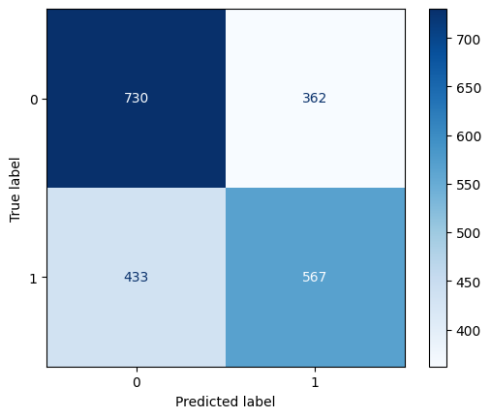

 |  |  | PRECISION | RECALL | F1-SCORE | SUPPORT |  |  |  | PRECISION | RECALL | F1-SCORE | SUPPORT
 |  | BAD | 0.65 | 0.67 | 0.66 | 1092 |  |  | BAD | 0.63 | 0.67 | 0.65 | 1092
 |  | GOOD | 0.63 | 0.6 | 0.61 | 1000 |  |  | GOOD | 0.61 | 0.57 | 0.59 | 1000

 |  | ACCURACY |  |  | 0.64 | 2092 |  |  | ACCURACY |  |  | 0.62 | 2092
 |  | MACRO AVG | 0.64 | 0.64 | 0.64 | 2092 |  |  | MACRO AVG | 0.62 | 0.62 | 0.62 | 2092
 |  | WEIGHTED | 0.64 | 0.64 | 0.64 | 2092 |  |  | WEIGHTED | 0.62 | 0.62 | 0.62 | 2092

 |  | ROC AUC |  | Accuracy: | 0.63862332696 |  |  |  | ROC AUC |  | Accuracy: | 0.61998087954
 |  | 0.6927 |  | Precision: | 0.62788259958 |  |  |  | 0.6621 |  | Precision: | 0.61033369214
 |  |  |  | Recall: | 0.599 |  |  |  |  |  | Recall: | 0.567
 |  |  |  | F1 Score: | 0.6131013306 |  |  |  |  |  | F1 Score: | 0.58786936236

 |  |  | PRECISION | RECALL | F1-SCORE | SUPPORT |  |  |  | PRECISION | RECALL | F1-SCORE | SUPPORT
 |  | BAD | 0.73 | 0.77 | 0.75 | 1092 |  |  | BAD | 0.71 | 0.77 | 0.74 | 1092
 |  | GOOD | 0.73 | 0.69 | 0.71 | 1000 |  |  | GOOD | 0.72 | 0.66 | 0.69 | 1000

 |  | ACCURACY |  |  | 0.73 | 2092 |  |  | ACCURACY |  |  | 0.72 | 2092
 |  | MACRO AVG | 0.73 | 0.73 | 0.73 | 2092 |  |  | MACRO AVG | 0.72 | 0.71 | 0.71 | 2092
 |  | WEIGHTED | 0.73 | 0.73 | 0.73 | 2092 |  |  | WEIGHTED | 0.72 | 0.72 | 0.71 | 2092

 |  | ROC AUC |  | Accuracy: | 0.73040152964 |  |  |  | ROC AUC |  | Accuracy: | 0.71606118547
 |  | 0.8002 |  | Precision: | 0.73093220339 |  |  |  | 0.7806 |  | Precision: | 0.72356828194
 |  |  |  | Recall: | 0.69 |  |  |  |  |  | Recall: | 0.657
 |  |  |  | F1 Score: | 0.70987654321 |  |  |  |  |  | F1 Score: | 0.68867924528

