FP.Rubric
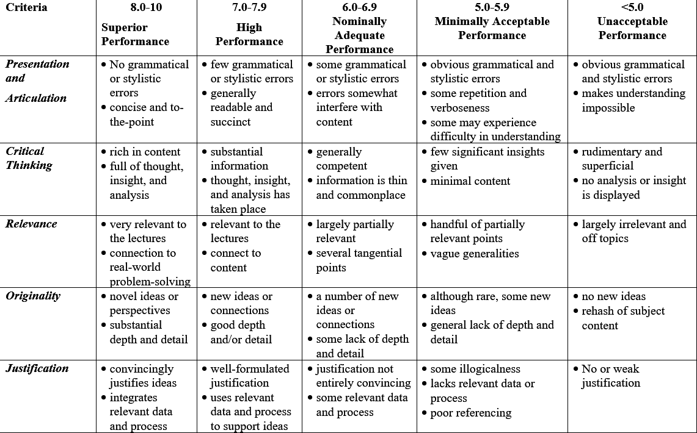
 | Presentation and Articulation | Critical Thinking | Relevance | Originality | Justification
Cao Khánh Tân | Superior Performance | Superior Performance | Superior Performance | Superior Performance | Superior Performance
Lê Minh Đăng | Superior Performance | Superior Performance | Superior Performance | Superior Performance | Superior Performance

