Risk Assessment Form Spinner
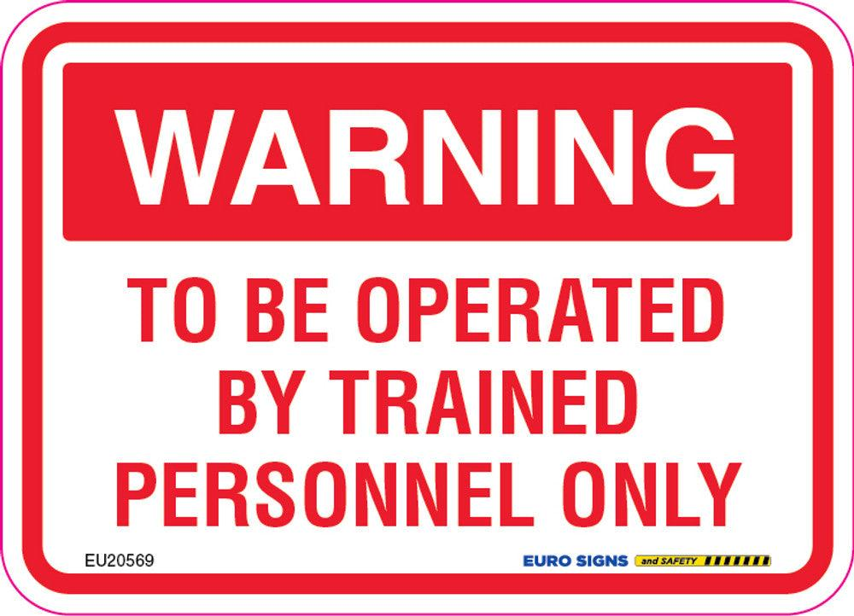
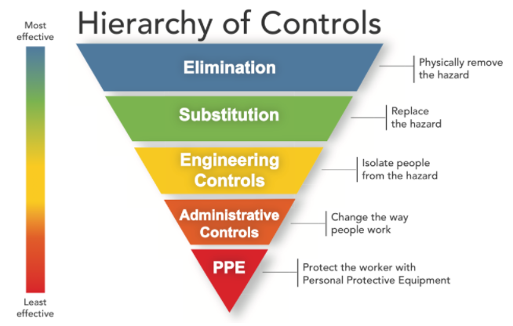
Risk Assessment Form
 |  |  |  |  |  |  |  |  |  |  |  |  |  | Before
Date of Assessment |  | Friday 12th June
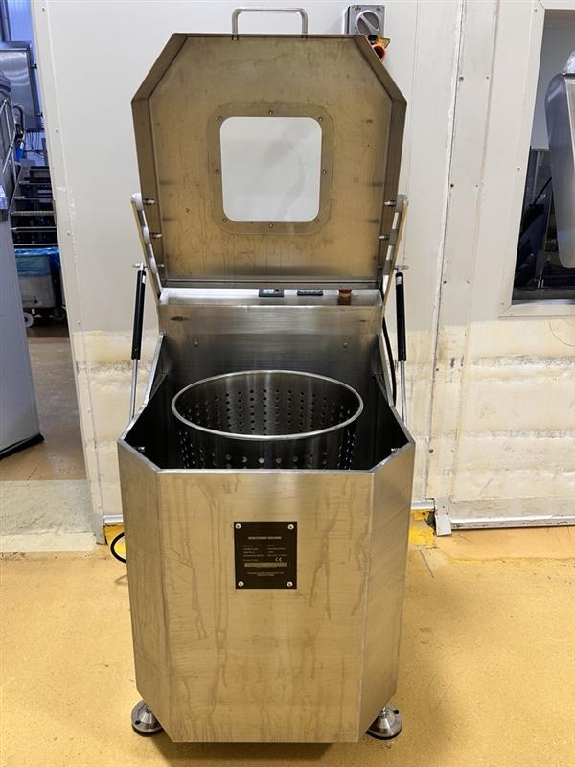
Department |  | High Care |  |  |  |  | Risk Matrix
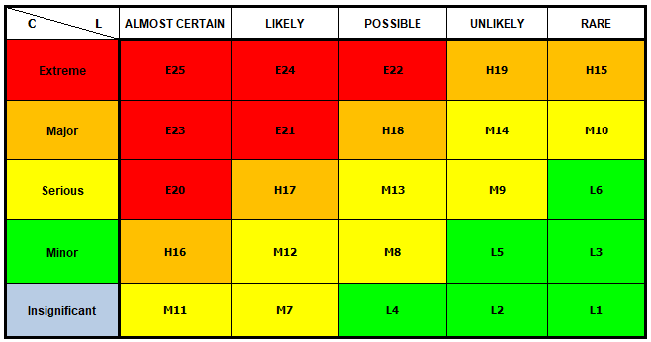
Process / Machine |  | Dryer
Site Location |  | TK

Risk Assessment Team

Name |  | Title | Work Area
Jennifer Galea |  | Operations Manager
Ranjan |  | Operations Manager
Szymon |  | Engineer
Sean |  | Engineer
Caroyln |  | WHS | Contractor Safety
Mel |  | WHS | WHS

Risk Identification |  |  |  | Inherent Risk (Before controls) |  |  | Controls | Residual Risk (After Controls) |  |  | Additional Required Controls | Action By | Close Out | Pictures | Pictures
No | Location | Hazard Event | Hazard | Consequence | Likelihood | Level of Risk | Existing Controls | Consequence2 | Likelihood2 | Level of Risk. | Planned mitigating actions (what else will be done?) | Who | Open / Closed
1 | High Care | Electrical | Dryer does not have reset button and is 415 volt, 3 phase | Serious | Possible | M13 | No control | Serious | Possible | M13 | Install a magnetic contactor or a No-Volt Release (NVR) switch. This ensures that if power is lost or an E-stop is pressed, the machine cannot automatically restart when power is restored until a manual reset button is pressed. | Szymon |  |  |  | 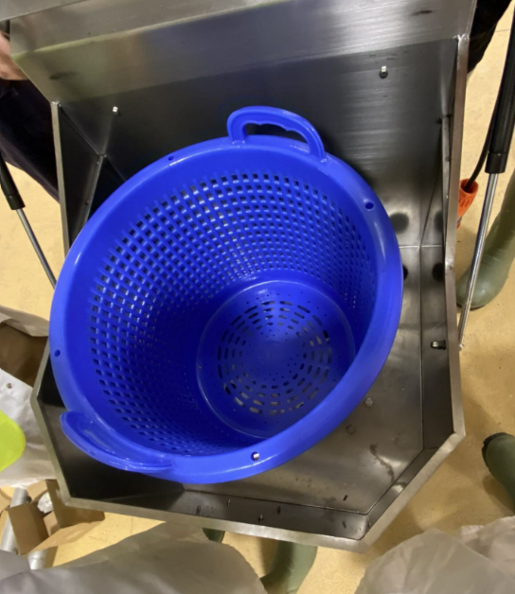
2 | High Care | Electrical | Electrical box not IP rated, water can get into the electrical box cause electrical damage | Major | Possible | H18 | No control | Major | Possible | H18 | Upgrade the electrical enclosure to an appropriate IP rating (minimum IP56, preferably IP66 if subject to washdowns or heavy splashing). Ensure all cable entries use IP-rated glands. Install a residual current device (RCD) or earth leakage circuit breaker upstream to instantly cut power if a fault occurs. | Szymon
3 | High Care | Electrical | Isolator switch is made from cheap plastic could break easily | Minor | Unlikely | L5 | Isotation switch installed on machine | Minor | Unlikely | L5 | Replace the plastic switch with a heavy-duty, industrial-grade metal or impact-resistant polycarbonate isolator switch rated for the machine's load | Szymon
4 | High Care | Electrical | All buttons on the machine are not water proof & could cause water damage to the machine | Serious | Possible | M13 | No control | Serious | Possible | M13 | Sealed the display buttons | Szymon
5 | High Care | Crushing | Gas struts on the lifter does not soft close & could cause fractured fingers if operators do not keep fingers clear | Serious | Likely | H17 | Pinch Point warning decals near the hinge Gas strut on the machine | Serious | Likely | H17 | Replace existing struts with damped/soft-close gas struts or mechanical speed-restricting dampers. Install mechanical safety catch pins or a secondary locking latch to hold the lid securely open during loading/unloading. | Szymon
6 | High Care | Entanglement | No break on machine, when door is lifted the basket within still spins rapidly | Major | Possible | H18 | No control | Major | Possible | H18 | Adjust the motor on the break, this will slow the basket down. | Szymon
7 | High Care | Electrical | No safety interlock switch on the lid | Major | Possible | H18 | There is a safety switch on the lid but this was not set up correctly, buttons to adjust this is on the main display & can be changed by an operator, Safety switch is not austlian standard rated | Serious | Possible | M13 | Install a safety switch on the lid for australian rating | Szymon
8 | High Care | Struck by / Against | Accessing the inside of the tumbler, could hit head on the lid | Serious | Possible | M13 | No control | Serious | Possible | M13 | Conduct training with operator against the SOP | Jen
9 | High Care | Sharp Edge/Impliment | Sharp edges on the lid of the machine | Minor | Possible | M8 | No control | Minor | Possible | M8 | De-burr, grind down, and radius all sharp sheet metal edges. | Szymon

 |  |  |  |  |  |  |  |  |  |  |  |  |  |  |  | 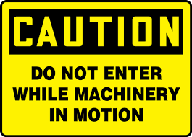

Manual Spinner
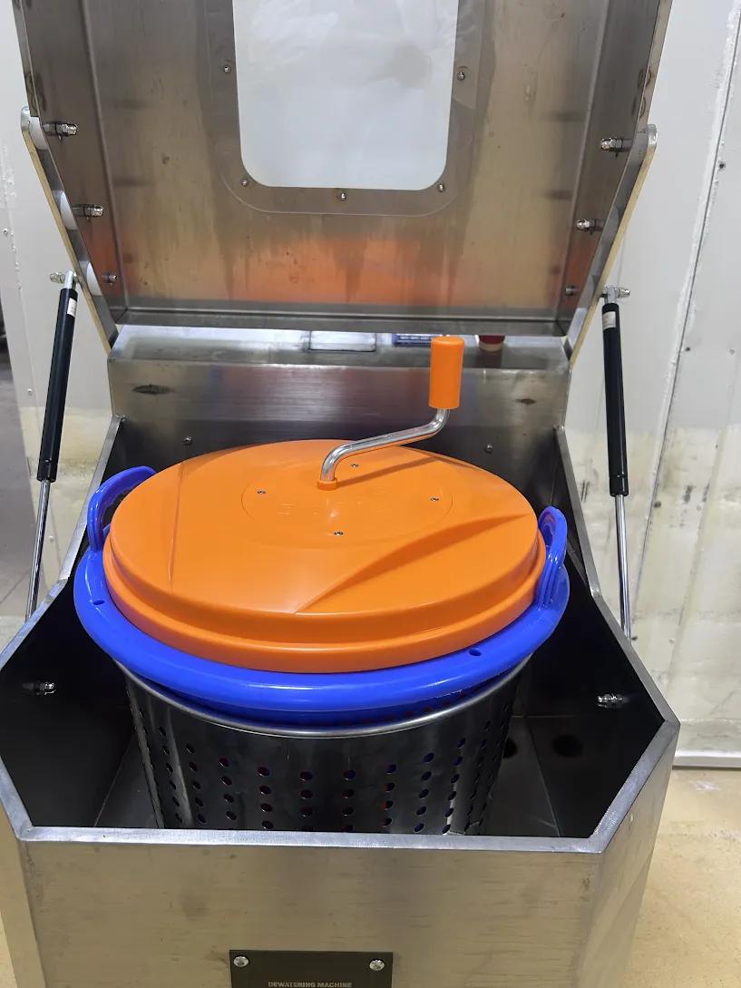
Risk Assessment Form
 |  |  |  |  |  |  |  |  |  |  |  |  |  | Before
Date of Assessment |  | 29th July
Department |  | High Care |  |  |  |  | Risk Matrix
Process / Machine |  | Manual Spinner
Site Location |  | TK

Risk Assessment Team

Name |  | Title | Work Area
Jennifer Galea |  | Operations Manager
Ranjan |  | Operations Manager
Szymon |  | Engineer
Sean |  | Engineer
Caroyln |  | WHS | Contractor Safety
Mel |  | WHS | WHS

Risk Identification |  |  |  | Inherent Risk (Before controls) |  |  | Controls | Residual Risk (After Controls) |  |  | Additional Required Controls | Action By | Close Out | Pictures | Pictures
No | Location | Hazard Event | Hazard | Consequence | Likelihood | Level of Risk | Existing Controls | Consequence2 | Likelihood2 | Level of Risk. | Planned mitigating actions (what else will be done?) | Who | Open / Closed
1 | High Care | Manual handling | Lifting product in to the manual spinner could be above shoulder height causing manual strain to the body | Minor | Unlikely | L5 | Manual handling training Light weight leaf veggies | Minor | Unlikely | L5
2 | High Care | Manual handling | Manualy spinning the handle could cause strain to the shoulder | Minor | Unlikely | L5 | Manual handling training | Minor | Unlikely | L5
3 | High Care | Struck by / Against | When cranking the handle, if the colleague has let go, the handle may hit the colleague in the hand/arm | Minor | Unlikely | L5 |  | Minor | Unlikely | L5
4 | High Care
5 | High Care
6 | High Care
7 | High Care
8 | High Care
9 | High Care

SML Tumbler
Risk Assessment Form
 |  |  |  |  |  |  |  |  |  |  |  |  |  | Before
Date of Assessment |  | Friday 12th June
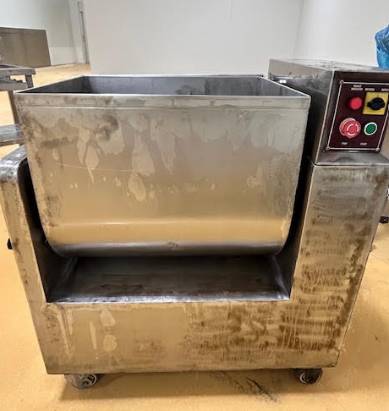
Department |  | High Care |  |  |  |  | Risk Matrix
Process / Machine |  | Dryer
Site Location |  | TK

Risk Assessment Team

Name |  | Title | Work Area
Jennifer Galea |  | Operations Manager
Ranjan |  | Operations Manager
Szymon |  | Engineer
Sean |  | Engineer
Caroyln |  | WHS | Contractor Safety
Mel |  | WHS | WHS

Risk Identification |  |  |  | Inherent Risk (Before controls) |  |  | Controls | Residual Risk (After Controls) |  |  | Additional Required Controls | Action By | Close Out | Pictures | Pictures
No | Location | Hazard Event | Hazard | Consequence | Likelihood | Level of Risk | Existing Controls | Consequence2 | Likelihood2 | Level of Risk. | Planned mitigating actions (what else will be done?) | Who | Open / Closed
1 | High Care | Electrical | Wire could be damaged & expose live wire | Minor | Possible | M8 | No control | Minor | Possible | M8 | Safety start up sheet to be drafted for the operator to check the machine daily before start up | Mel | Closed
2 | High Care | Electrical | No isolator on the machine | Serious | Possible | M13 | Main isolator on power cable | Minor | Unlikely | L5 | Install a lockable local isolator adjacent to the machine to allow safe isolation during maintenance, cleaning, and emergency situations. | Szymon
3 | High Care | Manual handling | All product is loaded manually lifting from the ground to above should height | Serious | Possible | M13 | No control | Serious | Possible | M13 | Manual handling training | Szymon Jen | Closed
4 | High Care | Manual handling | All product is unloaded manually, to ground level | Serious | Possible | M13 |  | Serious | Possible | M13 | Manual handling training | Szymon Jen | Closed
5 | High Care | Manual handling | Manually push the barrel to unload the product, hard to move | Serious | Possible | M13 | No control | Serious | Possible | M13 | Make the barrel, easy to move | Szymon
6 | High Care | Entanglement | The lid to the tumbler can be lifted while the machine is still operating and metal paddle still in rotation | Extreme | Possible | E22 | E-Stop | Minor | Rare | L3 | Safety switch has been installed, the machine does not run without the guard on | Szymon | Closed
7 | High Care | Crushing | Opening/ closing lid if the operator lets go of the lid it can fall hitting hand | Major | Possible | H18 | No control | Minor | Unlikely | L5 | The lid has be taken off the hinge, it is now a mobile lid that has to be placed on the wall | Szymon | Closed

Risk Assessment Form Washer
Risk Assessment Form
 |  |  |  |  |  |  |  |  |  |  |  |  |  | Before
Date of Assessment |  | Friday 12th June
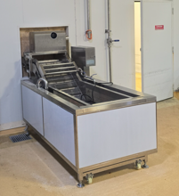
Department |  | High Care |  |  |  |  | Risk Matrix
Process / Machine |  | Washer
Site Location |  | TK

Risk Assessment Team

Name |  | Title | Work Area
Jennifer Galea |  | Operations Manager | Operations
Ranjan |  | Operations Manager | Operations
Szymon |  | Engineer | Projects
Sean |  | Engineer | Maintenance
Caroyln |  | WHS | Contractor Safety
Mel |  | WHS | WHS

Risk Identification |  |  |  | Inherent Risk (Before controls) |  |  | Controls | Residual Risk (After Controls) |  |  | Additional Required Controls | Action By | Close Out | Pictures | Pictures
No | Location | Hazard Event | Hazard | Consequence | Likelihood | Level of Risk | Existing Controls | Consequence2 | Likelihood2 | Level of Risk. | Planned mitigating actions (what else will be done?) | Who | Open / Closed
1 | Low Risk | Electrical | No isolator on the machine | Serious | Possible | M13 | Power socket next to machine to turn the machine on/off | Serious | Possible | M13 | Install a lockable local isolator adjacent to the machine to allow safe isolation during maintenance, cleaning, and emergency situations. | Szymon | closed
2 | Low Risk | Electrical | Electrical box no lock on the box and the operator can access the electricals | Major | Possible | H18 | Side latch installed on the box | Minor | Unlikely | L5 | Fit a lockable electrical enclosure and restrict access to authorised maintenance personnel only. Display appropriate electrical hazard signage. | Szymon | closed
3 | Low Risk | Electrical | Estop is fitted to the control panel of the machine and is away from where the operator is loading product into the machine. | Serious | Possible | M13 | Estop on the control panel | Serious | Possible | M13 | Install a additional estop at the front of the machine where the operator is working. Accepting the risk, signed off by Andy. M & Aaron. B | Szymon | closed
4 | Low Risk | Electrical | Electrical box not IP rated, water can get into the electrical box cause electrical damage | Major | Possible | H18 | No control | Major | Possible | H18 | Upgrade the electrical enclosure to an appropriate IP rating (minimum IP56, preferably IP66 if subject to washdowns or heavy splashing). Ensure all cable entries use IP-rated glands. Install a residual current device (RCD) or earth leakage circuit breaker upstream to instantly cut power if a fault occurs. | Szymon | closed
5 | Low Risk | Food spoilage | Plumbing tape was observed hanging above the product and water line, presenting a potential contamination hazard and increasing the risk of product spoilage. | Serious | Possible | M13 | No control | Serious | Possible | M13 | Remove the plumbing tape immediately and replace it with a permanent food-grade repair. Inspect surrounding pipework and implement routine inspections to prevent contamination risks. | Szymon | closed
6 | Low Risk | Sharp Edge/Impliment | Sharp edges on the machine may cause cuts or lacerations to personnel during operations use, cleaning, or maintenance. | Minor | Possible | M8 | No control | Minor | Possible | M8 | De-burr, grind, and smooth all sharp edges. Install edge protection or guards where required and verify all contact surfaces are safe during operation, cleaning, and maintenance. | Szymon | closed
7 | Low Risk | Chemical | Peracetic Acid (PAA) is a corrosive acid used for dosing. Exposure during handling or dosing may cause chemical burns, eye injuries, and respiratory irritation. | Major | Likely | E21 | Eye wash station near by PPE, Face shield, Long chemical gloves, Long Apron | Serious | Unlikely | M9 | Short term Place SDS sheets Shadow board required for PPE Chemical bund required to lock chemical Long term Automatic dosing required to reduce manual dosing | Mel HCC Szymon
8 | Low Risk | Entanglement | Operator may place their hands near the exposed chain, creating a risk of entanglement, pinch-point injuries, crushing, or amputation during machine operation. | Serious | Possible | M13 | No control | Serious | Possible | M13 | Install a fixed guard over the exposed chain to prevent access to moving parts during operation. Ensure guarding complies with relevant machinery safety requirements and is maintained in good condition. Accepting the risk, signed off by Andy. M & Aaron. B | Szymon | closed
9 | Low Risk | Food spoilage | The gearbox is positioned above the open product and water area. Rust, lubricant, debris, or other contaminants from the gearbox could fall into the product stream, resulting in contamination and potential product spoilage. | Serious | Possible | M13 | No control | Serious | Possible | M13 | Install a fully enclosed protective housing around the gearbox to prevent rust, lubricant, and debris from entering the product or water stream. Ensure the enclosure is suitable for the operating environment and allows for safe inspection and maintenance. | Szymon
10 | High Care | Crushing | Off loading the product from the washer, the conveyor belt chains and conveyor guards are exposed and potential for the operator to be injured | Serious | Possible | M13 | No control | Serious | Possible | M13 | Install guarding over the the exposed chain and coveyor guards. Install an E-Stop on high care side Accepting the risk, signed off by Andy. M & Aaron. B | Szymon | closed

Tumbler
Risk Assessment Form
 |  |  |  |  |  |  |  |  |  |  |  |  |  | Before
Date of Assessment |  | Friday 12th June
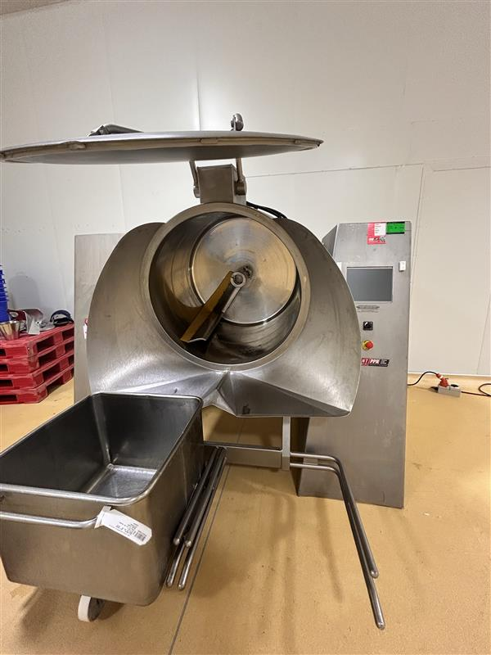
Department |  | High Care |  |  |  |  | Risk Matrix
Process / Machine |  | Tumbler
Site Location |  | TK

Risk Assessment Team

Name |  | Title | Work Area
Jennifer Galea |  | Operations Manager | Operations
Ranjan |  | Operations Manager | Operations
Szymon |  | Engineer | Projects
Sean |  | Engineer | Maintenance
Mel |  | WHS | WHS

Risk Identification |  |  |  | Inherent Risk (Before controls) |  |  | Controls | Residual Risk (After Controls) |  |  | Additional Required Controls | Action By | Close Out | Pictures | Pictures
No | Location | Hazard Event | Hazard | Consequence | Likelihood | Level of Risk | Existing Controls | Consequence2 | Likelihood2 | Level of Risk. | Planned mitigating actions (what else will be done?) | Who | Open / Closed
1 | High Care | Electrical | Wire could be tangled with the tumbler as the tumbler moves | Minor | Unlikely | L5 | Wire on the ground | Minor | Unlikely | L5 | Hard wire the cabel to the wall shorten the lead | Szymon | closed
2 | High Care | Structural damage | Machine in operation moves and tilts could cause damage to the walls | Minor | Unlikely | L5 | No control | Minor | Unlikely | L5 | Moved away from the wall - | Szymon | closed
3 | High Care | Fall from height | Dolly lifters do not have a safety latch on the lifter to secure inplace while it is lifted during cycle | Serious | Possible | M13 | No control | Serious | Possible | M13 | Install safety latch on the rail Accepting the risk, signed off by Andy. M & Aaron. B | Szymon | closed
4 | High Care | Manual handling | Removing product from the tumbler, operator needs to lean and remove the product by hand | Major | Possible | H18 | No control | Major | Possible | H18 | Implement operator to use a shovel to remove the product into dolly. Need to confirm how the operator will access inside of the machine while 2 dollies are in front of the machine. Updated as per the SOP for unloading product - cmpleted | Jen | closed
5 | High Care | Manual handling | Changing of the scrapper will be done in an awakward position, will cause a sore back | Major | Possible | H18 | No control | Major | Possible | H18 | Review the position the paddle needs to be in for the change- recommend the paddle go to the bottom of the bowl to remove Manual handling only for changing of the paddle, can not engineer this out | Jen | closed
6 | High Care | Struck by / Against | When the lid of the tumbler is open, colleagues could hit their head | Minor | Possible | M8 | No control | Minor | Possible | M8 | Need to add in the SOP awarness | Jen | closed
7 | High Care | Struck by / Against | When the tumbler is in motion, going down with the tumbler could strike an operator | Minor | Possible | M8 | Control panel is located on the front screen | Minor | Possible | M8 | Guarding or rails near the lifter to stop pedestrians from walking in the line of fire Accepting the risk, signed off by Andy. M & Aaron. B | Szymon | closed
8 | High Care | Trip | Dolly lifter legs could cause a trip hazard | Serious | Possible | M13 | No control | Serious | Possible | M13 | Guarding around the legs or paint on the ground Accepting the risk, signed off by Andy. M & Aaron. B | Szymon | closed

Risk Assessment Form Slicer
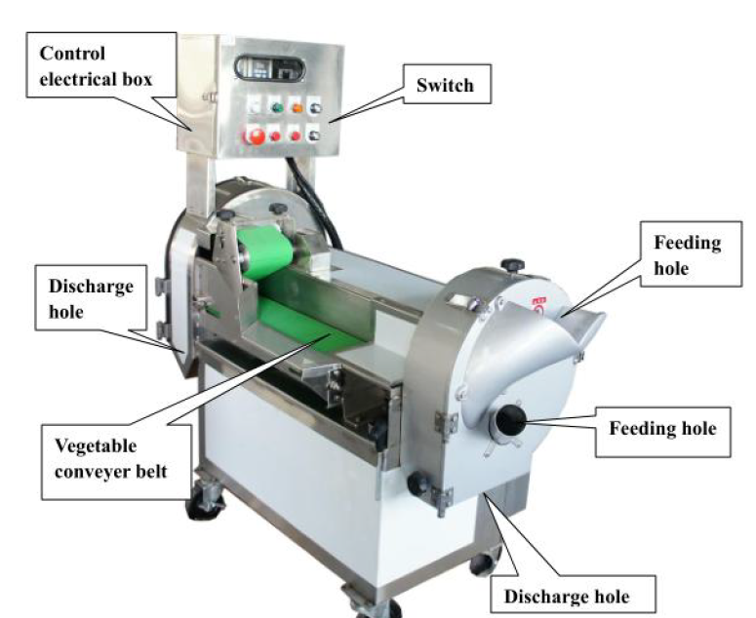
Risk Assessment Form
 |  |  |  |  |  |  |  |  |  |  |  |  |  | Before
Date of Assessment |  | Friday 12th June
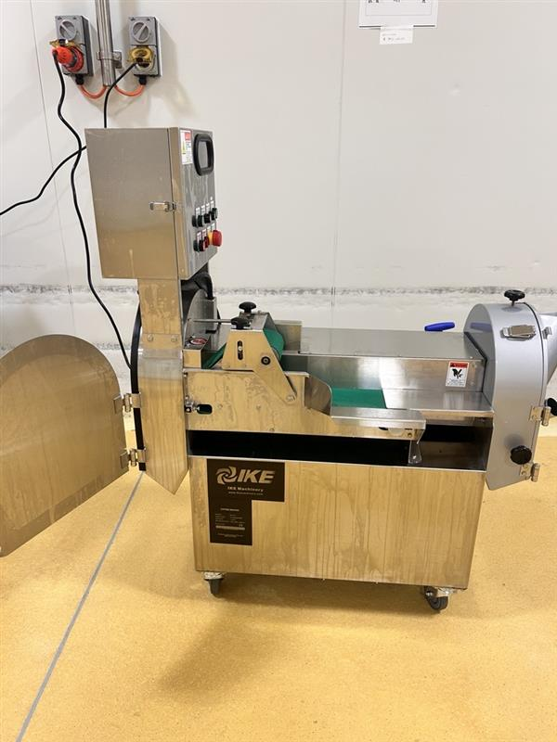
Department |  | High Care |  |  |  |  | Risk Matrix
Process / Machine |  | Slicer
Site Location |  | TK

Risk Assessment Team

Name |  | Title | Work Area
Jennifer Galea |  | Operations Manager
Ranjan |  | Operations Manager
Szymon |  | Engineer
Sean |  | Engineer
Caroyln |  | WHS | Contractor Safety
Mel |  | WHS | WHS

Risk Identification |  |  |  | Inherent Risk (Before controls) |  |  | Controls | Residual Risk (After Controls) |  |  | Additional Required Controls | Action By | Close Out | Pictures | Pictures
No | Location | Hazard Event | Hazard | Consequence | Likelihood | Level of Risk | Existing Controls | Consequence2 | Likelihood2 | Level of Risk. | Planned mitigating actions (what else will be done?) | Who | Open / Closed
1 | High Care | Electrical | Wire could be damaged due to a mobile machine causing exposed wire & electrocution | Serious | Possible | M13 | No control | Serious | Unlikely | M9 | Safety start up sheet to be drafted for the operator to check the machine daily before start up. Hard wire the machine to eleminated wires from being damaged | Mel Szymon | closed
2 | High Care | Electrical | No isolator on the machine, maintenance technician performs maintenance checks for breakdowns | Serious | Possible | M13 | LOTO Process | Minor | Unlikely | L5 | Install a local, lockable rotary isolation switch directly on the unit frame to ensure positive mechanical isolation. | Szymon | closed
3 | High Care | Electrical | Water or cleaning solution sprays directly onto or seeps into the control box during daily cleaning or contract cleaning | Serious | Possible | M13 | No control | Serious | Possible | M13 | Upgrade or replace the control box to achieve an IP66 & adding rubber around egdes to reduce water getting in. Add a fan to cool the control panel | Szymon | closed
4 | High Care | Amputation | Operator places their hand into the feeding hole to clear a jam or push vegetables further down while the machine is running. | Extreme | Likely | E24 | No control | Serious | Unlikely | M9 | Extend the feed chute length to enforce "Safe by Distance" reach barriers (AS/NZS 4024.1801). Key lock has been installed on this machine that operates the feeding holes. When the key is de-activated the power will not run to this side of the machine. only the operation manager has access to this feeding hole | Szymon | closed
5 | High Care | Entanglement | Loose clothing, long hair, or jewellery drops into the feeding hole. | Major | Likely | E21 | No control | Minor | Unlikely | L5 | Install a restricted-throat baffle plate or an angled funnel over the feeding opening to block drop-in access. | Szymon | closed
6 | High Care | Amputation | Operator attempts to clear debris and hand is pulled into the machine cutting finger / hand. | Extreme | Likely | E24 | Signage on the machine, don’t place hand into machine | Minor | Unlikely | L5 | Install fixed perimeter guards length to enforce "Safe by Distance" reach barriers (AS/NZS 4024.1801). Guarding has been installed with an interlock, when the door is opened the machine will disengage stopping the blade, The blade has an addiotnal magnent interlocking Operators can not reach within the machine with the guarding on | Szymon | closed
7 | High Care | Amputation | Operator reaches their hand directly up into either of the bottom discharge holes to pull out packed or clogged vegetable debris while the machine is running or coasting. | Extreme | Likely | E24 | No control | Minor | Unlikely | L5 | Fabricate extended discharge tunnels or specialized discharge chutes that physically exceed the arm-reach safety distances required by AS/NZS 4024.1801. Guarding has been installed with an interlock, when the door is opened the machine will disengage stopping the blade, The blade has an addiotnal magnent interlocking Operators can not reach within the machine with the guarding on | Szymon | closed
8 | High Care | Amputation | Operator reaches over the low side-guard vegetable conveyor belt to adjust a vegetable or clean the belt while it is in motion, getting drawn into the cutting head. | Extreme | Likely | E24 | No control | Minor | Unlikely | L5 | Fabricate extended conveyors that physically exceed the arm-reach safety distances required by AS/NZS 4024.1801. Guarding has been installed with an interlock, when the door is opened the machine will disengage stopping the blade, The blade has an addiotnal magnent interlocking Operators can not reach within the machine with the guarding on | Szymon | closed
9 | High Care | Entanglement | Operator opens the main silver casing (where the hinges and black knobs are) to clean the blades or change the cutting disc while the motor is spinning or coasting. | Extreme | Likely | E24 | No control | Minor | Unlikely | L5 | Install safety interlock on the door, when the machine is stopped or guard is opened the blade immeditely stops Guarding has been installed with an interlock, when the door is opened the machine will disengage stopping the blade, The blade has an addiotnal magnent interlocking Operators can not reach within the machine with the guarding on | Szymon | closed
10 | High Care | Laceration | A worker attempts to change the blades or clean inside the cutting chamber, could cause laceration. | Major | Possible | H18 | PPE available | Major | Possible | H18 | Shadow board on where to store blades are on the machine, use of specialized, heavy-duty cut-resistant PPE gloves during blade changeouts. SOP | Jen | closed
11 | High Care | Laceration | Because there is no active braking system, the heavy blade disc continues to spin silently operator could open the guarding & blade could still be spinning causing amputation | Extreme | Likely | E24 | No control | Minor | Unlikely | L5 | Fit a Solenoid Guard Locking Switch (Power-to-Unlock) paired with a Zero-Speed Monitor or time-delay safety relay. The chamber will physically remain locked shut until the blades hit or put the break system on the motor to stop the blades from spinning Guarding has been installed with an interlock, when the door is opened the machine will disengage stopping the blade, The blade has an addiotnal magnent interlocking Operators can not reach within the machine with the guarding on | Szymon | closed
12 | High Care | Ergonomic | Operators are forced to work in a sustained forward-flexed (hunched) position to load or unload the machine for hours at a time. | Major | Possible | H18 | Manual handling training | Major | Possible | H18 | Mount and anchor the entire machine chassis onto a robust engineered steel sub-base (plinth) to lift the operational height to waist/chest level (900 to 1200mm) as per the standard Accpeting the risk | Szymon | closed
13 | High Care | Manual handling | Feeding the machine is at a lower level & an operator will be in a hunched position could cause muscel starin | Major | Possible | H18 | Manual handling training | Major | Possible | H18 | Place the crates on wheels so they are not sitting on the floor | Jen | closed
14 | High Care | Manual handling | Picking up sliced product from ground level at the exit of the machine could cause muscle starain | Major | Possible | H18 | Manual handling training | Major | Possible | H18 | Place the crates on wheels so they are not sitting on the floor | Jen | closed

