Use_Case
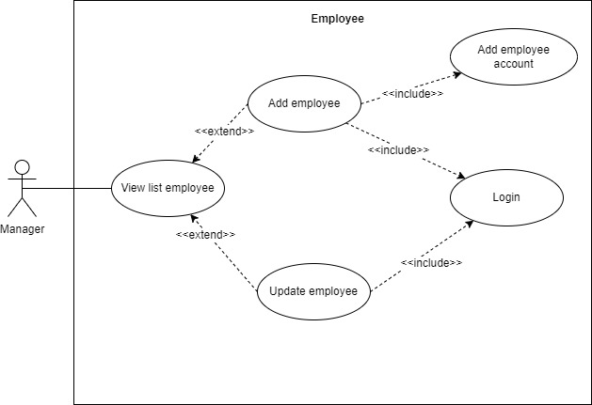
5.4.2.2 Màn hình thêm mới thông tin nhân viên
5.4.2.4 Màn hình chỉnh sửa thông tin nhân viên

Class_Diagram
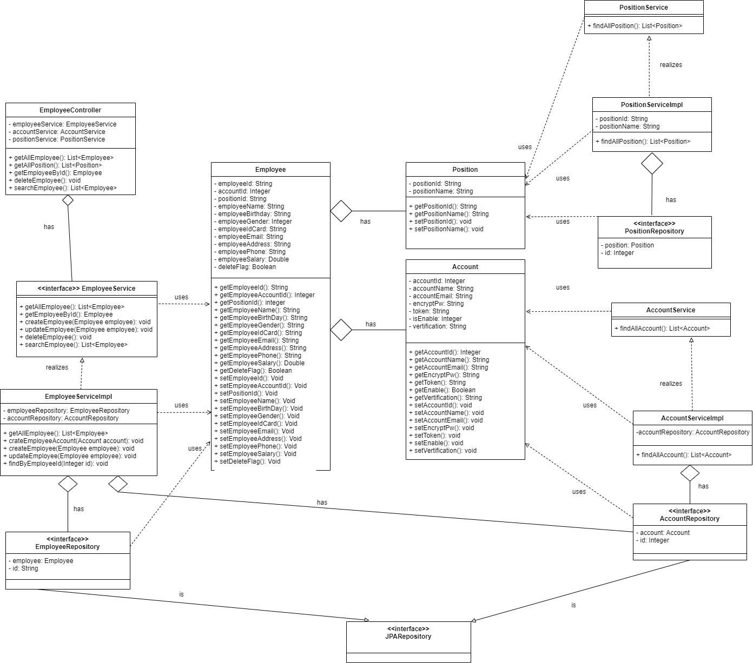
5.4.2.2 Màn hình thêm mới thông tin nhân viên
5.4.2.4 Màn hình chỉnh sửa thông tin nhân viên

Sequence_Diagram
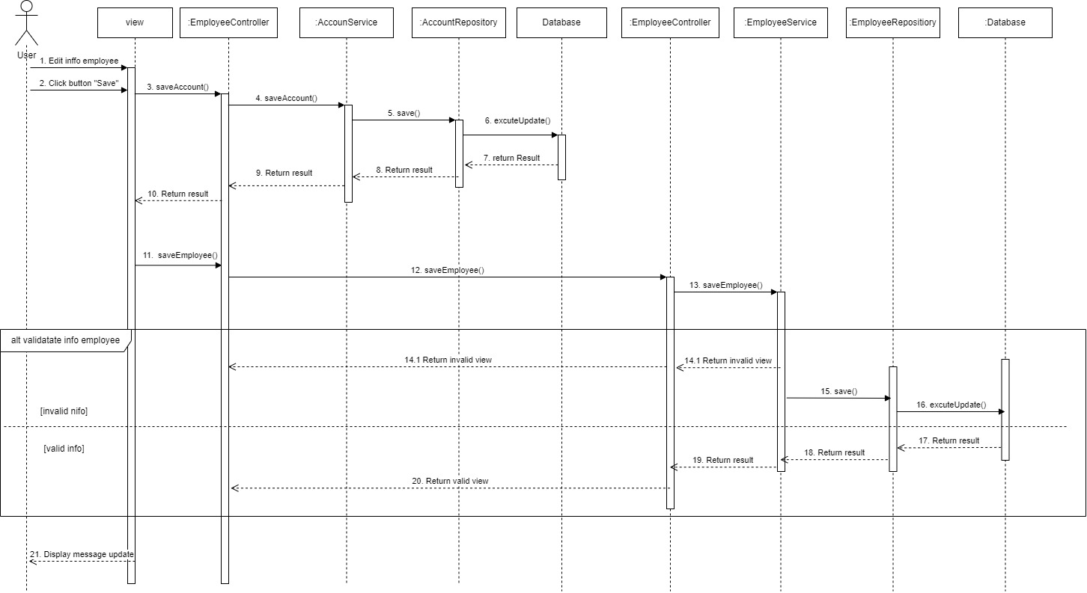
5.4.2.2 Màn hình thêm mới thông tin nhân viên



5.4.2.4 Màn hình chỉnh sửa thông tin nhân viên

