MODEL
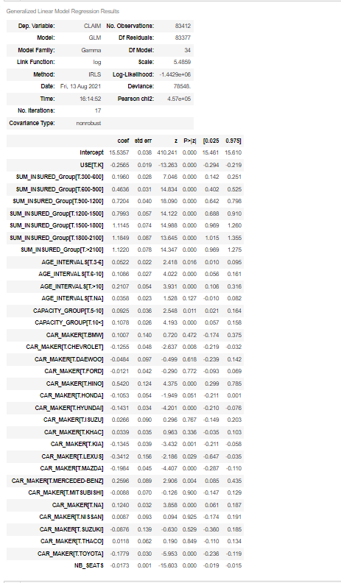
TRAIN
80% OF THE DATA (OLDEST) ~ 83k rows

 | AIC | 2885829
 | BIC | -866242

TEST
20% OF THE DATA ~ 20k rows
 |  |  | MAPE | 147%

 |  |  | Predict_y | 110112026599
 |  |  | Actual_y | 108889942708
 |  |  | Difference | 1,2%

