MODEL
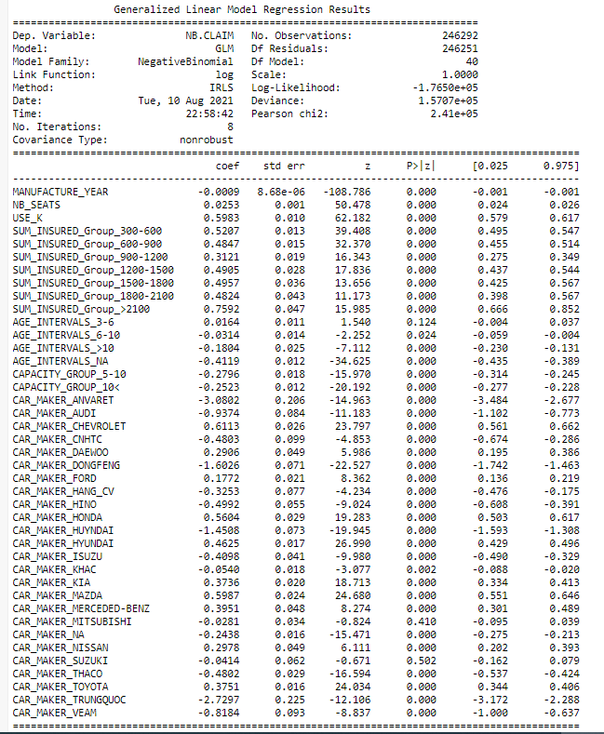
TRAIN
80% OF THE DATA (OLDEST)~250k rows

 | AIC | 353084
 | BIC | -2899961

TEST |  |  | MSE | 0.4644
20% OF THE DATA ~ 62k rows |  |  | MAE | 0.5537

VISUAL
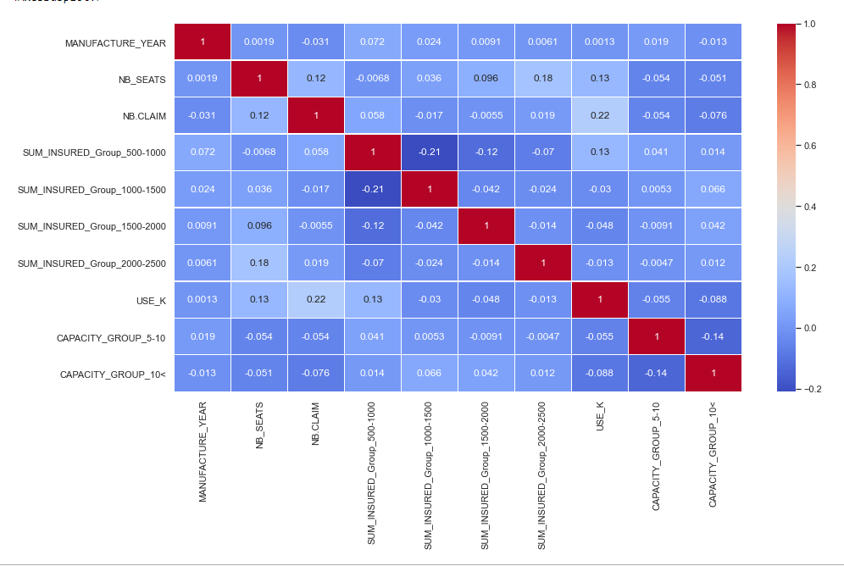
Correlation between variables

