Sitemap
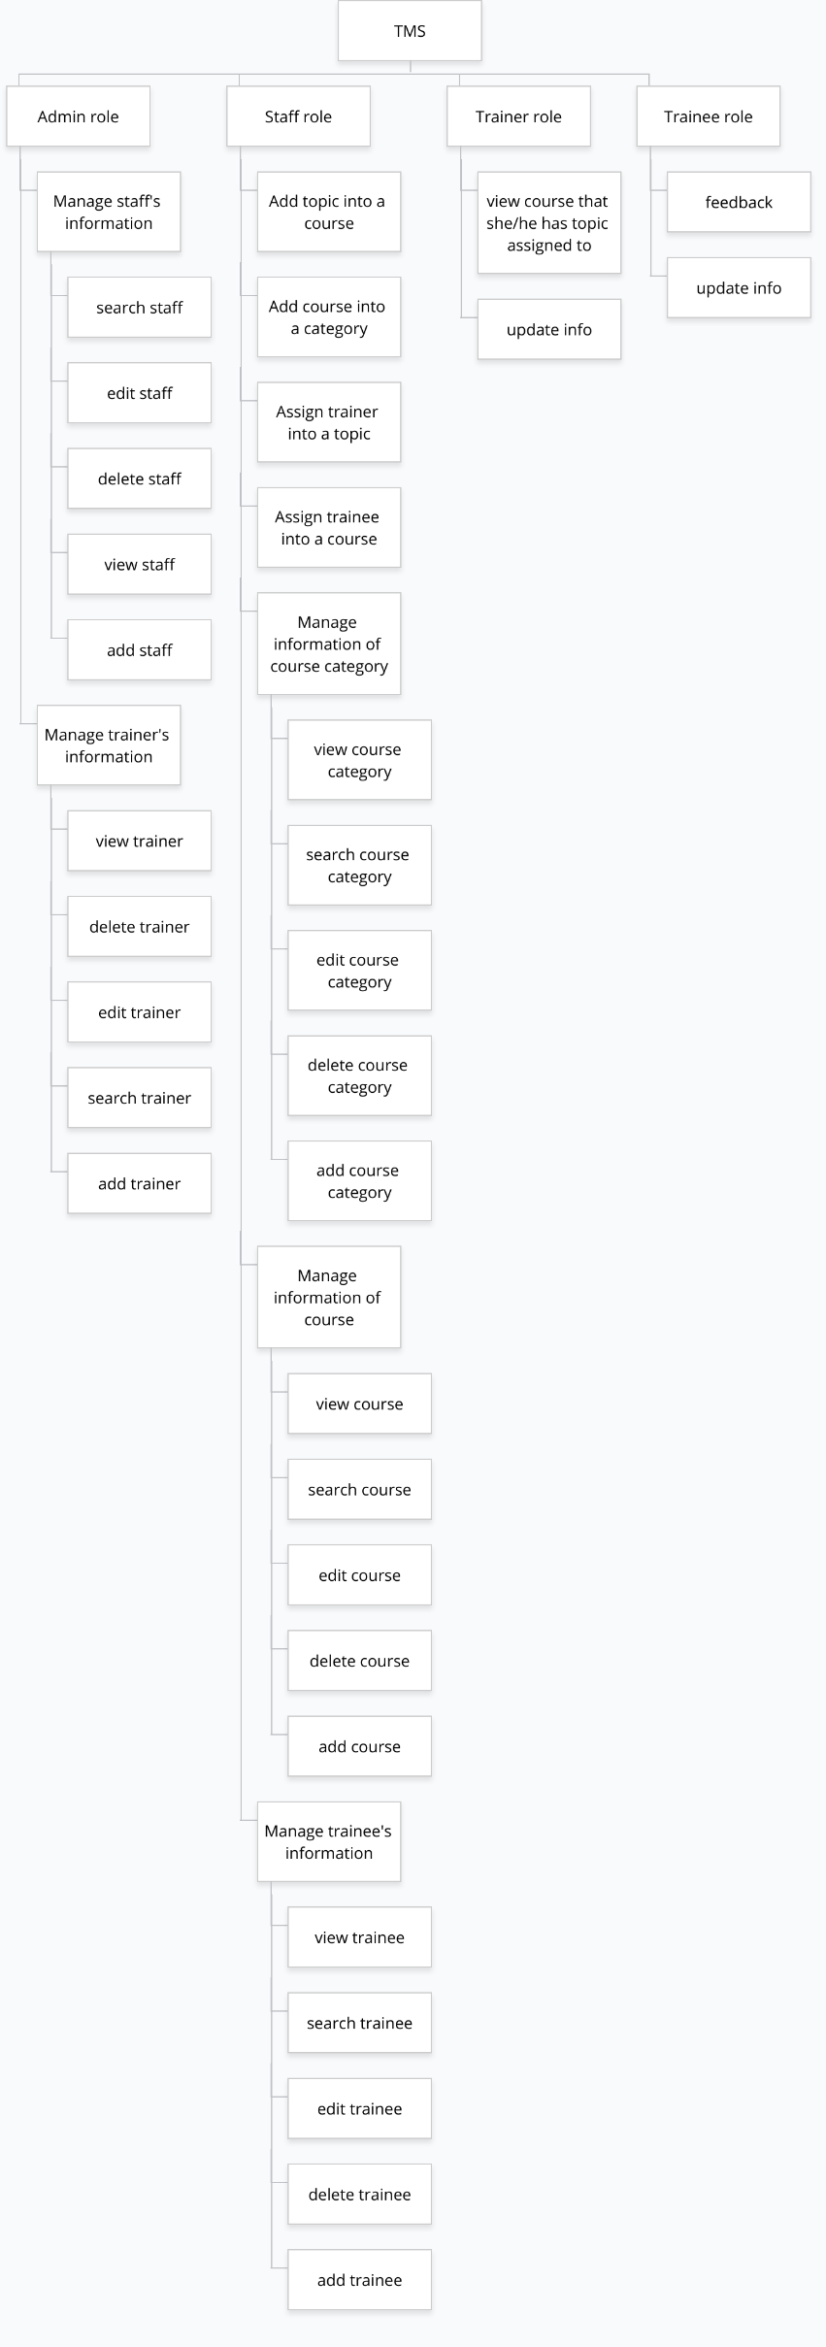
https://www.gloomaps.com/qKjWjNDVma

