Use case tổng quát
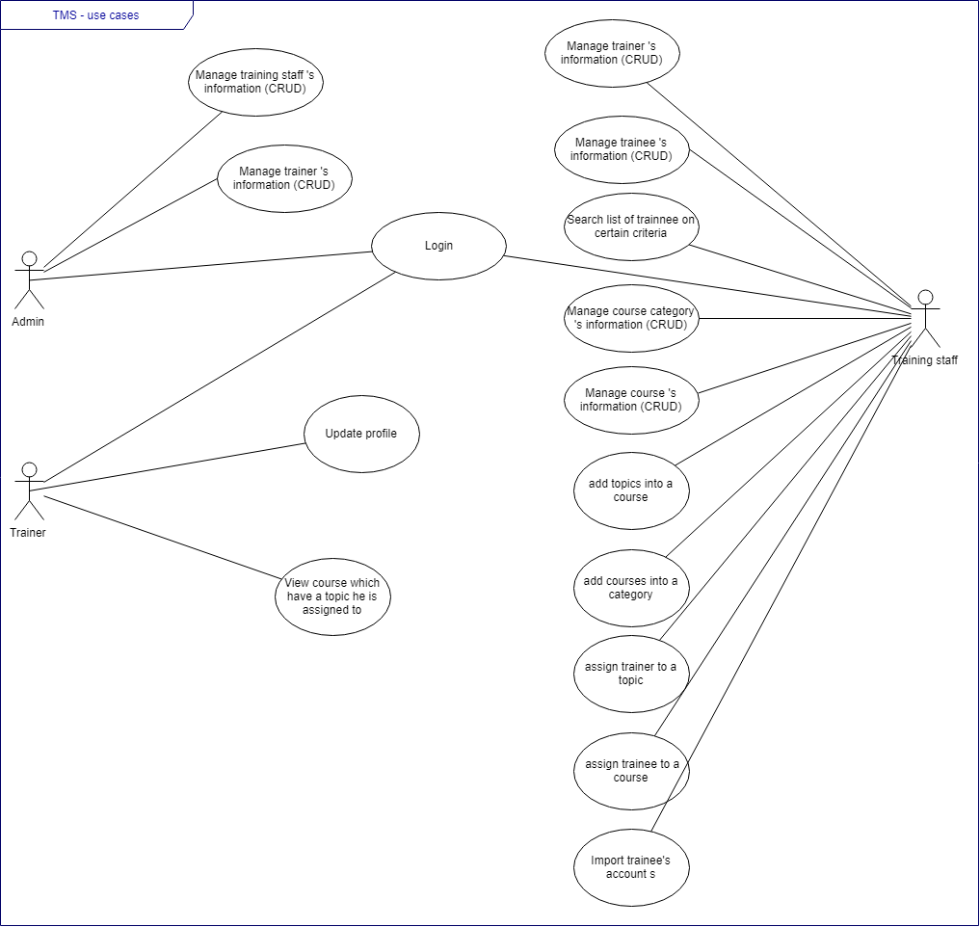
Câu 1 | TMS usecase tổng quát

Use case được phân công
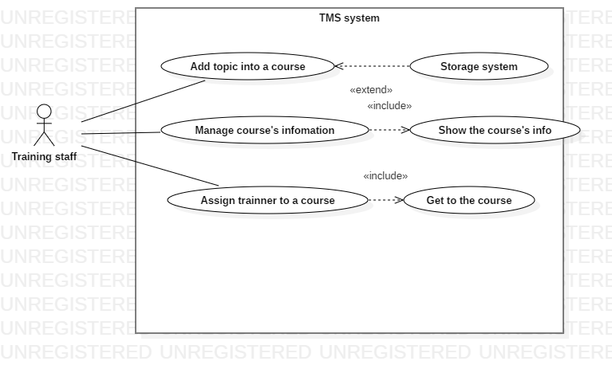
Use case các chức năng được phân công

Manager course's info
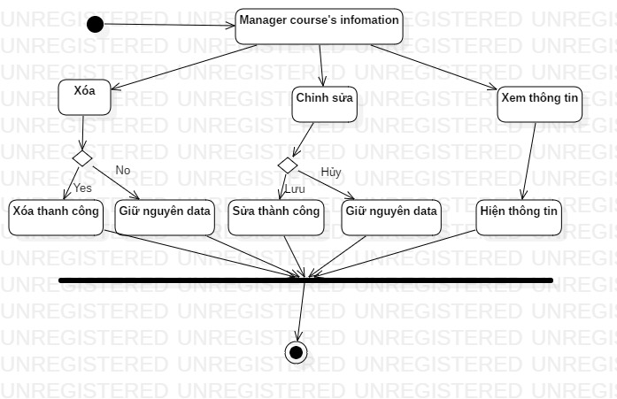
Activity diagram Manager course's info

Add topic into a course
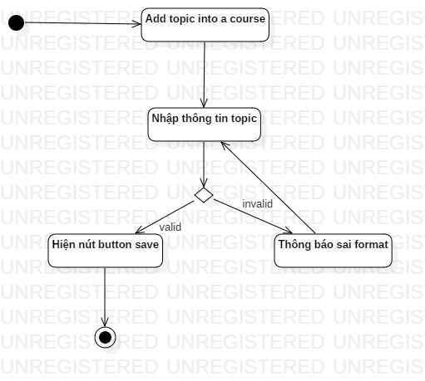
Activity diagram of Add topic into a course

Assign trainer to a course
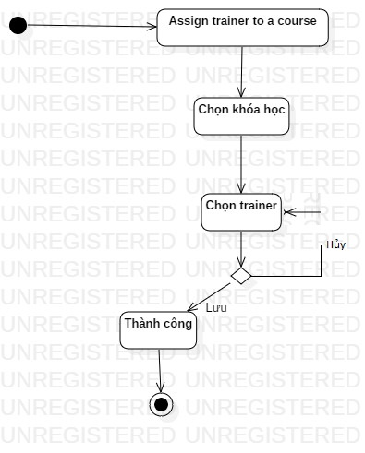
Activity diagram of Assign trainer to a course

