Sheet1
Connexus Semester Plan
 |  | add to start
objective | start date | 42770 | duration
1. work on sandbox 5k app | 0 | 42770 | 17
2. work on 100K app | 0 | 42770 | 40
3. install sensors | 7 | 42777 | 7
4. set up Jetson TK1 computer | 7 | 42777 | 7
5. test and calibrate machine sensors | 14 | 42784 | 7
6. create a shop manager interface | 21 | 42791 | 7
7. set up computer vision software | 21 | 42791 | 7
8. finalize sensor project | 28 | 42798 | 5
9. collect preliminary training data | 33 | 42803 | 23
10. install cameras | 33 | 42803 | 5
11. create machine vision presentables | 49 | 42819 | 7
12. train computer vision software | 56 | 42826 | 28
13. implement smart surveillance draft | 79 | 42849 | 5
14. test and finetune software | 84 | 42854 | 7
15. final project write-up | 91 | 42861 | 7

Sheet2
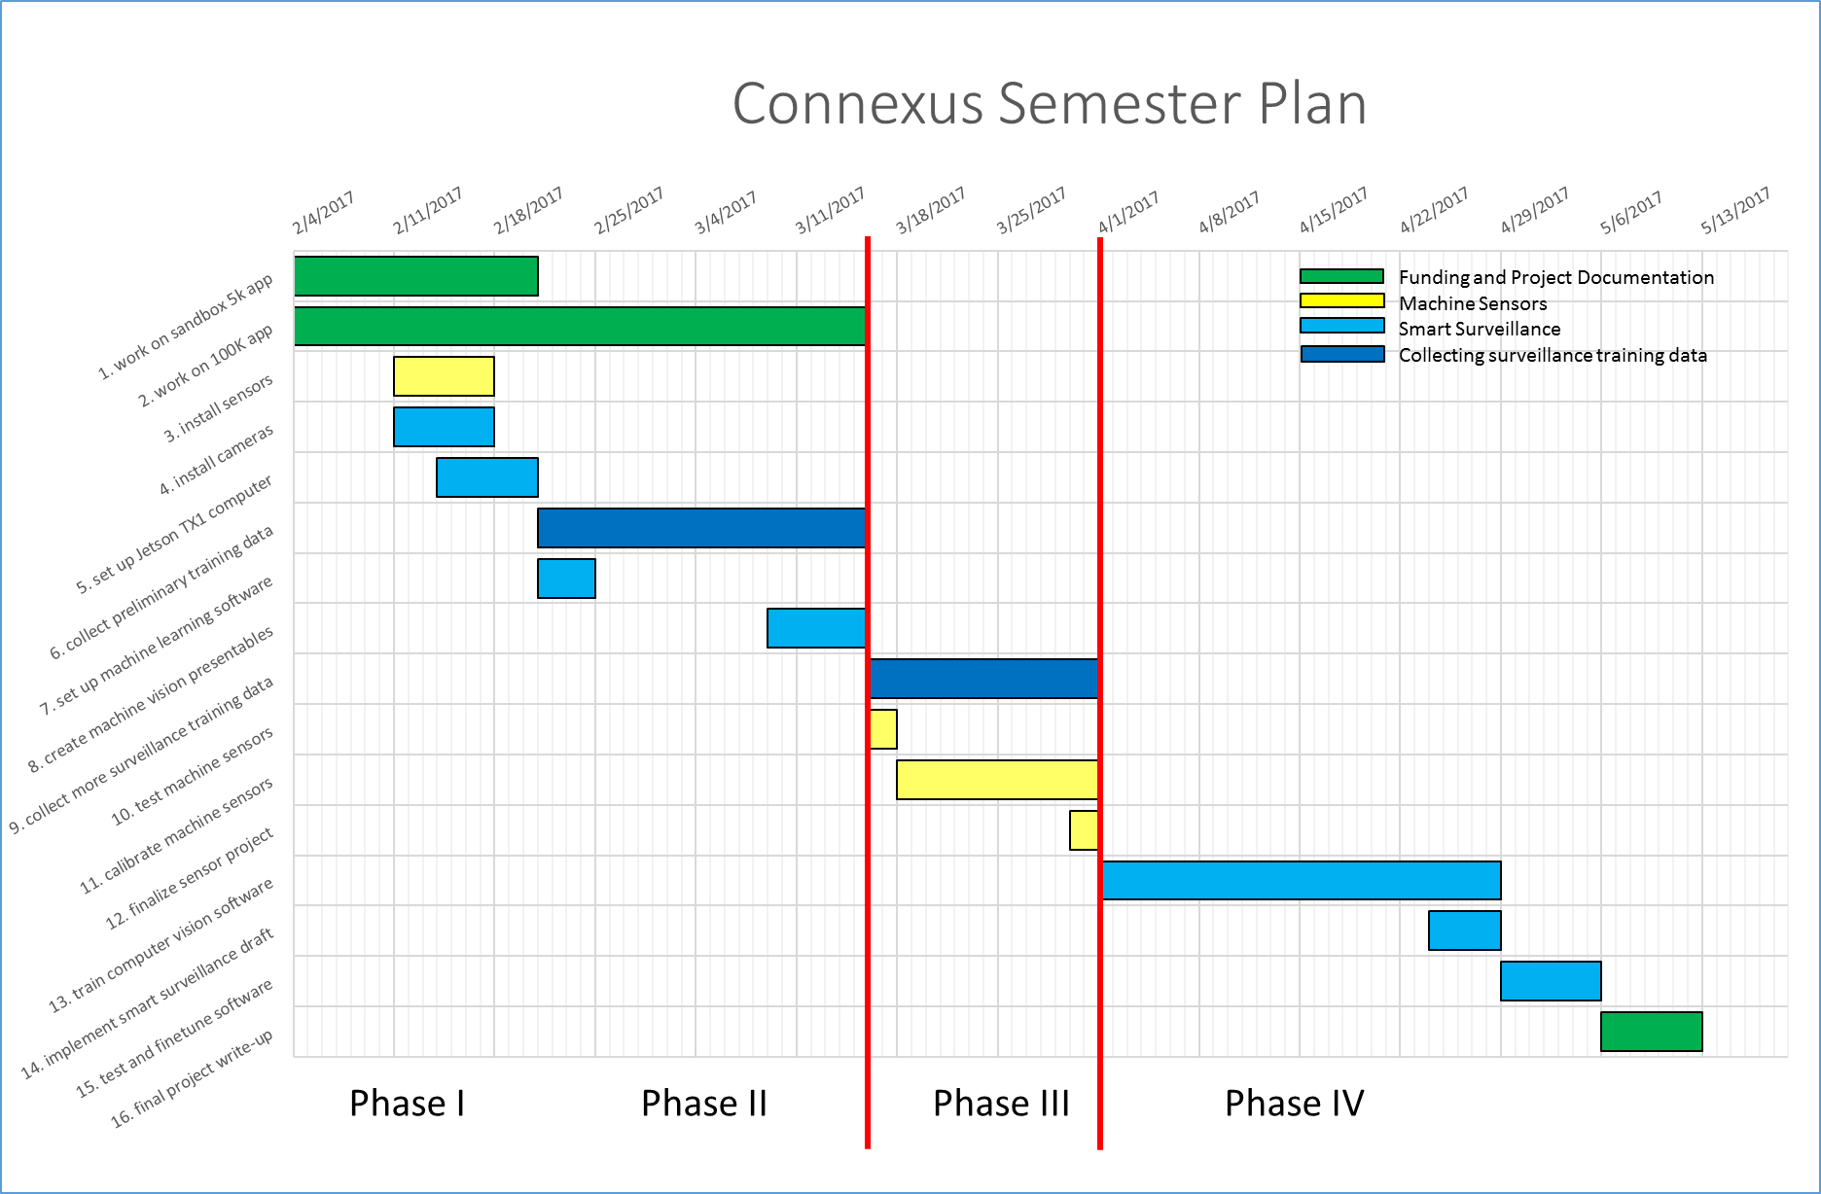

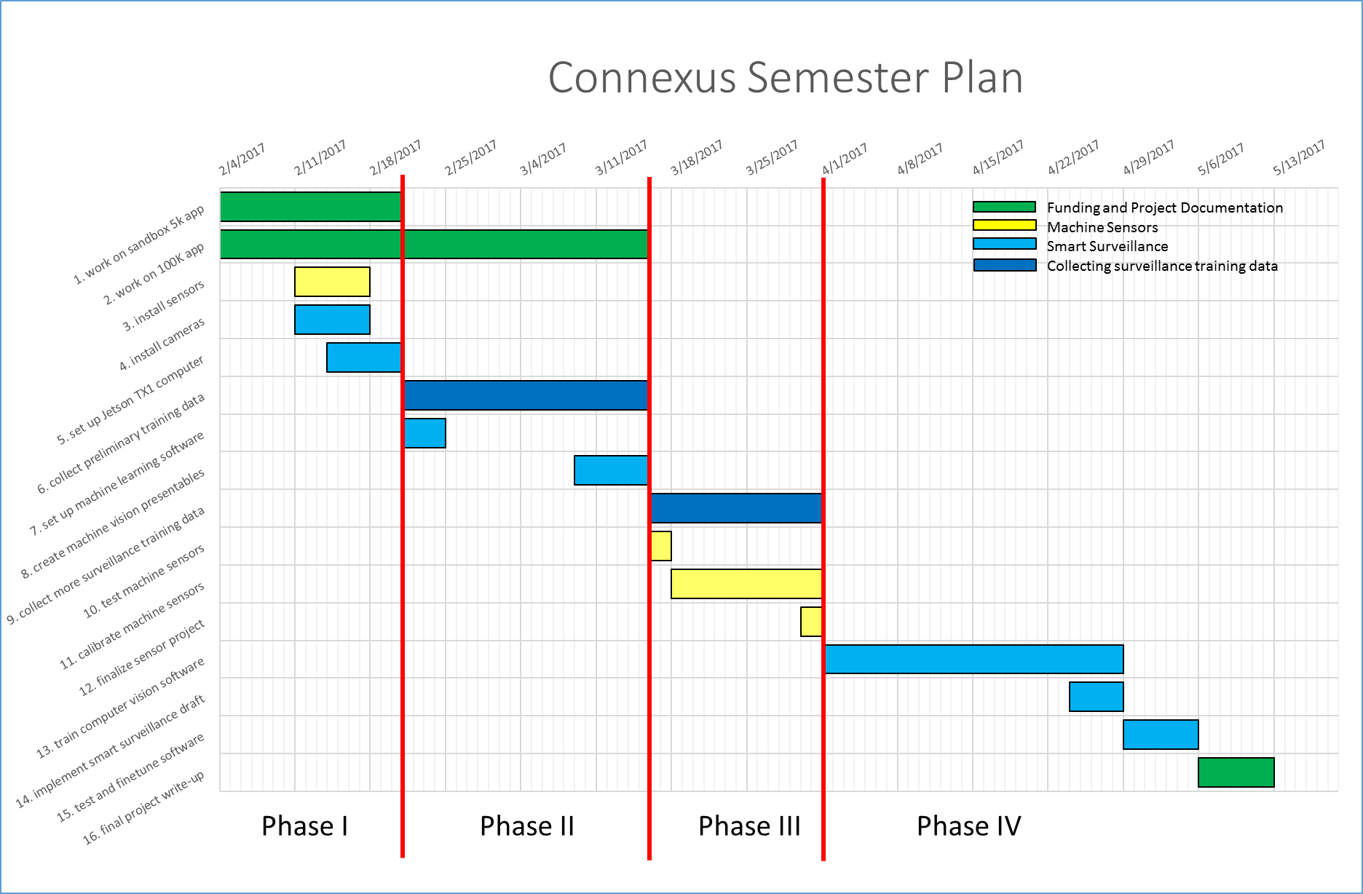

Sheet3
