KEY
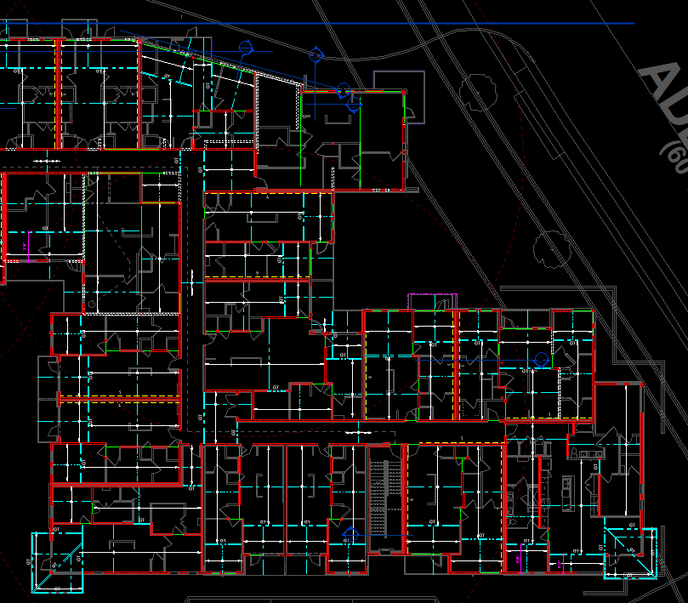
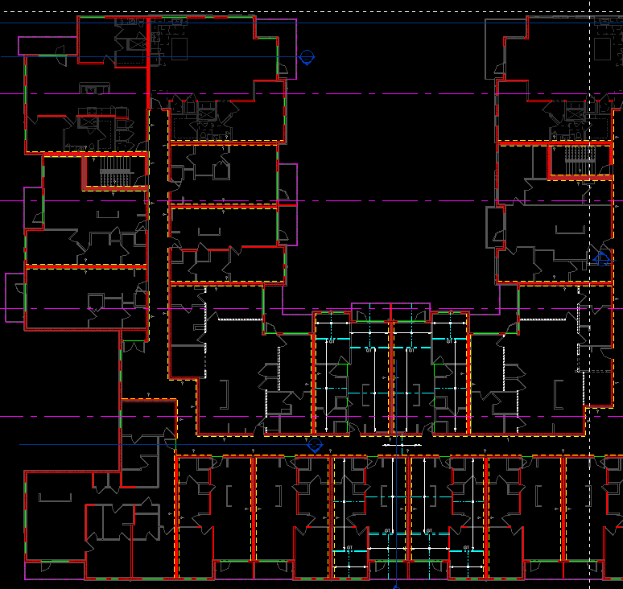
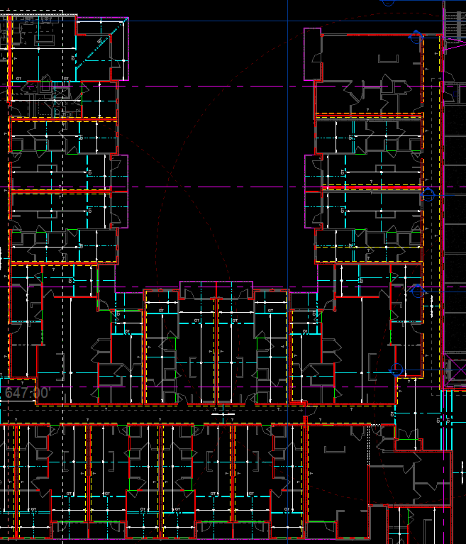
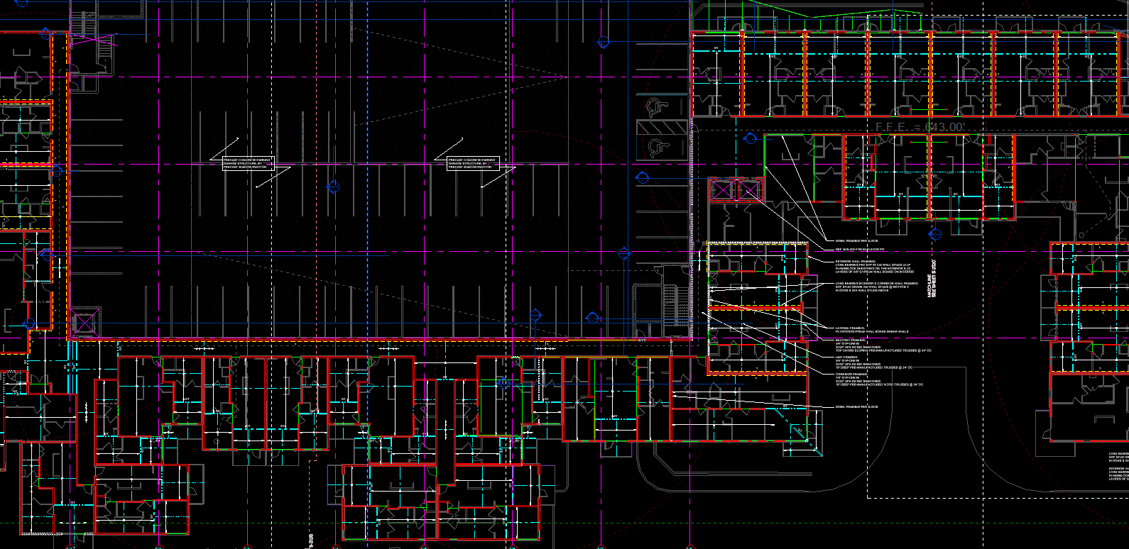
A
B
C
D
F
G
H
I
J
K
L
M
N
O
P
Q
R
S
T
U
V
W
U
V
U
A
C
G
I
K1
B
D
F
H
J
L1
V
X
Y
Z
AA
AB
AC
AD
AE
AF
AG
AF
AH
AI
AJ
AK
AL
AM
AN
AP
AP
AQ
AR
AS
AT
AO
AU
AV
AW
AX
AV
AY
AZ
BA
BB
BC
BD
BE
BE
BE
BC
BD
BF
BG
BH
BI
BJ
BK
BL
BM
BN
BO
BP
BQ
BR
BS
BT
BU
BV
S
R
V
U
U
T
AF1
AF1
AF1
AF2
AG
AZ1
AZ2
BC1
BC1
BQ1
2

BW
BX
BY
BZ
CA
CB
CC
CD
CF
BY
CE
CG
CI
CJ
CK
CK
CL
CM
CL
CM
CI
CJ
CK
CJ
CH
CG
CH
CG
CI
CJ
CK
CK
CL
CM
CL
CM
CI
CJ
CK
CJ
CH
CN
CO
CP
CQ
CR
CS
CT
CU
CV
CW
CW2
CX
DB
DC
CY
CZ
DA
DD
DE
DF
DG
DH
DI
DJ
DK
DL
DM
DJ
DK
DN
DO
DP
DQ
DR
DR
DS
EE
DT
DU
DV
DW
DX
DY
DZ
EA
EB
EC
ED

