Sheet18
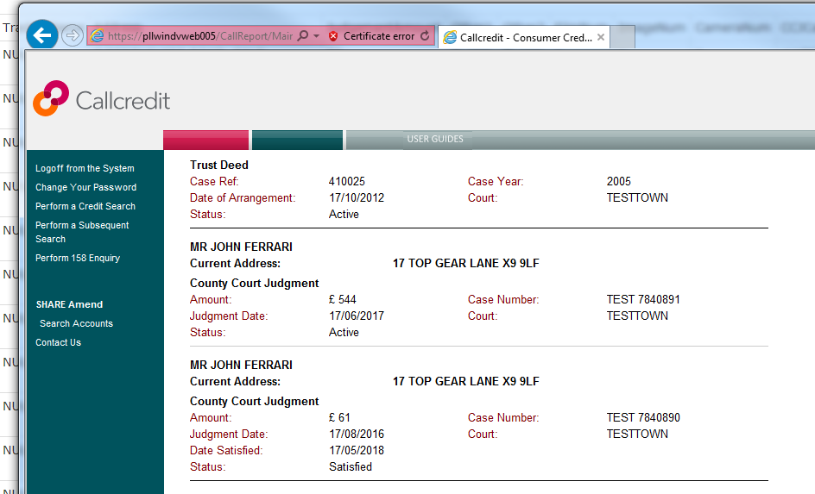
 | NAME | DOB | HOUSE | STREET | Town | Postcode
 | John Ferrari | 13/10/1944 | 17 | Top Gear Lane | Test Town | X9 9LF

[PersonId] | PersonId | TitleId | NameSuffixId | Surname | Forename | Othername | Sex | DoBirth | ProcessId | IndividualId
 | 140833562 | 2 | 1 | FERRARI | JOHN | RICHARD | M | 1944-10-13 00:00:00 | 1402846 | NULL
 | 140950062 | 2 | 1 | FERRARI | JOHN | RICHARD | M | 1974-09-17 00:00:00 | 1402846 | NULL

[tblResidence] | ResidenceId | PersonId | DomicileId | DateMoveIn | DateMoveOut | HouseholdComp | Deleted | ProcessId | IndividualId
 | 152825270 | 140950062 | 35372523 | NULL | NULL | NULL | 0 | 1402846 | 66966
 | 148631882 | 140833562 | 35249583 | NULL | NULL | NULL | 0 | 1402846 | 66797
 | 155995341 | 140833562 | 35372523 | NULL | NULL | NULL | 0 | 1402846 | 66797

[tblCCJCasePerson] | CCJCasePerId | CCJCaseId | ResidenceId | CurrentStatus | ProcessId | Displayed
 | 8162167 | 7840890 | 148631882 | SS | 1402846 | 1
 | 8162168 | 7840891 | 148631882 | JG | 1402846 | 1
 | 8283948 | 7957427 | 152825270 | JG | 1402846 | 1

[tblCCJ] | CCJId | CCJStatus | Title | Forename | Surname | TradingName | Address | JudgementAmount | Other1 | Other2 | FilmNum | ImageNum | CameraNum | CCJCasePerId | JudgeDate | SatCancDate | ProcessId | Displayed
 | 9100495 | SS | MR | JOHN | FERRARI |  | 17 TOP GEAR LANE X9 9LF | 61 |  |  |  |  |  | 8162167 | 8/17/16 | 5/17/18 | 1402846 | 1
 | 9100496 | JG | MR | JOHN | FERRARI |  | 17 TOP GEAR LANE X9 9LF | 544 |  |  |  |  |  | 8162168 | 6/17/17 | NULL | 1402846 | 1
 | 9243783 | JG | MR | JOHN | FERRARI |  | 38 TOP GEAR LANE X9 9LF | 215 |  |  |  |  |  | 8283948 | 7/17/17 | NULL | 1402846 | 1

 | 16067526 | SA | MRS | BECKY | MARS | NULL | 7 DERBYSHIRE ROAD, SALE, MANCHESTER, M33 3EB | 50 |  |  | 1 | 1 | 1 | 80003927 | 1/20/17 | 1/20/18 | 654321 | 1

