Sheet1
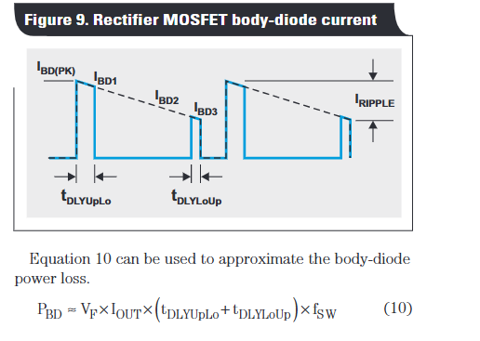
Vin | 28
Iout | 20 |  |  |  |  | Psw |  |  |  | Irip | Pcon |  |  |  | Pdrv |  |  |  | Pbod |  |  |  | Ptot
Ig | 2 |  |  |  | Fsw | FET1 | FET2 | FET3 | FET4 |  | FET1 | FET2 | FET3 | FET4 | FET1 | FET2 | FET3 | FET4 | FET1 | FET2 | FET3 | FET4 | FET1 | FET2 | FET3 | FET4
L | 7.17E-05 |  |  |  | 1000 | 4.34E-03 | 4.48E-03 | 7.11E-03 | 2.46E-03 | 97.63 | 5.73E-01 | 5.25E-01 | 8.36E+02 | 7.17E-01 | 7.00E-04 | 6.90E-04 | 1.04E-03 | 8.50E-05 | 1.19E-03 | 5.59E-04 | 9.36E-04 | 0.00E+00 | 5.79E-01 | 5.31E-01 | 8.36E+02 | 7.19E-01
MOSFET Losses vs Switching Frequency
Duty | 0.25 |  |  |  | 2000 | 8.68E-03 | 8.96E-03 | 1.42E-02 | 4.93E-03 | 48.81 | 2.87E-01 | 2.63E-01 | 4.19E+02 | 3.59E-01 | 1.40E-03 | 1.38E-03 | 2.08E-03 | 1.70E-04 | 2.39E-03 | 1.12E-03 | 1.87E-03 | 0.00E+00 | 3.00E-01 | 2.75E-01 | 4.19E+02 | 3.64E-01
DT | 1.00E-08 |  |  |  | 5000 | 2.17E-02 | 2.24E-02 | 3.56E-02 | 1.23E-02 | 19.53 | 2.07E-01 | 1.90E-01 | 3.02E+02 | 2.59E-01 | 3.50E-03 | 3.45E-03 | 5.20E-03 | 4.25E-04 | 5.97E-03 | 2.80E-03 | 4.68E-03 | 0.00E+00 | 2.38E-01 | 2.19E-01 | 3.02E+02 | 2.72E-01
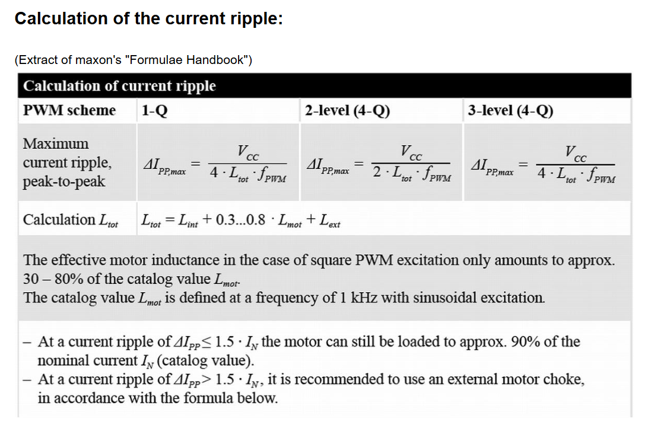
 |  |  |  |  | 10000 | 4.34E-02 | 4.48E-02 | 7.11E-02 | 2.46E-02 | 9.76 | 1.96E-01 | 1.79E-01 | 2.86E+02 | 2.45E-01 | 7.00E-03 | 6.90E-03 | 1.04E-02 | 8.50E-04 | 1.19E-02 | 5.59E-03 | 9.36E-03 | 0.00E+00 | 2.58E-01 | 2.37E-01 | 2.86E+02 | 2.70E-01
 |  |  |  |  | 12000 | 5.21E-02 | 5.38E-02 | 8.53E-02 | 2.96E-02 | 8.14 | 1.95E-01 | 1.78E-01 | 2.84E+02 | 2.43E-01 | 8.40E-03 | 8.28E-03 | 1.25E-02 | 1.02E-03 | 1.43E-02 | 6.71E-03 | 1.12E-02 | 0.00E+00 | 2.69E-01 | 2.47E-01 | 2.84E+02 | 2.74E-01
 | FET1 | FET2 | FET3 | FET4 | 15000 | 6.51E-02 | 6.72E-02 | 1.07E-01 | 3.70E-02 | 6.51 | 1.94E-01 | 1.78E-01 | 2.82E+02 | 2.42E-01 | 1.05E-02 | 1.03E-02 | 1.56E-02 | 1.28E-03 | 1.79E-02 | 8.39E-03 | 1.40E-02 | 0.00E+00 | 2.87E-01 | 2.63E-01 | 2.83E+02 | 2.80E-01
RDSon | 9.60E-04 | 8.80E-04 | 1.4 | 1.20E-03 | 20000 | 8.68E-02 | 8.96E-02 | 1.42E-01 | 4.93E-02 | 4.88 | 1.93E-01 | 1.77E-01 | 2.81E+02 | 2.41E-01 | 1.40E-02 | 1.38E-02 | 2.08E-02 | 1.70E-03 | 2.39E-02 | 1.12E-02 | 1.87E-02 | 0.00E+00 | 3.18E-01 | 2.91E-01 | 2.82E+02 | 2.92E-01
QG | 7.00E-08 | 6.90E-08 | 1.04E-07 | 1.70E-08 | 25000 | 1.08E-01 | 1.12E-01 | 1.78E-01 | 6.16E-02 | 3.91 | 1.93E-01 | 1.77E-01 | 2.81E+02 | 2.41E-01 | 1.75E-02 | 1.72E-02 | 2.60E-02 | 2.13E-03 | 2.98E-02 | 1.40E-02 | 2.34E-02 | 0.00E+00 | 3.48E-01 | 3.20E-01 | 2.81E+02 | 3.04E-01
Vgs | 10 | 10 | 10 | 5 | 30000 | 1.30E-01 | 1.34E-01 | 2.13E-01 | 7.39E-02 | 3.25 | 1.92E-01 | 1.76E-01 | 2.81E+02 | 2.41E-01 | 2.10E-02 | 2.07E-02 | 3.12E-02 | 2.55E-03 | 3.58E-02 | 1.68E-02 | 2.81E-02 | 0.00E+00 | 3.79E-01 | 3.48E-01 | 2.81E+02 | 3.17E-01
Rg | 1.15 | 1 | 1.6 | 0.6
QGS2 | 6.40E-09 | 1.10E-08 | 2.20E-08 | 3.80E-09
QGD | 9.10E-09 | 9.60E-09 | 1.90E-08 | 2.40E-09
Vgsth
tr(total) | 4.10E-08 | 1.93E-08 | 2.80E-08 | 1.00E-08
tf(total | 3.55E-08 | 1.61E-08 | 2.40E-08 | 1.00E-08
Vf | 0.78 | 0.79 | 0.9 | 0
Name | PSMN1R2 | ISG0613N04NM6H | IPB014N06N | EPC2367

