Search String
MQ | What envinmental quality indicators are used to assess the performance of nature-based solutions? |  |  |  |  |  |  |  |  | Results
 | Term 1 (environmental quality indicators) | AND | Term 2 (nature-based solutions) | AND | Term 3 (performance)
OR | air pollut* | OR | nature*based solutions | OR | reduction
OR | thermal comfort | OR |  | OR | increase |  |  |  | ((nitrogen dioxide* OR noise OR carbon dioxide OR thermal comfort OR temperature OR ozone OR water OR particulate matter) AND (nature based solutions) AND (reduction OR increase OR improve* OR mitigat*)) | 2,266 | (last 5 years)
OR | temperature | OR |  | OR | Improve*
OR | noise | OR |  | OR | Mitigat* |  |  |  | ((air OR heat OR noise OR water) AND ("nature based solution*") AND (reduction OR increase OR improve* OR mitigat*))
OR | Water |  |  | OR
 |  |  |  |  |  |  |  |  | Search String
MQ | What envinmental quality indicators are used to assess the performance of nature-based solutions? |  |  |  |  |  |  |  | TS=((air OR heat OR noise OR water) AND ("nature based solution*") AND (reduction OR increase OR improve* OR mitigat*))
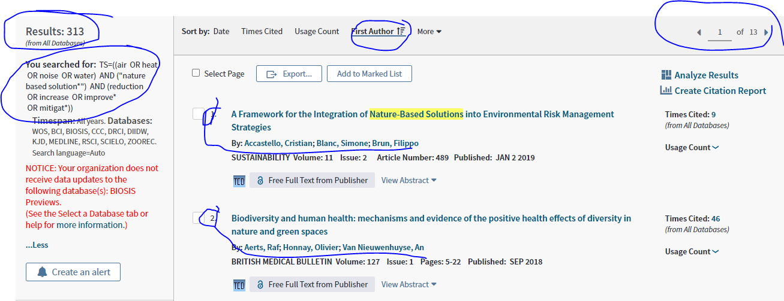
 | Term 1 (environmental quality indicators) | AND | Term 2 (nature-based solutions) | AND | Term 3 (performance)
OR | nitrogen dioxide | OR |  | OR | reduction
OR | pollution | OR | trees | OR | increase
OR | Air | OR | passive | OR | deaths
OR | Climate | OR |  | OR | efficiency
OR | solar | OR |  | OR | ratios
OR | ozone depleting substances | OR |  | OR
OR | Water | OR |  | OR | Improve*
OR | Marine - Fish Stocks | OR | Green Roofs | OR | Mitigat*
OR | Quality | OR | Retention Ponds | OR
OR | Land | OR | Hedges | OR
OR | Waste | OR |  | OR
OR | Carbon Dioxide | OR | Parks | OR
OR | Emission | OR | Swales | OR | dispersion
OR | Noise | OR |  | OR
OR | Freshwater- Rivers Runnig Dry | OR |  | OR
OR | Marie | OR |  | OR | Ecological restoration
OR | Soil | OR | Green infrastructure | OR
OR | Particulate Matter | OR |  | OR

RQ | What vegetation characteristics promote the removal of particulate matter in the built environment?
 | Term 1 (vegetation) | AND | Term 2 (vegetation characteristics) | AND | Term 3 (particulate matter)
OR | hedge* | OR | leaf | OR | particulate*
OR | shrub* | OR | height | OR | particl*
OR | tree* | OR | species | OR
OR |  | OR |  | OR
OR |  | OR |  | OR
OR |  | OR
OR |  | OR
OR |  | OR
OR

RQ | WHAT IS THE PREVALENCE OF AIR POLLUTION EXPOSURE BY URBAN COMMUTERS
 | Term 1 | AND | Term 2 |  |  |  |  | 2000-2020
OR | Passenger* | OR | particulate*
OR | driver* | OR | TSS |  |  |  |  |  |  | Results
OR | commut* | OR | "PM"
OR | pedestrian* | OR | "suspended solids" |  |  |  |  |  | (flora OR vegetation OR hedge* OR shrub* OR tree* OR forest*) AND (leaf OR height OR species OR deciduous OR evergreen) AND (particulate* OR particl* OR dust OR "black carbon" OR soot)
OR | cyclist* | OR | particl*
OR | travel* | OR | dust |  |  |  |  |  | ((hedge* OR shrub* OR tree*) AND (leaf OR height OR species) AND (particulate* OR particl*))
OR |  | OR | "black carbon"
OR |  | OR | soot

RQ. | How effective are created or restored freshwater wetlands for nitrogen and phosphorus removal?
 | Term 1 | AND | Term 2 | AND | Term 3 | AND | Term 4
OR | wetland* | OR | construct* | OR | nitrogen | OR | retention
OR | pond | OR | creat* | OR | phosph* | OR | trap*
OR | mire* | OR | restor* | OR | nitrate | OR | denitrification
OR | marsh | OR | man*made | OR | TKN | OR | uptake |  |  | Results
OR | fen | OR | flooding | OR | ammoni* | OR | sedimentation* |  | (Passenger* OR driver* OR commut* OR pedestrian* OR cyclist* OR travel*) AND (particulate* OR "pm" OR particl* OR dust OR "black carbon" OR soot) | 12,967
OR | "wet meadow" | OR | inundation | OR |  | OR | remov*
OR | riparian | OR | artificial | OR |  | OR | settling
OR | "flood plain" | OR |  | OR |  | OR | accretion
OR | reed | OR |  | OR |  | OR | precipitat*
 |  |  |  |  |  |  | *sorption

 |  |  |  |  |  |  |  |  | (wetland* OR pond OR mire* OR marsh OR fen OR "wet meadow" OR riparian OR "flood plain" OR reed) AND (construct* OR creat* OR restor* OR man*made OR flooding OR inundation) AND (nitrogen OR phosph* OR nitrate OR TKN OR ammoni*) AND (retention OR trap* OR denitrification OR uptake OR sedimentation OR remov* OR settling OR accretion OR precipitat* OR *sorption)

