Einleitung
N - Norm | G - Groß | D - Dreieck
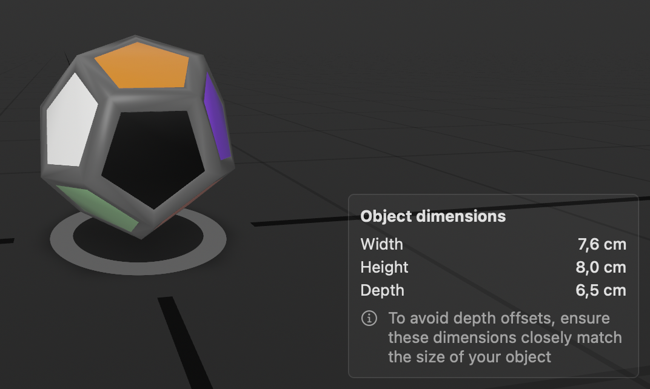
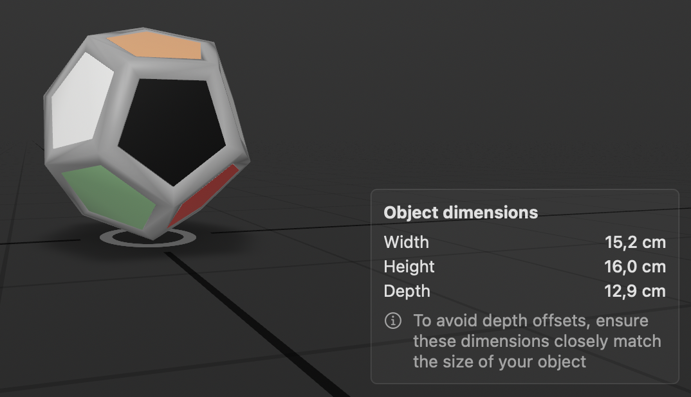
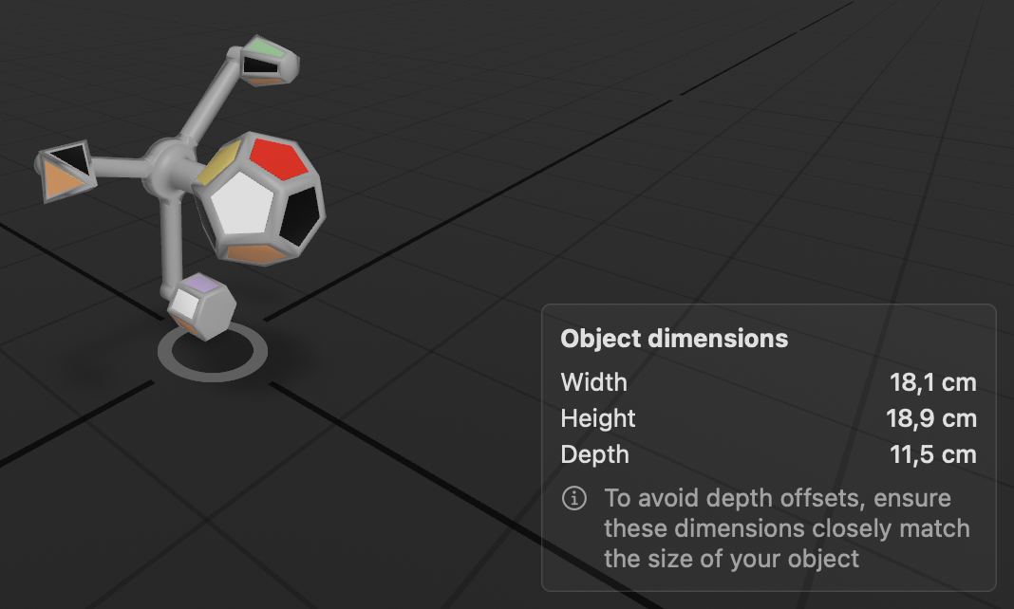

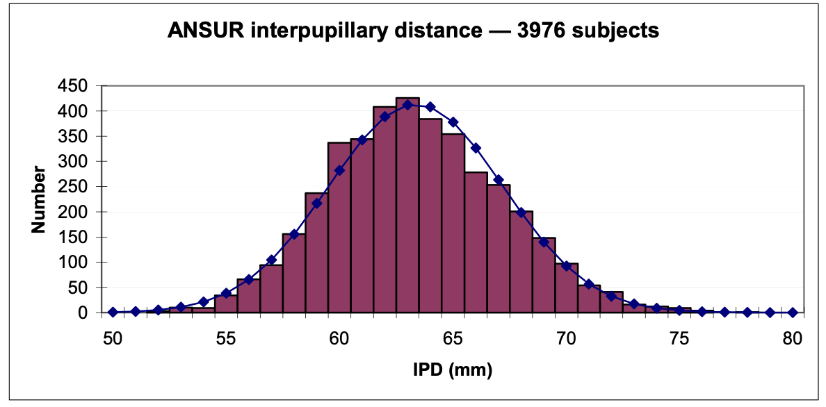

Quelle: Variation and extrema of human interpupillary distance

Serien
Serie | Object | Person | Pupil | Count | Mean | Median | Varianz in mm |  | Median |  |  |  | Mean
D-C | D | C | 65.39 | 15 | 0.03119489473 | 0.030846134567 | 0.023649190068 |  | Pupil | D | G | N |  | Pupil | D | G | N
D-F | D | F | 59.47 | 15 | 0.081475879776 | 0.085821173944 | 0.16403254749 | F | 59.47 | 0.085821173944 | 0.020083980356 | 0.054854535105 | F | 59.47 | 0.081475879776 | 0.023011137537 | 0.049832371675
D-K | D | K | 60.507 | 15 | 0.051091588359 | 0.052332571363 | 0.098994981459 | K | 60.507 | 0.052332571363 | 0.0099794140049 | 0.035109728925 | K | 60.507 | 0.051091588359 | 0.010333464706 | 0.035264684695
D-M | D | M | 63.907 | 15 | 0.037851520564 | 0.044477057694 | 0.13585858038 | S | 63.01 | 0.051759308091 | 0.014908614468 | 0.049113970872 | S | 63.01 | 0.046182954557 | 0.017655991172 | 0.048970193594
D-Mai | D | Mai | 64.3425 | 15 | 0.030111687877 | 0.024292547682 | 0.092341095045 | M | 63.907 | 0.044477057694 | 0.0058327579115 | 0.03168869789 | M | 63.907 | 0.037851520564 | 0.0076994252926 | 0.031760571918
D-R | D | R | 76.96 | 15 | 0.023381711866 | 0.024453017361 | 0.015868975248 | Mai | 64.3425 | 0.024292547682 | 0.003911413922 | 0.040997766527 | Mai | 64.3425 | 0.030111687877 | 0.0088594212313 | 0.041165077474
D-S | D | S | 63.01 | 15 | 0.046182954557 | 0.051759308091 | 0.10813168066 | C | 65.39 | 0.030846134567 | 0.0069942755961 | 0.028747078486 | C | 65.39 | 0.03119489473 | 0.0068587544662 | 0.028271987375
G-C | G | C | 65.39 | 15 | 0.0068587544662 | 0.0069942755961 | 0.0026748474804 | R | 76.96 | -0.024453017361 | -0.0067593829096 | -0.017428656143 | R | 76.96 | -0.023381711866 | -0.0085322377023 | -0.017711741424
G-F | G | F | 59.47 | 15 | 0.023011137537 | 0.020083980356 | 0.13835178442 | #N/A |  | #N/A | #N/A | #N/A | #N/A |  | #N/A | #N/A | #N/A
G-K | G | K | 60.507 | 15 | 0.010333464706 | 0.0099794140049 | 0.012546479646 | #N/A |  | #N/A | #N/A | #N/A | #N/A |  | #N/A | #N/A | #N/A
G-M | G | M | 63.907 | 15 | 0.0076994252926 | 0.0058327579115 | 0.018319699958 | #N/A |  | #N/A | #N/A | #N/A | #N/A |  | #N/A | #N/A | #N/A
Median of object tracking accuracy in dependency of pupil distance
Mean of object tracking accuracy in dependency of pupil distance
G-Mai | G | Mai | 64.3425 | 15 | 0.0088594212313 | 0.003911413922 | 0.14810220649
G-R | G | R | 76.96 | 15 | 0.0085322377023 | 0.0067593829096 | 0.043011984895
G-S | G | S | 63.01 | 15 | 0.017655991172 | 0.014908614468 | 0.17543663477
N-C | N | C | 65.39 | 15 | 0.028271987375 | 0.028747078486 | 0.0076482388609
N-F | N | F | 59.47 | 15 | 0.049832371675 | 0.054854535105 | 0.45162496464
N-K | N | K | 60.507 | 15 | 0.035264684695 | 0.035109728925 | 0.060050699687
N-M | N | M | 63.907 | 15 | 0.031760571918 | 0.03168869789 | 0.027071754247
N-Mai | N | Mai | 64.3425 | 15 | 0.041165077474 | 0.040997766527 | 0.0011100861191
N-R | N | R | 76.96 | 15 | 0.017711741424 | 0.017428656143 | 0.039438998923
N-S | N | S | 63.01 | 15 | 0.048970193594 | 0.049113970872 | 0.003729736526
serie | #VALUE! | #VALUE! | #VALUE! | 1 | #DIV/0! | #NUM! | #DIV/0!
0 | #VALUE! | #VALUE! | #VALUE! | 0 | #DIV/0! | 0 | 0
 | #VALUE! | #VALUE! | #VALUE! | 0 | #DIV/0! | 0 | 0
 | #VALUE! | #VALUE! | #VALUE! | 0 | #DIV/0! | 0 | 0
 | #VALUE! | #VALUE! | #VALUE! | 0 | #DIV/0! | 0 | 0
 | #VALUE! | #VALUE! | #VALUE! | 0 | #DIV/0! | 0 | 0
 | #VALUE! | #VALUE! | #VALUE! | 0 | #DIV/0! | 0 | 0
 | #VALUE! | #VALUE! | #VALUE! | 0 | #DIV/0! | 0 | 0
 | #VALUE! | #VALUE! | #VALUE! | 0 | #DIV/0! | 0 | 0

Korrelationen
Pair |  |  |  |  | =KORREL | assumption
Pupil distance - Radius object D (median) |  |  |  |  | #N/A | yes
Pupil distance - Radius object G (median) |  |  |  |  | #N/A | yes
Pupil distance - Radius object N (median) |  |  |  |  | #N/A | yes
Pupil distance - Radius object D |  |  |  |  | -0.40047210179 | yes
Pupil distance - Radius object G |  |  |  |  | -0.33614355906 | prob. yes
Pupil distance - Radius object N |  |  |  |  | -0.18168574794 | yes

