Sheet1
van der Waals equation:

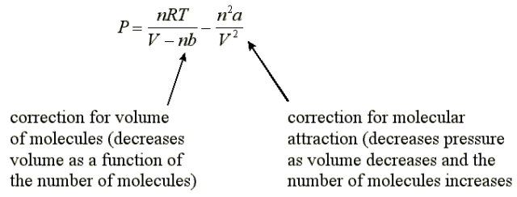

 |  |  |  | CHANGE TEMPERATURE |  |  | CHANGE MOLES |  |  | CHANGE VOLUME
 |  |  |  |  | Isothermal |  |  |  |  |  | Isochoric

 |  |  |  | n= | 1.00 | mol | T= | 273 | K | T= | 273

 |  |  |  | V= | 22.4 | L | V= | 22.4 | L | n= | 1.00

 |  |  |  |  | a= | b= |  | a= | b= |  | a= | b=
 |  |  |  |  | 20.4 | 0.138 |  | 20.4 | 0.138 |  | 20.4 | 0.138
Substance | a (L2 atm/mol2) | b(L/mol)
He | 0.0341 | 0.0237 |  | T(K) | P(ideal) | P(real) | moles | P(ideal) | P(real) | Volume | P(ideal) | P(real)
H2 | 0.244 | 0.0266 | 0.32791287237 | 100 | 0.36630 | 0.32791 | 0.01 | 0.01000 | 0.01000 | 22.4 | 1.00000 | 1.11943
O2 | 1.36 | 0.0318 | 0.9655385574 | 273 | 1.00000 | 0.96554 | 1 | 1.00000 | 0.96554 | 11.2 | 1.99999 | 2.15755
H2O | 5.46 | 0.0305 | 1.4336221528 | 400 | 1.46520 | 1.43362 | 5 | 4.99998 | 4.14247 | 5.6 | 3.99999 | 3.98985
CCl4 | 20.4 | 0.1383 | 2.9079011933 | 800 | 2.93039 | 2.90790 | 10 | 9.99997 | 6.59079 | 2.8 | 7.99997 | 6.67867
 |  |  | 4.3821802338 | 1200 | 4.39559 | 4.38218 | 15 | 14.99995 | 7.37944 | 1.4 | 15.99995 | 8.15326
 |  |  | 5.8564592743 | 1600 | 5.86079 | 5.85646 | 20 | 19.99993 | 6.54776 | 0.7 | 31.99989 | -4.50981
 |  |  | 7.3307383148 | 2000 | 7.32598 | 7.33074 | 25 | 24.99991 | 4.14079 | 0.35 | 63.99978 | -92.28493

 |  |  |  |  | * | works when the pressure is relatively low and the temperature is relatively high,

