Sheet1
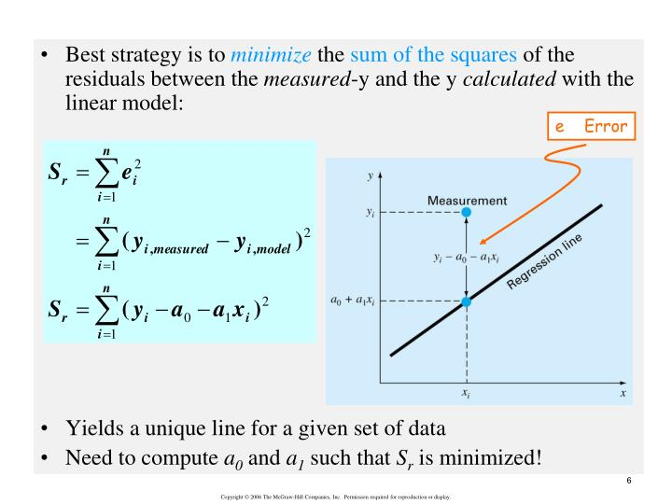
 |  |  |  |  |  |  | METHOD looks for the smallest square of variation of the dependent variable (Yi)
 |  |  |  |  |  |  | from the predicted fitted function Y=Mxi+b

 |  |  |  |  |  |  | N= | 5
 | xi | yi | x2i | y2i | xy |  | y(predicted) | yi -y | (yi -y)2 | %ERROR |  | x(predicted) | xi-x | %ERROR
 | 1.00 | 0.080 | 1 | 0.006 | 0.080 |  | 0.0841 | -0.0041 | 1.697E-05 | -5.15 |  | 0.943 | 0.06 | 5.73
 | 2.00 | 0.161 | 4 | 0.026 | 0.322 |  | 0.1560 | 0.0050 | 2.520E-05 | 3.12 |  | 2.070 | -0.07 | -3.49
 | 5.00 | 0.368 | 25 | 0.135 | 1.840 |  | 0.3716 | -0.0036 | 1.269E-05 | -0.97 |  | 4.950 | 0.05 | 0.99
 | 10.00 | 0.735 | 100 | 0.540 | 7.350 |  | 0.7309 | 0.0041 | 1.709E-05 | 0.56 |  | 10.058 | -0.06 | -0.58
 | 20.00 | 1.448 | 400 | 2.097 | 28.960 |  | 1.4495 | -0.0015 | 2.169E-06 | -0.10 |  | 19.980 | 0.02 | 0.10
 |  |  |  |  |  |  |  |  | 7.412E-05 | S(yi -y)2

Sx | 38.0000 |  |  |  |  | D= n*Sx2 - [ Sx ]2
Sy | 2.7920 |  |  |  |  |  |  |  | 6.917E-02
Sy2 | 2.8047 |  |  |  |  | m = {n Sxy - Sx Sy} / D |  |  | 2.283E-01
Sx2 | 530.0000 |  |  |  |  | b = {Sx2Sy - Sxy*Sx } / D
Sxy | 38.5520 |  |  |  |  |  |  |  |  |  | y=f(x) | x=f(y) | Invert Fit
n | 5 |  |  |  |  | SLOPE m= | 0.07186 |  | 7.186E-02 |  | 0.0719 | 13.9158 | 13.9150
 |  |  |  |  |  | INTERCEPT b= | 0.01226 |  | 1.226E-02 |  | 0.0123 | -0.1706 | -0.1701

 | STANDARD DEVIATIONS

Sy={ S(yi -y)2/(n-2)} ^0.5 |  | 0.0049705600954 |  |  |  |  | Blank Detection Limit = yblank + 3Sy(blank alone)
Sm = Sy*{ n/ [n Sx2 -(Sx)2 ] }1/2 |  | 0.0003200491493 |  |  |  |  | Signal Detection Limit (LOD) = 3.3 Sy/m |  |  |  |  | 0.2283
Sb = Sy*{ Sx2/ [n Sx2 -(Sx)2 ] }1/2 |  | 0.0032951076681 |  |  |  |  | Limit of Quantification = 10 Sy/m |  |  |  |  | 0.6917
 |  |  |  |  |  |  | Chromatography Site LOD
 |  |  |  |  |  |  | Eurachem Link


 |  |  |  |  |  | CORRELATION COEFFICEIENT
 |  |  |  |  |  |  |  |  | "Correlation is not causation"
Sxx= Sx2 -(Sx)2/n |  | 241.2000 |  |  |  | R=Sxy/Sqrt(SxxSyy)= | 0.99997
Syy= Sy2 -(Sy)2/n |  | 1.2456 |  |  |  | R2 = | 0.99994
Sxy= Sxy -SxSy)/n |  | 17.3328

Sheet2
 | 1 | 0.0404 |  | 0 | 0.0404 | 0.00163216
 | 5 | 0.3284 |  | 0 | 0.3284 | 0.10784656
 | 10 | 0.6754 |  | 0 | 0.6754 | 0.45616516
 | 20 | 1.4284 |  | 0 | 1.4284 | 2.04032656
 |  |  |  |  |  | 2.60597044 | d
Sx | 36 |  | m= | 0.073024752475
Sy | 2.4726 |  | b= | -0.039072772277
Sy2 | 2.60597044
Sx2 | 526
Sxy | 37.0044
R=

 | sy= | 1.14148378 |  | sxx | 202
 | sm | 0.080314518496 |  | syy | 1.07753275 |  | r= | 0.9998400727
 | sb | 0.92099428737 |  | sxy | 14.751 |  | r2 | 0.99968017099
 |  | 0.92186934153
 |  | =SQRT(4/(4*B24-B21*B21))*G20
 |  |  | 526

 |  | 1296
 |  | 0.0049504950495
 |  | 0.080314518496

