Value of t
N vs C.I.
 |  | 95% | SD | 1.000
N | df | t-value |  | C.I.
 |  | =TINV(0.05,df)
2 | 1 | 12.7062 |  | 8.9846 | students-normal t
3 | 2 | 4.3027 |  | 2.4841
4 | 3 | 3.1824 |  | 1.5912
5 | 4 | 2.7764 |  | 1.2417
6 | 5 | 2.5706 |  | 1.0494
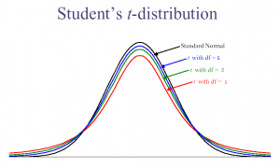

10 | 9 | 2.2622 |  | 0.7154
20 | 19 | 2.0930 |  | 0.4680
50 | 49 | 2.0096 |  | 0.2842
100 | 99 | 1.9842 |  | 0.1984
1,000 | 999 | 1.9623 |  | 0.0621
1,000,000 | 999999 | 1.9600 |  | 0.0020
6 | 5 | 2.5706 |  | 1.0494

 | CI= t*SD/Sqrt(N)

