PART_NUMBERS
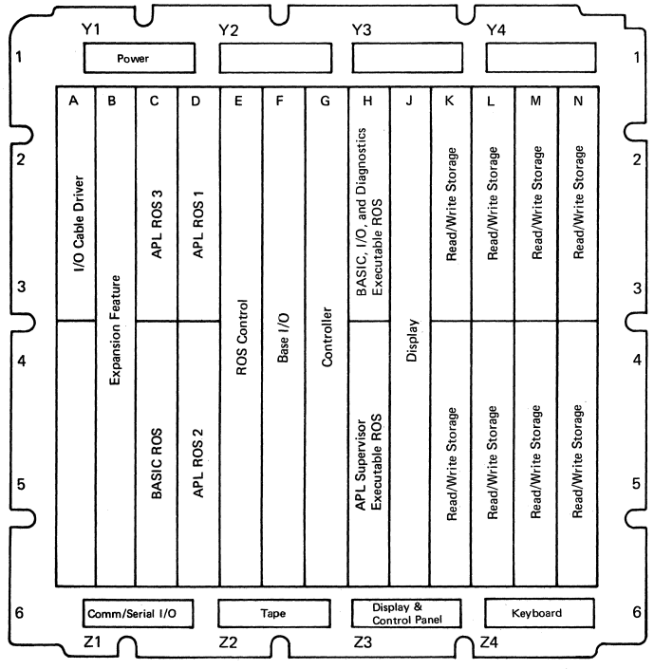
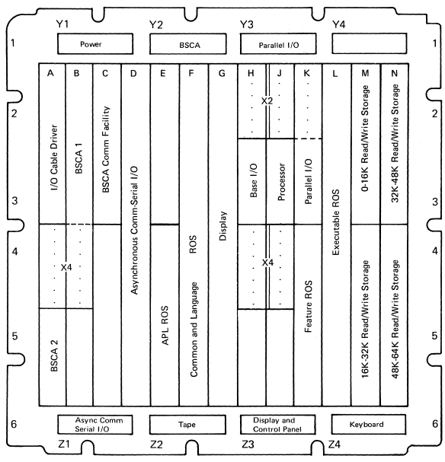
IBM 5100 |  |  |  |  | IBM 5100
DESCRIPTION | SLOT | PART. NO. | CARD EC | NOTES | DESCRIPTION | SLOT | PART. NO. | NOTES | Zxy Machine Type
I/O Cable Driver | A2 | 1608491 |  |  | I/O Cable Driver | A2 | 4360292 |  | Z > A=APL,B=BASIC,C=both
Expansion Feature | B2 | 1606996 |  | Comm. Adapter + Serial I/O | BSCA 2 | A4 | 4834792 | Binary Sync. Comm. | x = Type 1 (internal tape) or Type 2 (no internal tape)
 |  | 1607004 |  | Comm. Adapter only |  |  | 4834780 |  | y = Amount of 16K (1=16K, 2=32K, 3=48K, 4=64K)
APL ROS 3 | C2 | 1607114 |  |  | BSCA 1 | B2 | 1607176 | to IBM 3741 (System/3 or another 5100) or IBM 2770 (System/370)
BASIC ROS | C4 | 1606960 |  |  | Communication Facility | C2 | 5864363 | EIA
APL ROS 1 | D2 | 1606990 |  |  |  |  |  | DDSA (digital network) | AT&T nonswitched Data-Phone Digital Service (2400 or 4800 bps), cinch DMA-15-P plug
APL ROS 2 | D4 | 1606986 |  |  |  |  |  | 38LS (US switched w/ auto-answer)
ROS Adapter | E2 | 1607132 |  |  |  |  |  | 38LS (US non-switched w/ SNBU)
Base I/O | F2 | 1606964 |  | Interchangeable |  |  |  | 38LS (US non-switched w/o SNBU)
 |  | 1607000 |  | Interchangeable |  |  |  | 38LS (World Trade non-switched)
 |  | 1606998 |  | Interchangeable (relocated parts) |  |  |  | 38LS (Word Trade switched)
 |  | 1607122 |  | Interchangeable | Async. Serial I/O | D2 | 1607138 | Plotters, Graphic Display, Card reader or punches, Printers, Instrumentation
Controller | G2 | 656990 |  | Processor |  |  |  | EIA RS232C/CCITT V.24-V.28, AMP #205207-1 (for data) or AMP #205208-1 (for terminal)
 |  | 1607118 |  | Preferred replacement |  |  |  | 5-bit (Baudot), 6-bit (EBCD), 7-bit (ASCII)
I/O and Diagnostic | H2 | 1607112 |  |  | APL ROS | E4 | 4360442 | AXX or CXX
 |  | 1607126 |  | Use when 120cps 5103 printer is attached |  |  | 4834732
APL Supervisor | H4 | 1607110 |  |  | Common and Language ROS | F2 | (A1X) 4360434 | (B1X) 4834714 | (C1X) 4834712
Display | J2 | 656942 |  |  |  |  | (A1X) 4834796 | (B1X) 4834722 | (C1X) 4834724
 |  | 1607120 |  | Relocated parts |  |  |  | (B1X) 4834796 | (C1X) 4834796
R/W Storage | K2-N4 | 8235549 |  | Logically the same |  |  | (A1X) 4834764 | (B1X) 4834764 | (C1X) 4834764 | Katana
 |  | 8238327 |  | Logically the same
Board (A1) |  | 1608552 | 829494 |  |  |  | (A2X) 4834716 | (B2X) | (C2X) 4834720
Tape Control |  | 8527645 | 825629 |  |  |  | (A2X) 4834726 | (B2X) | (C2X) 4834730
Auxiliary Tape Adapter |  | 1606988 | 828912 |  |  |  | (A2X) 4834754 | (B2X) | (C2X) 4834800
 |  | 1607134 | 829653 |  |  |  | (A2X) 4834766 | (B2X) | (C2X) 4834770 | Katana
5103 Printer Adapter |  | 1607002 | 829492 | 80 cps | Display | G2 | 4360476
 |  | 1607124 | 829560 | 120 cps |  |  | 4360450
 |  |  |  |  |  |  | 4834708 | Katana only
 |  |  |  |  | Base I/O | H2 | (X1X) 4360496
 |  |  |  |  |  |  | (X1X) 4834746

 |  |  |  |  |  |  | (X2X) 4834700
 |  |  |  |  |  |  | (X2X) 4834794
 |  |  |  |  | Processor | J2 | 1607136
 |  |  |  |  | Parallel I/O | K2 | 4360430 | ANSI MC 1.1-1975, IEEE 488-1975 (laboratory instruments, plotters, printers), AMP 57-10210-4 plug
 |  |  |  |  | Feature ROS | K4 | 4834964 | Diskette Sort
 |  |  |  |  |  |  | 4834972
 |  |  |  |  | Executable ROS | L2 | (A1X/C1X) | (B1X)
 |  |  |  |  |  |  | (A1X/C1X) | (B1X)
 |  |  |  |  |  |  | (A1X/C1X) | (B1X) | Katana

 |  |  |  |  |  |  | (A2X/C2X) | (B2X)
 |  |  |  |  |  |  | (A2X/C2X) | (B2X)
 |  |  |  |  |  |  | (A2X/C2X)
 |  |  |  |  |  |  | (A2X/C2X) | (B2X) | Katana
 |  |  |  |  | R/W Storage | M2-N4 | 8238223
 |  |  |  |  | Print Adapter 5103 |  | 1607142 | Unique (no-sub)
 |  |  |  |  |  |  | 1607154
 |  |  |  |  |  |  | 1607152
 |  |  |  |  |  |  | 4834706 | Katana only
 |  |  |  |  | Tape Adapter 5106 |  | 1607134 | Unique (no-sub)
 |  |  |  |  |  |  | 1607144
 |  |  |  |  |  |  | 1607146
 |  |  |  |  | Tape Control (5106 or internal) |  | 8527645
 |  |  |  |  | Diskette Adapter 5114 |  | 4834710
 |  |  |  |  |  |  | 4834960
 |  |  |  |  |  |  | 4834978 | Includes VFO
 |  |  |  |  |  |  | 4834962 | Includes VFO
 |  |  |  |  | Diskette Control 5114 |  | 8528195
 |  |  |  |  |  |  | 4178068
 |  |  |  |  |  |  | 4178065
 |  |  |  |  | VFO |  | 1607217 | ('710 and '960 only)

