DSN GROUP (Obvi)
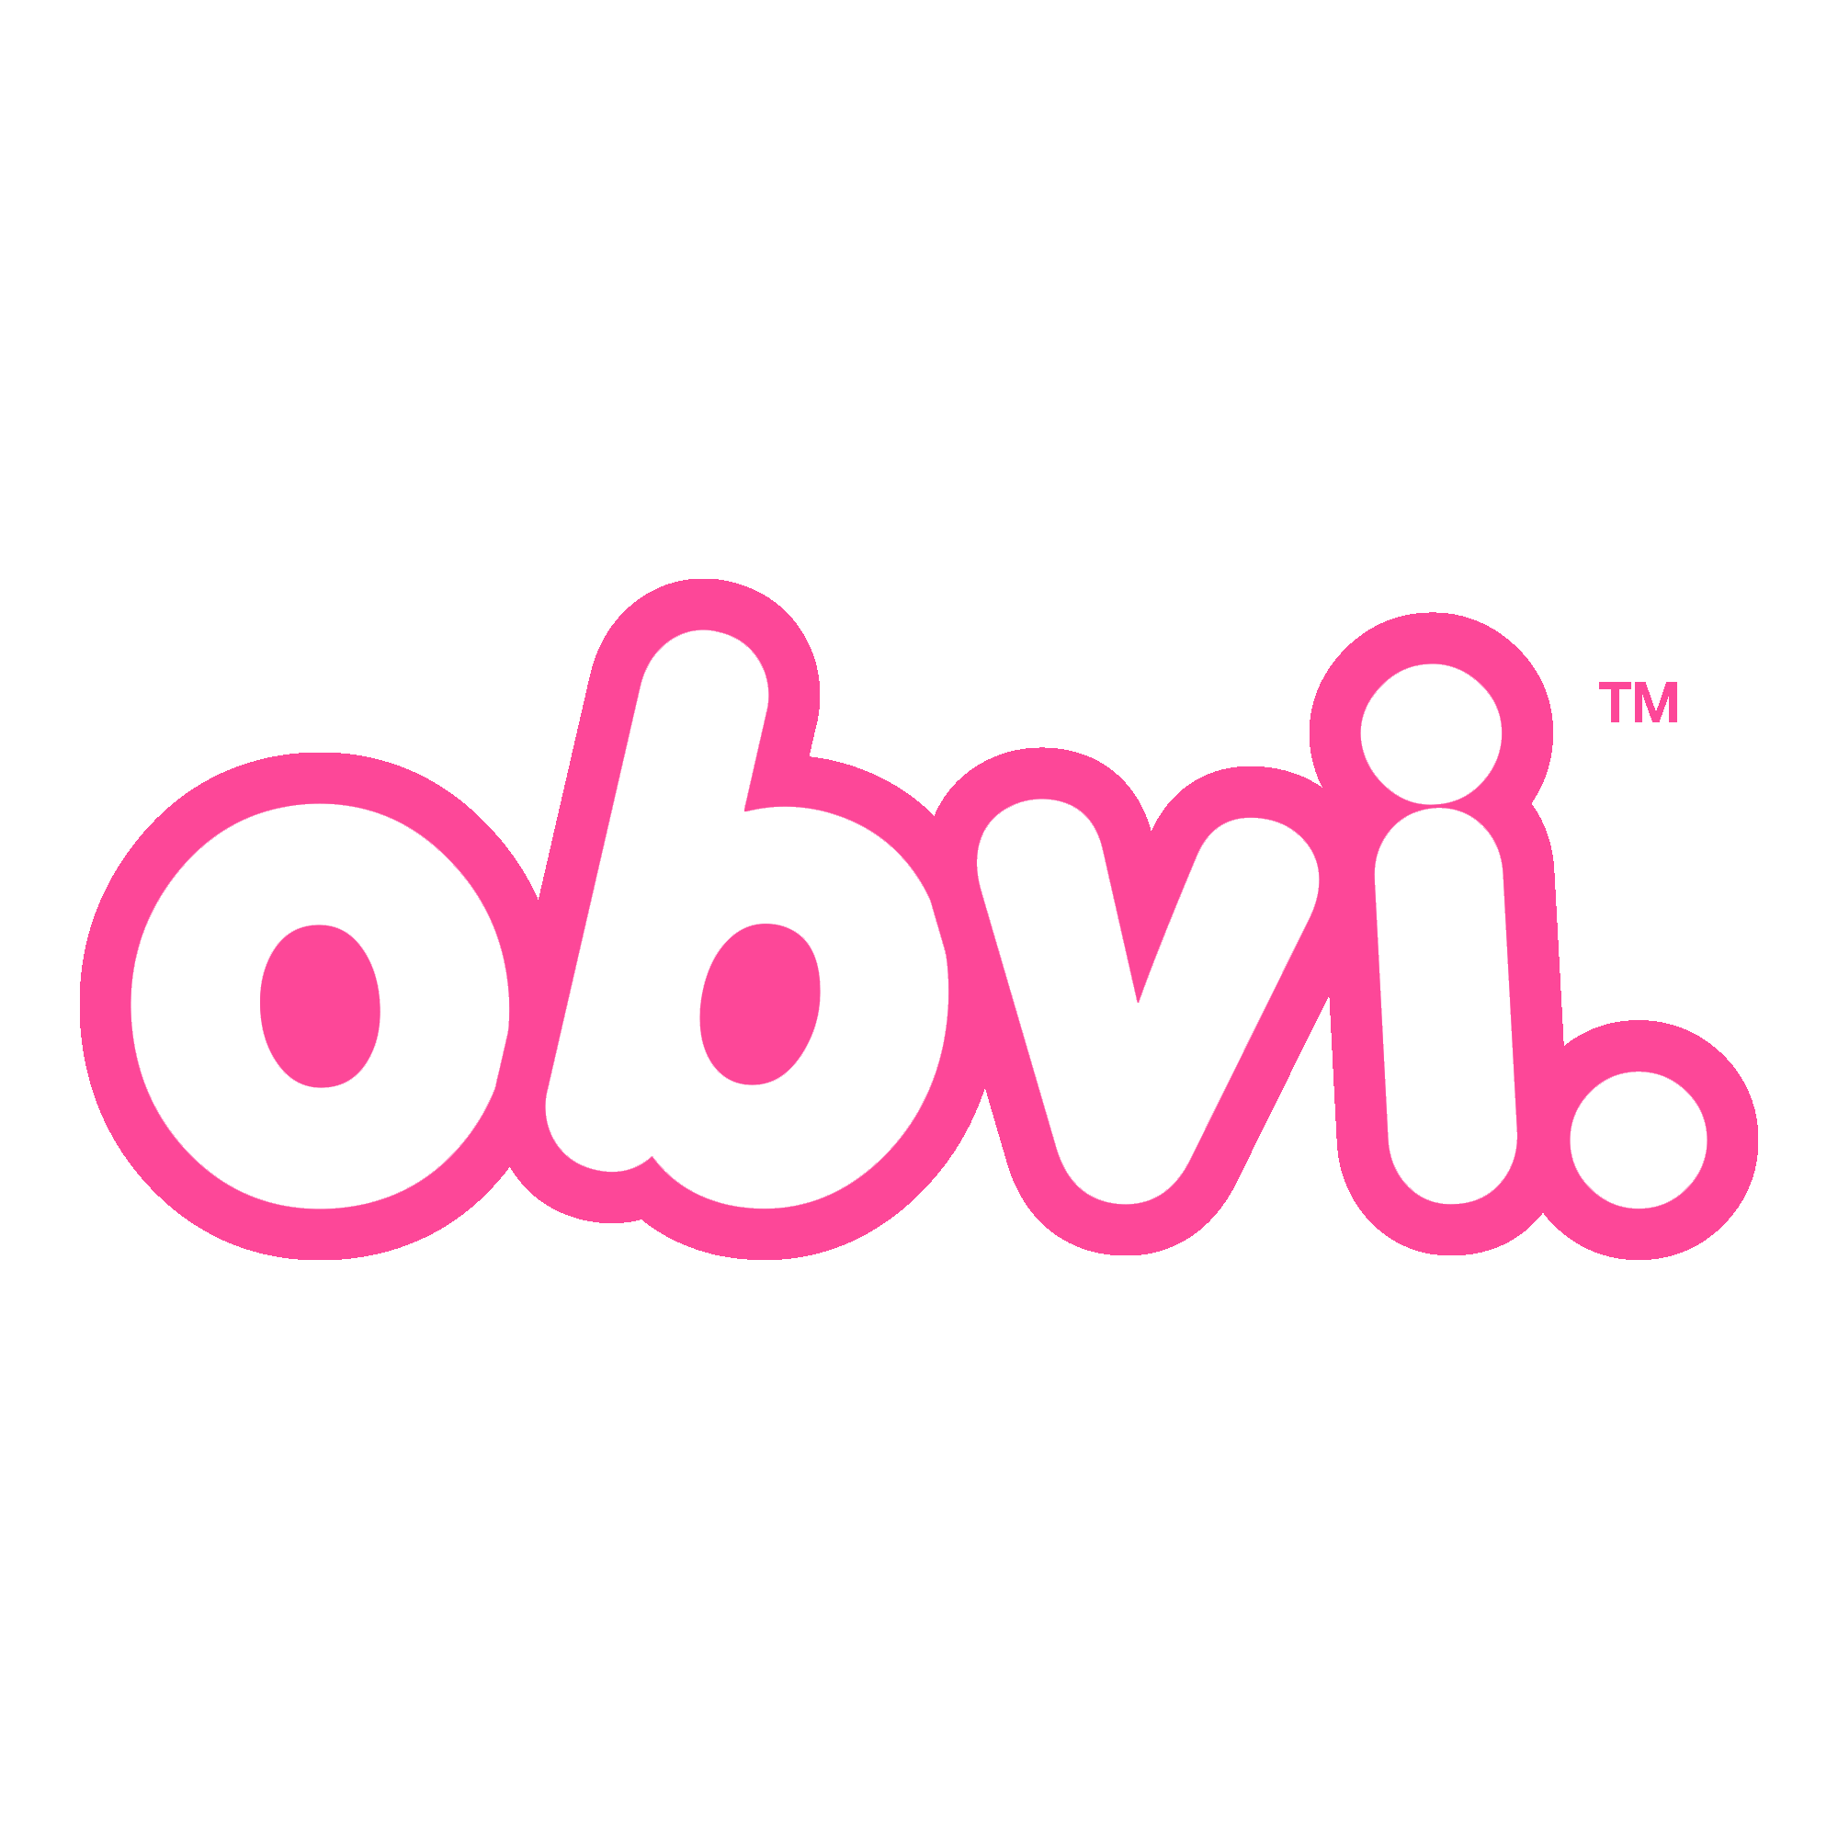 Importantly! - The minimum order amount is € / $ 5,000 per brand - delivery EX Work from the Poland / US warehouse! - this offer is valid within the current month - order is possible only rounded by boxes - due to the raw material crisis in the market, prices could be changed without prior notice |  |  |  |  |  |  | 2024-01-23
Product Description | Ounces | Case Pack | UPC | Price Per Unit | Order | Total | $-
Obvi More Than Collagen| Fruity Cereal | 12.56 | 12 | 850026153811 | $23.39 |  | $0.00
Obvi More Than Collagen| Cocoa Cereal | 13.68 | 12 | 850026153828 | $23.39 |  | $0.00
Obvi More Than Collagen| Watermelon | 10.93 | 12 | 850026153873 | $23.39 |  | $0.00
Obvi Collagenic Burn - Collagen + Fat Burner | 3.8 | 12 | 850026153071 | $20.79 |  | $0.00
Obvi Collagenic Burn ELITE | 3.45 | 12 | 850026153941 | $32.49 |  | $0.00
Detox | 1.8 | 12 | 850026153217 | $20.79 |  | $0.00

