Dashboard
October 30th, 2025
TEJAS SHAH
Issue #13


This dashboard showcases all of the notable events that have occurred in my life in the past week. Each event has been categorized by a type (Administrative, Professional, or Social) as well as the total number of hours spent on that event. In addition, each event was given a personal satisfaction rating on a scale of 1-5. I hope this provides valuable insights into my week. Thanks Team!

Number of Events by Type
 | Total
Administrative | 7
Professional | 5
Social | 6
Average Rating by Event Type
 | Total
Administrative | 3
Professional | 2.6
Social | 3.8333333333
Average Rating Over Time
 | Total
10/24/2025 | 3
10/25/2025 | 2
10/26/2025 | 3.6666666667
10/27/2025 | 3.75
10/28/2025 | 3.25
10/29/2025 | 3
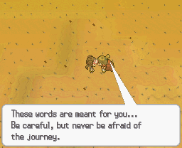


Hours Spent by Type
 | Total
Administrative | 10
Professional | 32
Social | 16
Hours Spent by Type over Time
 | Administrative | Professional | Social
10/24/2025 | 0 | 14 | 0
10/25/2025 | 5 | 0 | 2
10/26/2025 | 2 | 0 | 5
10/27/2025 | 2 | 8 | 2
10/28/2025 | 0 | 10 | 5
10/29/2025 | 1 | 0 | 2
Average Rating by Hours Spent
 | Total
1 | 3.3333333333
2 | 2.8
3 | 5
4 | 1
5 | 5
6 | 2
8 | 3.3333333333

