Region
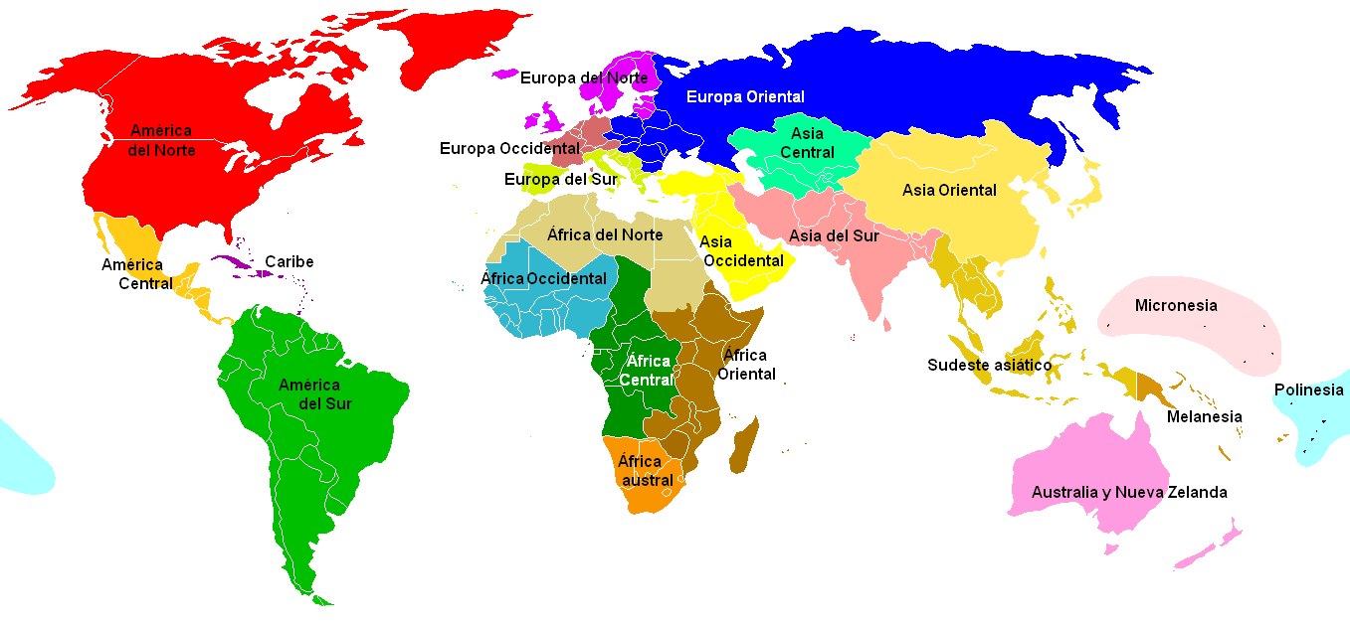
 | Continent | Region | # of Countries | http://es.wikipedia.org/wiki/Geoesquema_de_las_Naciones_Unidas
 | Europe | North Europe | 10
 | 53 | Western Europe | 14
 |  | Eastern Europe | 9
 |  | South Europe | 20
 | Africa | North Africa | 7
 | 58 | Central Africa | 9
 |  | Western Africa | 15
 |  | Eastern Africa | 19
 |  | South Africa | 8
 | America | North America | 5
 | 52 | Central America | 8
 |  | South America | 16
 |  | Caribbean | 23
 | Asia | Middle East | 14
 | 51 | Central & East Asia | 18
 |  | South East Asia | 11
 |  | South Asia | 8
 | Oceania | Australia & NZ | 3
 | 32 | Polynesia | 29

ISO 3166-1 2 Letter Code | Name | Region | Continent
AO | Angola | Central Africa | Africa
CM | Cameroon | Central Africa | Africa
CF | Central African Republic | Central Africa | Africa
TD | Chad | Central Africa | Africa
CG | Congo (Brazzaville) | Central Africa | Africa
CD | Congo (Kinshasa) | Central Africa | Africa
GQ | Equatorial Guinea | Central Africa | Africa
GA | Gabon | Central Africa | Africa
ST | Sao Tome and Principe | Central Africa | Africa
BI | Burundi | Eastern Africa | Africa
KM | Comoros | Eastern Africa | Africa
DJ | Djibouti | Eastern Africa | Africa
ER | Eritrea | Eastern Africa | Africa
ET | Ethiopia | Eastern Africa | Africa
KE | Kenya | Eastern Africa | Africa
MG | Madagascar | Eastern Africa | Africa
MW | Malawi | Eastern Africa | Africa
MU | Mauritius | Eastern Africa | Africa
YT | Mayotte | Eastern Africa | Africa
MZ | Mozambique | Eastern Africa | Africa
RW | Rwanda | Eastern Africa | Africa
SC | Seychelles | Eastern Africa | Africa
SO | Somalia | Eastern Africa | Africa
SO | Somaliland | Eastern Africa | Africa
TZ | Tanzania | Eastern Africa | Africa
UG | Uganda | Eastern Africa | Africa
ZM | Zambia | Eastern Africa | Africa
ZW | Zimbabwe | Eastern Africa | Africa
DZ | Algeria | North Africa | Africa
EG | Egypt | North Africa | Africa
LY | Libya | North Africa | Africa
MR | Mauritania | North Africa | Africa
MA | Morocco | North Africa | Africa
SD | Sudan | North Africa | Africa
TN | Tunisia | North Africa | Africa
AC | Ascension | South Africa | Africa
BW | Botswana | South Africa | Africa
LS | Lesotho | South Africa | Africa
NA | Namibia | South Africa | Africa
SH | Saint Helena | South Africa | Africa
ZA | South Africa | South Africa | Africa
SZ | Swaziland | South Africa | Africa
TA | Tristan da Cunha | South Africa | Africa
BJ | Benin | Western Africa | Africa
BF | Burkina Faso | Western Africa | Africa
CV | Cape Verde | Western Africa | Africa
CI | Cote d'Ivoire (Ivory Coast) | Western Africa | Africa
GM | Gambia, The | Western Africa | Africa
GH | Ghana | Western Africa | Africa
GN | Guinea | Western Africa | Africa
GW | Guinea-Bissau | Western Africa | Africa
LR | Liberia | Western Africa | Africa
ML | Mali | Western Africa | Africa
NE | Niger | Western Africa | Africa
NG | Nigeria | Western Africa | Africa
SN | Senegal | Western Africa | Africa
SL | Sierra Leone | Western Africa | Africa
TG | Togo | Western Africa | Africa
AI | Anguilla | Caribbean | America
AG | Antigua and Barbuda | Caribbean | America
AW | Aruba | Caribbean | America
BS | Bahamas, The | Caribbean | America
BB | Barbados | Caribbean | America
KY | Cayman Islands | Caribbean | America
CU | Cuba | Caribbean | America
DM | Dominica | Caribbean | America
DO | Dominican Republic | Caribbean | America
GD | Grenada | Caribbean | America
GP | Guadeloupe | Caribbean | America
HT | Haiti | Caribbean | America
JM | Jamaica | Caribbean | America
MQ | Martinique | Caribbean | America
MS | Montserrat | Caribbean | America
AN | Netherlands Antilles | Caribbean | America
PR | Puerto Rico | Caribbean | America
KN | Saint Kitts and Nevis | Caribbean | America
LC | Saint Lucia | Caribbean | America
GP | Saint Martin | Caribbean | America
VC | Saint Vincent and the Grenadines | Caribbean | America
TC | Turks and Caicos Islands | Caribbean | America
VI | U.S. Virgin Islands | Caribbean | America
BZ | Belize | Central America | America
CR | Costa Rica | Central America | America
SV | El Salvador | Central America | America
GT | Guatemala | Central America | America
HN | Honduras | Central America | America
MX | Mexico | Central America | America
NI | Nicaragua | Central America | America
PA | Panama | Central America | America
BM | Bermuda | North America | America
CA | Canada | North America | America
GL | Greenland | North America | America
PM | Saint Pierre and Miquelon | North America | America
US | United States | North America | America
AR | Argentina | South America | America
BO | Bolivia | South America | America
BR | Brazil | South America | America
CL | Chile | South America | America
CO | Colombia | South America | America
EC | Ecuador | South America | America
FK | Falkland Islands (Islas Malvinas) | South America | America
GF | French Guiana | South America | America
GY | Guyana | South America | America
PY | Paraguay | South America | America
PE | Peru | South America | America
GS | South Georgia & South Sandwich Islands | South America | America
SR | Suriname | South America | America
TT | Trinidad and Tobago | South America | America
UY | Uruguay | South America | America
VE | Venezuela | South America | America
AQ | Australian Antarctic Territory | Antarctica | Antarctica
BV | Bouvet Island | Antarctica | Antarctica
AQ | British Antarctic Territory | Antarctica | Antarctica
TF | French Southern and Antarctic Lands | Antarctica | Antarctica
HM | Heard Island and McDonald Islands | Antarctica | Antarctica
GE | Abkhazia | Central & East Asia | Asia
AZ | Azerbaijan | Central & East Asia | Asia
TW | China, Republic of (Taiwan) | Central & East Asia | Asia
GE | Georgia | Central & East Asia | Asia
HK | Hong Kong | Central & East Asia | Asia
JP | Japan | Central & East Asia | Asia
KZ | Kazakhstan | Central & East Asia | Asia
KP | Korea, North | Central & East Asia | Asia
KR | Korea, South | Central & East Asia | Asia
KG | Kyrgyzstan | Central & East Asia | Asia
MO | Macau | Central & East Asia | Asia
MN | Mongolia | Central & East Asia | Asia
AZ | Nagorno-Karabakh | Central & East Asia | Asia
RU | Russia | Central & East Asia | Asia
GE | South Ossetia | Central & East Asia | Asia
TJ | Tajikistan | Central & East Asia | Asia
TM | Turkmenistan | Central & East Asia | Asia
UZ | Uzbekistan | Central & East Asia | Asia
CN | China, People's Republic of | Central Asia | Asia
AM | Armenia | Eastern Europe | Asia
BH | Bahrain | Middle East | Asia
IR | Iran | Middle East | Asia
IQ | Iraq | Middle East | Asia
IL | Israel | Middle East | Asia
JO | Jordan | Middle East | Asia
KW | Kuwait | Middle East | Asia
LB | Lebanon | Middle East | Asia
OM | Oman | Middle East | Asia
QA | Qatar | Middle East | Asia
SA | Saudi Arabia | Middle East | Asia
SY | Syria | Middle East | Asia
TR | Turkey | Middle East | Asia
AE | United Arab Emirates | Middle East | Asia
YE | Yemen | Middle East | Asia
AF | Afghanistan | South Asia | Asia
BD | Bangladesh | South Asia | Asia
BT | Bhutan | South Asia | Asia
IN | India | South Asia | Asia
MV | Maldives | South Asia | Asia
NP | Nepal | South Asia | Asia
PK | Pakistan | South Asia | Asia
LK | Sri Lanka | South Asia | Asia
BN | Brunei | South East Asia | Asia
KH | Cambodia | South East Asia | Asia
ID | Indonesia | South East Asia | Asia
LA | Laos | South East Asia | Asia
MY | Malaysia | South East Asia | Asia
MM | Myanmar (Burma) | South East Asia | Asia
PH | Philippines | South East Asia | Asia
SG | Singapore | South East Asia | Asia
TH | Thailand | South East Asia | Asia
TL | Timor-Leste (East Timor) | South East Asia | Asia
VN | Vietnam | South East Asia | Asia
BY | Belarus | Eastern Europe | Europe
CZ | Czech Republic | Eastern Europe | Europe
HU | Hungary | Eastern Europe | Europe
MD | Moldova | Eastern Europe | Europe
MD | Pridnestrovie (Transnistria) | Eastern Europe | Europe
RO | Romania | Eastern Europe | Europe
SK | Slovakia | Eastern Europe | Europe
UA | Ukraine | Eastern Europe | Europe
DK | Denmark | North Europe | Europe
EE | Estonia | North Europe | Europe
FO | Faroe Islands | North Europe | Europe
FI | Finland | North Europe | Europe
IS | Iceland | North Europe | Europe
LV | Latvia | North Europe | Europe
LT | Lithuania | North Europe | Europe
NO | Norway | North Europe | Europe
SJ | Svalbard | North Europe | Europe
SE | Sweden | North Europe | Europe
AL | Albania | South Europe | Europe
AD | Andorra | South Europe | Europe
BA | Bosnia and Herzegovina | South Europe | Europe
BG | Bulgaria | South Europe | Europe
HR | Croatia | South Europe | Europe
CY | Cyprus | South Europe | Europe
GI | Gibraltar | South Europe | Europe
GR | Greece | South Europe | Europe
IT | Italy | South Europe | Europe
MK | Macedonia | South Europe | Europe
MT | Malta | South Europe | Europe
MC | Monaco | South Europe | Europe
ME | Montenegro | South Europe | Europe
CY | Northern Cyprus | South Europe | Europe
PT | Portugal | South Europe | Europe
SM | San Marino | South Europe | Europe
RS | Serbia | South Europe | Europe
SI | Slovenia | South Europe | Europe
ES | Spain | South Europe | Europe
VA | Vatican City | South Europe | Europe
AX | Aland | Western Europe | Europe
AT | Austria | Western Europe | Europe
BE | Belgium | Western Europe | Europe
FR | France | Western Europe | Europe
DE | Germany | Western Europe | Europe
IE | Ireland | Western Europe | Europe
IM | Isle of Man | Western Europe | Europe
JE | Jersey | Western Europe | Europe
LI | Liechtenstein | Western Europe | Europe
LU | Luxembourg | Western Europe | Europe
NL | Netherlands | Western Europe | Europe
PL | Poland | Western Europe | Europe
CH | Switzerland | Western Europe | Europe
GB | United Kingdom | Western Europe | Europe
AU | Australia | Australia & NZ | Oceania
CC | Cocos (Keeling) Islands | Australia & NZ | Oceania
NZ | New Zealand | Australia & NZ | Oceania
AS | American Samoa | Polynesia | Oceania
AU | Ashmore and Cartier Islands | Polynesia | Oceania
IO | British Indian Ocean Territory | Polynesia | Oceania
CX | Christmas Island | Polynesia | Oceania
PF | Clipperton Island | Polynesia | Oceania
CK | Cook Islands | Polynesia | Oceania
AU | Coral Sea Islands | Polynesia | Oceania
FJ | Fiji | Polynesia | Oceania
PF | French Polynesia | Polynesia | Oceania
GG | Guernsey | Polynesia | Oceania
KI | Kiribati | Polynesia | Oceania
MH | Marshall Islands | Polynesia | Oceania
FM | Micronesia | Polynesia | Oceania
NR | Nauru | Polynesia | Oceania
NC | New Caledonia | Polynesia | Oceania
NU | Niue | Polynesia | Oceania
NF | Norfolk Island | Polynesia | Oceania
MP | Northern Mariana Islands | Polynesia | Oceania
PW | Palau | Polynesia | Oceania
PG | Papua New Guinea | Polynesia | Oceania
PN | Pitcairn Islands | Polynesia | Oceania
GP | Saint Barthelemy | Polynesia | Oceania
WS | Samoa | Polynesia | Oceania
SB | Solomon Islands | Polynesia | Oceania
TK | Tokelau | Polynesia | Oceania
TO | Tonga | Polynesia | Oceania
TV | Tuvalu | Polynesia | Oceania
VU | Vanuatu | Polynesia | Oceania
WF | Wallis and Futuna | Polynesia | Oceania

