Logistic Regression
w₀ | w₁ | w₂ | J
-16.375 | 0.148 | 0.159 | 0.4054 | 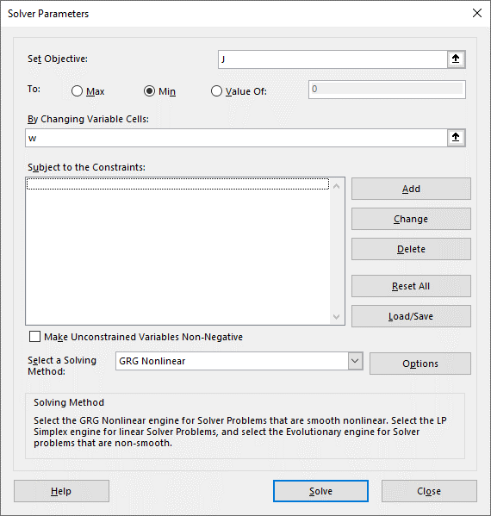

x₀ | x₁ | x₂ | y
1 | 55.5 | 69.5 | 1
1 | 41.0 | 81.5 | 1
1 | 53.5 | 86.0 | 1
1 | 46.0 | 84.0 | 1
1 | 41.0 | 73.5 | 1
1 | 51.5 | 69.0 | 1
1 | 51.0 | 62.5 | 1
1 | 42.0 | 75.0 | 1
1 | 53.5 | 83.0 | 1
1 | 57.5 | 71.0 | 1
1 | 42.5 | 72.5 | 1
1 | 41.0 | 80.0 | 1
1 | 46.0 | 82.0 | 1
1 | 46.0 | 60.5 | 1
1 | 49.5 | 76.0 | 1
1 | 41.0 | 76.0 | 1
1 | 48.5 | 72.5 | 1
1 | 51.5 | 82.5 | 1
1 | 44.5 | 70.5 | 1
1 | 44.0 | 66.0 | 1
1 | 33.0 | 76.5 | 1
1 | 33.5 | 78.5 | 1
1 | 31.5 | 72.0 | 1
1 | 33.0 | 81.5 | 1
1 | 42.0 | 59.5 | 1
1 | 30.0 | 64.0 | 1
1 | 61.0 | 45.0 | 1
1 | 49.0 | 79.0 | 1
1 | 26.5 | 64.5 | 1
1 | 34.0 | 71.5 | 1
1 | 42.0 | 83.5 | 1
1 | 29.5 | 74.5 | 1
1 | 39.5 | 70.0 | 1
1 | 51.5 | 66.0 | 1
1 | 41.5 | 71.5 | 1
1 | 42.5 | 79.5 | 1
1 | 35.0 | 59.5 | 1
1 | 38.5 | 73.5 | 1
1 | 32.0 | 81.5 | 1
1 | 46.0 | 60.5 | 1
1 | 36.5 | 53.0 | 0
1 | 36.5 | 53.5 | 0
1 | 24.0 | 60.5 | 0
1 | 19.0 | 57.5 | 0
1 | 34.5 | 60.0 | 0
1 | 37.5 | 64.5 | 0
1 | 35.5 | 51.0 | 0
1 | 37.0 | 50.5 | 0
1 | 21.5 | 42.0 | 0
1 | 35.5 | 58.5 | 0
1 | 26.5 | 68.5 | 0
1 | 26.5 | 55.5 | 0
1 | 18.5 | 67.0 | 0
1 | 40.0 | 67.0 | 0
1 | 32.5 | 71.5 | 0
1 | 39.0 | 71.5 | 0
1 | 43.0 | 55.5 | 0
1 | 22.0 | 54.0 | 0
1 | 36.0 | 62.5 | 0
1 | 31.0 | 55.5 | 0
1 | 38.5 | 76.0 | 0
1 | 40.0 | 75.0 | 0
1 | 37.5 | 63.0 | 0
1 | 24.5 | 58.0 | 0
1 | 30.0 | 67.0 | 0
1 | 33.0 | 56.0 | 0
1 | 56.5 | 61.0 | 0
1 | 41.0 | 57.0 | 0
1 | 49.5 | 63.0 | 0
1 | 34.5 | 72.5 | 0
1 | 32.5 | 69.0 | 0
1 | 36.0 | 73.0 | 0
1 | 27.0 | 53.5 | 0
1 | 41.0 | 63.5 | 0
1 | 29.5 | 52.5 | 0
1 | 20.0 | 65.5 | 0
1 | 38.0 | 65.0 | 0
1 | 18.5 | 74.5 | 0
1 | 16.0 | 72.5 | 0
1 | 33.5 | 68.0 | 0

