Current Fabric Overview - Examp
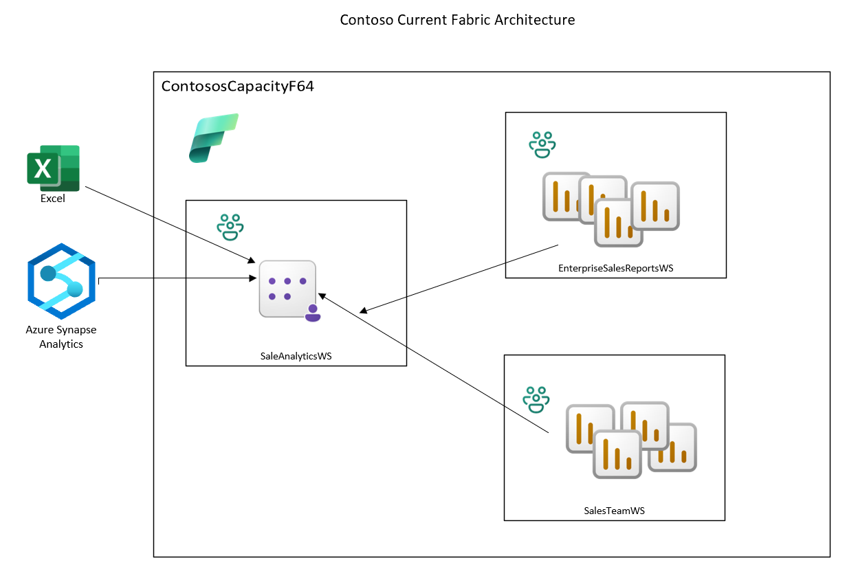
Fabric Discovery Toolkit – Current Fabric Environment Overview |  |  | Provide detail on your current environment
A. Capacity/Workspace Overview (Provide extended details in Capacity Assessment Worksheet)
Attribute | Response | Notes
Number of Capacities | 1
Region(s) | EastUS
Fabric Enabled? | Yes
Admin(s) | jksmith@contoso.com
Number of Fabric Workspaces | 3
Existing Capacities (F-series, Trial, Power BI Shared) | F64
Billing Model | Pay-as-you-go | Pay-as-you-go / Reservation / Mix
B. Current Workloads Used
Fabric Item | Quantity | Notes
Semantic Models | 1 | SalesAnalytics in SalesAnalyticsWS
Power BI Reports | 8 | 8 Enterprise Reports in EnterpriseSalesReportsWS, numerous self-service reports in SaleTeamWS

C. Data Sources
Source Type | Count | Notes
Azure SQL
Synapse Analytics | 1
On-Prem SQL
On-Prem File Store | 2 | Excel Forecasts
SAP
APIs
Files (ADLS / S3) | 1 | ADLS Datalake
SaaS (Dynamics, Salesforce, etc.)
(Insert more as needed)

D. Architecture
Question | Response | Notes
Do architecture diagrams exist? | Yes | Yes/No
Are diagrams current? | Yes | Yes/No
Upload link (optional) |  | See to the right

E. Governance & Security
Topic | Response | Notes
Security Groups Defined? | Yes
RLS / OLS used? | Yes | RLS over semantic model by Sales Region
Data Domains Defined? | No
Workspace Lifecycle (Naming, Residency)
Other Governance Notes

Future Requirements - Example
Fabric Discovery Toolkit – Future Requirements (6–12 Months)

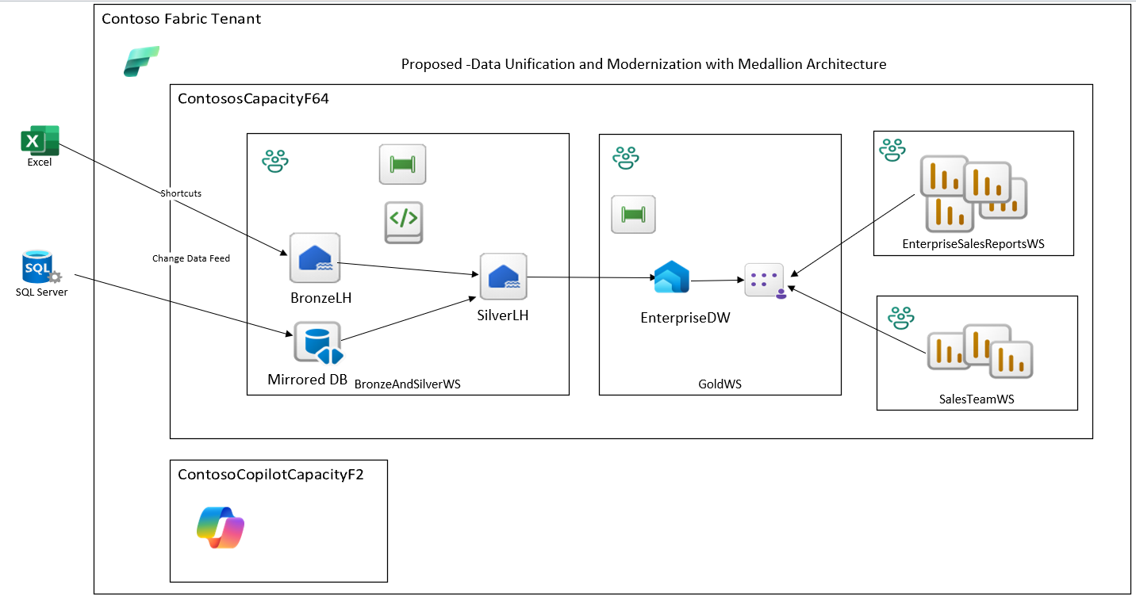
A. New Business Use Cases
Use Case Number | Use Case | Priority (1-5) | Expected Start | Expected End | Data Sources | Workloads/Features | Notes | Note: The architecutal diagram below would be the result of the future requirements discovery fro Priority 1
1 | Data Unification and Modernization with Medallion Architecture | 1 | 2026-03-01 | 2026-09-15 | On-prem SQL Server 2022, OneDrive Excel Files | Building Medallion Architecture leveraging Lakehouse, Pipelines, Warehouse, Semantic Models, and Enterprise Reports | Migration of Synapse to Fabric
2 | Expansion on Medallion Architecture | 2 | 2027-01-01 | 2027-09-01 | On-prem SQL Server 2022 | Lakehouse, Event Hub, Pipelines, Spark, Access to Silver Lakehouse, Warehouse, Semantic Models, Enterprise Reports | Expanding Fabric to include Manufacturing and Real Time Inventory
B. Feature Adoption Plans
Feature | Priority (1-5) | Phase | Expected Start | Expected End | Notes
Enterprise Lakehouse | 1 | 1 | 2026-03-01 | 2026-05-01
Shortcuts | 1 | 1 | 2026-03-01 | 2026-03-15
Mirroring Expansion | 1 | 1 | 2026-03-01 | 2026-03-15
Spark Notebooks | 1 | 1 | 2026-03-01 | 2026-05-01
Enterprise Data Warehouse | 1 | 2 | 2026-05-01 | 2026-07-01
Enterprise Semantic Model | 1 | 3 | 2026-07-01 | 2026-08-01
Enterprise Reports | 1 | 4 | 2026-08-01 | 2026-09-01
Copilot Integrations | 1 | 5 | 2026-09-01 | 2026-09-15
Self-Service Workspaces | 1 | 5 | 2026-09-01 | 2026-09-15
Real-Time Intelligence | 2 | 1 | 2026-10-01 | 2027-01-01
AI + RAG over Fabric | 2 | 2 | 2027-01-01 | 2026-01-02
Add others as needed

C. Expected Growth
Dimension | 6–12 Month Projection | Notes
Data volume growth (%) | 30
Number of users | 400
Number of semantic models | 3
Number of pipelines | 6
Number of spark notebooks | 10
Compute usage increase (%) | 30
Real-time workloads | 2
Other

