Install
Install phacol and xampp on Windows

1
Download the right version of Phalcon

XAMPP is always releasing 32 bit versions of Apache and PHP. You will need to download the x86 version of Phalcon for Windows from the download section.

After downloading the Phalcon library you will have a zip file like the one shown below:

Extract the library from the archive to get the Phalcon DLL:

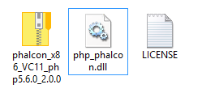

Copy the file php_phalcon.dll to the PHP extensions directory. If you have installed XAMPP in the C:\xampp folder, the extension needs to be in C:\xampp\php\ext:

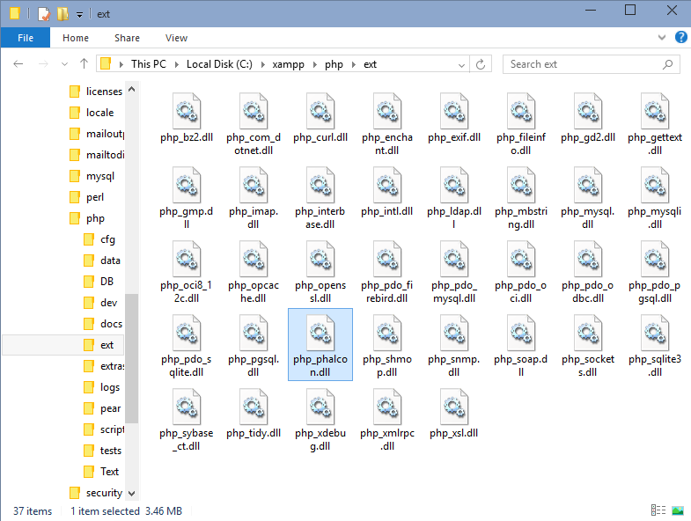

Edit the php.ini file, it is located at C:\xampp\php\php.ini. It can be edited with Notepad or a similar program. We recommend Notepad++ to avoid issues with line endings. Append at the end of the file:

extension=php_phalcon.dll

and save it.
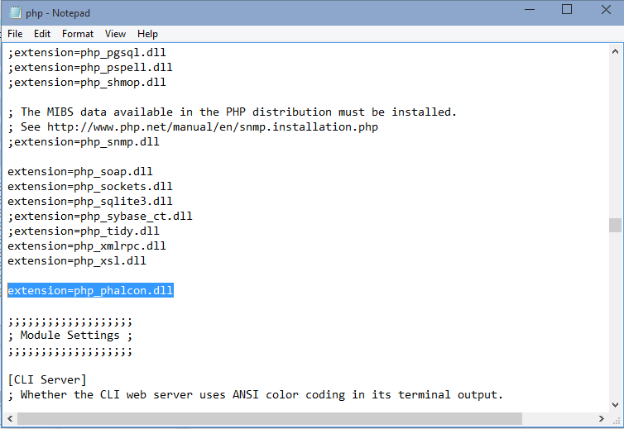

Restart the Apache Web Server from the XAMPP Control Center. This will load the new PHP configuration.
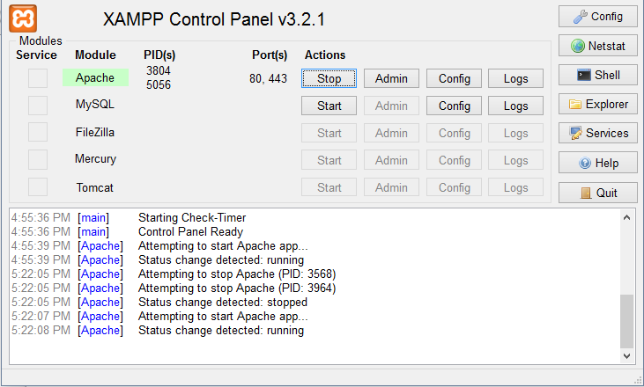

Note: Default Apache sử dụng port 80. Nếu đã cài 1 ứng dụng chat (ex: skype) thì ứng dụng chat sẽ sử dụng port 80. Vì vậy có thể xảy ra trường hợp
ko start được server
Fix: Open config file và sửa port

Open your browser to navigate to http://localhost. The XAMPP welcome page will appear. Click on the link phpinfo().
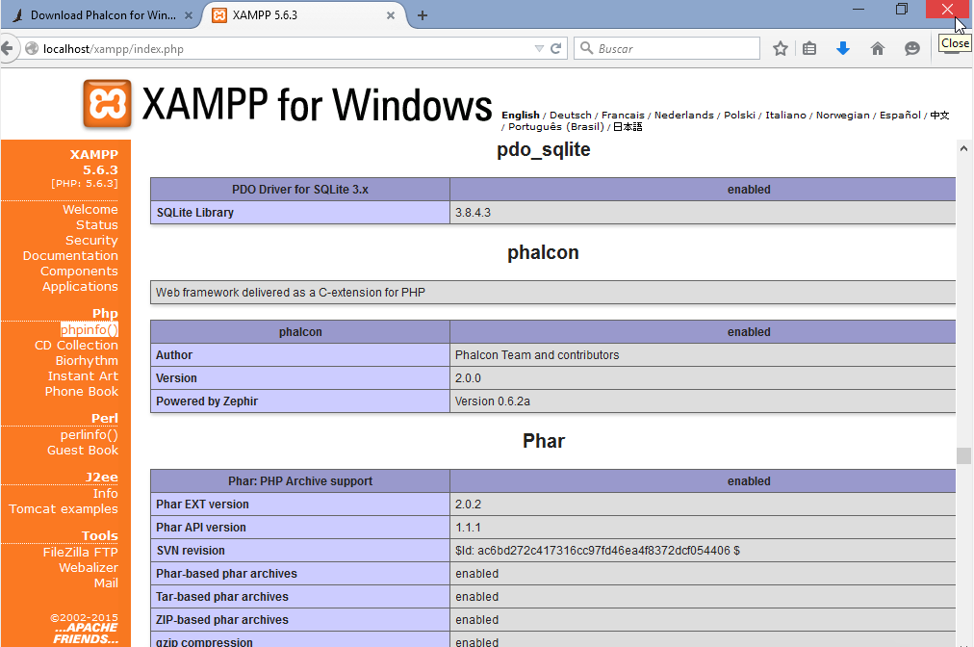

phpinfo will output a significant amount of information on screen about the current state of PHP. Scroll down to check if the phalcon extension has been loaded correctly.

Phalcon-devtool
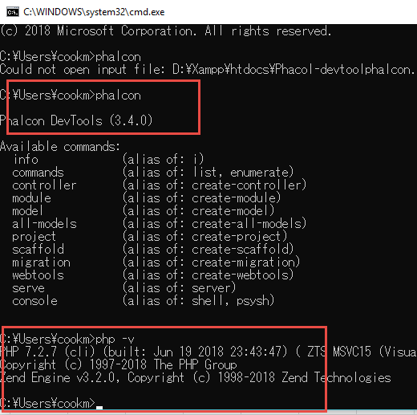
Install Phacon devtool

1. Get phalcon devtool from link
 | https://github.com/phalcon/phalcon-devtools

2. Extract to folder in xampp

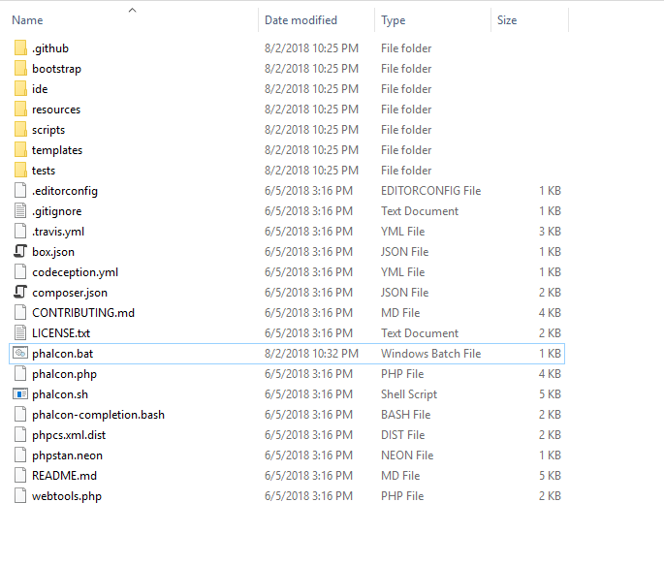

3. Add environment variable
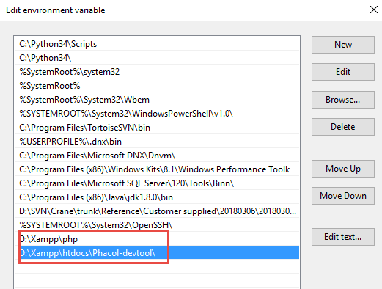

 | Notes: D:\xampp là folder install Xampp app

4. Run command and confirm

Gen prọect
Create project by Phalcon devtool

Generating a Project Skeleton¶
You can use Phalcon tools to generate pre-defined project skeletons for your applications with Phalcon framework. By default the project skeleton generator will use mod_rewrite for Apache. Type the following command on your web server document root:
$ pwd

/Applications/MAMP/htdocs

$ phalcon create-project store
The above recommended project structure was generated:

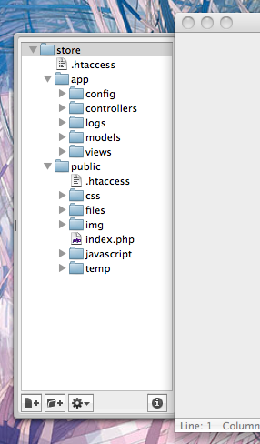

You could add the parameter –help to get help on the usage of a certain script:

