Summary
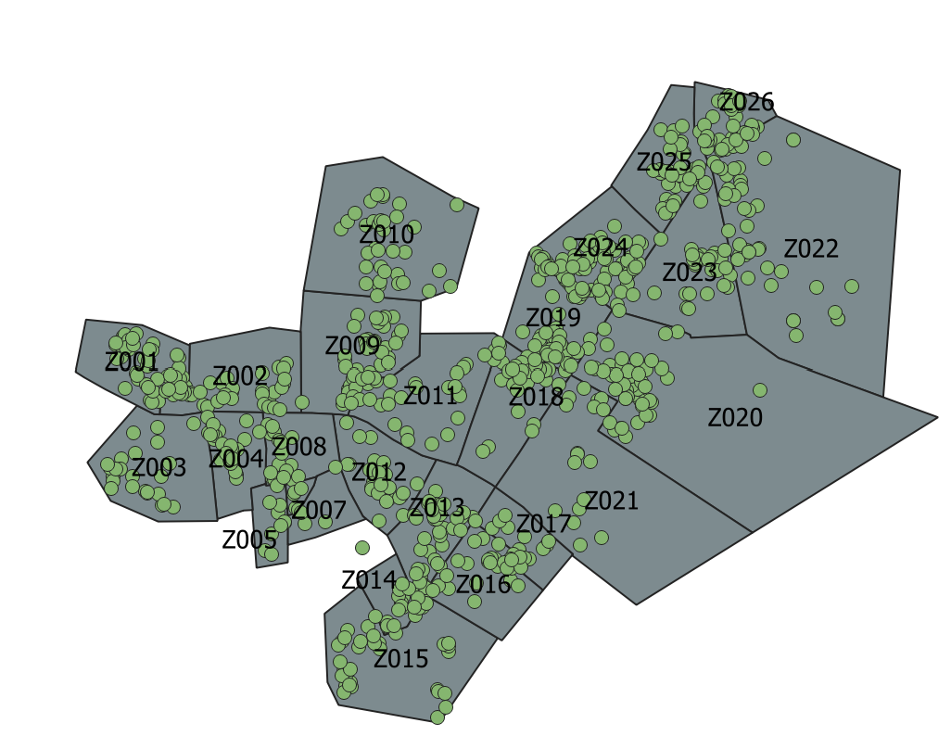
 |  |  |  |  |  |  |  | Mogadishu Dayniile/Khada catchment areas
 |  |  |  | Neighbourhood Type | Catchment Area
Row Labels | # sites | HH(Q2-2026) | Individuals (Q2-2026)
Awdal | 20 | 10,040 | 52,002 | Row Labels | # sites | HH_(Q2-2026) | Individual_(Q2-2026)
Baki | 3 | 710 | 4,260 | Banadir | 2,057 | 200,308 | 1,160,341
Borama | 8 | 5,380 | 30,042 | Mogadishu Dayniile | 1,091 | 117,021 | 673,727
Lughaye | 8 | 3,850 | 17,100 | CA01 | 53 | 5,270 | 31,524
Zeylac | 1 | 100 | 600 | CA02 | 61 | 6,013 | 35,558
Bakool | 51 | 6,996 | 41,016 | CA09 | 90 | 7,090 | 42,231
Ceel Barde | 3 | 1,100 | 6,600 | CA10 | 108 | 12,650 | 72,644
Waajid | 13 | 1,513 | 9,078 | CA11 | 52 | 4,644 | 28,048
Xudur | 35 | 4,383 | 25,338 | CA18 | 90 | 14,138 | 81,050
Banadir | 2,057 | 200,308 | 1,160,341 | CA19 | 33 | 3,592 | 21,247
Mogadishu Dayniile | 1,091 | 117,021 | 673,727 | CA20 | 124 | 16,421 | 94,513
Mogadishu Khada | 966 | 83,287 | 486,614 | CA21 | 78 | 10,390 | 60,370
Bari | 34 | 24,646 | 150,859 | CA22 | 105 | 8,664 | 49,409
Bossaso | 22 | 20,700 | 131,075 | CA23 | 95 | 13,181 | 74,557
Qardho | 12 | 3,946 | 19,784 | CA24 | 82 | 5,671 | 29,380
Bay | 1,058 | 122,717 | 533,732 | CA25 | 77 | 6,527 | 36,642
Baidoa | 1,007 | 102,698 | 506,744 | CA26 | 43 | 2,770 | 16,554
Buur Hakaba | 2 | 200 | 1,200 | Mogadishu Khada | 966 | 83,287 | 486,614
Diinsoor | 24 | 15,899 | 2,868 | CA17 | 68 | 5,026 | 29,556
Qansax Dheere | 25 | 3,920 | 22,920 | CA03 | 122 | 10,480 | 61,360
Galgaduud | 96 | 29,936 | 168,536 | CA04 | 86 | 7,923 | 45,835
Cabudwaaq | 38 | 16,293 | 90,844 | CA05 | 64 | 4,819 | 25,296
Cadaado | 10 | 8,189 | 44,936 | CA08 | 66 | 11,274 | 65,854
Dhuusamarreeb | 48 | 5,454 | 32,756 | CA06 | 48 | 4,123 | 24,738 | Baidoa Town Catchment Areas
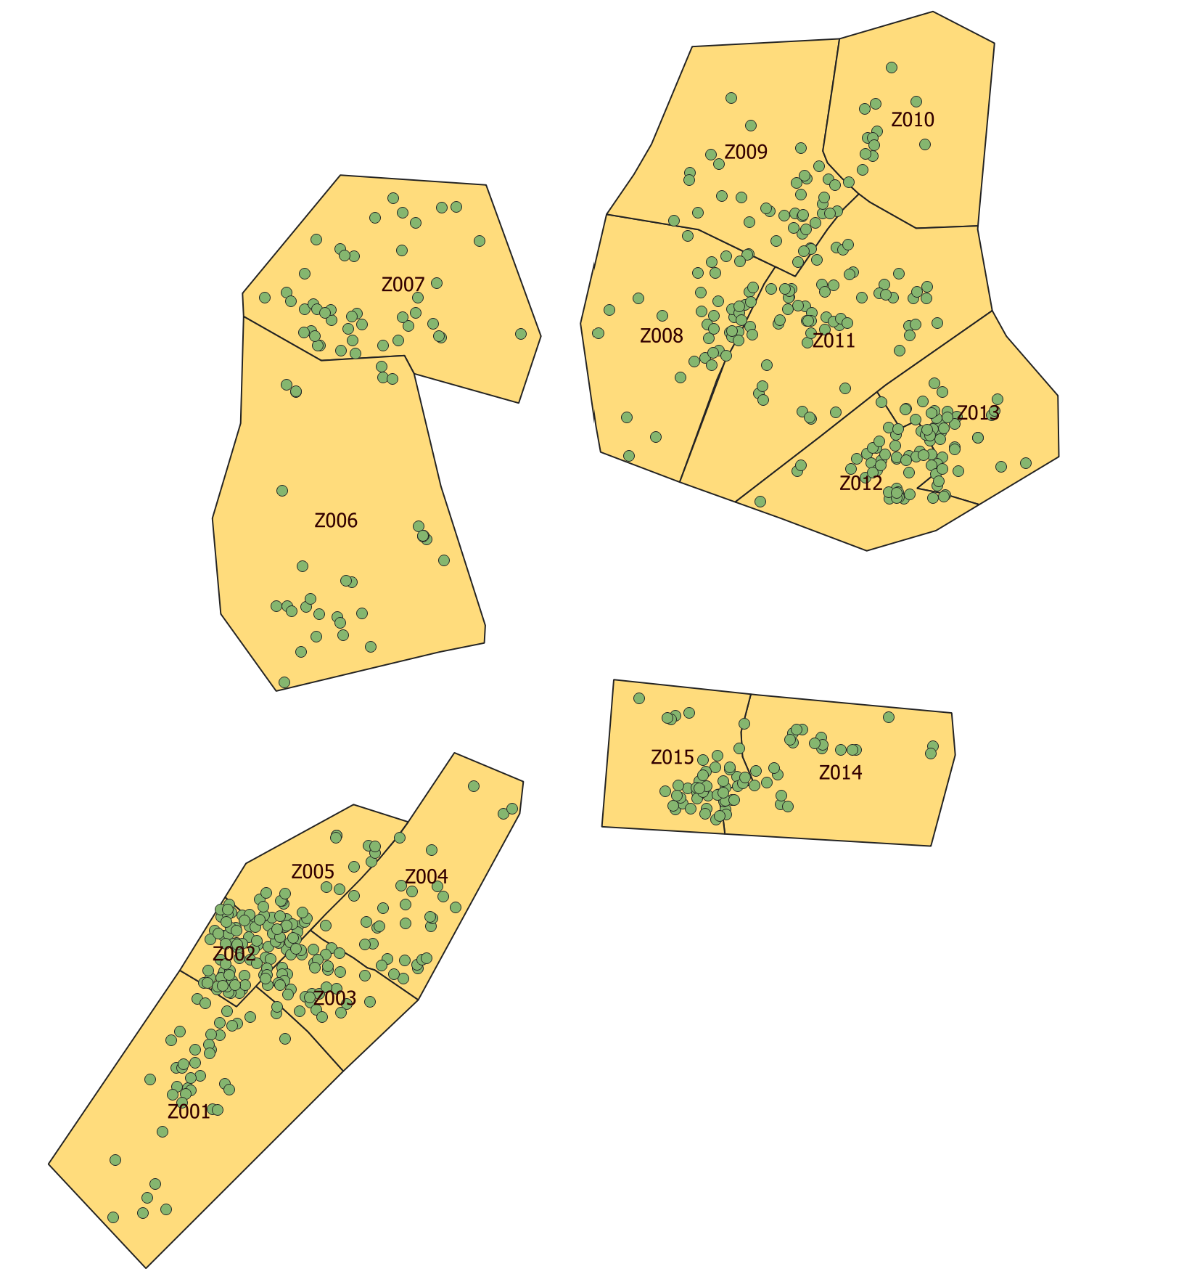
Gedo | 137 | 56,572 | 322,979 | CA07 | 50 | 4,280 | 23,640
Baardheere | 56 | 13,665 | 79,044 | CA12 | 80 | 6,189 | 36,216
Belet Xaawo | 15 | 6,060 | 22,580 | CA13 | 130 | 9,829 | 58,599
Ceel Waaq | 9 | 2,071 | 12,426 | CA14 | 67 | 4,439 | 26,553
Doolow | 5 | 22,934 | 139,418 | CA15 | 83 | 6,938 | 41,394
Garbahaarey | 12 | 2,370 | 12,220 | CA16 | 102 | 7,967 | 47,573
Luuq | 40 | 9,472 | 57,291 | Bay | 942 | 91,280 | 427,364
Hiran | 84 | 10,758 | 56,853 | Baidoa | 942 | 91,280 | 427,364
Belet Weyne | 75 | 8,411 | 48,863 | CA01 | 114 | 8,907 | 35,544
Bulo Burto | 2 | 750 | 4,500 | CA02 | 67 | 10,374 | 62,128
Jalalaqsi | 7 | 1,597 | 3,490 | CA09 | 58 | 4,694 | 19,255
Lower Juba | 240 | 55,445 | 330,029 | CA10 | 46 | 2,553 | 10,507
Afmadow | 30 | 19,336 | 116,020 | CA11 | 54 | 3,709 | 15,041
Kismaayo | 206 | 35,153 | 209,153 | CA17 | 91 | 6,423 | 26,427
Jamaame | 4 | 956 | 4,856 | CA03 | 69 | 5,590 | 21,003
Lower Shabelle | 49 | 10,150 | 55,342 | CA04 | 63 | 6,005 | 28,961
Afgooye | 27 | 4,318 | 25,788 | CA05 | 54 | 4,437 | 23,496
Baraawe | 9 | 1,502 | 8,112 | CA08 | 16 | 2,921 | 17,526
Marka | 11 | 4,130 | 20,242 | CA06 | 34 | 4,673 | 20,990
Wanla Weyn | 2 | 200 | 1,200 | CA07 | 75 | 8,396 | 39,034
Middle Shabelle | 25 | 11,910 | 65,230 | CA12 | 53 | 3,911 | 16,464
Balcad | 5 | 5,600 | 33,600 | CA13 | 29 | 1,794 | 7,744
Jowhar | 20 | 6,310 | 31,630 | CA14 | 45 | 7,918 | 47,508
Mudug | 120 | 21,571 | 127,635 | CA15 | 30 | 3,516 | 13,867
Gaalkacyo | 105 | 19,953 | 118,193 | CA16 | 44 | 5,459 | 21,869
Galdogob | 13 | 1,467 | 8,666 | Lower Juba | 202 | 34,270 | 203,945
Hobyo | 2 | 151 | 776 | Kismaayo | 202 | 34,270 | 203,945
Nugaal | 25 | 8,949 | 55,836 | CA01 | 59 | 5,044 | 29,439
Garoowe | 25 | 8,949 | 55,836 | CA02 | 31 | 2,737 | 16,507
Sanaag | 27 | 7,788 | 44,014 | CA09 | 4 | 1,121 | 6,756
Ceel Afweyn | 6 | 2,337 | 13,422 | CA10 | 3 | 560 | 3,360
Ceerigaabo | 9 | 2,793 | 16,160 | CA03 | 37 | 3,003 | 18,141
Laasqoray | 12 | 2,658 | 14,432 | CA04 | 56 | 5,319 | 31,729
Sool | 39 | 10,543 | 60,890 | CA05 | 3 | 2,170 | 13,020
Caynabo | 7 | 2,000 | 11,900 | CA08 | 3 | 1,295 | 7,770
Laas Caanood | 23 | 5,534 | 31,695 | CA06 | 3 | 10,481 | 62,290
Taleek | 4 | 2,574 | 14,946 | CA07 | 3 | 2,540 | 14,933
Xudun | 5 | 435 | 2,349 | Grand Total | 3,201 | 325,858 | 1,791,650
Togdheer | 35 | 7,931 | 40,138
Burco | 5 | 2,427 | 14,560
Buuhoodle | 15 | 2,049 | 9,400
Owdweyne | 12 | 2,995 | 14,378
Sheikh | 3 | 460 | 1,800
Woqooyi Galbeed | 22 | 18,330 | 109,914
Berbera | 1 | 110 | 594
Hargeysa | 21 | 18,220 | 109,320
Grand Total | 4,119 | 614,590 | 3,375,346

