Results
CO2 Price | 138.152 | $/ton CO2
Cost Breakdown
Cash Flow

 | PV of cash flows | Discounted values | Categorization |  | Category | Cost breakdown | Contribution to CO2 price | %
Revenue | $1,615,732,386 | $1,745,217,180 | revenue
Initial depreciable capital financed with debt | -$215,016,344 | -$232,247,754 | X (included in principal + interest) |  | CapEx | $276,377,006 | 21.88 | 16%
Initial equity depriciable capital | -$143,344,230 | -$154,831,836 | capex |  | Replacements | $312,736,059 | 24.76 | 18%
Replacement costs | -$289,532,893 | -$312,736,059 | replacements |  | Fixed OpEx | $269,906,273 | 21.37 | 15%
Cash from working capital reserve | -$11,329,364 | -$12,237,299 | taxes & working capital |  | Variable OpEx | $836,934,957 | 66.25 | 48%
Non-depreciable capital cost | $0 | $0 | capex |  | Taxes & Working Capital | $49,262,884 | 3.90 | 3%
Salvage value | $3,484,060 | $3,763,272 | fixed opex (cancels)
Decommisioning cost | -$3,484,060 | -$3,763,272 | fixed opex (cancels) |  | Revenue | $1,745,217,180
Fixed operating costs | -$249,880,824 | -$269,906,273 | fixed opex |  | Total CO2 Sales (kg) | 13,117,138,882
Variable operating costs | -$774,839,333 | -$836,934,957 | variable opex
Debt interest | -$102,681,018 | -$110,909,875 | capex |  | Total | $0 | $138.15
Pre-depreciation income | $488,331,211 | $527,466,074 | X (sum)
Depreciation charge | -$355,159,083 | -$383,621,532 | X (sum)
Taxable income | $133,172,128 | $143,844,542 | X (sum)
Total tax | -$34,278,506 | -$37,025,585 | taxes & working capital
Principal payment | -$9,846,219 | -$10,635,295 | capex
After-tax, post-depreciation cash flow | $0 | $0 | X (sum)
Total | 0 | $0

Direct Capital Cost by Process Step
Electricity Cost by Process Step

Breakdown by Process Step

 | Capital cost $/ton | Electricity cost $/ton | Replacements $/ton | Capital cost % | Electricity cost % | Replacements %
Intake | $3.57 | $11.62 | $0.00 | 16% | 18% | 0%
Screening | $4.64 | $0.00 | $0.00 | 21% | 0% | 0%
Microfiltration | $2.46 | $0.47 | $4.50 | 11% | 1% | 18%
Nanofiltration | $0.51 | $0.41 | $0.00 | 2% | 1% | 0%
Electrodialysis | $1.06 | $46.06 | $2.68 | 5% | 70% | 11%
CO2 stripping | $9.64 | $7.69 | $9.89 | 44% | 12% | 40%
Other | $0.00 | $0.00 | $7.68 | 0% | 0% | 31%
Total | $21.88 | $66.25 | $24.76 | 100% | 100% | 100%
 |  | Total | $138.15

Current Density Sweep

Parameter Sweep

Param to vary | current_density
Also calculate | extraction_efficiency |  | CTF = 2

Values to sweep | Price | Secondary result
25.0 | $238 | 80%
50.0 | $186 | 80%
75.0 | $168 | 80% |  |  |  |  |  |  |  |  |  |  |  |  | 6.5512
100.0 | $159 | 80%
200.0 | $146 | 80%
300.0 | $142 | 80% |  | Equlibirum Line
400.0 | $140 | 80% |  | x | y
500.0 | $138 | 80% |  | 89% | 0
600.0 | $137 | 80% |  | 0.88774555275 | 7
700.0 | $137 | 80%
800.0 | $136 | 80%
900.0 | $136 | 80% |  | $100/ton Line
1,000.0 | $136 | 80% |  | x | y
 |  |  |  | 0% | $100
 |  |  |  | 100% | $100

Price Breakdown: Current

Detailed Breakdown

Param to vary | voltage

Values to sweep | 1 | 2 | 3 | 4
Label | 1 | 2 | 3 | 4
Intake/screening CapEx | $48.64 | $48.64 | $48.64 | $48.64
Electrodialysis CapEx | $22.15 | $22.15 | $22.15 | $22.15
CO2 stripping CapEx | $79.17 | $79.17 | $79.17 | $79.17
Intake electricity | $20.95 | $20.95 | $20.95 | $20.95
Electrodialysis electricity | $33.20 | $66.41 | $99.61 | $132.82
Fixed OpEx & Other | $282.29 | $282.78 | $283.28 | $283.77
Total | $486.40 | $520.10 | $553.80 | $587.49

*Includes replacements

2D Parameter Sweep

Param to vary 1 | elec_cost
Param to vary 2 | cap_factor
Secondary result | ctn_calc

primary result (price)
0.00 | 0.00 | 0.05 | 0.10 | 0.15 | 0.20 | 0.25 | 0.30 | 0.35 | 0.40 | 0.45 | 0.50 | 0.55 | 0.60 | 0.65 | 0.70 | 0.75 | 0.80 | 0.85 | 0.90 | 0.95 | 1.00
0.000 | 51680.20 | 1033.60 | 516.80 | 344.50 | 258.40 | 206.70 | 172.30 | 147.70 | 129.20 | 114.80 | 103.40 | 94.00 | 86.10 | 79.50 | 73.80 | 68.90 | 64.60 | 60.80 | 57.40 | 54.4 | 51.7
0.005 | 51695.10 | 1048.50 | 531.70 | 359.40 | 273.30 | 221.60 | 187.10 | 162.50 | 144.10 | 129.70 | 118.20 | 108.80 | 101.00 | 94.40 | 88.70 | 83.80 | 79.50 | 75.70 | 72.30 | 69.3 | 66.6
0.010 | 51710.00 | 1063.40 | 546.60 | 374.30 | 288.20 | 236.50 | 202.00 | 177.40 | 159.00 | 144.60 | 133.10 | 123.70 | 115.90 | 109.30 | 103.60 | 98.70 | 94.40 | 90.60 | 87.20 | 84.2 | 81.4
0.015 | 51724.80 | 1078.20 | 561.40 | 389.20 | 303.00 | 251.30 | 216.90 | 192.30 | 173.80 | 159.50 | 148.00 | 138.60 | 130.80 | 124.10 | 118.50 | 113.50 | 109.20 | 105.40 | 102.00 | 99.0 | 96.3
0.020 | 51739.70 | 1093.10 | 576.30 | 404.00 | 317.90 | 266.20 | 231.80 | 207.20 | 188.70 | 174.30 | 162.90 | 153.50 | 145.60 | 139.00 | 133.30 | 128.40 | 124.10 | 120.30 | 116.90 | 113.9 | 111.2
0.025 | 51754.60 | 1108.00 | 591.20 | 418.90 | 332.80 | 281.10 | 246.60 | 222.00 | 203.60 | 189.20 | 177.70 | 168.30 | 160.50 | 153.90 | 148.20 | 143.30 | 139.00 | 135.20 | 131.80 | 128.8 | 126.1
0.030 | 51769.50 | 1122.90 | 606.10 | 433.80 | 347.70 | 296.00 | 261.50 | 236.90 | 218.50 | 204.10 | 192.60 | 183.20 | 175.40 | 168.80 | 163.10 | 158.20 | 153.90 | 150.10 | 146.70 | 143.7 | 140.9
0.035 | 51784.30 | 1137.70 | 620.90 | 448.70 | 362.50 | 310.80 | 276.40 | 251.80 | 233.30 | 219.00 | 207.50 | 198.10 | 190.30 | 183.60 | 178.00 | 173.00 | 168.70 | 164.90 | 161.50 | 158.5 | 155.8
0.040 | 51799.20 | 1152.60 | 635.80 | 463.50 | 377.40 | 325.70 | 291.30 | 266.70 | 248.20 | 233.80 | 222.40 | 213.00 | 205.10 | 198.50 | 192.80 | 187.90 | 183.60 | 179.80 | 176.40 | 173.4 | 170.7
0.045 | 51814.10 | 1167.50 | 650.70 | 478.40 | 392.30 | 340.60 | 306.10 | 281.50 | 263.10 | 248.70 | 237.20 | 227.80 | 220.00 | 213.40 | 207.70 | 202.80 | 198.50 | 194.70 | 191.30 | 188.3 | 185.6
0.050 | 51829.00 | 1182.40 | 665.60 | 493.30 | 407.20 | 355.50 | 321.00 | 296.40 | 278.00 | 263.60 | 252.10 | 242.70 | 234.90 | 228.30 | 222.60 | 217.70 | 213.40 | 209.60 | 206.20 | 203.2 | 200.4
0.055 | 51843.80 | 1197.20 | 680.40 | 508.20 | 422.00 | 370.30 | 335.90 | 311.30 | 292.80 | 278.50 | 267.00 | 257.60 | 249.80 | 243.10 | 237.50 | 232.50 | 228.20 | 224.40 | 221.00 | 218.0 | 215.3
0.060 | 51858.70 | 1212.10 | 695.30 | 523.00 | 436.90 | 385.20 | 350.80 | 326.20 | 307.70 | 293.30 | 281.90 | 272.50 | 264.60 | 258.00 | 252.30 | 247.40 | 243.10 | 239.30 | 235.90 | 232.9 | 230.2

secondary result
0.00 | 0.00 | 0.05 | 0.10 | 0.15 | 0.20 | 0.25 | 0.30 | 0.35 | 0.40 | 0.45 | 0.50 | 0.55 | 0.60 | 0.65 | 0.70 | 0.75 | 0.80 | 0.85 | 0.90 | 0.95 | 1.00
0.00 | 0.85 | 0.85 | 0.85 | 0.85 | 0.85 | 0.85 | 0.85 | 0.85 | 0.85 | 0.85 | 0.85 | 0.85 | 0.85 | 0.85 | 0.85 | 0.85 | 0.85 | 0.85 | 0.85 | 0.8 | 0.8
0.01 | 0.85 | 0.85 | 0.85 | 0.85 | 0.85 | 0.85 | 0.85 | 0.85 | 0.85 | 0.85 | 0.85 | 0.85 | 0.85 | 0.85 | 0.85 | 0.85 | 0.85 | 0.85 | 0.85 | 0.8 | 0.8
0.01 | 0.85 | 0.85 | 0.85 | 0.85 | 0.85 | 0.85 | 0.85 | 0.85 | 0.85 | 0.85 | 0.85 | 0.85 | 0.85 | 0.85 | 0.85 | 0.85 | 0.85 | 0.85 | 0.85 | 0.8 | 0.8
0.02 | 0.85 | 0.85 | 0.85 | 0.85 | 0.85 | 0.85 | 0.85 | 0.85 | 0.85 | 0.85 | 0.85 | 0.85 | 0.85 | 0.85 | 0.85 | 0.85 | 0.85 | 0.85 | 0.85 | 0.8 | 0.8
0.02 | 0.85 | 0.85 | 0.85 | 0.85 | 0.85 | 0.85 | 0.85 | 0.85 | 0.85 | 0.85 | 0.85 | 0.85 | 0.85 | 0.85 | 0.85 | 0.85 | 0.85 | 0.85 | 0.85 | 0.8 | 0.8
0.03 | 0.85 | 0.85 | 0.85 | 0.85 | 0.85 | 0.85 | 0.85 | 0.85 | 0.85 | 0.85 | 0.85 | 0.85 | 0.85 | 0.85 | 0.85 | 0.85 | 0.85 | 0.85 | 0.85 | 0.8 | 0.8
0.03 | 0.85 | 0.85 | 0.85 | 0.85 | 0.85 | 0.85 | 0.85 | 0.85 | 0.85 | 0.85 | 0.85 | 0.85 | 0.85 | 0.85 | 0.85 | 0.85 | 0.85 | 0.85 | 0.85 | 0.8 | 0.8
0.04 | 0.85 | 0.85 | 0.85 | 0.85 | 0.85 | 0.85 | 0.85 | 0.85 | 0.85 | 0.85 | 0.85 | 0.85 | 0.85 | 0.85 | 0.85 | 0.85 | 0.85 | 0.85 | 0.85 | 0.8 | 0.8
0.04 | 0.85 | 0.85 | 0.85 | 0.85 | 0.85 | 0.85 | 0.85 | 0.85 | 0.85 | 0.85 | 0.85 | 0.85 | 0.85 | 0.85 | 0.85 | 0.85 | 0.85 | 0.85 | 0.85 | 0.8 | 0.8
0.05 | 0.85 | 0.85 | 0.85 | 0.85 | 0.85 | 0.85 | 0.85 | 0.85 | 0.85 | 0.85 | 0.85 | 0.85 | 0.85 | 0.85 | 0.85 | 0.85 | 0.85 | 0.85 | 0.85 | 0.8 | 0.8
0.05 | 0.85 | 0.85 | 0.85 | 0.85 | 0.85 | 0.85 | 0.85 | 0.85 | 0.85 | 0.85 | 0.85 | 0.85 | 0.85 | 0.85 | 0.85 | 0.85 | 0.85 | 0.85 | 0.85 | 0.8 | 0.8
0.06 | 0.85 | 0.85 | 0.85 | 0.85 | 0.85 | 0.85 | 0.85 | 0.85 | 0.85 | 0.85 | 0.85 | 0.85 | 0.85 | 0.85 | 0.85 | 0.85 | 0.85 | 0.85 | 0.85 | 0.8 | 0.8
0.06 | 0.85 | 0.85 | 0.85 | 0.85 | 0.85 | 0.85 | 0.85 | 0.85 | 0.85 | 0.85 | 0.85 | 0.85 | 0.85 | 0.85 | 0.85 | 0.85 | 0.85 | 0.85 | 0.85 | 0.8 | 0.8
0.00 | 0.00 | 0.20 | 0.40 | 0.60 | 0.80 | 1.00 | 1.20 | 1.40 | 1.60 | 1.79 | 1.99 | 2.19 | 2.39 | 2.59 | 2.79 | 2.99 | 3.19 | 3.39 | 3.59 | 3.8 | 4.0
0.00 | 0.00 | 0.25 | 0.49 | 0.74 | 0.99 | 1.24 | 1.48 | 1.73 | 1.98 | 2.23 | 2.47 | 2.72 | 2.97 | 3.21 | 3.46 | 3.71 | 3.96 | 4.20 | 4.45 | 4.7 | 4.9
0.00 | 0.01 | 0.30 | 0.60 | 0.90 | 1.20 | 1.50 | 1.80 | 2.10 | 2.41 | 2.71 | 3.01 | 3.31 | 3.61 | 3.91 | 4.21 | 4.51 | 4.81 | 5.11 | 5.41 | 5.7 | 6.0

Sensitivity Analysis: 10 kiloton scale, $0.05/kWh

 | 50% less | 50% more | 0.5x | 1x | 1.5x
Electricity price | -$77.63 | $77.64 | $469.01 | $546.64 | $624.28
ED voltage | -$52.65 | $52.66 | $493.99 | $546.64 | $599.30
Membrane contactor cost | -$42.41 | $42.42 | $504.23 | $546.64 | $589.06
ED current density | -$6.24 | $18.73 | $540.40 | $546.64 | $565.37
ED membrane cost | -$9.36 | $9.37 | $537.28 | $546.64 | $556.01
Intake piping cost | -$4.48 | $4.49 | $542.16 | $546.64 | $551.13
Nanofiltration CapEx | -$3.86 | $3.87 | $542.78 | $546.64 | $550.51

Sensitivity Analysis: 10 kilotons CO2/year, $0.05/kWh

Sensitivity Analysis: megaton scale, $0.02/kWh

 | 50% less | 50% more | 0.5x | 1x | 1.5x
Electricity price | -$31.05 | $31.06 | $84.26 | $115.31 | $146.37
ED voltage | -$21.06 | $21.06 | $94.25 | $115.31 | $136.37
Membrane contactor cost | -$6.72 | $6.73 | $108.59 | $115.31 | $122.04
ED current density | -$0.99 | $2.97 | $114.32 | $115.31 | $118.28
ED membrane cost | -$1.48 | $1.49 | $113.83 | $115.31 | $116.80
Intake piping cost | -$0.71 | $0.71 | $114.60 | $115.31 | $116.02
Nanofiltration CapEx | -$0.61 | $0.62 | $114.70 | $115.31 | $115.93

Sensitivity Analysis: 1 megaton CO2/year, $0.02/kWh

Process and cost assumptions
CO2 Price | 138.152 | $/ton CO2

 | 6/10 rule | Extrapolation | Proportionality |  | Total Capital Cost | $19,917,879
 | 6,178,607 | 885,573 | 37,116,184 |  | Total Energy Usage | 3.199 | kWh/kg CO2

Intake
Fraction Oceanwater | 100% |  |  |  | Capital Cost | $3,249,551
Flow Rate | 400,000 | m3/day |  |  | Energy Usage | 0.561 | kWh/kg CO2 |  | 724.27671253
Pressure | 1.25 | bar | 5 m (intake) + 0.5 bar (membrane contactor) + 0.25 bar (screening)
Head | 42 | ft

Capital Cost
Equipment | Unit capacity (m3/day) | Cost per unit, CE 607.5 | Number of units | Uninstalled cost | Cost factor | Installed cost | Notes
Centrifugal pump #1 | 27,255 | $41,942 | 15 | $629,134 | 3.7 | $2,327,796 | Seider
Centrifugal motor #1 | 27,255 | $6,779 | 15 | $101,680 | 3.7 | $376,217 | Seider
Intake piping | 400,000 | $419,644 | 1.0 | $419,644 | 1.3 | $545,538 | Desal Fig 6.8. HDPE, offshore intake, 10 m of piping
TOTAL |  |  |  |  |  | $3,249,551

Centrifugal Pump Calculations
Pump Index | Valid? | Pump capacity (gal/min) | Size factor | Bare cost | Material type factor | Pump type factor | Purchase cost, CE 500 | Notes
4 | Yes | 5000 | 32,324 | $8,630 | 2 | 2 | $34,520 | 4 or 2 are best

Motor Type | Valid? | Pump efficiency | Pump brake horsepower | Motor efficiency | Motor power consumption | Bare cost motor | Motor type factor | Purchase cost, CE 500
2 | Yes | 86% | 64 | 93% | 69 | $4,292 | 1.3 | $5,579

Screening
Fraction Oceanwater | 100% |  |  |  | Capital Cost | $4,220,778
Flow Rate | 400,000 | m3/day |  |  | Energy Usage | 0.00 | kWh/kg CO2
Pressure | 0.25 | bar | Included in intake pumping, desal pg 248
Head | 8 | ft

Capital Cost
Equipment | Unit capacity (m3/day) | Cost per unit, CE 607.5 | Number of units | Uninstalled cost | Cost factor | Installed cost | Notes
Centrifugal Pump #1 |  |  |  |  |  | $0 | Included in intake
Centrifugal Motor #1 |  |  |  |  |  | $0 | Included in intake
Microscreening | 400,000 | $3,246,752 | 1.0 | $3,246,752 | 1.3 | $4,220,778 | Desal Fig 8.14, microscreen to go with MF/UF
TOTAL |  |  |  |  |  | $4,220,778

Micro/ultrafiltration
Fraction oceanwater | 2.6% |  |  |  | Capital Cost | $2,236,588
Flow rate | 10,476 | m3/day |  |  | Energy Usage | 0.023 | kWh/kg CO2
Pressure | 2.0 | bar | Desal pg 315
Head | 67 | ft
Recovery rate | 98%

Capital Cost
Equipment | Unit capacity (m3/day) | Cost per unit, CE 607.5 | Number of units | Uninstalled cost | Cost factor | Installed cost | Notes
Centrifugal pump #2 | 27,255 | $47,040 | 1 | $47,040 | 3.7 | $174,049 | Seider
Centrifugal motor #2 | 27,255 | $10,935 | 1 | $10,935 | 3.7 | $40,460 | Seider
Filter | 400,000 | $1,555,446 | 1.0 | $1,555,446 | 1.3 | $2,022,079 | Desal fig 12.11, redid fit as polynomial
TOTAL |  |  |  |  |  | $2,236,588

Centrifugal Pump Calculations
Pump Index | Valid? | Pump capacity (gal/min) | Size factor | Bare cost | Material type factor | Pump type factor | Purchase cost, CE 500 | Notes
4 | Yes | 5000 | 40,887 | $9,679 | 2 | 2 | $38,716

Motor Type | Valid? | Pump efficiency | Pump brake horsepower | Motor efficiency | Motor power consumption | Bare cost motor | Motor type factor | Purchase cost, CE 500
2 | Yes | 86% | 102 | 94% | 108 | $6,923 | 1.3 | $9,000

Nanofiltration
Fraction oceanwater | 0.6% |  |  |  | Capital Cost | $467,876
Flow rate | 2,852 | m3/day |  |  | Energy Usage | 0.020 | kWh/kg CO2
Pressure | 6.5 | bar | Desal Table 14.1
Head | 217 | ft
Recovery rate | 90%

Capital Cost
Equipment | Unit capacity (m3/day) | Cost per unit, CE 607.5 | Number of units | Uninstalled cost | Cost factor | Installed cost | Notes
Centrifugal pump #3 | 8,176 | $29,981 | 1 | $29,981 | 3.7 | $110,931 | Seider
Centrifugal motor #3 | 8,176 | $12,364 | 1 | $12,364 | 3.7 | $45,747 | Seider
Filter | 4 | $180 | 753 | $135,303 | 2.3 | $311,198 | Desal table 14.23 and following pages
TOTAL |  |  |  |  |  | $467,876

Centrifugal Pump Calculations
Pump Index | Valid? | Pump capacity (gal/min) | Size factor | Bare cost | Material type factor | Pump type factor | Purchase cost, CE 500 | Notes
3 | Yes | 1500 | 22,113 | $7,258 | 2 | 1.7 | $24,676

Motor Type | Valid? | Pump efficiency | Pump brake horsepower | Motor efficiency | Motor power consumption | Bare cost motor | Motor type factor | Purchase cost, CE 500
5 | Yes | 80% | 107 | 95% | 114 | $7,269 | 1.4 | $10,176

Electrodialysis
Fraction oceanwater | 0.6% |  |  |  | Total Fixed Cost | $964,465 |  |  | Assuming CTN=1
Flow rate | 2,852 | m3/day |  |  | Energy Usage | 2.224 | kWh/kg CO2 |  | 1.5782828283
Pressure | 1.0 | bar | 1 bar included in microfiltration pumping
Head | 33 | ft
Recovery rate | 90%

Capital Cost
Equipment | Unit capacity (m3/day) | Cost per unit, CE 607.5 | Number of units | Uninstalled cost | Cost factor | Installed cost | Notes
ED Stack | 2,852 | $688,903 | 1 | $688,903 | 1.4 | $964,465
 |  |  |  |  |  | $0
TOTAL |  |  |  |  |  | $964,465

ED Stack Calculations
Membrane Cost ($/cm2) | BPM cost | CEM/AEM cost | Stack cost
0.05 | $229,634 | $114,817 | $688,903

CO2 Stripping
Fraction Oceanwater | 100% |  |  |  | Total Fixed Cost | $8,778,621
Flow Rate | 400,000 | m3/day |  |  | Energy Usage | 0.371 | kWh/kg CO2
Pressure | 0.5 | bar | Included in intake pumping, from Liquicell spec sheet
Head | 17 | ft
MC type | 1

Capital Cost
Equipment | Unit capacity (m3/day) | Cost per unit, CE 607.5 | Number of units | Uninstalled cost | Cost factor | Installed cost | Notes
Centrifugal pump #1 |  |  |  |  |  | $0 | Included in intake
Centrifugal motor #1 |  |  |  |  |  | $0 | Included in intake
Membrane contactor | 1,920 | $6,600 | 208 | $1,375,000 | 2.9 | $3,987,500 | Liquicell/Eisaman
Water condenser | 272,727 | $21,000 | 2 | $42,000 | 3.3 | $138,600 | Eisaman
Vacuum pump #1 | 80,095 | $251,785 | 5.0 | $1,257,438 | 3.7 | $4,652,521 | Seider. Not rounding for ease of lfr/gfr calculation
TOTAL |  |  |  |  |  | $8,778,621

0D Model Calculations
Lfr | Max MC Lfr | Max unit capacity | Unit capacity
60.0 | 38 | 1920 | 1,920
Assume vols are equal at min number of each. If lfr multiplier > 1, need lower gfr and more VPs. If multiplier < 1, need lower lfr and more MCs.

Vacuum Pump Calculations
Pump Index | Valid? | Pump capacity (m3/h) | Size factor | Purchase cost, CE 500 | CO2 pumping speed (mol/s) | CO2 pumping speed (kg/s) | CO2 pumping speed (m3/day) | Unit capacity, OW (m3/day)
2 | Yes | 10,000 | 10,000 | $207,231 | 1.63 | 0.07 | 240,000 | 80,095

Partial presure in (Torr) | Partial pressure out (Torr) | Pump efficiency | Pump power consumption (W) | Energy of vacuum pump (J/kg) | Pump power (W/(m3/hr)) | Electrical efficiency | Pump energy usage (kWh/kg CO2)
10 | 760 | 35% | 393,090 | 1,096,428 | 10 | 82% | 0.371 | Power consumption is the work of adiabatic compression. Note that this is for ALL pumps, not just for one pump – multiplied by # of pumps.
10 | (copy-paste this when varying pressure) |  |  |  |  |  |  | Since the pressure is the partial pressure of CO2, we don't need to multiply by the fraction of the gas that is CO2 (Dalton's Law).

Different Vacuum Pumps

Partial pressure in | 10 kilotons/year | 1 megaton/year
150 Torr | $519 | $112 |  |  |  |  | 20.72306306 | vacuum
70 Torr | $537 | $117 |  |  |  |  | 82.5 | membrane contactor
20 Torr | $621 | $132
2 Torr | $1,625 | $297

Carbonate acidity
DIC | 0.0022 |  | K1 | 1.3803842646E-06 |  | K2 | 1.2022644346E-09
new titration data
equilibrium concentrations |  |  |  |  |  | change in H+ ions due to this species from pH 8.1
Concentration vs. pH
CO₂ | HCO₃⁻ | CO₃²⁻ | H⁺ | OH⁻ | pH | CO₂ | HCO3− | CO32− | H+ | OH− | H+ / OH− added | 1/x processed oceanwater | x processed OW | Extractable CO2/Added H+ | Extraction Efficiency | L OW/kg CO2
2.20E-03 | 3.04E-09 | 3.65E-18 | 1.00 | 6.03E-14 | 0 |  | -1.90E-03 | -5.76E-04 | 1.00E+00 | -7.59E-06 | 1.00E+00 |  |  | 0.00 | 100% | 1.15E+04
2.20E-03 | 3.82E-09 | 5.79E-18 | 0.79 | 7.59E-14 | 0.1 |  | -1.90E-03 | -5.76E-04 | 7.94E-01 | -7.59E-06 | 7.97E-01 |  |  | 0.00 | 100% | 1.15E+04
2.20E-03 | 4.81E-09 | 9.17E-18 | 0.63 | 9.55E-14 | 0.2 |  | -1.90E-03 | -5.76E-04 | 6.31E-01 | -7.59E-06 | 6.33E-01 |  |  | 0.00 | 100% | 1.15E+04
2.20E-03 | 6.06E-09 | 1.45E-17 | 0.50 | 1.20E-13 | 0.3 |  | -1.90E-03 | -5.76E-04 | 5.01E-01 | -7.59E-06 | 5.04E-01 |  |  | 0.00 | 100% | 1.15E+04
2.20E-03 | 7.63E-09 | 2.30E-17 | 3.98E-01 | 1.51E-13 | 0.4 |  | -1.90E-03 | -5.76E-04 | 3.98E-01 | -7.59E-06 | 4.01E-01 | 1.0 | 1.01E+00 | 0.01 | 100% | 1.15E+04
2.20E-03 | 9.60E-09 | 3.65E-17 | 3.16E-01 | 1.91E-13 | 0.5 |  | -1.90E-03 | -5.76E-04 | 3.16E-01 | -7.59E-06 | 3.19E-01 | 1.2 | 8.01E-01 | 0.01 | 100% | 1.15E+04
2.20E-03 | 1.21E-08 | 5.79E-17 | 2.51E-01 | 2.40E-13 | 0.6 |  | -1.90E-03 | -5.76E-04 | 2.51E-01 | -7.59E-06 | 2.54E-01 | 1.6 | 6.37E-01 | 0.01 | 100% | 1.15E+04
2.20E-03 | 1.52E-08 | 9.17E-17 | 2.00E-01 | 3.02E-13 | 0.7 |  | -1.90E-03 | -5.76E-04 | 2.00E-01 | -7.59E-06 | 2.02E-01 | 2.0 | 5.07E-01 | 0.01 | 100% | 1.15E+04
2.20E-03 | 1.92E-08 | 1.45E-16 | 1.58E-01 | 3.80E-13 | 0.8 |  | -1.90E-03 | -5.76E-04 | 1.58E-01 | -7.59E-06 | 1.61E-01 | 2.5 | 4.04E-01 | 0.01 | 100% | 1.15E+04
2.20E-03 | 2.41E-08 | 2.30E-16 | 1.26E-01 | 4.79E-13 | 0.9 |  | -1.90E-03 | -5.76E-04 | 1.26E-01 | -7.59E-06 | 1.28E-01 | 3.1 | 3.22E-01 | 0.02 | 100% | 1.15E+04
2.20E-03 | 3.04E-08 | 3.65E-16 | 1.00E-01 | 6.03E-13 | 1 |  | -1.90E-03 | -5.76E-04 | 1.00E-01 | -7.59E-06 | 1.02E-01 | 3.9 | 2.57E-01 | 0.02 | 100% | 1.15E+04
2.20E-03 | 3.82E-08 | 5.79E-16 | 7.94E-02 | 7.59E-13 | 1.1 |  | -1.90E-03 | -5.76E-04 | 7.94E-02 | -7.59E-06 | 8.19E-02 | 4.9 | 2.06E-01 | 0.03 | 100% | 1.15E+04
2.20E-03 | 4.81E-08 | 9.17E-16 | 6.31E-02 | 9.55E-13 | 1.2 |  | -1.90E-03 | -5.76E-04 | 6.31E-02 | -7.59E-06 | 6.56E-02 | 6.1 | 1.65E-01 | 0.03 | 100% | 1.15E+04
2.20E-03 | 6.06E-08 | 1.45E-15 | 5.01E-02 | 1.20E-12 | 1.3 |  | -1.90E-03 | -5.76E-04 | 5.01E-02 | -7.59E-06 | 5.26E-02 | 7.6 | 1.32E-01 | 0.04 | 100% | 1.15E+04
2.20E-03 | 7.63E-08 | 2.30E-15 | 3.98E-02 | 1.51E-12 | 1.4 |  | -1.90E-03 | -5.76E-04 | 3.98E-02 | -7.59E-06 | 4.23E-02 | 9.4 | 1.06E-01 | 0.05 | 100% | 1.15E+04
2.20E-03 | 9.60E-08 | 3.65E-15 | 3.16E-02 | 1.91E-12 | 1.5 |  | -1.90E-03 | -5.76E-04 | 3.16E-02 | -7.59E-06 | 3.41E-02 | 11.7 | 8.57E-02 | 0.06 | 100% | 1.15E+04
2.20E-03 | 1.21E-07 | 5.79E-15 | 2.51E-02 | 2.40E-12 | 1.6 |  | -1.90E-03 | -5.76E-04 | 2.51E-02 | -7.59E-06 | 2.76E-02 | 14.4 | 6.93E-02 | 0.08 | 100% | 1.15E+04
2.20E-03 | 1.52E-07 | 9.17E-15 | 2.00E-02 | 3.02E-12 | 1.7 |  | -1.90E-03 | -5.76E-04 | 2.00E-02 | -7.59E-06 | 2.24E-02 | 17.7 | 5.64E-02 | 0.10 | 100% | 1.15E+04
2.20E-03 | 1.92E-07 | 1.45E-14 | 1.58E-02 | 3.80E-12 | 1.8 |  | -1.90E-03 | -5.76E-04 | 1.58E-02 | -7.59E-06 | 1.83E-02 | 21.7 | 4.61E-02 | 0.12 | 100% | 1.15E+04
2.20E-03 | 2.41E-07 | 2.30E-14 | 1.26E-02 | 4.79E-12 | 1.9 |  | -1.90E-03 | -5.76E-04 | 1.26E-02 | -7.59E-06 | 1.51E-02 | 26.4 | 3.79E-02 | 0.15 | 100% | 1.15E+04
2.20E-03 | 3.04E-07 | 3.65E-14 | 1.00E-02 | 6.03E-12 | 2 |  | -1.90E-03 | -5.76E-04 | 1.00E-02 | -7.59E-06 | 1.25E-02 | 31.9 | 3.14E-02 | 0.18 | 100% | 1.15E+04
2.20E-03 | 3.82E-07 | 5.79E-14 | 7.94E-03 | 7.59E-12 | 2.1 |  | -1.90E-03 | -5.76E-04 | 7.94E-03 | -7.59E-06 | 1.04E-02 | 38.2 | 2.62E-02 | 0.21 | 100% | 1.15E+04
Catalytic Turnover Number
2.20E-03 | 4.81E-07 | 9.17E-14 | 6.31E-03 | 9.55E-12 | 2.2 |  | -1.90E-03 | -5.76E-04 | 6.31E-03 | -7.59E-06 | 8.79E-03 | 45.3 | 2.21E-02 | 0.25 | 100% | 1.15E+04
2.20E-03 | 6.06E-07 | 1.45E-13 | 5.01E-03 | 1.20E-11 | 2.3 |  | -1.90E-03 | -5.76E-04 | 5.01E-03 | -7.59E-06 | 7.50E-03 | 53.1 | 1.88E-02 | 0.29 | 100% | 1.15E+04
2.20E-03 | 7.63E-07 | 2.30E-13 | 3.98E-03 | 1.51E-11 | 2.4 |  | -1.90E-03 | -5.76E-04 | 3.98E-03 | -7.59E-06 | 6.46E-03 | 61.6 | 1.62E-02 | 0.34 | 100% | 1.15E+04
2.20E-03 | 9.60E-07 | 3.65E-13 | 3.16E-03 | 1.91E-11 | 2.5 |  | -1.90E-03 | -5.76E-04 | 3.16E-03 | -7.59E-06 | 5.65E-03 | 70.5 | 1.42E-02 | 0.39 | 100% | 1.15E+04
2.20E-03 | 1.21E-06 | 5.78E-13 | 2.51E-03 | 2.40E-11 | 2.6 |  | -1.90E-03 | -5.76E-04 | 2.51E-03 | -7.59E-06 | 5.00E-03 | 79.7 | 1.25E-02 | 0.44 | 100% | 1.15E+04
2.20E-03 | 1.52E-06 | 9.16E-13 | 2.00E-03 | 3.02E-11 | 2.7 |  | -1.90E-03 | -5.76E-04 | 2.00E-03 | -7.59E-06 | 4.48E-03 | 88.9 | 1.12E-02 | 0.49 | 100% | 1.15E+04
2.20E-03 | 1.91E-06 | 1.45E-12 | 1.58E-03 | 3.80E-11 | 2.8 |  | -1.90E-03 | -5.76E-04 | 1.58E-03 | -7.59E-06 | 4.07E-03 | 97.9 | 1.02E-02 | 0.54 | 100% | 1.15E+04
2.20E-03 | 2.41E-06 | 2.30E-12 | 1.26E-03 | 4.79E-11 | 2.9 |  | -1.90E-03 | -5.76E-04 | 1.26E-03 | -7.59E-06 | 3.74E-03 | 106.4 | 9.40E-03 | 0.59 | 100% | 1.15E+04
2.20E-03 | 3.03E-06 | 3.65E-12 | 1.00E-03 | 6.03E-11 | 3 |  | -1.90E-03 | -5.76E-04 | 1.00E-03 | -7.59E-06 | 3.48E-03 | 114.4 | 8.74E-03 | 0.63 | 100% | 1.15E+04
2.20E-03 | 3.82E-06 | 5.78E-12 | 7.94E-04 | 7.59E-11 | 3.1 |  | -1.90E-03 | -5.76E-04 | 7.94E-04 | -7.59E-06 | 3.27E-03 | 121.6 | 8.23E-03 | 0.67 | 100% | 1.15E+04
2.20E-03 | 4.80E-06 | 9.15E-12 | 6.31E-04 | 9.55E-11 | 3.2 |  | -1.90E-03 | -5.76E-04 | 6.31E-04 | -7.59E-06 | 3.11E-03 | 128.0 | 7.81E-03 | 0.71 | 100% | 1.15E+04
2.19E-03 | 6.04E-06 | 1.45E-11 | 5.01E-04 | 1.20E-10 | 3.3 |  | -1.90E-03 | -5.76E-04 | 5.01E-04 | -7.59E-06 | 2.98E-03 | 133.6 | 7.48E-03 | 0.74 | 100% | 1.15E+04
2.19E-03 | 7.60E-06 | 2.30E-11 | 3.98E-04 | 1.51E-10 | 3.4 |  | -1.89E-03 | -5.76E-04 | 3.98E-04 | -7.59E-06 | 2.87E-03 | 138.5 | 7.22E-03 | 0.76 | 100% | 1.15E+04
2.19E-03 | 9.56E-06 | 3.64E-11 | 3.16E-04 | 1.91E-10 | 3.5 |  | -1.89E-03 | -5.76E-04 | 3.16E-04 | -7.59E-06 | 2.79E-03 | 142.6 | 7.01E-03 | 0.78 | 100% | 1.15E+04
2.19E-03 | 1.20E-05 | 5.75E-11 | 2.51E-04 | 2.40E-10 | 3.6 |  | -1.89E-03 | -5.76E-04 | 2.51E-04 | -7.59E-06 | 2.72E-03 | 146.2 | 6.84E-03 | 0.80 | 99% | 1.15E+04
2.18E-03 | 1.51E-05 | 9.11E-11 | 2.00E-04 | 3.02E-10 | 3.7 |  | -1.89E-03 | -5.76E-04 | 2.00E-04 | -7.59E-06 | 2.67E-03 | 149.2 | 6.70E-03 | 0.82 | 99% | 1.16E+04
2.18E-03 | 1.90E-05 | 1.44E-10 | 1.58E-04 | 3.80E-10 | 3.8 |  | -1.88E-03 | -5.76E-04 | 1.58E-04 | -7.59E-06 | 2.62E-03 | 151.7 | 6.59E-03 | 0.83 | 99% | 1.16E+04
2.18E-03 | 2.39E-05 | 2.28E-10 | 1.26E-04 | 4.79E-10 | 3.9 |  | -1.88E-03 | -5.76E-04 | 1.26E-04 | -7.59E-06 | 2.59E-03 | 153.9 | 6.50E-03 | 0.84 | 99% | 1.16E+04
2.17E-03 | 3.00E-05 | 3.60E-10 | 1.00E-04 | 6.03E-10 | 4 |  | -1.87E-03 | -5.76E-04 | 1.00E-04 | -7.59E-06 | 2.55E-03 | 155.8 | 6.42E-03 | 0.85 | 99% | 1.16E+04
2.16E-03 | 3.76E-05 | 5.69E-10 | 7.9432823472E-05 | 7.59E-10 | 4.1 |  | -1.86E-03 | -5.76E-04 | 7.94E-05 | -7.59E-06 | 2.53E-03 | 157.6 | 6.35E-03 | 0.86 | 98% | 1.17E+04
2.15E-03 | 4.71E-05 | 8.97E-10 | 6.3095734448E-05 | 9.55E-10 | 4.2 |  | -1.85E-03 | -5.76E-04 | 6.31E-05 | -7.58E-06 | 2.50E-03 | 159.2 | 6.28E-03 | 0.86 | 98% | 1.17E+04
2.14E-03 | 5.90E-05 | 1.41E-09 | 5.0118723363E-05 | 1.20E-09 | 4.3 |  | -1.84E-03 | -5.76E-04 | 5.01E-05 | -7.58E-06 | 2.48E-03 | 160.8 | 6.22E-03 | 0.86 | 97% | 1.18E+04
2.13E-03 | 7.37E-05 | 2.23E-09 | 3.9810717055E-05 | 1.51E-09 | 4.4 |  | -1.83E-03 | -5.76E-04 | 3.98E-05 | -7.58E-06 | 2.45E-03 | 162.5 | 6.16E-03 | 0.87 | 97% | 1.19E+04
2.11E-03 | 9.20E-05 | 3.50E-09 | 3.1622776602E-05 | 1.91E-09 | 4.5 |  | -1.81E-03 | -5.76E-04 | 3.16E-05 | -7.58E-06 | 2.42E-03 | 164.2 | 6.09E-03 | 0.87 | 96% | 1.20E+04
Extraction Efficiency
2.09E-03 | 1.15E-04 | 5.49E-09 | 2.5118864315E-05 | 2.40E-09 | 4.6 |  | -1.79E-03 | -5.76E-04 | 2.51E-05 | -7.58E-06 | 2.39E-03 | 166.2 | 6.02E-03 | 0.87 | 95% | 1.21E+04
2.06E-03 | 1.42E-04 | 8.58E-09 | 1.995262315E-05 | 3.02E-09 | 4.7 |  | -1.76E-03 | -5.76E-04 | 1.99E-05 | -7.58E-06 | 2.36E-03 | 168.5 | 5.93E-03 | 0.87 | 94% | 1.23E+04
2.02E-03 | 1.76E-04 | 1.34E-08 | 1.5848931925E-05 | 3.80E-09 | 4.8 |  | -1.73E-03 | -5.76E-04 | 1.58E-05 | -7.58E-06 | 2.32E-03 | 171.3 | 5.84E-03 | 0.87 | 92% | 1.25E+04
1.98E-03 | 2.17E-04 | 2.08E-08 | 1.2589254118E-05 | 4.79E-09 | 4.9 |  | -1.68E-03 | -5.76E-04 | 1.26E-05 | -7.58E-06 | 2.28E-03 | 174.6 | 5.73E-03 | 0.87 | 90% | 1.27E+04
1.93E-03 | 2.67E-04 | 3.21E-08 | 0.00001 | 6.03E-09 | 5 |  | -1.63E-03 | -5.75E-04 | 9.99E-06 | -7.58E-06 | 2.23E-03 | 178.7 | 5.60E-03 | 0.87 | 88% | 1.31E+04
1.87E-03 | 3.26E-04 | 4.93E-08 | 7.9432823472E-06 | 7.59E-09 | 5.1 |  | -1.58E-03 | -5.75E-04 | 7.94E-06 | -7.58E-06 | 2.17E-03 | 183.8 | 5.44E-03 | 0.87 | 85% | 1.35E+04
1.81E-03 | 3.95E-04 | 7.52E-08 | 6.3095734448E-06 | 9.55E-09 | 5.2 |  | -1.51E-03 | -5.75E-04 | 6.30E-06 | -7.58E-06 | 2.10E-03 | 190.0 | 5.26E-03 | 0.86 | 82% | 1.40E+04
1.72E-03 | 4.75E-04 | 1.14E-07 | 5.0118723363E-06 | 1.20E-08 | 5.3 |  | -1.43E-03 | -5.75E-04 | 5.00E-06 | -7.57E-06 | 2.01E-03 | 197.7 | 5.06E-03 | 0.86 | 78% | 1.46E+04
1.63E-03 | 5.66E-04 | 1.71E-07 | 3.9810717055E-06 | 1.51E-08 | 5.4 |  | -1.33E-03 | -5.75E-04 | 3.97E-06 | -7.57E-06 | 1.92E-03 | 207.2 | 4.83E-03 | 0.85 | 74% | 1.55E+04
1.53E-03 | 6.68E-04 | 2.54E-07 | 3.1622776602E-06 | 1.91E-08 | 5.5 |  | -1.23E-03 | -5.75E-04 | 3.15E-06 | -7.57E-06 | 1.82E-03 | 218.9 | 4.57E-03 | 0.84 | 70% | 1.65E+04
1.42E-03 | 7.80E-04 | 3.73E-07 | 2.5118864315E-06 | 2.40E-08 | 5.6 |  | -1.12E-03 | -5.75E-04 | 2.50E-06 | -7.56E-06 | 1.71E-03 | 233.3 | 4.29E-03 | 0.83 | 65% | 1.78E+04
1.30E-03 | 8.99E-04 | 5.42E-07 | 1.995262315E-06 | 3.02E-08 | 5.7 |  | -1.00E-03 | -5.74E-04 | 1.99E-06 | -7.56E-06 | 1.59E-03 | 251.0 | 3.98E-03 | 0.82 | 59% | 1.94E+04
1.18E-03 | 1.02E-03 | 7.77E-07 | 1.5848931925E-06 | 3.80E-08 | 5.8 |  | -8.78E-04 | -5.74E-04 | 1.58E-06 | -7.55E-06 | 1.46E-03 | 272.6 | 3.67E-03 | 0.80 | 53% | 2.15E+04
1.05E-03 | 1.15E-03 | 1.10E-06 | 1.2589254118E-06 | 4.79E-08 | 5.9 |  | -7.51E-04 | -5.73E-04 | 1.25E-06 | -7.54E-06 | 1.33E-03 | 298.6 | 3.35E-03 | 0.79 | 48% | 2.41E+04
9.24E-04 | 1.27E-03 | 1.53E-06 | 0.000001 | 6.03E-08 | 6 |  | -6.26E-04 | -5.72E-04 | 9.92E-07 | -7.53E-06 | 1.21E-03 | 329.7 | 3.03E-03 | 0.76 | 42% | 2.73E+04
8.03E-04 | 1.40E-03 | 2.11E-06 | 7.9432823472E-07 | 7.59E-08 | 6.1 |  | -5.06E-04 | -5.71E-04 | 7.86E-07 | -7.51E-06 | 1.09E-03 | 366.6 | 2.73E-03 | 0.74 | 36% | 3.15E+04
6.89E-04 | 1.51E-03 | 2.87E-06 | 6.3095734448E-07 | 9.55E-08 | 6.2 |  | -3.93E-04 | -5.70E-04 | 6.23E-07 | -7.49E-06 | 9.71E-04 | 409.9 | 2.44E-03 | 0.71 | 31% | 3.66E+04
5.85E-04 | 1.61E-03 | 3.86E-06 | 5.0118723363E-07 | 1.20E-07 | 6.3 |  | -2.90E-04 | -5.68E-04 | 4.93E-07 | -7.47E-06 | 8.66E-04 | 459.8 | 2.18E-03 | 0.68 | 27% | 4.32E+04
4.91E-04 | 1.70E-03 | 5.14E-06 | 3.9810717055E-07 | 1.51E-07 | 6.4 |  | -1.98E-04 | -5.65E-04 | 3.90E-07 | -7.43E-06 | 7.71E-04 | 516.5 | 1.94E-03 | 0.64 | 22% | 5.14E+04
4.09E-04 | 1.78E-03 | 6.78E-06 | 3.1622776602E-07 | 1.91E-07 | 6.5 |  | -1.17E-04 | -5.62E-04 | 3.08E-07 | -7.40E-06 | 6.87E-04 | 579.9 | 1.72E-03 | 0.60 | 19% | 6.18E+04
3.37E-04 | 1.85E-03 | 8.87E-06 | 2.5118864315E-07 | 2.40E-07 | 6.6 |  | -4.75E-05 | -5.58E-04 | 2.43E-07 | -7.35E-06 | 6.13E-04 | 649.6 | 1.54E-03 | 0.55 | 15% | 7.49E+04
2.76E-04 | 1.91E-03 | 1.15E-05 | 1.995262315E-07 | 3.02E-07 | 6.7 |  | 1.08E-05 | -5.53E-04 | 1.92E-07 | -7.28E-06 | 5.49E-04 | 724.9 | 1.38E-03 | 0.50 | 13% | 9.14E+04
2.25E-04 | 1.96E-03 | 1.49E-05 | 1.5848931925E-07 | 3.80E-07 | 6.8 |  | 5.88E-05 | -5.46E-04 | 1.51E-07 | -7.21E-06 | 4.94E-04 | 805.3 | 1.24E-03 | 0.46 | 10% | 1.12E+05
1.82E-04 | 2.00E-03 | 1.91E-05 | 1.2589254118E-07 | 4.79E-07 | 6.9 |  | 9.73E-05 | -5.37E-04 | 1.18E-07 | -7.11E-06 | 4.47E-04 | 890.1 | 1.12E-03 | 0.41 | 8% | 1.39E+05
Oceanwater Volume
1.47E-04 | 2.03E-03 | 2.44E-05 | 0.0000001 | 6.03E-07 | 7 |  | 1.27E-04 | -5.27E-04 | 9.21E-08 | -6.98E-06 | 4.06E-04 | 979.4 | 1.02E-03 | 0.36 | 7% | 1.72E+05
1.18E-04 | 2.05E-03 | 3.10E-05 | 7.9432823472E-08 | 7.59E-07 | 7.1 |  | 1.50E-04 | -5.13E-04 | 7.15E-08 | -6.83E-06 | 3.71E-04 | 1073.9 | 9.31E-04 | 0.32 | 5% | 2.14E+05
9.44E-05 | 2.07E-03 | 3.94E-05 | 6.3095734448E-08 | 9.55E-07 | 7.2 |  | 1.65E-04 | -4.97E-04 | 5.52E-08 | -6.63E-06 | 3.39E-04 | 1175.8 | 8.50E-04 | 0.28 | 4% | 2.67E+05
7.53E-05 | 2.07E-03 | 4.98E-05 | 5.0118723363E-08 | 1.20E-06 | 7.3 |  | 1.74E-04 | -4.76E-04 | 4.22E-08 | -6.38E-06 | 3.09E-04 | 1289.1 | 7.76E-04 | 0.24 | 3% | 3.35E+05
5.99E-05 | 2.08E-03 | 6.27E-05 | 3.9810717055E-08 | 1.51E-06 | 7.4 |  | 1.76E-04 | -4.50E-04 | 3.19E-08 | -6.07E-06 | 2.80E-04 | 1421.2 | 7.04E-04 | 0.21 | 3% | 4.21E+05
4.75E-05 | 2.07E-03 | 7.88E-05 | 3.1622776602E-08 | 1.91E-06 | 7.5 |  | 1.72E-04 | -4.18E-04 | 2.37E-08 | -5.68E-06 | 2.51E-04 | 1584.8 | 6.31E-04 | 0.19 | 2% | 5.32E+05
3.76E-05 | 2.06E-03 | 9.88E-05 | 2.5118864315E-08 | 2.40E-06 | 7.6 |  | 1.62E-04 | -3.78E-04 | 1.72E-08 | -5.19E-06 | 2.21E-04 | 1802.9 | 5.55E-04 | 0.17 | 2% | 6.72E+05
2.96E-05 | 2.05E-03 | 1.23E-04 | 1.995262315E-08 | 3.02E-06 | 7.7 |  | 1.46E-04 | -3.29E-04 | 1.20E-08 | -4.57E-06 | 1.88E-04 | 2121.5 | 4.71E-04 | 0.16 | 1% | 8.53E+05
2.32E-05 | 2.02E-03 | 1.53E-04 | 1.5848931925E-08 | 3.80E-06 | 7.8 |  | 1.22E-04 | -2.69E-04 | 7.91E-09 | -3.78E-06 | 1.50E-04 | 2647.5 | 3.78E-04 | 0.15 | 1% | 1.09E+06
1.82E-05 | 1.99E-03 | 1.90E-04 | 1.2589254118E-08 | 4.79E-06 | 7.9 |  | 9.03E-05 | -1.95E-04 | 4.65E-09 | -2.80E-06 | 1.08E-04 | 3699.9 | 2.70E-04 | 0.17 | 1% | 1.39E+06
1.41E-05 | 1.95E-03 | 2.35E-04 | 0.00000001 | 6.03E-06 | 8 |  | 5.00E-05 | -1.06E-04 | 2.06E-09 | -1.56E-06 | 5.79E-05 | 6871.7 | 1.46E-04 | 0.24 | 1% | 1.79E+06
1.09E-05 | 1.90E-03 | 2.88E-04 | 7.9432823472E-09 | 7.59E-06 | 8.1 | 0.00E+00 | 0.00E+00 | 0.00E+00 | 0.00E+00 | 0.00E+00 | 0.00E+00 | #DIV/0! | 0.00E+00 | #DIV/0! | 0% | 2.31E+06
8.41E-06 | 1.84E-03 | 3.51E-04 | 6.3095734448E-09 | 9.55E-06 | 8.2 | 5.05E-06 | -6.05E-05 |  | -1.63E-09 | 1.96E-06 | 5.85E-05 |  |  | 0.14 | 0% | 3.00E+06
6.42E-06 | 1.77E-03 | 4.24E-04 | 5.0118723363E-09 | 1.20E-05 | 8.3 | 9.03E-06 | -1.32E-04 |  | -2.93E-09 | 4.44E-06 | 1.28E-04 |  |  | 0.05 | 0% | 3.93E+06
4.86E-06 | 1.69E-03 | 5.09E-04 | 3.9810717055E-09 | 1.51E-05 | 8.4 | 1.22E-05 | -2.15E-04 |  | -3.96E-09 | 7.55E-06 | 2.08E-04 |  |  | 0.02 | 0% | 5.19E+06
3.65E-06 | 1.59E-03 | 6.05E-04 | 3.1622776602E-09 | 1.91E-05 | 8.5 | 1.46E-05 | -3.10E-04 |  | -4.78E-09 | 1.15E-05 | 2.98E-04 |  |  | 0.01 | 0% | 6.93E+06
2.70E-06 | 1.49E-03 | 7.11E-04 | 2.5118864315E-09 | 2.40E-05 | 8.6 | 1.65E-05 | -4.15E-04 |  | -5.43E-09 | 1.64E-05 | 3.99E-04 |  |  | 0.01 | 0% | 9.34E+06
1.98E-06 | 1.37E-03 | 8.26E-04 | 1.995262315E-09 | 3.02E-05 | 8.7 | 1.79E-05 | -5.30E-04 |  | -5.95E-09 | 2.26E-05 | 5.07E-04 |  |  | 0.00 | 0% | 1.27E+07
1.44E-06 | 1.25E-03 | 9.48E-04 | 1.5848931925E-09 | 3.80E-05 | 8.8 | 1.90E-05 | -6.51E-04 |  | -6.36E-09 | 3.04E-05 | 6.21E-04 |  |  | 0.00 | 0% | 1.76E+07
1.03E-06 | 1.12E-03 | 1.07E-03 | 1.2589254118E-09 | 4.79E-05 | 8.9 | 1.98E-05 | -7.76E-04 |  | -6.68E-09 | 4.03E-05 | 7.36E-04 |  |  | 0.00 | 0% | 2.46E+07
7.23E-07 | 9.99E-04 | 1.20E-03 | 0.000000001 | 6.03E-05 | 9 | 2.04E-05 | -9.03E-04 |  | -6.94E-09 | 5.27E-05 | 8.50E-04 |  |  | 0.00 | 0% | 3.49E+07
5.04E-07 | 8.75E-04 | 1.32E-03 | 7.9432823472E-10 | 7.59E-05 | 9.1 | 2.09E-05 | -1.03E-03 |  | -7.15E-09 | 6.83E-05 | 9.58E-04 |  |  | 0.00 | 0% | 5.02E+07
3.46E-07 | 7.57E-04 | 1.44E-03 | 6.3095734448E-10 | 9.55E-05 | 9.2 | 2.12E-05 | -1.14E-03 |  | -7.31E-09 | 8.79E-05 | 1.06E-03 |  |  | 0.00 | 0% | 7.30E+07
2.35E-07 | 6.47E-04 | 1.55E-03 | 5.0118723363E-10 | 1.20E-04 | 9.3 | 2.14E-05 | -1.25E-03 |  | -7.44E-09 | 1.13E-04 | 1.14E-03 |  |  | 0.00 | 0% | 1.07E+08
Added Acid vs. pH
1.58E-07 | 5.47E-04 | 1.65E-03 | 3.9810717055E-10 | 1.51E-04 | 9.4 | 2.16E-05 | -1.35E-03 |  | -7.55E-09 | 1.44E-04 | 1.21E-03 |  |  | 0.00 | 0% | 1.60E+08
1.05E-07 | 4.58E-04 | 1.74E-03 | 3.1622776602E-10 | 1.91E-04 | 9.5 | 2.17E-05 | -1.44E-03 |  | -7.63E-09 | 1.83E-04 | 1.26E-03 |  |  | 0.00 | 0% | 2.41E+08
6.92E-08 | 3.80E-04 | 1.82E-03 | 2.5118864315E-10 | 2.40E-04 | 9.6 | 2.17E-05 | -1.52E-03 |  | -7.69E-09 | 2.32E-04 | 1.29E-03 |  |  | 0.00 | 0% | 3.65E+08
4.53E-08 | 3.13E-04 | 1.89E-03 | 1.995262315E-10 | 3.02E-04 | 9.7 | 2.18E-05 | -1.59E-03 |  | -7.74E-09 | 2.94E-04 | 1.29E-03 |  |  | 0.00 | 0% | 5.58E+08
2.94E-08 | 2.56E-04 | 1.94E-03 | 1.5848931925E-10 | 3.80E-04 | 9.8 | 2.18E-05 | -1.65E-03 |  | -7.78E-09 | 3.73E-04 | 1.27E-03 |  |  | 0.00 | 0% | 8.58E+08
1.90E-08 | 2.09E-04 | 1.99E-03 | 1.2589254118E-10 | 4.79E-04 | 9.9 | 2.18E-05 | -1.69E-03 |  | -7.82E-09 | 4.71E-04 | 1.22E-03 |  |  | 0.00 | 0% | 1.33E+09
1.22E-08 | 1.69E-04 | 2.03E-03 | 1E-10 | 6.03E-04 | 10 | 2.19E-05 | -1.73E-03 |  | -7.84E-09 | 5.95E-04 | 1.14E-03 |  |  | 0.00 | 0% | 2.06E+09
7.85E-09 | 1.36E-04 | 2.06E-03 | 7.9432823472E-11 | 7.59E-04 | 10.1 | 2.19E-05 | -1.76E-03 |  | -7.86E-09 | 7.51E-04 | 1.01E-03 |  |  | 0.00 | 0% | 3.22E+09
5.01E-09 | 1.10E-04 | 2.09E-03 | 6.3095734448E-11 | 9.55E-04 | 10.2 | 2.19E-05 | -1.79E-03 |  | -7.88E-09 | 9.47E-04 | 8.44E-04 |  |  | 0.00 | 0% | 5.04E+09
3.20E-09 | 8.80E-05 | 2.11E-03 | 5.0118723363E-11 | 1.20E-03 | 10.3 | 2.19E-05 | -1.81E-03 |  | -7.89E-09 | 1.19E-03 | 6.19E-04 |  |  | 0.00 | 0% | 7.90E+09
2.03E-09 | 7.05E-05 | 2.13E-03 | 3.9810717055E-11 | 1.51E-03 | 10.4 | 2.19E-05 | -1.83E-03 |  | -7.90E-09 | 1.51E-03 | 3.25E-04 |  |  | 0.00 | 0% | 1.24E+10
1.29E-09 | 5.64E-05 | 2.14E-03 | 3.1622776602E-11 | 1.91E-03 | 10.5 | 2.19E-05 | -1.84E-03 |  | -7.91E-09 | 1.90E-03 | -5.30E-05 |  |  | (0.00) | 0% | 1.96E+10
8.19E-10 | 4.50E-05 | 2.15E-03 | 2.5118864315E-11 | 2.40E-03 | 10.6 | 2.19E-05 | -1.86E-03 |  | -7.92E-09 | 2.39E-03 | -5.35E-04 |  |  | (0.00) | 0% | 3.08E+10
5.19E-10 | 3.59E-05 | 2.16E-03 | 1.995262315E-11 | 3.02E-03 | 10.7 | 2.19E-05 | -1.87E-03 |  | -7.92E-09 | 3.01E-03 | -1.15E-03 |  |  | (0.00) | 0% | 4.86E+10
3.29E-10 | 2.86E-05 | 2.17E-03 | 1.5848931925E-11 | 3.80E-03 | 10.8 | 2.19E-05 | -1.87E-03 |  | -7.93E-09 | 3.79E-03 | -1.92E-03 |  |  | (0.00) | 0% | 7.68E+10
2.08E-10 | 2.28E-05 | 2.18E-03 | 1.2589254118E-11 | 4.79E-03 | 10.9 | 2.19E-05 | -1.88E-03 |  | -7.93E-09 | 4.78E-03 | -2.90E-03 |  |  | (0.00) | 0% | 1.21E+11
1.31E-10 | 1.81E-05 | 2.18E-03 | 1E-11 | 6.03E-03 | 11 | 2.19E-05 | -1.88E-03 |  | -7.93E-09 | 6.02E-03 | -4.13E-03 |  |  | (0.00) | 0% | 1.92E+11
8.31E-11 | 1.44E-05 | 2.19E-03 | 7.9432823472E-12 | 7.59E-03 | 11.1 | 2.19E-05 | -1.89E-03 |  | -7.94E-09 | 7.58E-03 | -5.69E-03 |  |  | (0.00) | 0% | 3.04E+11
5.25E-11 | 1.15E-05 | 2.19E-03 | 6.3095734448E-12 | 9.55E-03 | 11.2 | 2.19E-05 | -1.89E-03 |  | -7.94E-09 | 9.54E-03 | -7.65E-03 |  |  | (0.00) | 0% | 4.81E+11
3.32E-11 | 9.13E-06 | 2.19E-03 | 5.0118723363E-12 | 1.20E-02 | 11.3 | 2.19E-05 | -1.89E-03 |  | -7.94E-09 | 1.20E-02 | -1.01E-02 |  |  | (0.00) | 0% | 7.62E+11
2.09E-11 | 7.26E-06 | 2.19E-03 | 3.9810717055E-12 | 1.51E-02 | 11.4 | 2.19E-05 | -1.89E-03 |  | -7.94E-09 | 1.51E-02 | -1.32E-02 |  |  | (0.00) | 0% | 1.21E+12
1.32E-11 | 5.77E-06 | 2.19E-03 | 3.1622776602E-12 | 1.91E-02 | 11.5 | 2.19E-05 | -1.90E-03 |  | -7.94E-09 | 1.90E-02 | -1.72E-02 |  |  | (0.00) | 0% | 1.91E+12
8.35E-12 | 4.59E-06 | 2.20E-03 | 2.5118864315E-12 | 2.40E-02 | 11.6 | 2.19E-05 | -1.90E-03 |  | -7.94E-09 | 2.40E-02 | -2.21E-02 |  |  | (0.00) | 0% | 3.03E+12
5.27E-12 | 3.65E-06 | 2.20E-03 | 1.995262315E-12 | 3.02E-02 | 11.7 | 2.19E-05 | -1.90E-03 |  | -7.94E-09 | 3.02E-02 | -2.83E-02 |  |  | (0.00) | 0% | 4.79E+12
3.33E-12 | 2.90E-06 | 2.20E-03 | 1.5848931925E-12 | 3.80E-02 | 11.8 | 2.19E-05 | -1.90E-03 |  | -7.94E-09 | 3.80E-02 | -3.61E-02 |  |  | (0.00) | 0% | 7.59E+12
2.10E-12 | 2.30E-06 | 2.20E-03 | 1.2589254118E-12 | 4.79E-02 | 11.9 | 2.19E-05 | -1.90E-03 |  | -7.94E-09 | 4.79E-02 | -4.60E-02 |  |  | (0.00) | 0% | 1.20E+13
1.32E-12 | 1.83E-06 | 2.20E-03 | 1E-12 | 6.03E-02 | 12 | 2.19E-05 | -1.90E-03 |  | -7.94E-09 | 6.02E-02 | -5.83E-02 |  |  | (0.00) | 0% | 1.91E+13
8.36E-13 | 1.45E-06 | 2.20E-03 | 7.9432823472E-13 | 7.59E-02 | 12.1 | 2.19E-05 | -1.90E-03 |  | -7.94E-09 | 7.59E-02 | -7.40E-02 |  |  | (0.00) | 0% | 3.02E+13
5.27E-13 | 1.15E-06 | 2.20E-03 | 6.3095734448E-13 | 9.55E-02 | 12.2 | 2.19E-05 | -1.90E-03 |  | -7.94E-09 | 9.55E-02 | -9.36E-02 |  |  | (0.00) | 0% | 4.79E+13
3.33E-13 | 9.17E-07 | 2.20E-03 | 5.0118723363E-13 | 1.20E-01 | 12.3 | 2.19E-05 | -1.90E-03 |  | -7.94E-09 | 1.20E-01 | -1.18E-01 |  |  | (0.00) | 0% | 7.59E+13
2.10E-13 | 7.28E-07 | 2.20E-03 | 3.9810717055E-13 | 1.51E-01 | 12.4 | 2.19E-05 | -1.90E-03 |  | -7.94E-09 | 1.51E-01 | -1.49E-01 |  |  | (0.00) | 0% | 1.20E+14
1.33E-13 | 5.79E-07 | 2.20E-03 | 3.1622776602E-13 | 1.91E-01 | 12.5 | 2.19E-05 | -1.90E-03 |  | -7.94E-09 | 1.91E-01 | -1.89E-01 |  |  | (0.00) | 0% | 1.91E+14
8.36E-14 | 4.60E-07 | 2.20E-03 | 2.5118864315E-13 | 2.40E-01 | 12.6 | 2.19E-05 | -1.90E-03 |  | -7.94E-09 | 2.40E-01 | -2.38E-01 |  |  | (0.00) | 0% | 3.02E+14
5.28E-14 | 3.65E-07 | 2.20E-03 | 1.995262315E-13 | 3.02E-01 | 12.7 | 2.19E-05 | -1.90E-03 |  | -7.94E-09 | 3.02E-01 | -3.00E-01 |  |  | (0.00) | 0% | 4.79E+14
3.33E-14 | 2.90E-07 | 2.20E-03 | 1.5848931925E-13 | 3.80E-01 | 12.8 | 2.19E-05 | -1.90E-03 |  | -7.94E-09 | 3.80E-01 | -3.78E-01 |  |  | (0.00) | 0% | 7.58E+14
2.10E-14 | 2.30E-07 | 2.20E-03 | 1.2589254118E-13 | 4.79E-01 | 12.9 | 2.19E-05 | -1.90E-03 |  | -7.94E-09 | 4.79E-01 | -4.77E-01 |  |  | (0.00) | 0% | 1.20E+15
1.33E-14 | 1.83E-07 | 2.20E-03 | 1E-13 | 6.03E-01 | 13 | 2.19E-05 | -1.90E-03 |  | -7.94E-09 | 6.03E-01 | -6.01E-01 |  |  | (0.00) | 0% | 1.91E+15
8.36E-15 | 1.45E-07 | 2.20E-03 | 7.9432823472E-14 | 7.59E-01 | 13.1 | 2.19E-05 | -1.90E-03 |  | -7.94E-09 | 7.59E-01 | -7.57E-01 |  |  | (0.00) | 0% | 3.02E+15
5.28E-15 | 1.15E-07 | 2.20E-03 | 6.3095734448E-14 | 9.55E-01 | 13.2 | 2.19E-05 | -1.90E-03 |  | -7.94E-09 | 9.55E-01 | -9.53E-01 |  |  | (0.00) | 0% | 4.79E+15
3.33E-15 | 9.17E-08 | 2.20E-03 | 5.0118723363E-14 | 1.20E+00 | 13.3 | 2.19E-05 | -1.90E-03 |  | -7.94E-09 | 1.20E+00 | -1.20E+00 |  |  | (0.00) | 0% | 7.58E+15
2.10E-15 | 7.28E-08 | 2.20E-03 | 3.9810717055E-14 | 1.51E+00 | 13.4 | 2.19E-05 | -1.90E-03 |  | -7.94E-09 | 1.51E+00 | -1.51E+00 |  |  | (0.00) | 0% | 1.20E+16
1.33E-15 | 5.79E-08 | 2.20E-03 | 3.1622776602E-14 | 1.91E+00 | 13.5 | 2.19E-05 | -1.90E-03 |  | -7.94E-09 | 1.91E+00 | -1.90E+00 |  |  | (0.00) | 0% | 1.90E+16
8.36E-16 | 4.60E-08 | 2.20E-03 | 2.5118864315E-14 | 2.40E+00 | 13.6 | 2.19E-05 | -1.90E-03 |  | -7.94E-09 | 2.40E+00 | -2.40E+00 |  |  | (0.00) | 0% | 3.02E+16
5.28E-16 | 3.65E-08 | 2.20E-03 | 1.995262315E-14 | 3.02E+00 | 13.7 | 2.19E-05 | -1.90E-03 |  | -7.94E-09 | 3.02E+00 | -3.02E+00 |  |  | (0.00) | 0% | 4.79E+16
3.33E-16 | 2.90E-08 | 2.20E-03 | 1.5848931925E-14 | 3.80E+00 | 13.8 | 2.19E-05 | -1.90E-03 |  | -7.94E-09 | 3.80E+00 | -3.80E+00 |  |  | (0.00) | 0% | 7.58E+16
2.10E-16 | 2.30E-08 | 2.20E-03 | 1.2589254118E-14 | 4.79E+00 | 13.9 | 2.19E-05 | -1.90E-03 |  | -7.94E-09 | 4.79E+00 | -4.78E+00 |  |  | (0.00) | 0% | 1.20E+17
1.33E-16 | 1.83E-08 | 2.20E-03 | 1E-14 | 6.03E+00 | 14 | 2.19E-05 | -1.90E-03 |  | -7.94E-09 | 6.03E+00 | -6.02E+00 |  |  | (0.00) | 0% | 1.90E+17

Eisaman
CO2 Price | 138.152 | $/ton CO2

Eisaman's TEA shows much higher CO2 cost than ours. Why?
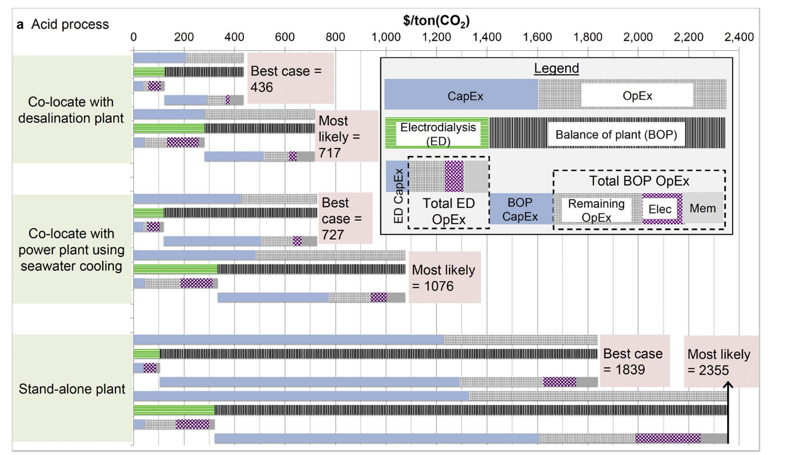
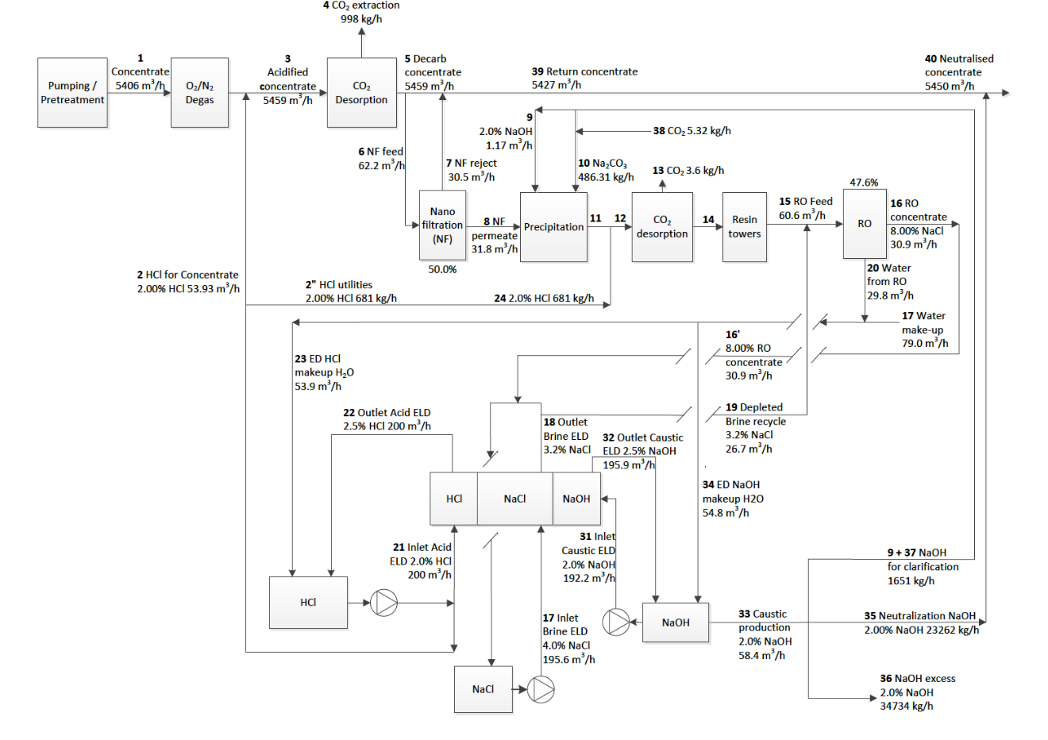

1. Difference in scale

Eisaman: |  |  |  | Us:
CO2 Production Rate (At a given extraction efficiency) |  |  |  | CO2 Production Rate (At a given extraction efficiency)
tons/yr | 7,709 | tons/year |  | tons/yr | 1,000,000 | tons/year
kg/day | 21,121 | kg CO2/day |  | kg/day | 2,739,726 | kg CO2/day |  | Scale (tons/yr) | Cost ($/kg)
ft/min | 264 | ft3 CO2/min |  | ft/min | 34,205 | ft3 CO2/min |  | 7,709 | $667.00 | (assuming 100 mA/cm2 and 2.5 V)
mol/s | 5.56 | mol/s |  | mol/s | 720.68 | mol/s |  | 100,000 | $250.02
kmol/hr | 20.00 | kmol/hr |  | kmol/hr | 2,594.44 | kmol/hr |  | 1,000,000 | $163.97
kg/s | 0.24 | kg/s |  | kg/s | 31.71 | kg/s

Oceanwater Flow Rate (At a given extraction efficiency) |  |  |  | Oceanwater Flow Rate (At a given extraction efficiency)
m3/day | 272,734 | m3/day |  | m3/day | 35,378,694 | m3/day
m3/h | 11,364 | m3/h |  | m3/h | 1,474,112 | m3/h
gal/min | 50,034 | gal/min |  | gal/min | 6,490,320 | gal/min
MGD | 72 | MGD |  | MGD | 9,346 | MGD
L/s | 3,157 | L/s |  | L/s | 409,476 | L/s

Our costs are relatively close if you compare their co-location, best case to ours (but theirs doesn't include costs of intake & micro/ultrafiltration)

Eisaman |  |  |  | Best case, co-location, acid process |  |  | Breakdown by Process Step

 | Capital cost $/ton | Electricity cost $/ton | Replacements $/ton | Fixed OpEx $/ton | Waste $/ton |  |  | Capital cost $/ton | Electricity cost $/ton | Replacements $/ton | Capital cost % | Electricity cost % | Replacements %
Electrodialysis | $40.00 | $58 | $15 | $9 |  |  | Intake | $23.49 | $20.95 | $0.00 | 15% | 18% | 0%
BoP | $169.00 | $15 | $56 | $54 |  |  | Screening | $30.51 | $0.00 | $0.00 | 20% | 0% | 0%
Total | $209.00 | $73 | $71 | $63.00 | $20 |  | Microfiltration | $16.17 | $0.85 | $29.64 | 11% | 1% | 14%
 |  |  |  | TOTAL | $436 |  | Nanofiltration | $3.38 | $0.74 | $0.00 | 2% | 1% | 0%
 |  |  |  |  |  |  | Electrodialysis | $34.86 | $83.01 | $88.07 | 23% | 71% | 41%
Us |  |  |  | 100 mA/cm2, 2.5 V, same scale as theirs |  |  | CO2 stripping | $43.39 | $11.71 | $44.51 | 29% | 10% | 21%
 |  |  |  |  |  |  | Other | $0.00 | $0.00 | $52.20 | 0% | 0% | 24%
 | Capital cost $/ton | Electricity cost $/ton | Replacements $/ton | Fixed OpEx $/ton | Waste $/ton |  | Total | $151.79 | $117.26 | $214.42 | 100% | 100% | 100%
Electrodialysis | $34.86 | $83.01 | $88.07 |  |  |  |  |  | Total | $729.05
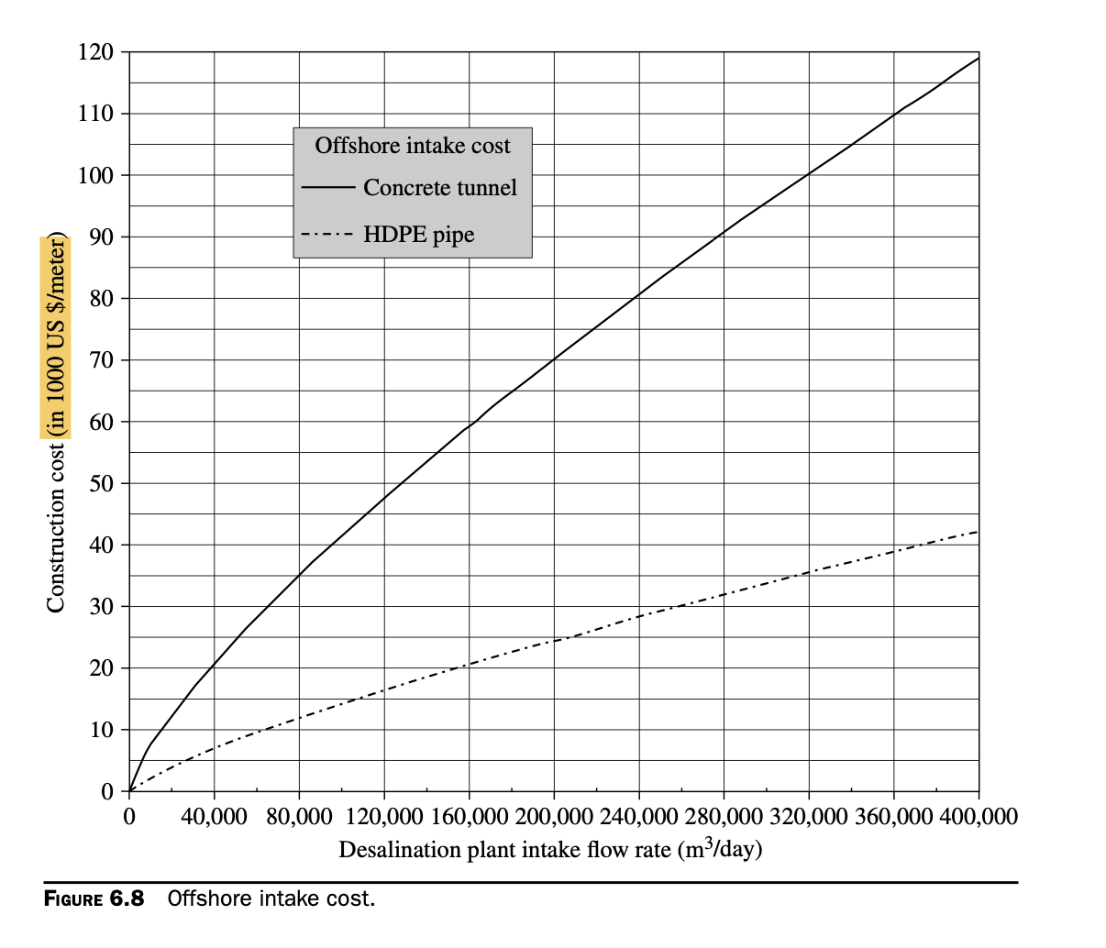
BoP | $116.94 | $34.24 | $126.35 | $217
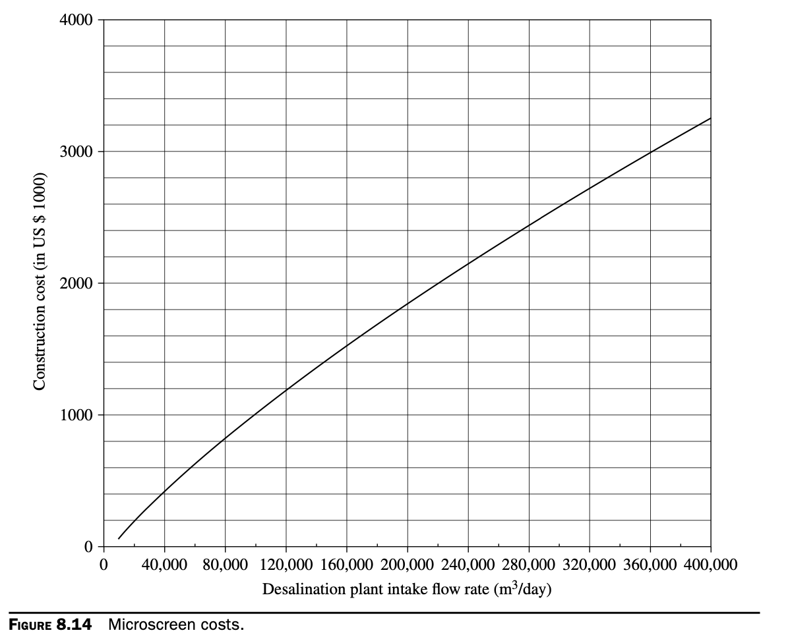
Total | $151.79 | $117.26 | $214.42 | $216.59 | $20
 |  |  |  | TOTAL | $720

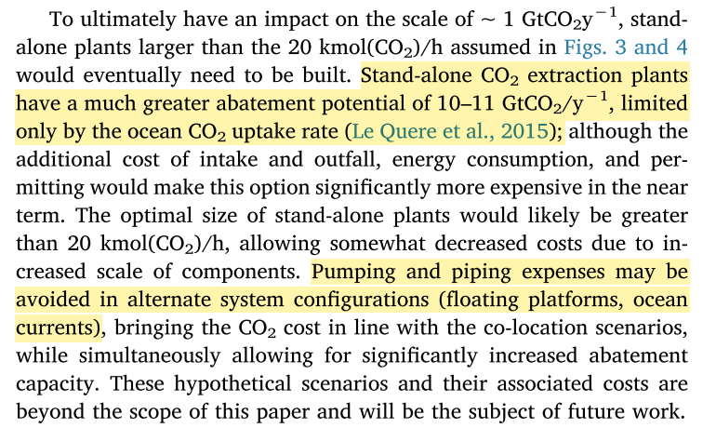
2. We assume a floating platform, much smaller intake costs

 | Us | Them |  | System cost
Electricity price $/kWh | $0.020 | $0.040 |  |  |  | Baseline installed cost in basis year dollars | Baseline installed cost in startup year dollars | Scaled installed cost in startup year dollars
MC cost $/m^3/hr | $83 | $110 |  | Intake |  | $3,249,551 | $3,249,551 | $47,844,550
ED membrane cost $/m^2 | $400 | $460 |  | Screening |  | $4,220,778 | $4,220,778 | $62,144,335
Intake $M/MGD | $0.45 | $0.4 |  | Micro/ultrafiltration |  | $2,236,588 | $2,236,588 | $32,930,254
Outfall $M/MGD |  | $0.5
Pretreatment $M/MGD | $0.90 | $0.5

3. We may be underestimating nanofiltration capital costs

Eisaman |  |  | Co-location, acid process

Equipment | Qty | Purch. Cost ($/Unit) | Purch Cost ($) | Cost Factor | Installed Cost
Membrane contactor CO2 | 192 | $6,930 | $1,330,560 | 2.9 | $3,858,624
Nanofilter | 1 | $506,500 | $506,500 | 2.3 | $1,164,950
RO Concentrator | 1 | $822,400 | $822,400 | 2.3 | $1,891,520
Clarifier | 1 | $69,200 | $69,200 | 4.1 | $283,720
Ion exchange | 1 | $120,700 | $120,700 | 4.1 | $494,870 | $3,835,060
ED package | 4 | $422,700 | $1,690,800 | 1.4 | $2,367,120
Water condenser | 1 | $21,000 | $21,000 | 3.3 | $69,300
Vacuum pump | 1 | $316,300 | $316,300 | 3.7 | $1,170,310
Vacuum pump chiller | 1 | $120,000 | $120,000 | 2.3 | $276,000
 |  |  |  | TOTAL | $11,576,414

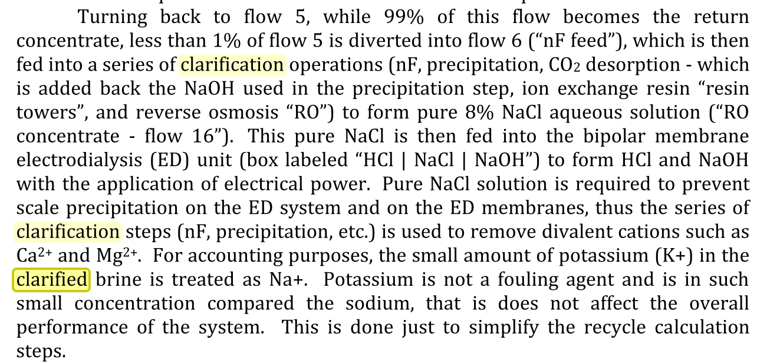
Us

Equipment | Qty | Purch. Cost ($/Unit) | Purch Cost ($) | Cost Factor | Installed Cost
Membrane contactor CO2 | 209 | $6,600 | $1,379,400 | 2.9 | $4,000,260
Nanofilter | 753 | $180 | $135,540 | 2.3 | $311,742
RO Concentrator |  |  | $0 | 2.3 | $0 | needed for demineralized water
Clarifier |  |  | $0 | 4.1 | $0 | needed for divalent cation removal
Ion exchange |  |  | $0 | 4.1 | $0 | needed for divalent cation removal
ED package | 1 | $3,444,516 | $3,444,516 | 1.4 | $4,822,322
Water condenser |  |  | $0 | 3.3 | $0
Vacuum pump | 2 | $107,930 | $251,785 | 3.7 | $931,605
Vacuum pump chiller |  |  | $0 | 2.3 | $0
 |  |  |  | TOTAL | $10,065,929

We can achieve a pretty good match if we increase CapEx at multiple steps

Comparison to Eisaman
Breakdown by Process Step

 | Capital cost $/ton | Electricity cost $/ton | Replacements $/ton | Fixed OpEx; Taxes
Intake | $469.57 | $10.47 | $0.00 |  | Increase CapEx by 20x (to include outfall too)
Screening | $304.96 | $0.00 | $0.00 |  | Increase CapEx by 10x
Microfiltration | $161.60 | $0.42 | $29.62 |  | Increase CapEx by 10x
Nanofiltration | $33.80 | $0.37 | $0.00 |  | Increase CapEx by 10x
Electrodialysis | $34.84 | $41.51 | $88.03
CO2 stripping | $43.37 | $5.86 | $44.49
Other | $0.00 | $0.00 | $52.18
Total | $1,048.14 | $58.63 | $214.32 | $462.04 | Keep labor the same, multiply CapEx by 0.25
 |  | Total | $669.23 | $1,783.13

Eisaman | $1,300 | $150 | $100 | $300
 |  |  |  | $1,850

 | ED CapEx & Replacements | BoP CapEx | ED Electricity | BoP Electricity | Fixed OpEx | Check sum | Notes | Total cost
Eisaman | $55 | $1,225 | $58 | $150 | $350 | $1,838 |  | $1,839
Our baseline | $4 | $34 | $42 | $17 | $21 | $117 |  | $115
Smaller scale | $25 | $237 | $42 | $17 | $210 | $531 | 1 megaton to 7709 tons | $504
Worse ED performance | $123 | $243 | $42 | $17 | $245 | $669 | 500 to 100 mA/cm^2 | $587
Higher electricity price | $123 | $243 | $102 | $42 | $246 | $756 | $0.02 to $0.049/kWh | $677
Onshore intake & outfall | $123 | $952 | $102 | $42 | $663 | $1,881 | 20x intake CapEx | $1,980

 | $4 | $43 | $46 | $20 | $25 | $138

 | Capital cost $/ton | Electricity cost $/ton | Replacements $/ton | Fixed OpEx $/ton | Waste $/ton
Electrodialysis | $40.00 | $58 | $15 | $9
BoP | $169.00 | $15 | $56 | $54
Total | $209.00 | $73 | $71 | $63.00 | $20
 |  |  |  | TOTAL | $436

Breakdown by Process Step | LINKED

 | Capital cost $/ton | Electricity cost $/ton | Replacements $/ton | Capital cost % | Electricity cost % | Replacements %
Intake | $4 | $12 | $0 | $0 | $0 | $0
Screening | $5 | $0 | $0 | $0 | $0 | $0
Microfiltration | $2 | $0 | $5 | $0 | $0 | $0
Nanofiltration | $1 | $0 | $0 | $0 | $0 | $0
Electrodialysis | $1 | $46 | $3 | $0 | $1 | $0
CO2 stripping | $10 | $8 | $10 | $0 | $0 | $0
Other | $0 | $0 | $8 | $0 | $0 | $0
Total | $22 | $66 | $25 | $1 | $1 | $1
 |  | Total | $138

Category | Cost breakdown | Contribution to CO2 price | LINKED

CapEx | 276377006.25 | $22
Replacements | 312736058.56 | $25
Fixed OpEx | 269906273.1 | $21
Variable OpEx | 836934957.45 | $66
Taxes & Working Capital | 49262884.415 | $4

