Competency Matrix (Example)
Competency Matrix

GUIDANCE: This Competency Matrix Template was created to help your organization catalog and define the competencies that are important for your program, participants and employers. These competencies must align to the job role requirements and expectations you are educating your participants for so they can graduate and gain employment. Your program will be more successful in meeting your employment goals by aligning the defined competencies to the learning objectives from each educational asset during its delivery or execution. Please use the Miller Pyramid to understand the levels of competencies that is needed for each area. This will also help you in determining the educational asset to leverage and if you plan to use a certification exam or an assessment to measure the competency. We recommend no more than 5 competencies for each competency area. The information in blue is an example of a completed Competency Matrix. Do not edit. Please use the Competency Matrix Template.

INSTRUCTIONS:
Adding a Competency Area: To add an additional Competency Area, highlight across a blank Competency Area from column A to E. Right click and select Copy. Move to the first open sell in column A. Right click and select Paste.
Adding a Competency: To add a new Competency within a Competency Area, highlight a line in the Competency Area. Right click and select insert.

Job Role / Position: | Robotic Technician 1

Competency Area | Competency
Area | Competency | Description | Miller's Rating | Additional Information
Basic Electronics | Electronic Concepts | Current, Energy, Voltage, Power | Understands/Interprets
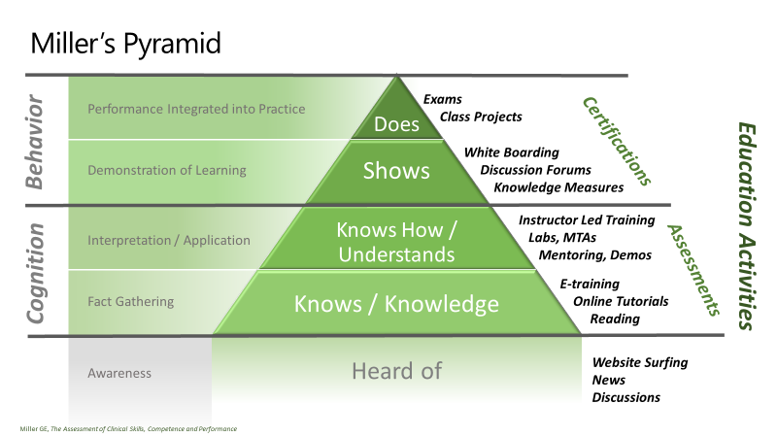
 | Electronic Components | Resistor, Capacitors, Diodes, etc. | Understands/Interprets
 | Laws of Electronics | Ohm's laws, Kirchhoff’s laws | Understands/Interprets
 | Reading CBPs | Reading Circuit Board Plans | Understands/Interprets
 | Electronic Tools and Application | Specific electronic tools used by a Robotic Tech 1 in the field | Knows/Conceptual | Hiring partners will be creating contents for this course

Robotics Basics | Robotics Concepts | Robotics evolution and basics | Shows/Demonstrates
 | Robotics and Manufacturing | Applications of robotics, autonomous vehicles, manufacturing | Shows/Demonstrates
 | Robotics Design | Process automation concepts | Shows/Demonstrates
 | RPA | Robotic Process Automation (RPA) | Shows/Demonstrates
 | RPA Testing | Robotic process automation testing
Programming | Programming Logic | Programming flow | Shows/Demonstrates
 | Programming Fundamentals | Programming constructs, languages and tools | Understands/Interprets
 | C# Fundamentals | Writing simple programs in C# | Shows/Demonstrates
 | Programming and Robotics | Concepts of how to program robots | Understands/Interprets
 | Software Testing | Selenium programming skills | Knows/Conceptual
Test Analysis | Testing Fundamentals | Testing concepts / types | Shows/Demonstrates
 | Testing Methodology | Lean vs. Agile testing | Understands/Interprets
 | Testing Processes | Testing applications and tools | Shows/Demonstrates
 | Testing Rules | Testing structure | Shows/Demonstrates
 | Robotic Test Framework | Robot vs. Selenium testing | Knows/Conceptual
Customer Passion | Customer Focused | shows empathy for the customer's issues | Understands/Interprets
 | Drive for Results | show a passion to get things done | Understands/Interprets
 | Collaborations | can work with others to drive resolution | Shows/Demonstrates

Troubleshooting | Process Management | work through defined steps to get to a resolution | Does / Implements | To be assessed in the interview
 | Creative Thinking | work outside of the box to address unknown issues | Does / Implements | To be assessed in the interview
 | Reporting | due diligence to report issues to help others | Does / Implements | To be assessed in the interview

Ambiguity | Creative Thinking | work outside of the box to address unknown issues | Does / Implements | To be assessed in the interview
 | Process Management | may not have the full instructions | Does / Implements | To be assessed in the interview
 |  |  | Does / Implements | To be assessed in the interview

Data Validation Lists

 |  |  | Millers Rating
 |  |  | Does / Implements
 |  |  | Shows/Demonstrates
 |  |  | Understands/Interprets
 |  |  | Knows/Conceptual
 |  |  | Heard/Aware

