Wiring Diagram
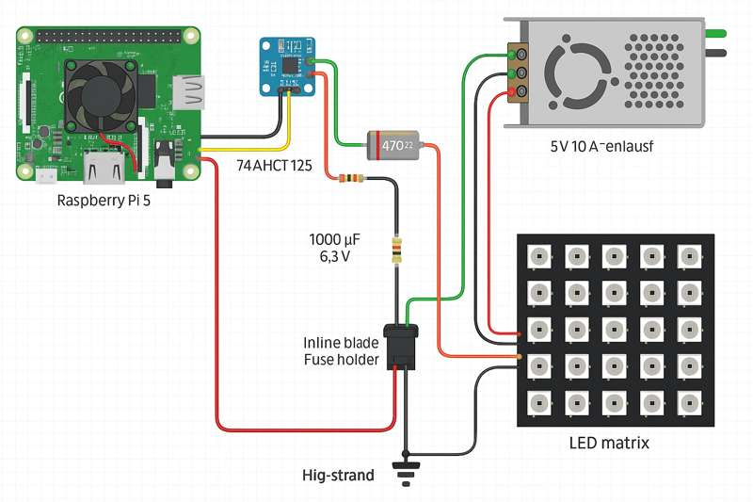

PWM (GPIO18) → Level Shifter → 470Ω Resistor → DIN of first LED.
Inject 5V + GND to each panel via its own fuse + 1000µF capacitor.
Tie all GNDs together (Pi, PSU, LED strips).

