1A. Consolidated - FY P&L
PURE TECHNOLOGY INC.

TELEPHONE - HARDWARE & MARKET RESEARCH SERVICES

PROJECTED INCOME STATEMENT

PRE-LAUNCH (MONTHS -12 to -1) AND POST-LAUNCH (YEARS 1 - 5)

AT August 25th, 2025
 |  |  |  | Consolidated Financials - PT (Core Model), PI, CPG, Camera Commerce, etc

 | Net Revenue | Net Operating Margin | EBITDA | COGS | Total Operating Expenses
Year 0 |  | $99,615,512.00 |  |  | 190,000
Year 1 |  | $762,477,350.53 |  |  | 2,640,000
Year 2 |  | $2,003,656,135.42 |  |  | 8,676,000
Year 3 |  | $4,615,129,586.32 |  |  | 15,120,000
Year 4 |  | $8,270,062,526.82 |  |  | 24,960,000
Year 5 |  | $11,599,019,918.29 |  |  | 37,200,000
 |  |  |  |  | Pre-Launch | Post-Launch

 |  |  |  |  | Year 0 | Year 1 | Year 2 | Year 3 | Year 4 | Year 5
 |  |  |  |  | Months -12 to -1 | Months 1 - 12 | Months 13 - 24 | Months 25 - 36 | Months 37 - 48 | Months 49 - 60

MOBILE TELEPHONES DEPLOYED

● | Full-Year Average |  |  |  | - -
● | End of Year |  |  |  | - -

REVENUE

● | Hardware Subsidies*
● | Total Revenue, Market Research Services / Core Model |  |  |  | -
● | Total Revenue, Pure Influence
● | Total Revenue, CPG Model
● | Total Revenue, Camera Commerce
● | Total Revenue, Pure Research
● | Total Revenue, PureBrain

 |  | TOTAL REVENUE

COST OF GOODS SOLD
● | Hardware COGS
● | PureBrain COGS
 | COGS

NET OPERATING MARGIN

OPERATING EXPENSES |  |  |  |  |  |  |  |  |  |  | % of Total Revenue

● | People Cost (Salaries, ER Taxes, Benefits)
● | Research and Development
● | Sales and Marketing
● | Occupancy
● | General and Administrative
● | Customer Rewards
● | Pure Influence Expenses
● | CPG Model - Expenses
● | Camera Commerce - Expenses
● | Capital Expenditures
● | One Time Legacy Expenses + Strategic Investments
● | PureBrain Operating Expenses

 |  |  |  |  |  |  |  |  |  |  |  | Checked
 |  |  | EBITDA/OPERATING INCOME / (LOSS), $
 |  |  | EBIDA/OPERATING MARGIN, %

 |  |  |  | Expense per phone |  |  |  |  |  |  |  | Use of Funds
 |  |  |  | Revenue per phone |  |  |  |  |  |  |  | People Cost (Salaries, ER Taxes, Benefits)
 |  |  |  | Profit per phone |  |  |  |  |  |  |  | Research and Development
 |  |  |  |  |  |  |  |  |  |  |  | Sales and Marketing
 |  | Total Expenses Check |  |  |  |  |  |  |  |  |  | Occupancy
 |  |  |  |  |  |  |  |  |  |  |  | General and Administrative
 |  |  |  |  |  |  |  |  |  |  |  | Customer Rewards
 |  | Total Expenses double checked against forecast |  |  |  |  |  |  |  |  |  | Capital Expenditures
 |  | Total Ops Income/(Loss) checked against forecast |  |  |  |  |  |  |  |  |  | Strategic Investments
 |  |  |  |  |  |  |  |  |  |  |  | One Time Legacy Expenses + Strategic Investments
* |  | In Years 1 and 2, it is expected that distribution of proprietary Pure Technology mobile telephones ('Hardware') will be fully funded by early-adopter brands and/or our go to market strategy and that this funding will exceed the Hardware COGS.
 |  |  | From Year 3 onward, legacy users of PT Hardware are provided a new mobile telephone handset at no cost so hardware subsidies become less than hardware COGS from that point onward. |  |  |  |  |  |  |  |  | working capital
 |  |  | New subscribers to our system will still receive phones either subsidized via go-to-market (deployment strategy), or other means.
 |  |  | Only legacy users will receive free hardware without subsidization aside from what the previous device generated.

 |  |  |  |  |  | Net Hardware Revenue or (Cost)
 |  |  |  |  |  | Year 1 | Year 2 | Year 3 | Year 4 | Year 5

 |  |  |  | Operations Minus People Costs |  |  |  |  |  |  | <-- other costs minus salary

 |  |  |  | Original Numbers - projects on 7.5 hours per year
 |  |  |  | Revenue Per phone
 |  |  |  | Internal Expense per phone
 |  |  |  | Revenue share per phone - 10%
 |  |  |  | PT's remaining Profit margin per phone
 |  |  |  | Operating Margin

 |  |  |  | 2025 Ed's Numbers - projects on 7.5 hours per year
 |  |  |  | Revenue Per phone |  | $2,656.42
 |  |  |  | Internal Expense per phone
 |  |  |  | Revenue share per phone - 10%
 |  |  |  | PT's remaining Profit margin per phone
 |  |  |  | Operating Margin

 | Net Revenue |  | Net Operating Margin |  | EBITDA |  | COGS |  | Total Operating Expenses
Pre-Launch |  | Pre-Launch | $99,615,512.00 | Pre-Launch |  | Year 0 |  | Year 0 | 190,000
Post-Launch |  | Post-Launch | $762,477,350.53 | Post-Launch |  | Year 1 |  | Year 1 | 2,640,000
 |  |  | $2,003,656,135.42 |  |  | Year 2 |  | Year 2 | 8,676,000
 |  |  | $4,615,129,586.32 |  |  | Year 3 |  | Year 3 | 15,120,000
 |  |  | $8,270,062,526.82 |  |  | Year 4 |  | Year 4 | 24,960,000
 |  |  | $11,599,019,918.29 |  |  | Year 5 |  | Year 5 | 37,200,000
 |  |  |  | Standalone Financials - PT (Core Model)

 |  |  |  |  | Pre-Launch | Post-Launch

 |  |  |  |  | Year 0 | Year 1 | Year 2 | Year 3 | Year 4 | Year 5
 |  |  |  |  | Months -12 to -1 | Months 1 - 12 | Months 13 - 24 | Months 25 - 36 | Months 37 - 48 | Months 49 - 60

MOBILE TELEPHONES DEPLOYED

● | Full-Year Average
● | End of Year

REVENUE

● | Hardware Subsidies*
● | Total Revenue, Market Research Services / Core Model
● | Total Revenue, Pure Research

 |  | TOTAL REVENUE

COST OF GOODS SOLD
● | Hardware COGS
 | COGS

NET OPERATING MARGIN

OPERATING EXPENSES |  |  |  |  |  |  |  |  |  |  | % of Total Revenue

● | People Cost (Salaries, ER Taxes, Benefits)
● | Research and Development
● | Sales and Marketing
● | Occupancy
● | General and Administrative
● | Customer Rewards
● | Capital Expenditures
● | One Time Legacy Expenses + Strategic Investments

 |  |  |  |  |  |  |  |  |  |  |  | Checked
 |  |  | EBITDA/OPERATING INCOME / (LOSS), $
 |  |  | EBIDA/OPERATING MARGIN, % |  | N/A

 |  |  |  | Expense per phone |  |  |  |  |  |  |  | Use of Funds
 |  |  |  | Revenue per phone |  |  |  |  |  |  |  | People Cost (Salaries, ER Taxes, Benefits)
 |  |  |  | Profit per phone |  |  |  |  |  |  |  | Research and Development
 |  |  |  |  |  |  |  |  |  |  |  | Sales and Marketing
 |  | Total Expenses Check |  |  |  |  |  |  |  |  |  | Occupancy
 |  |  |  |  |  |  |  |  |  |  |  | General and Administrative
 |  |  |  |  |  |  |  |  |  |  |  | Customer Rewards
* |  | Total Expenses double checked against forecast |  |  |  |  |  |  |  |  |  | Capital Expenditures
 |  | Total Ops Income/(Loss) checked against forecast |  |  |  |  |  |  |  |  |  | Strategic Investments
 |  |  |  |  |  |  |  |  |  |  |  | One Time Legacy Expenses + Strategic Investments
 |  | In Years 1 and 2, it is expected that distribution of proprietary Pure Technology mobile telephones ('Hardware') will be fully funded by early-adopter brands and/or our go to market strategy and that this funding will exceed the Hardware COGS.
 |  |  | From Year 3 onward, legacy users of PT Hardware are provided a new mobile telephone handset at no cost so hardware subsidies become less than hardware COGS from that point onward. |  |  |  |  |  |  |  |  | working capital
 |  |  | New subscribers to our system will still receive phones either subsidized via go-to-market (deployment strategy), or other means.
 |  |  | Only legacy users will receive free hardware without subsidization aside from what the previous device generated.

 |  |  |  |  |  | Net Hardware Revenue or (Cost)
 |  |  |  |  |  | Year 1 | Year 2 | Year 3 | Year 4 | Year 5

 |  |  |  | Operations Minus People Costs |  |  |  |  |  |  | <-- other costs minus salary

 |  |  |  | Original Numbers - projects on 7.5 hours per year
 |  |  |  | Revenue Per phone
 |  |  |  | Internal Expense per phone
 |  |  |  | Revenue share per phone - 10%
 |  |  |  | PT's remaining Profit margin per phone
 |  |  |  | Operating Margin

 |  |  |  | 2025 Ed's Numbers - projects on 7.5 hours per year
 |  |  |  | Revenue Per phone |  | $2,656.42
 |  |  |  | Internal Expense per phone
 |  |  |  | Revenue share per phone - 10%
 |  |  |  | PT's remaining Profit margin per phone
 |  |  |  | Operating Margin

5A. People Cost Roll-Up
PURE TECHNOLOGY

PEOPLE COST ROLL-UP

MONTHS 1 - 60

 |  |  |  |  |  |  |  | Pre-Launch: Months -12 through -1 |  | Post-Launch, Year 1: Months 1 - 12 |  | Post-Launch, Year 2: Months 13 - 24 |  | Post-Launch, Year 3: Months 25 - 36 |  | Post-Launch, Year 4: Months 37 - 48 |  | Post-Launch, Year 5: Months 49 - 60

 |  |  |  |  |  |  |  |  | Total, |  | Total, |  | Total, |  | Total, |  | Total, |  | Total,
 |  |  |  |  | -12 | -11 | -10 | -9 | Pre-Launch | 1 | Months 1 - 12 | 13 | Months 13 - 24 | 25 | Months 25 - 36 | 37 | Months 37 - 48 | 49 | Months 49 - 60

Total Headcount

Sales and Marketing Headcount

Salaries

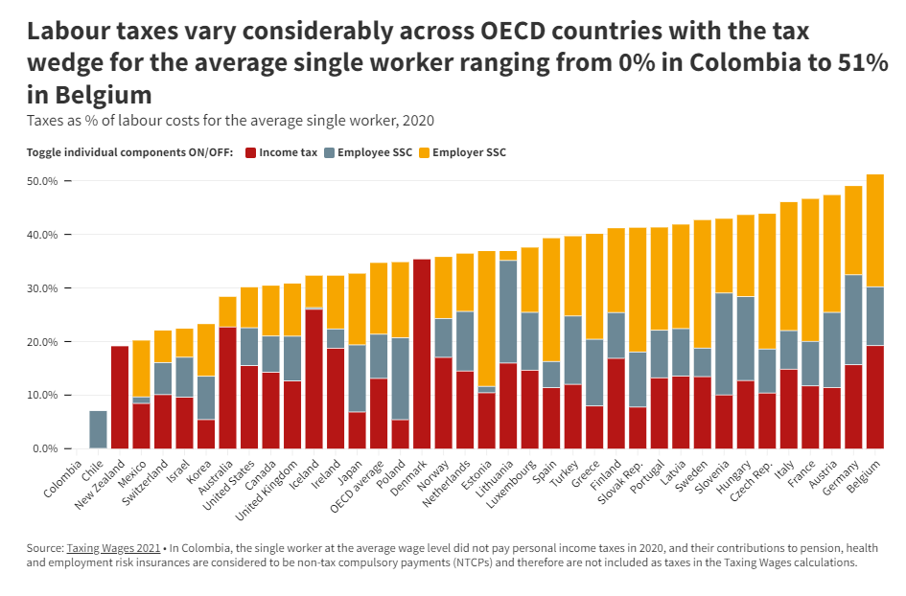
● | CONUS
 | ● | Senior Management
 | ● | Middle Management
 | ● | Administration and Support

 |  |  | ∑, CONUS

● | OCONUS
 | ● | Senior Management
 | ● | Middle Management
 | ● | Administration and Support

 |  |  | ∑, OCONUS

 |  |  |  | ∑, CONUS + ∑, OCONUS

Payroll Taxes

● | CONUS
 |  | Taxable Salaries
 |  |  | Employer Payroll Taxes at 9.00%

● | OCONUS
 |  | Taxable Salaries
 |  |  | Employer Payroll Taxes at 10.00%

 |  |  |  | Total, CONUS + OCONUS

Employee Benefits

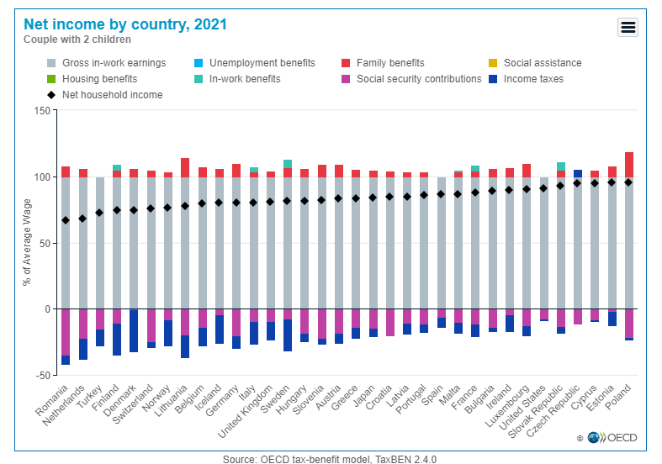
● | CONUS
 |  | Salary Base
 |  |  | Employee Benefits, Net of Employee Contribution, at 20.00%

● | OCONUS
 |  | Salary Base
 |  |  | Employee Benefits, Net of Employee Contribution, at 10.00%

 |  |  |  | Total, CONUS + OCONUS

Total People Cost

● | CONUS

● | OCONUS

 |  | Total, CONUS + OCONUS

 |  | Check

7. Pure Influence
PURE TECHNOLOGY

PURE INFLUENCE REVENUE

BY MONTH, MONTHS 1 - 60

 |  |  |  | Pre-Launch Month |  |  |  |  |  | Total

 |  |  |  | -12 |  |  |  |  |  | Months - 12 to - 1

Month-Over-Month Revenue Growth, % |  |  |  | -
Revenue |  |  |  |  |  |  |  |  |  |  | this is revenue less commission
 | Direct Cost of Services, as a % of Revenue
 | Less: Direct Cost of Services

 |  | Net Revenue

 |  |  |  | Post-Launch Month |  |  |  |  |  | Total

 |  |  |  | 1 |  |  |  |  |  | Months 1 to 12

Month-Over-Month Revenue Growth, %
Revenue
 | Direct Cost of Services, as a % of Revenue
 | Less: Direct Cost of Services

 |  | Net Revenue

 |  |  |  | Post-Launch Month |  |  |  |  |  | Total

 |  |  |  | 13 |  |  |  |  |  | Months 13 - 24

Month-Over-Month Revenue Growth, %
Revenue
 | Direct Cost of Services, as a % of Revenue
 | Less: Direct Cost of Services

 |  | Net Revenue

 |  |  |  | Post-Launch Month |  |  |  |  |  | Total

 |  |  |  | 25 |  |  |  |  |  | Months 25 - 36

Month-Over-Month Revenue Growth, %
Revenue
 | Direct Cost of Services, as a % of Revenue
 | Less: Direct Cost of Services

 |  | Net Revenue

 |  |  |  | Post-Launch Month |  |  |  |  |  | Total

 |  |  |  | 37 |  |  |  |  |  | Months 37 - 48

Month-Over-Month Revenue Growth, %
Revenue
 | Direct Cost of Services, as a % of Revenue
 | Less: Direct Cost of Services

 |  | Net Revenue

 |  |  |  | Post-Launch Month |  |  |  |  |  | Total

 |  |  |  | 49 |  |  |  |  |  | Months 49 - 60

Month-Over-Month Revenue Growth, %
Revenue
 | Direct Cost of Services, as a % of Revenue
 | Less: Direct Cost of Services

 |  | Net Revenue

 |  |  |  | FY0 | FY1 | FY2 | FY3 | FY4 | FY5

 |  |  | Revenue

 |  |  | Operating Expenses

 |  |  | EBITDA/OPERATING INCOME / (LOSS), $
 |  |  | EBIDA/OPERATING MARGIN, %

 | Net Revenue | EBITDA | Total Operating Expenses
Year 0 | $3,239,001.49 | $2,158,946.67 | $1,080,054.82
Year 1 | $23,346,480.68 | $20,862,404.34 | $2,484,076.35
Year 2 | $105,694,760.26 | $97,914,210.96 | $7,780,549.30
Year 3 | $307,440,455.31 | $284,941,386.99 | $22,499,068.32
Year 4 | $706,915,377.93 | $635,327,285.67 | $71,588,092.25
Year 5 | $1,179,353,023.57 | $1,038,004,183.04 | $141,348,840.53

Ref. 3-Core Model Research 2023
Revenue Stream Assumptions | Potential Revenue PER USER, Per Year | Targeting Frequency PER YEAR | Targeting Frequency PER DAY | Average Time Duration of Campaign per Category in Minutes | Average Total Time Spent Working on Free Phone Per Year Per User in Minutes | Revenue Per Person Per Average Campaign, Advertisement Click or Sale | Cost Per Person Per Average Campaign (User Earnings) | Average Profit Per Campaign | Revenue Per Person Per 1 Hour of Work (or per 10 Ad Clicks or Sales) | Cost Per Person Per 1 Hour of Work (User Earnings) | Average Profit Per Person Per Hour of Work (or per 10 Ad Clicks or Sales) | Revenue Per Person Per YEAR of Work | Cost Per Person Per YEAR of Work (User Earnings) | Average Profit Per Person Per YEAR of Work |  | FY1
Client | 23,049 | Doesn't Apply | Doesn't Apply |  | Doesn't Apply |  |  |  |  |  |  | Doesn't Apply | Doesn't Apply | Doesn't Apply | App & Mobile Monetization
Users AFTER Attrition | 178,158 | Doesn't Apply | Doesn't Apply |  | Doesn't Apply |  |  |  |  |  |  | Doesn't Apply | Doesn't Apply | Doesn't Apply | Market Research
Predictive Problem Solving Price (Per Year) | $110.00 | Doesn't Apply | Doesn't Apply |  | Doesn't Apply |  |  |  |  |  |  |  | $0.00 |  | Predictive Problem Solving
Pre-Installed/Partner Application & In-App Revenue (Per User Per Year) | $1.22 | Doesn't Apply | Doesn't Apply |  | Doesn't Apply |  |  |  |  |  |  |  | $0.00 |  | Retarget Marketing & Advertising
Partner Mobile E-Commerce & Pure Tech E-Commerce Revenue (Per User Per Year) | $6.00 | Doesn't Apply | Doesn't Apply |  | Doesn't Apply |  |  |  |  |  |  |  | $0.00 |  | Promoters / Social Marketing
Pure Technology Mobile Monetization Revenue (Per User Per Year) | $4.96 | Doesn't Apply | Doesn't Apply |  | Doesn't Apply |  |  |  |  |  |  |  | $0.00 |  | Sales
User Marketing Revenue (Per User Per Year) | $10.10 |  |  | Doesn't Apply | Doesn't Apply | $0.25 | $0.00 |  |  | $0.00 |  |  | $0.00 |  | Total
Sales Revenue (Per User Per Year) | $90.00 |  |  | Doesn't Apply | Doesn't Apply |  | $0.00 |  |  | $0.00 |  |  | $0.00
 | $85.39 | $12.18 | $1,519.50 | $10.10 | $75.00 | $90.00
Focus Groups & Testing (Per User Per Year) | $832.00 | 2 |  | 60
Mystery Shopping (Per User Per Year) | $400.00 | 4 |  | 30
Consumer Experience Studies (Per User Per Year) | $187.50 | 5 |  | 7.5
All Different Surveys (Per User Per Year) | $100.00 | 25 |  | 4
Social Media Grassroots Influencer Per Post | $100.00 | 15 |  | 3
Totals
 |  |  |  |  | Average Total Time Spent Working in Free Phone Per Year Per User In Hours
Predictive Problem Solving |  |  |  |  |  |  |  |  |  |  |  |  | Cost of Phone & Logistics
Per Year Per Client |  |  |  |  |  |  |  |  |  |  |  |  | $628.00
Per Year of 50% of clients |  |  | <-- half client amount |  |  |  |  |  |  |  |  |  | Total Cost | Total profits
Per Year of total clients
Total Predictive Problem Solving Monetization
Case 1: 50% of clients (Per User Per Year) |  |  |  |  |  | Assumption Per $1,000 in User Earnings |  |  |  | Assumption Per $100 in User Earnings
Case 2: Total clients (Per User Per Year) |  |  |  |  |  | Average User Earnings Per Hour |  |  |  | Average User Earnings Per Hour
 |  |  |  |  |  | How Many Hours a User Must Work per Year to Generate $1,000 |  |  |  | How Many Hours a User Must Work per Year to Generate $100
 |  |  |  |  |  | How Many Hours a User Must Work per Month to Generate $1,000 |  |  |  | How Many Hours a User Must Work per Month to Generate $100
App & Mobile Monetization | $12.18
Market Research | $1,519.50
Predictive Problem Solving | $85.39
Retarget Marketing & Advertising | $10.10
Promoters / Social Marketing | $75.00
Sales | $90.00
App & Mobile Monetization |  |  |  |  |  | $1,000 In User Earnings |  |  |  | $100 In User Earnings
Pre-Installed/Partner Application & In-App Revenue |  |  |  |  |  | Average Profit Per User Per Hour |  |  |  | Average Profit Per User Per Hour
Partner Mobile E-Commerce & Pure Tech E-Commerce Revenue |  |  |  |  |  | Revenue Per User Per $1,000 Earned BY the User |  |  |  | Revenue Per User Per $100 Earned BY the User
Pure Technology Mobile Monetization Revenue |  |  |  |  |  | Total PROFIT Per User Per $1,000 Earned BY the User |  |  |  | Total PROFIT Per User Per $100 Earned BY the User
Total Potential App & Mobile Monetization (Per User Per Year) |  |  |  |  |  | Extrapolated Assumptions based on how many hours they COULD work in our system!
 |  |  |  |  |  | If a user works a total of approx 100 hours in a year THEY EARN
 |  |  |  |  |  | If a user works a total of approx 100 hours in a year WE EARN
Market Research |  |  |  |  |  | If a user works a total of approx 150 hours in a year THEY EARN
Focus Groups & Testing (Per User Per Year) |  |  |  |  |  | If a user works a total of approx 150 hours in a year WE EARN
Mystery Shopping (Per User Per Year) |  |  |  |  |  | If a user works a total of approx 200 hours in a year THEY EARN
Consumer Experience Studies (Per User Per Year) |  |  |  |  |  | If a user works a total of approx 200 hours in a year WE EARN
All Different Surveys (Per User Per Year)
Total Potential Market Research Revenue (Per User Per Year) |  | <-- THE MAGIC NUMBER

Retarget Marketing & Advertising
User Marketing Revenue (Per User Per Year)
Total User Marketing Revenue (Per User Per Year)

Promoters (Social media grassroots influencers)
Target frequency (Per User Per Year)
Per Post
Total Promoter Revenue

Sales
Sales Revenue (Per User Per Year)
Total Sales (Per User Per Year)

Ref. 4-Core Model Research 2025
Revenue Stream Assumptions | Potential Revenue PER USER, Per Year | Targeting Frequency PER YEAR | Targeting Frequency PER DAY | Average Time Duration of Campaign per Category in Minutes | Average Total Time Spent Working on Free Phone Per Year Per User in Minutes | Revenue Per Person Per Average Campaign, Advertisement Click or Sale | Cost Per Person Per Average Campaign (User Earnings) | Average Profit Per Campaign | Revenue Per Person Per 1 Hour of Work (or per 10 Ad Clicks or Sales) | Cost Per Person Per 1 Hour of Work (User Earnings) | Average Profit Per Person Per Hour of Work (or per 10 Ad Clicks or Sales) | Revenue Per Person Per YEAR of Work | Cost Per Person Per YEAR of Work (User Earnings) | Average Profit Per Person Per YEAR of Work |  | FY1
Client | 23,049 | Doesn't Apply | Doesn't Apply |  | Doesn't Apply |  |  |  |  |  |  | Doesn't Apply | Doesn't Apply | Doesn't Apply | App & Mobile Monetization
Users AFTER Attrition | 178,158 | Doesn't Apply | Doesn't Apply |  | Doesn't Apply |  |  |  |  |  |  | Doesn't Apply | Doesn't Apply | Doesn't Apply | Market Research
Predictive Problem Solving Price (Per Year) | $100.00 | Doesn't Apply | Doesn't Apply |  | Doesn't Apply |  |  |  |  |  |  |  | $0.00 |  | Predictive Problem Solving
Pre-Installed/Partner Application & In-App Revenue (Per User Per Year) | $1.30 | Doesn't Apply | Doesn't Apply |  | Doesn't Apply |  |  |  |  |  |  |  | $0.00 |  | Retarget Marketing & Advertising
Partner Mobile E-Commerce & Pure Tech E-Commerce Revenue (Per User Per Year) | $10.00 | Doesn't Apply | Doesn't Apply |  | Doesn't Apply |  |  |  |  |  |  |  | $0.00 |  | Promoters / Social Marketing
Pure Technology Mobile Monetization Revenue (Per User Per Year) | $5.00 | Doesn't Apply | Doesn't Apply |  | Doesn't Apply |  |  |  |  |  |  |  | $0.00 |  | Sales
User Marketing Revenue (Per User Per Year) | $10.00 |  |  | Doesn't Apply | Doesn't Apply | $0.25 | $0.00 |  |  | $0.00 |  |  | $0.00 |  | Total
Sales Revenue (Per User Per Year) | $90.00 |  |  | Doesn't Apply | Doesn't Apply |  | $0.00 |  |  | $0.00 |  |  | $0.00
 | $77.62 | $16.30 | $2,387.50 | $10.00 | $75.00 | $90.00
Focus Groups & Testing (Per User Per Year) | $1,000.00 | 2 |  | 60
Mystery Shopping (Per User Per Year) | $1,000.00 | 4 |  | 30
Consumer Experience Studies (Per User Per Year) | $187.50 | 5 |  | 7.5
All Different Surveys (Per User Per Year) | $200.00 | 25 |  | 4
Social Media Grassroots Influencer Per Post | $100.00 | 15 |  | 3
Totals
 |  |  |  |  | Average Total Time Spent Working in Free Phone Per Year Per User In Hours
Predictive Problem Solving |  |  |  |  |  |  |  |  |  |  |  |  | Cost of Phone & Logistics
Per Year Per Client |  |  |  |  |  |  |  |  |  |  |  |  | $628.00
Per Year of 50% of clients |  |  | <-- half client amount |  |  |  |  |  |  |  |  |  | Total Cost | Total profits
Per Year of total clients
Total Predictive Problem Solving Monetization
Case 1: 50% of clients (Per User Per Year) |  |  |  |  |  | Assumption Per $1,000 in User Earnings |  |  |  | Assumption Per $100 in User Earnings
Case 2: Total clients (Per User Per Year) |  |  |  |  |  | Average User Earnings Per Hour |  |  |  | Average User Earnings Per Hour
 |  |  |  |  |  | How Many Hours a User Must Work per Year to Generate $1,000 |  |  |  | How Many Hours a User Must Work per Year to Generate $100
 |  |  |  |  |  | How Many Hours a User Must Work per Month to Generate $1,000 |  |  |  | How Many Hours a User Must Work per Month to Generate $100
App & Mobile Monetization | $16.30
Market Research | $2,387.50
Predictive Problem Solving | $77.62
Retarget Marketing & Advertising | $10.00
Promoters / Social Marketing | $75.00
Sales | $90.00
App & Mobile Monetization |  |  |  |  |  | $1,000 In User Earnings |  |  |  | $100 In User Earnings
Pre-Installed/Partner Application & In-App Revenue |  |  |  |  |  | Average Profit Per User Per Hour |  |  |  | Average Profit Per User Per Hour
Partner Mobile E-Commerce & Pure Tech E-Commerce Revenue |  |  |  |  |  | Revenue Per User Per $1,000 Earned BY the User |  |  |  | Revenue Per User Per $100 Earned BY the User
Pure Technology Mobile Monetization Revenue |  |  |  |  |  | Total PROFIT Per User Per $1,000 Earned BY the User |  |  |  | Total PROFIT Per User Per $100 Earned BY the User
Total Potential App & Mobile Monetization (Per User Per Year) |  |  |  |  |  | Extrapolated Assumptions based on how many hours they COULD work in our system!
 |  |  |  |  |  | If a user works a total of approx 100 hours in a year THEY EARN
 |  |  |  |  |  | If a user works a total of approx 100 hours in a year WE EARN
Market Research |  |  |  |  |  | If a user works a total of approx 150 hours in a year THEY EARN
Focus Groups & Testing (Per User Per Year) |  |  |  |  |  | If a user works a total of approx 150 hours in a year WE EARN
Mystery Shopping (Per User Per Year) |  |  |  |  |  | If a user works a total of approx 200 hours in a year THEY EARN
Consumer Experience Studies (Per User Per Year) |  |  |  |  |  | If a user works a total of approx 200 hours in a year WE EARN
All Different Surveys (Per User Per Year)
Total Potential Market Research Revenue (Per User Per Year) |  | <-- THE MAGIC NUMBER

Retarget Marketing & Advertising
User Marketing Revenue (Per User Per Year)
Total User Marketing Revenue (Per User Per Year)

Promoters (Social media grassroots influencers)
Target frequency (Per User Per Year)
Per Post
Total Promoter Revenue

Sales
Sales Revenue (Per User Per Year)
Total Sales (Per User Per Year)

Ref. 5-FY1 Comps Research
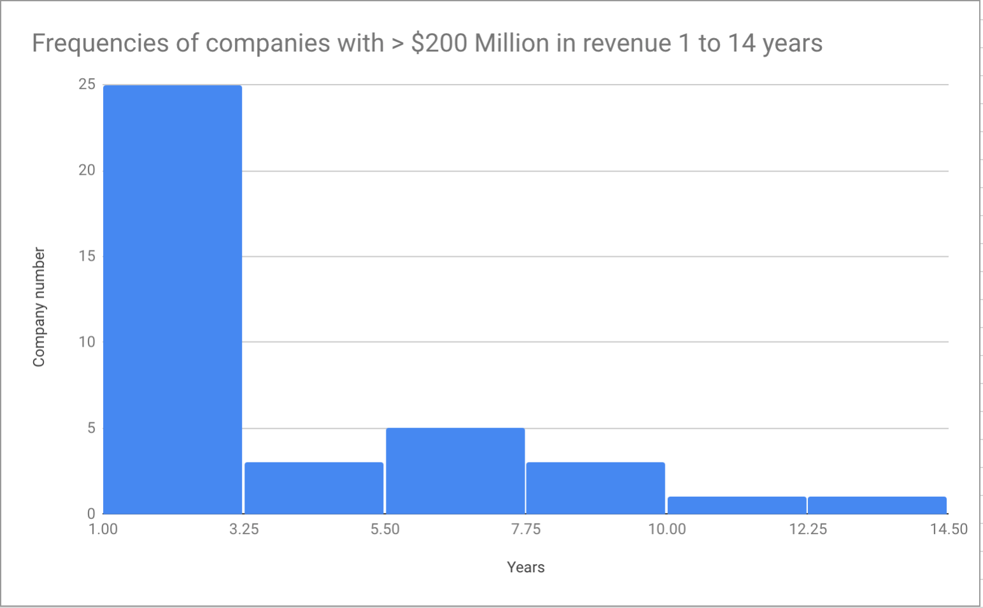
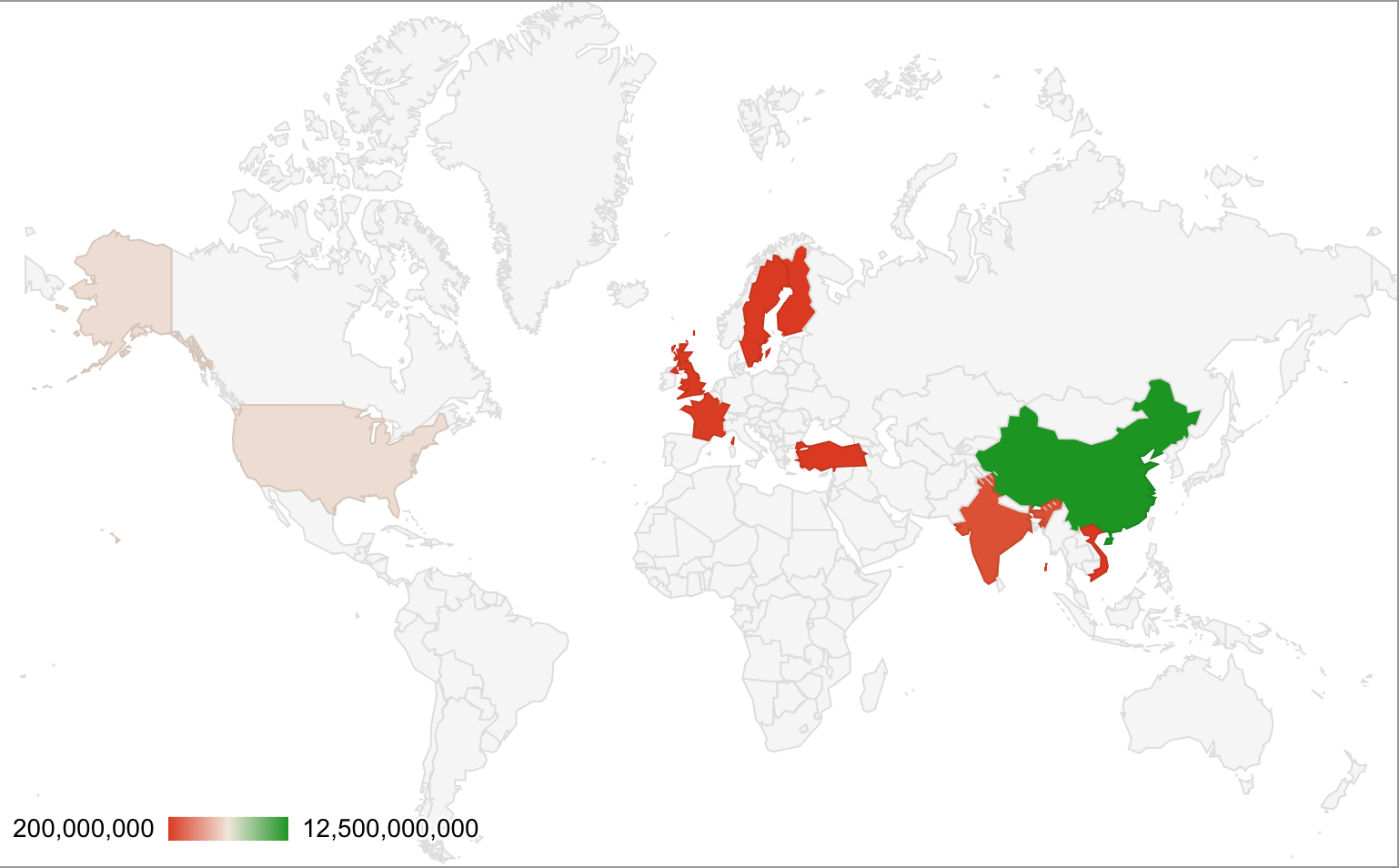
Company | Revenue | Year(s) | Industry | Location | Source
OnePlus |  | 1 | Smartphones | China | https://www.businessinsider.com/oneplus-2014-annual-report-2015-2 | http://www.yourtechstory.com/2019/11/11/success-story-of-oneplus/
Wiko | $320,000,000.00 | 1 | Smartphones | France/China | http://www.gizmochina.com/2014/03/15/wiko-smartphone-chinese-handset-which-successfully-sold-in-france-market/
Vivo - JUST IN INDIA! | $131,208,969.75 | 1 | Smartphones | China | https://www.bloomberg.com/news/articles/2017-12-28/maybe-there-is-a-100-billion-smartphone-brand-in-china |  |  | https://www.businesstoday.in/technology/news/vivo-revenue-crosses-rs-10000crore-milestone-in-just-four-years-in-india/story/282154.html |  |  |  |  |  | https://www.quora.com/What-is-the-financial-income-of-Vivo-mobile-company-in-year-2016-17 |  |  |  | https://www.statista.com/statistics/541618/vivo-smartphone-shipments-worldwide/ | https://www.xe.com/currencyconverter/convert/?Amount=61%2C460%2C000%2C000&From=INR&To=USD
Oppo | $465,000,000.00 | 1 | Smartphones | China | https://www.bloomberg.com/news/articles/2017-12-28/maybe-there-is-a-100-billion-smartphone-brand-in-china |  |  |  |  |  |  | https://www.statista.com/statistics/541609/oppo-smartphone-shipments-worldwide/ |  | https://www.statista.com/statistics/541609/oppo-smartphone-shipments-worldwide/
Micromax - read note in column C | $1,000,000,000.00 | 9 | Smartphones | India | https://www.ibtimes.co.in/micromax039s-canvas-series-phones-exceed-1-million-unit-sales-pose-threat-to-samsung-461642 |  |  | The First YEAR of the CANVAS phone ON ONLY that phone Micromax made about $200 MILLION in Revenue based on it's selling price x amount of phones they sold |  |  |  |  |  |  | $198 USD rough estimate per phone x 1 million phones | https://www.xe.com/currencyconverter/convert/?Amount=14499&From=INR&To=USD
RealMe |  | 1 | Smartphones | India | https://www.techradar.com/news/realme-sold-over-15-million-smartphones-in-the-first-year |  | https://en.wikipedia.org/wiki/Realme |  |  | possibly $84 Million in 30 days FY1 |  |  | https://techcrunch.com/2020/11/20/realme-profile/#:~:text=Within%20nine%20quarters%2C%20Realme%20has,market%2C%20even%20larger%20than%20China. |  |  |  | https://www.forbes.com/sites/realme/2021/08/09/realme-sells-100-million-handsets-in-record-setting-3-years-ceo-wants-to-beat-its-own-record/?sh=4a4d3a684851
Toon Blast | $200,000,000.00 | 1 | Mobile Gaming | Turkey | https://www.pocketgamer.biz/news/68993/toon-blast-revenue-rockers-to-200-million-in-its-first-year/
Fortnite | $200,000,000.00 | 1 | Video Game | USA | https://sensortower.com/blog/fortnite-revenue-200-million
Pokemon Go | $200,000,000.00 | 1 | Mobile Gaming | USA | https://venturebeat.com/2016/08/08/sensor-tower-pokemon-go-made-200-million-in-its-first-month/
Facebook Spammers | $200,000,000.00 | 1 | Spam | International | https://www.theguardian.com/technology/2013/aug/28/facebook-spam-202-million-italian-research
Black Panther (Marvel Studios) | $200,000,000.00 | 1 | Film | USA | https://www.hollywoodreporter.com/heat-vision/black-panther-weekend-box-office-record-shattering-debut-1085932
Flipkart | $200,000,000.00 | 1 | Electronics Retail | India | https://www.gadgetsnow.com/tech-news/Smartphones-the-biggest-hit-on-Flipkarts-Big-Billion-sale/articleshow/49539709.cms
Five9 | $200,000,000.00 | 1 | Cloud Service | USA | https://www.businesswire.com/news/home/20180221006185/en/Five9-Reports-Record-Annual-Revenue-200-Million
Cohesity | $200,000,000.00 | 1 | Data Backup | USA | https://www.datacenterknowledge.com/startups/hyperconverged-startup-cohesity-hits-200m-annual-sales-pace
Etsy | $200,000,000.00 | 1 | E-Commerce | USA | https://www.statista.com/statistics/409371/etsy-annual-revenue/
Diligent Corporation | $200,000,000.00 | 1 | Software | USA | https://www.bizjournals.com/newyork/businesswire/press_releases/New_York/2018/02/09/20180209005073
Binance | $200,000,000.00 | 1 | Crypto Currency | China | https://bitcoinexchangeguide.com/binance-earns-200-million-while-nasdaqs-posts-209-million-in-profits-but-has-20x-more-employees/
Candy Crush Saga | $200,000,000.00 | 1 | Mobile Gaming | Sweden | https://www.gamesindustry.biz/articles/2018-07-23-candy-crush-saga-revenue-for-q2-hits-usd213m-after-18-percent-growth
Teads | $200,000,000.00 | 1 | Video Advertisement | U.K. | https://www.teads.tv/teads-announces-200-million-revenue/
Scavi Vietnam | $200,000,000.00 | 1 | Retail | Vietnam/France | https://english.thesaigontimes.vn/61676/scavi-vietnam-set-to-earn-us$200-million-in-annual-revenue.html
Angry Birds | $200,000,000.00 | 1 | Mobile Gaming | Finland | https://mashable.com/2013/04/03/angry-birds-2012-earnings-report/#v0ZOGgyDm8qf
Nevada Sportsbooks | $202,800,000.00 | 1 | Gamble | USA | https://www.legalsportsreport.com/18130/nevada-sportsbooks-2017/
Casper | $600,000,000.00 | 1 | E-Commerce | USA | https://news.crunchbase.com/news/quickly-caspers-revenue-growing/
Red Dead Redemption 2 (Rockstar Games) | $725,000,000.00 | 1 | Video Game | India | https://variety.com/2018/gaming/news/red-dead-redemption-2-opening-weekend-1203014421/
Poshmark | $1,000,000,000.00 | 1 | E-Commerce | USA | https://www.reuters.com/article/us-startups-poshmark/online-fashion-marketplace-poshmark-says-its-sellers-have-made-1-billion-idUSKCN1IO2C0
Kaepernick (Nike) | $6,000,000,000.00 | 1 | Retail | USA | https://www.vox.com/2018/9/24/17895704/nike-colin-kaepernick-boycott-6-billion
StackPath | $200,000,000.00 | 2 | Internet | USA | https://blog.stackpath.com/stackpath-passes-1-million-customer-mark-and-increases-revenue-more-than-10x
Tinder | $255,000,000.00 | 3 | Entertainment | USA | https://www.thestreet.com/story/13253104/1/sex-was-invented-in-2012--just-ask-tinder.html
Lava | $330,000,000.00 | 3 | Smartphones | China | https://www.thehindubusinessline.com/info-tech/mobiles-tablets/mobile-handset-maker-lava-targets-3000-cr-revenue-from-xolo-brand/article23123082.ece |  |  |  |  |  | $330 Million in Revenue by Year 3 of smartphones
Gionee | $500,000,000.00 | 4 | Smartphones | USA | http://www.business-standard.com/article/companies/gionee-aims-at-1-billion-revenues-from-india-115040400433_1.html
Slack | $200,000,000.00 | 4 | Tech | USA | https://www.businessinsider.com/slack-200-million-annual-recurring-revenue-2017-9
Dropbox | $200,000,000.00 | 5 | Internet Service | USA | https://neilpatel.com/blog/dropbox-hacked-growth/
Netflix | $272,000,000.00 | 6 | Entertainment | USA | https://en.wikipedia.org/wiki/Netflix
Badoo | $200,000,000.00 | 6 | Entertainment | U.K. | http://tech.eu/news/badoo-200-million-users/
Skillz | $200,000,000.00 | 6 | Mobile Gaming | USA | https://corp.skillz.com/news/press-release-run-rate-200-million/
WeWork | $1,000,000,000.00 | 7 | Real Estate | USA | https://techcrunch.com/2017/05/15/weworks-adam-neumann-on-how-to-hit-1b-in-revenue-with-a-careful-balance/
Xiaomi | $9,180,000,000.00 | 1 | Consumer Electronics | China | https://quotes.wsj.com/HK/XHKG/1810/financials/annual/income-statement | https://en.wikipedia.org/wiki/Xiaomi_Mi_1 |  |  | https://en.wikipedia.org/wiki/Xiaomi_Mi_1#cite_note-5 |  |  |  | https://stockanalysis.com/stocks/xiacf/revenue/
Mophie | $200,000,000.00 | 7 | Consumer Electronics | USA | https://www.forbes.com/sites/karstenstrauss/2013/10/02/from-a-barn-to-a-200-million-enterprise-mophie/#3f367a77157f
FabFitFun | $200,000,000.00 | 8 | Media/Retail | USA | https://techcrunch.com/2018/11/01/fabfitfun-revenue-surpasses-200-million-as-it-hits-million-customer-milestone/ |  |  | 1 Million Customers puts them over 200 million in revenue! So if we had 1 million phone users to say $350 Million in revenue seems normal.
Redfin | $200,000,000.00 | 12 | Real Estate | USA | https://www.geekwire.com/2016/redfin-revenue-kelman-approach/ | Also the logic about REDFIN is solid and stands to reason there are probably many companies we could find with similar circumstances. That being said, we don’t have to drag up to many but maybe we can find a few more that fit that logic.

 | Mode
 | Average

 |  |  |  |  | https://www.counterpointresearch.com/global-smartphone-share/
 |  |  |  |  | https://www.sellcell.com/how-many-mobile-phones-are-sold-each-year/
 |  |  |  |  | https://www.statista.com/topics/840/smartphones/#topicOverview

