ER 1 Identity Runtime
ER-1 — Identity, RBAC, configuration and ownership
Django identity/RBAC physical tables have explicit logical contracts; routine admin uses seeded roles and SYS_CONFIG is typed/non-secret.

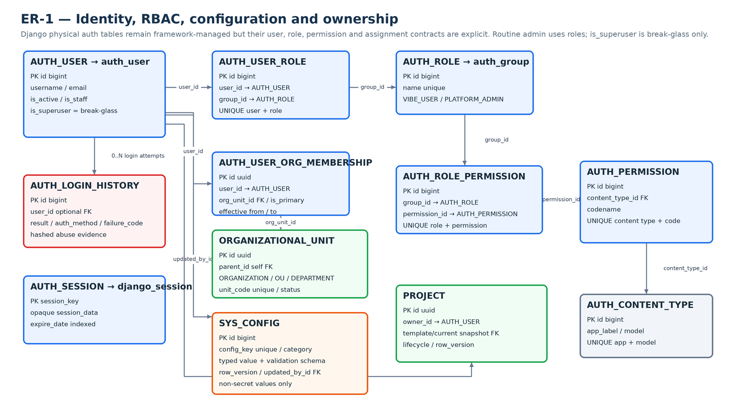

Diagram is explanatory. Relationships sheet and Column Definitions remain the authoritative machine-readable FK contract.

ER 2 Conversation
ER-2 — Conversation, agent execution and snapshots
Conversation history, immutable run/event evidence and reusable accepted snapshots.

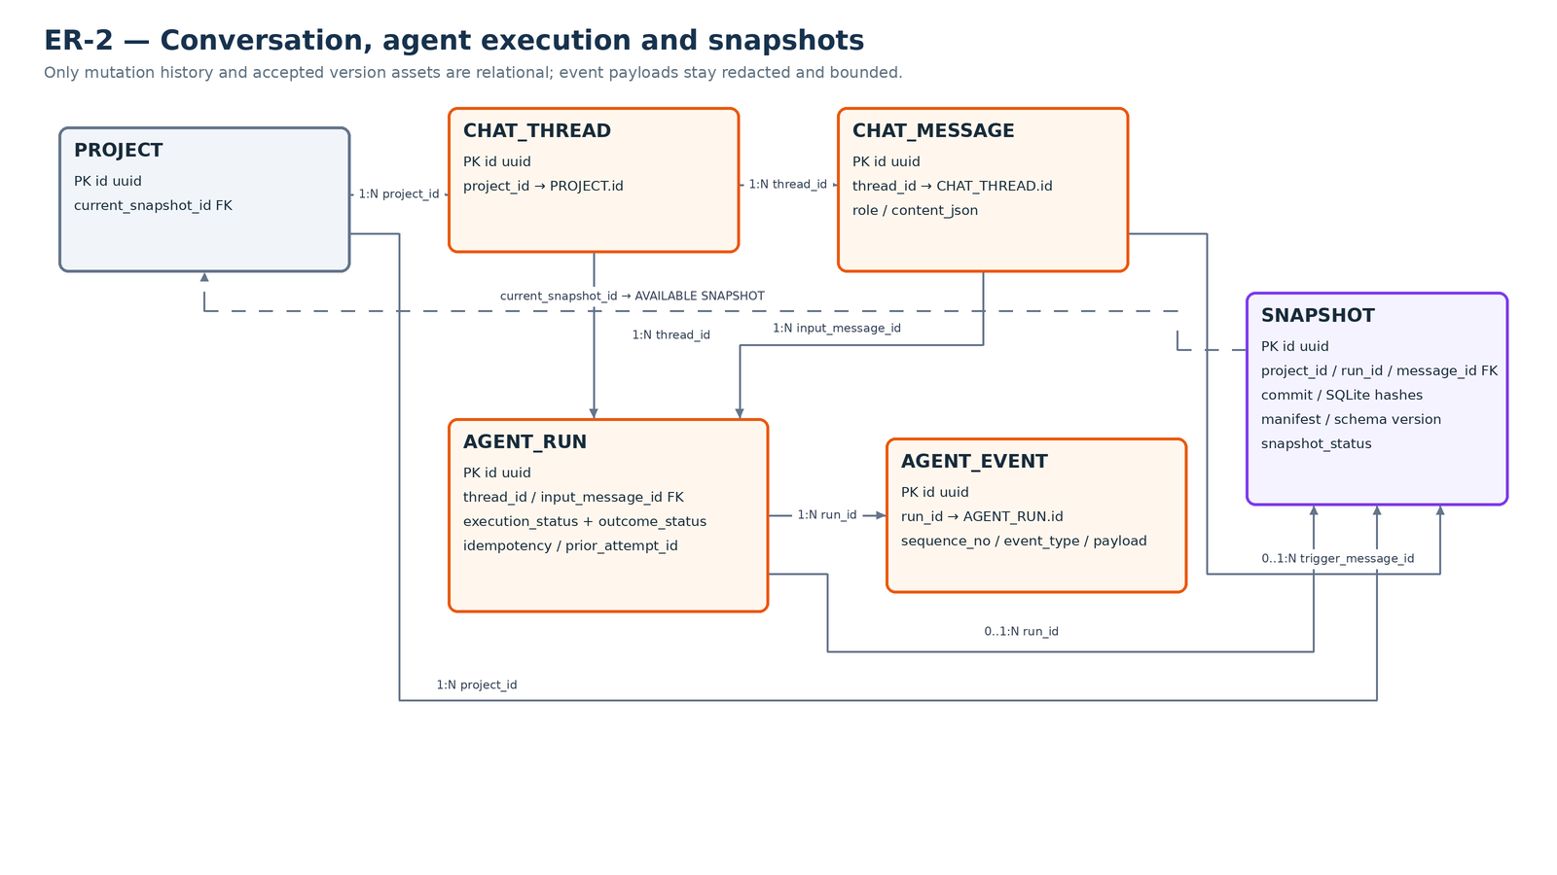

Diagram is explanatory. Relationships sheet and Column Definitions remain the authoritative machine-readable FK contract.

ER 3 Version Ops
ER-3 — Restore journal and preview authorization
Restore captures prior generation, snapshot, route generation/status and a provisional result before mutation; shared preview auth supports cross-replica replay denial.

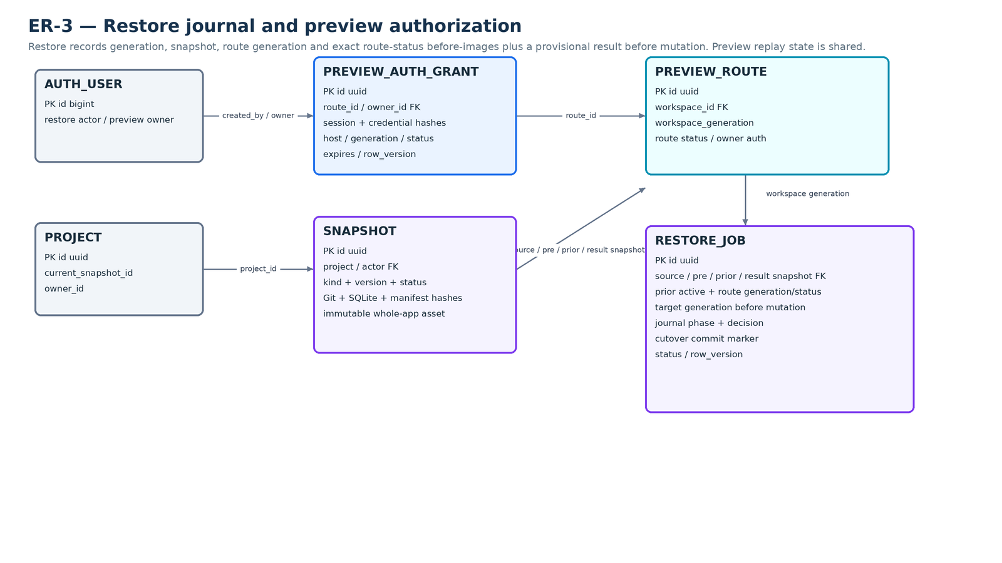

Diagram is explanatory. Relationships sheet and Column Definitions remain the authoritative machine-readable FK contract.

ER 4 Ops Audit
ER-4 — Admission, runtime proof and operations
Durable Preview/Agent component queue rows serialize global admission; Agent write-revocation proof is uniquely bound to the exact run.

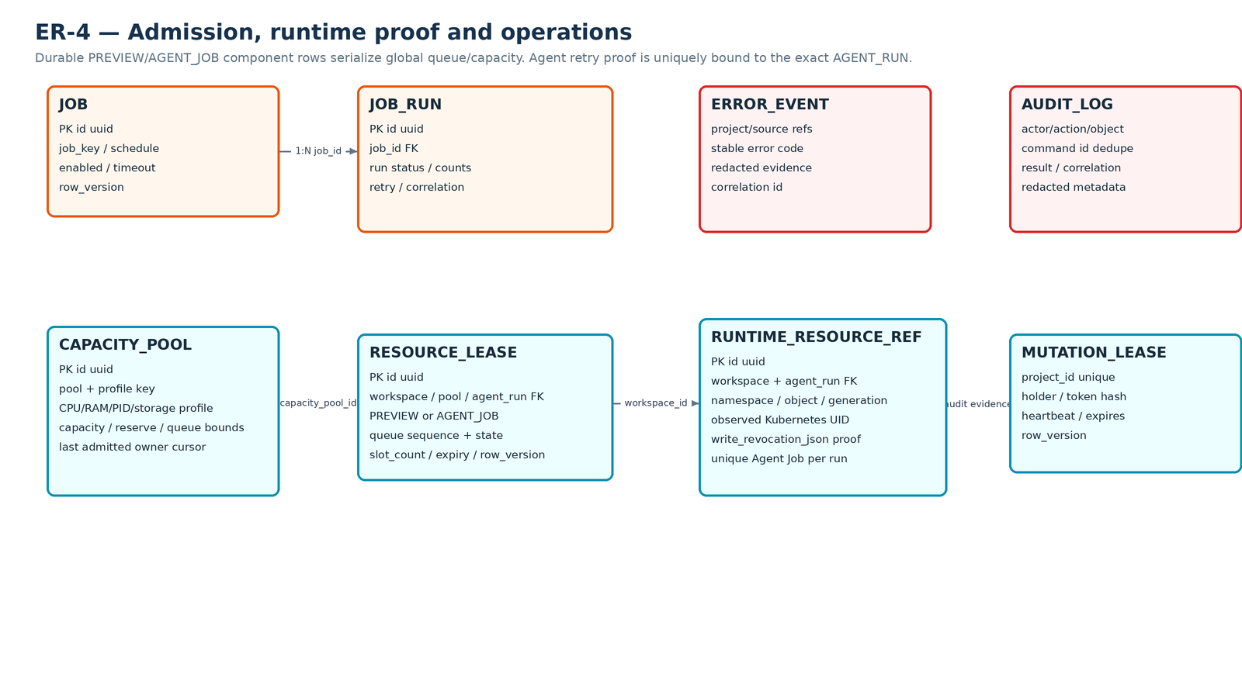

Diagram is explanatory. Relationships sheet and Column Definitions remain the authoritative machine-readable FK contract.

