bugs
Backtag Known Issues

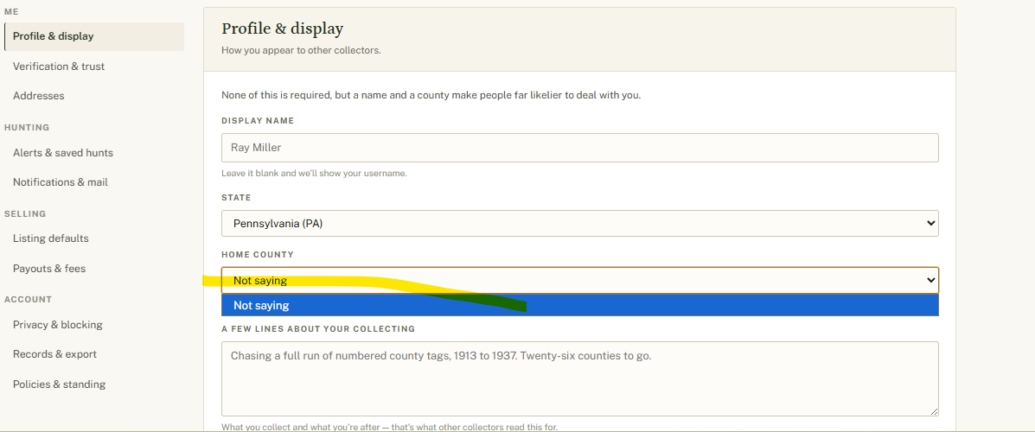
no. | date added | date resolved | section | status | bug
1) |  |  |  | resolved | enforcement/services.py:166 — Wrong notification_type='strike_issued' used for handshake-request notifications (cosmetic, no migration needed to fix)
2) |  |  |  | resolved | enqueue_operational_notifications.py:17-18 — Confusing variable names order_reminder_start/end (logic correct, readability issue only)
3) | 2026-08-26 |  | Settings. Profile & display | unresolved | When state is selected, home county dropdown is not populating.

