Cerinta
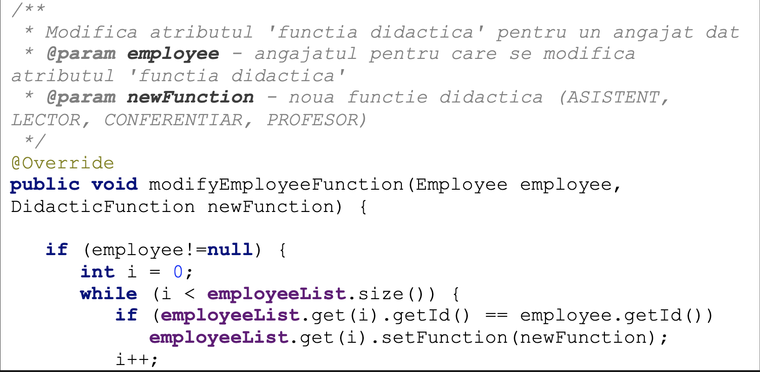
 | VVTA, PPPFP Informatica, 2024-2025
 |  | Lab03. White-box Testing. Code Coverage
 |  | Student Name | Corneliu Berliba
 |  | Delivery Date | <data> | Group | 1211

add the source code for the tested method

CFG-Paths
 | VVTA, PPPFP Informatica, 2024-2025

Covered source code |  | Control Flow Graph (CFG) | Cyclomatic Complexity (CC)

1
Line No. | Source code | please insert the CFG for tested method | CC1 = No. of regions = |  | 4
1 | public void modifyEmployeeFunction(Employee employee, DidacticFunction newFunction) | It may be a screen capture, image, picture taken by phone, etc. | CC2 = Edges - Nodes + 2 = |  | 4
 |  |  | CC3 = No. of Conditions + 1 = |  | 4
2 | if (employee!=null)
2
3 | int i = 0;
3
4 | while (i < employeeList.size()) |  | Individual Paths
1
5 | if (employeeList.get(i).getId() == employee.getId())
2
6 | employeeList.get(i).setFunction(newFunction) |  | Path No. | Path
4
7 | i++ |  | P01 | 1-2F-8
8 | exit |  | P02 | 1-2T-3-4F-8
3
5
8
9 |  |  | P03 | 1-2T-3-4T-5F-7-4F-8
10 |  |  | P04 | 1-2T-3-4T-5T-6-7-4F-8
4
6
11
12
7
13 |  |  | P02 este inclus in P03 si P04.
14
15
16
17
18
19
20
21
22

