Tabelle1
Cabel Robot Joint Calibration

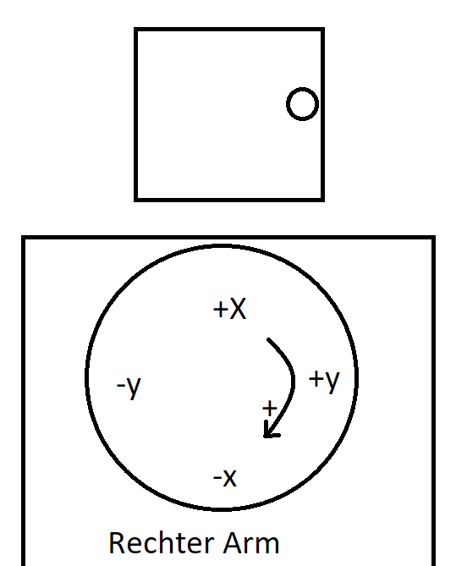
Motor ID | Joint Name | robot 0° | model 0° | robot 45° | model 45° | offset
004 | Rotation | 460 | 0 | 640 | 0.722
003 | Sh_x | 504 | 0.046 | 792 | 0.295
005 | Sh_y | 570 | 0.046 | 862 | 0.295
006 | Eb1_x | 520 | 0.199 | 340 | 0.182
017 | Eb1_y | 526 | 0.199 | 336 | 0.182
015 | eb2_y | 496 | 0.276 | 633 | 0.2595
016 | eb2_x | 526 | 0.276 | 659 | 0.2595
013 | Wr_x | 550 | 0.429 | 645 | 0.414
014 | Wr_y | 612 | 0.429 | 690 | 0.414
018 | Gripper | 470 | 0.454 | 415 | 0.44

Rechnung: robotmotor = (model-model_0)*faktor + robotmotor_0
faktor = (robotmotor_0 - robotmotor_45)/(model_0-model_45)

