Feedforward
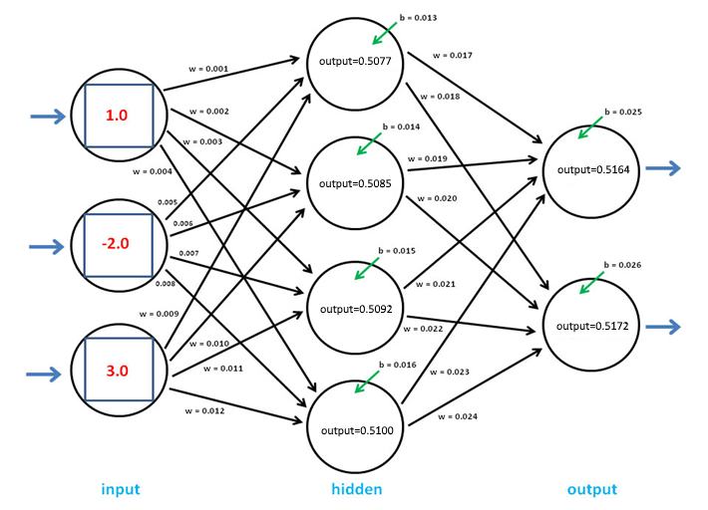
Input |  |  | Hidden Layer |  |  |  |  | Output Layer
 |  |  | Weights |  |  |  |  | Weights
I1 | I2 | I3 | H1 | H2 | H3 | H4 |  | O1 | O2
1.0 | -2.0 | 3.0 | 0.001 | 0.002 | 0.003 | 0.004 |  | 0.017 | 0.018
 |  |  | 0.005 | 0.006 | 0.007 | 0.008 |  | 0.019 | 0.020
 |  |  | 0.009 | 0.010 | 0.011 | 0.012 |  | 0.021 | 0.022
 |  |  |  |  |  |  |  | 0.023 | 0.024

 |  |  | Weighted Input |  |  |  |  | Weighted Input
 |  |  | 0.0010 | 0.0020 | 0.0030 | 0.0040 |  | 0.0086317 | 0.0091395
 |  |  | -0.0100 | -0.0120 | -0.0140 | -0.0160 |  | 0.0096615 | 0.0101700
 |  |  | 0.0270 | 0.0300 | 0.0330 | 0.0360 | + | 0.0106942 | 0.0112035
 |  |  | 0.0180 | 0.0200 | 0.0220 | 0.0240 |  | 0.0117300 | 0.0122400 | +
 |  |  |  |  |  |  |  | 0.0407174 | 0.0427529

 |  |  | Biases |  |  |  |  | Biases
 |  |  | 0.013 | 0.014 | 0.015 | 0.016 |  | 0.025 | 0.026

 |  |  | Weight + Bias |  |  |  |  | Weight + Bias
 |  |  | 0.0310 | 0.0340 | 0.0370 | 0.0400 |  | 0.06571742 | 0.06875292

 |  |  | Output (Sigmoid) |  |  |  |  | Output (Sigmoid)
 |  |  | 0.5077 | 0.5085 | 0.5092 | 0.5100 |  | 0.5164 | 0.5172

 |  |  |  |  |  |  | Target Values | 0.1234 | 0.8766
 |  |  |  |  |  |  | 0,5 * (Output-Target)^2 | 0.077234 | 0.064591
 |  |  |  |  |  |  | Mean Squared Error | 0.141825

Sigmoid
 | Sigmoid | Sigmoid Derivative
-5 | 0.01 | 0.01
-4.5 | 0.01 | 0.01
-4 | 0.02 | 0.02
-3.5 | 0.03 | 0.03
-3 | 0.05 | 0.05
-2.5 | 0.08 | 0.07
-2 | 0.12 | 0.11
-1.5 | 0.18 | 0.15
-1 | 0.27 | 0.20
-0.5 | 0.38 | 0.24
0 | 0.50 | 0.25
0.5 | 0.62 | 0.24
1 | 0.73 | 0.20
1.5 | 0.82 | 0.15
2 | 0.88 | 0.11
2.5 | 0.92 | 0.07
3 | 0.95 | 0.05
3.5 | 0.97 | 0.03
4 | 0.98 | 0.02
4.5 | 0.99 | 0.01
5 | 0.99 | 0.01

Tanh
 | Tanh | Tanh Derivative
-3 | -1.00 | 0.01
-2.7 | -0.99 | 0.02
-2.4 | -0.98 | 0.03
-2.1 | -0.97 | 0.06
-1.8 | -0.95 | 0.10
-1.5 | -0.91 | 0.18
-1.2 | -0.83 | 0.31
-0.9 | -0.72 | 0.49
-0.6 | -0.54 | 0.71
-0.3 | -0.29 | 0.92
0 | - | 1.00
0.3 | 0.29 | 0.92
0.6 | 0.54 | 0.71
0.9 | 0.72 | 0.49
1.2 | 0.83 | 0.31
1.5 | 0.91 | 0.18
1.8 | 0.95 | 0.10
2.1 | 0.97 | 0.06
2.4 | 0.98 | 0.03
2.7 | 0.99 | 0.02
3 | 1.00 | 0.01

