Arduino Mega Specs
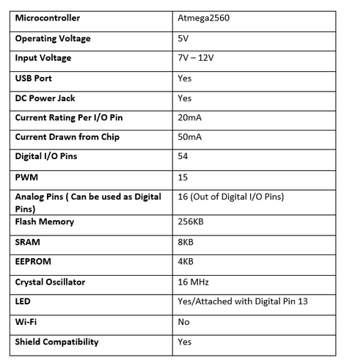
Arduino MEGA

6 interrupts | Pin
interrupt 0 | 0
interrupt 1 | 3
interrupt 2 | 21
interrupt 3 | 20
interrupt 4 | 19
interrupt 5 | 18

Multi-tasking is available but not supported by Arduino IDE
Need to use another software such as FreeRTOS or RTX

Pins Arduino Mega | Pin description
from: https://www.theengineeringprojects.com/2018/06/introduction-to-arduino-mega-2560.html
D0 - D53 | 54 digital input / output pins.
A0 - A15 | 16 Analog input / output pins.
D2 - D13 | 12 Pulse Width Modulation ( PWM ) pins.
Pin #0 (RX), pin #1 (TX) Pin #19 (RX1), pin #18 (TX1) Pin #17 (RX2), pin #16 (TX2) Pin #15 (RX3), pin #14 (TX3) | 4 serial communication ports (8 pins).
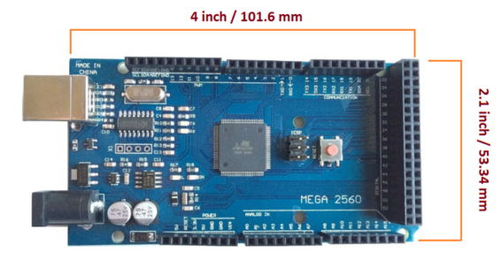
Pin #50 ( MISO ) Pin #51 ( MOSI ) Pin #52 ( SCK ) Pin #53 ( SS ) | SPI Communication pins.
Pin #20 ( SDA ), Pin #21 ( SCL ) | I2C Communication pins.
Pin #13 | Built-in LED for testing.

