Certification BluePrint
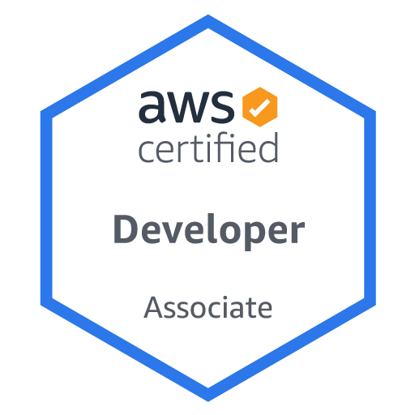
Exam Guide | Exam Guide PDF |  | AWS Certified Developer – Associate(DVA-C01)

Domain | % of Examination
Domain 1: Deployment | 22%
Domain 2: Security | 26%
Domain 3: Development with AWS Services | 30%
Domain 4: Refactoring |  | 10%
Domain 5: Monitoring and Troubleshooting | 12%
TOTAL | 100%

Domain | Sub Topic
Domain 1: Deployment
 | 1.1 Deploy written code in AWS using existing CI/CD pipelines, processes, and patterns
 | 1.2 Deploy applications using Elastic Beanstalk
 | 1.3 Prepare the application deployment package to be deployed to AWS
 | 1.4 Deploy serverless applications

Domain 2: Security
 | 2.1 Make authenticated calls to AWS services
 | 2.2 Implement encryption using AWS services
 | 2.3 Implement application authentication, and authorization

Domain 3: Development with AWS Services
 | 3.1 Write code for serverless applications
 | 3.2 Translate functional requirements into application design
 | 3.3 Implement application design into application code
 | 3.4 Write code that interacts with AWS services by using APIs, SDKs, and AWS CLI

Domain 4: Refactoring
 | 4.1 Optimize application to best use AWS services and feature

Domain 5: Monitoring and Troubleshooting
 | 5.1 Write code that can be monitored
 | 5.2 Perform root cause analysis on faults found in testing or production

