Certification BluePrint
Exam Guide | Exam Guide PDF | AWS Certified Cloud Practitioner (CLF-C01)

Domain | % of Examination
Domain 1: Cloud Concepts | 26%
Domain 2: Security and Compliance | 25%
Domain 3: Technology | 33%
Domain 4: Billing and Pricing | 16%
TOTAL | 100%

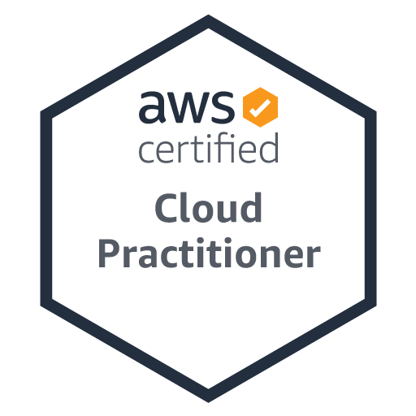
Domain | Sub Topic
Domain 1: Cloud Concepts
 | 1.1 Define the AWS Cloud and its value proposition
 | 1.2 Identify aspects of AWS Cloud economics
 | 1.3 List the different cloud architecture design principles

Domain 2: Security and Compliance
 | 2.1 Define the AWS shared responsibility model
 | 2.2 Define AWS Cloud security and compliance concepts
 | 2.3 Identify AWS access management capabilities
 | 2.4 Identify resources for security support

Domain 3: Technology
 | 3.1 Define methods of deploying and operating in the AWS Cloud
 | 3.2 Define the AWS global infrastructure
 | 3.3 Identify the core AWS services
 | 3.4 Identify resources for technology support

Domain 4: Billing and Pricing
 | 4.1 Compare and contrast the various pricing models for AWS
 | 4.2 Recognize the various account structures in relation to AWS billing and pricing
 | 4.3 Identify resources available for billing support

