Certification BluePrint
Exam Guide | Exam Guide PDF |  | AWS Certified Solutions Architect – Professional(SAP-C01)

Domain | % of Examination
Domain 1: Design for Organizational Complexity | 12.5%
Domain 2: Design for New Solutions | 31.0%
Domain 3: Migration Planning | 15.0%
Domain 4: Cost Control | 12.5%
Domain 5: Continuous Improvement for Existing Solutions |  | 29.0%
TOTAL | 100%
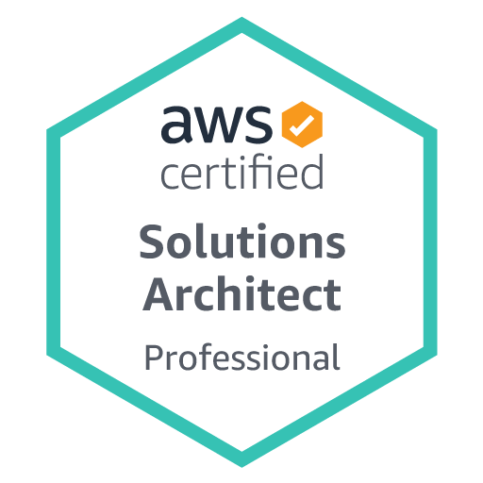

Domain | Sub Topic
Domain 1: Design for Organizational Complexity
 | 1.1 Determine cross-account authentication and access strategy for complex organizations (for example, an organization with varying compliance requirements, multiple business units, and varying scalability requirements)
 | 1.2 Determine how to design networks for complex organizations (for example, an organization with varying compliance requirements, multiple business units, and varying scalability requirements)
 | 1.3 Determine how to design a multi-account AWS environment for complex organizations (for example, an organization with varying compliance requirements, multiple business units, and varying scalability requirements)

Domain 2: Design for New Solutions
 | 2.1 Determine security requirements and controls when designing and implementing a solution
 | 2.2 Determine a solution design and implementation strategy to meet reliability requirements
 | 2.3 Determine a solution design to ensure business continuity
 | 2.4 Determine a solution design to meet performance objectives
 | 2.5 Determine a deployment strategy to meet business requirements when designing and implementing a solution

Domain 3: Migration Planning
 | 3.1 Select existing workloads and processes for potential migration to the cloud
 | 3.2 Select migration tools and/or services for new and migrated solutions based on detailed AWS knowledge
 | 3.3 Determine a new cloud architecture for an existing solution
 | 3.4 Determine a strategy for migrating existing on-premises workloads to the cloud

Domain 4: Cost Control
 | 4.1 Select a cost-effective pricing model for a solution
 | 4.2 Determine which controls to design and implement that will ensure cost optimization
 | 4.3 Identify opportunities to reduce cost in an existing solution

Domain 5: Continuous Improvement for Existing Solutions
 | 5.1 Troubleshoot solution architectures
 | 5.2 Determine a strategy to improve an existing solution for operational excellence
 | 5.3 Determine a strategy to improve the reliability of an existing solution
 | 5.4 Determine a strategy to improve the performance of an existing solution
 | 5.5 Determine a strategy to improve the security of an existing solution
 | 5.6 Determine how to improve the deployment of an existing solution

