Certification BluePrint
Exam Guide | Exam Guide PDF | AWS Certified SysOps Administrator – Associate(SOA-C01)

Domain | % of Examination
Domain 1: Monitoring and Reporting | 22%
Domain 2: High Availability | 8%
Domain 3: Deployment and Provisioning | 14%
Domain 4: Storage and Data Management | 12%
Domain 5: Security and Compliance | 18%
Domain 6: Networking | 14%
Domain 7: Automation and Optimization | 12%
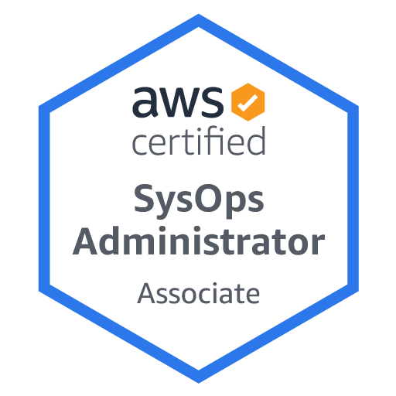
TOTAL | 100%

Domain | Sub Topic
Domain 1: Monitoring and Reporting
 | 1.1 Create and maintain metrics and alarms utilizing AWS monitoring services
 | 1.2 Recognize and differentiate performance and availability metrics
 | 1.3 Perform the steps necessary to remediate based on performance and availability metrics

Domain 2: High Availability
 | 2.1 Implement scalability and elasticity based on use case
 | 2.2 Recognize and differentiate highly available and resilient environments on AWS

Domain 3: Deployment and Provisioning
 | 3.1 Identify and execute steps required to provision cloud resources
 | 3.2 Identify and remediate deployment issues

Domain 4: Storage and Data Management
 | 4.1 Create and manage data retention
 | 4.2 Identify and implement data protection, encryption, and capacity planning needs

Domain 5: Security and Compliance
 | 5.1 Implement and manage security policies on AWS
 | 5.2 Implement access controls when using AWS
 | 5.3 Differentiate between the roles and responsibility within the shared responsibility model

Domain 6: Networking
 | 6.1 Apply AWS networking features
 | 6.2 Implement connectivity services of AWS
 | 6.3 Gather and interpret relevant information for network troubleshooting

Domain 7: Automation and Optimization
 | 7.1 Use AWS services and features to manage and assess resource utilization
 | 7.2 Employ cost-optimization strategies for efficient resource utilization
 | 7.3 Automate manual or repeatable process to minimize management overhead

